Metrics
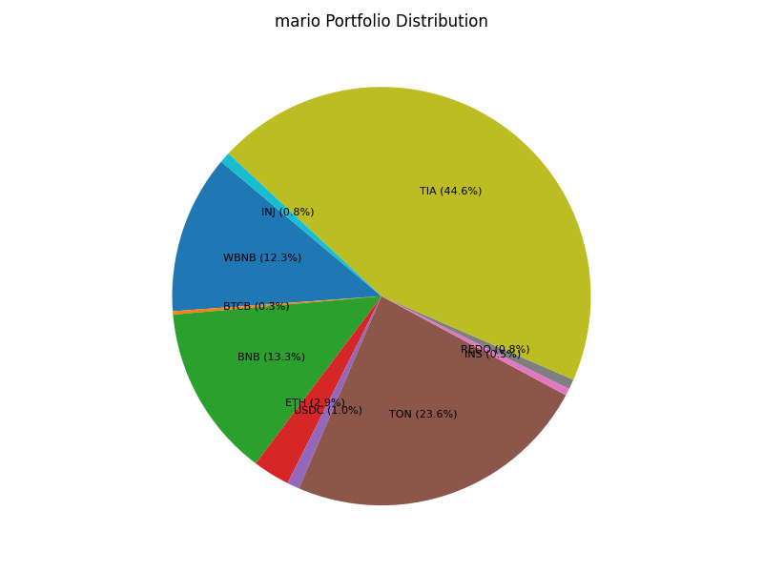
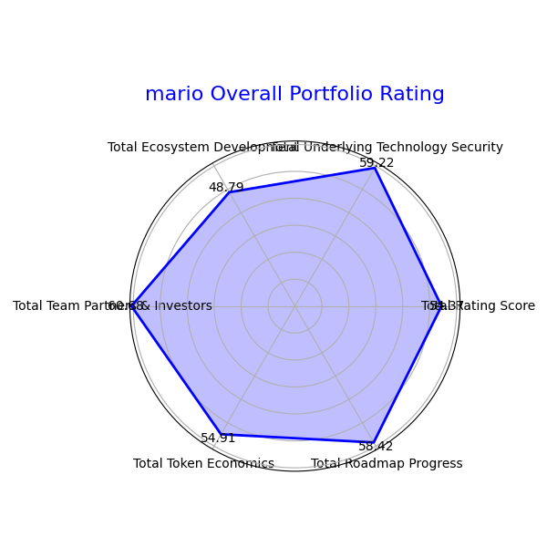
 | Total Rating Score | Total Underlying Technology Security | Total Ecosystem Development | Total Team Partners & Investors | Total Token Economics | Total Roadmap Progress | Total Portfolio USD Balance
Final Report | 54.365271505 | 59.219334261 | 48.790635947 | 60.677638875 | 54.912477668 | 58.422958282 | 393.07384811

