Data
Zocor Prices in Selected Cities in Two States
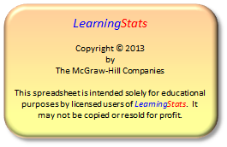
Colorado Pharmacies |  | Texas Pharmacies
City | Price | City | Price
Alamosa | 125.05 | Austin | 145.32
Avon | 137.56 | Austin | 131.19
Broomfield | 142.50 | Austin | 151.65
Buena Vista | 145.95 | Austin | 141.55
Colorado Springs | 117.49 | Austin | 125.99
Colorado Springs | 142.75 | Dallas | 126.29
Denver | 121.99 | Dallas | 139.19
Denver | 117.49 | Dallas | 156.00
Eaton | 141.64 | Dallas | 137.56
Fort Collins | 128.69 | Houston | 154.10
Gunnison | 130.29 | Houston | 126.41
Pueblo | 142.39 | Houston | 114.00
Pueblo | 121.99 | Houston | 144.99
Pueblo | 141.30
Sterling | 153.43
Walsenburg, CO | 133.39

Source Public Research Interest Group (www.pirg.org). Surveyed pharmacies were chosen from the telephone directory in 2004. Data used with permission. Prices are for a 30-day supply.

