Clean Data
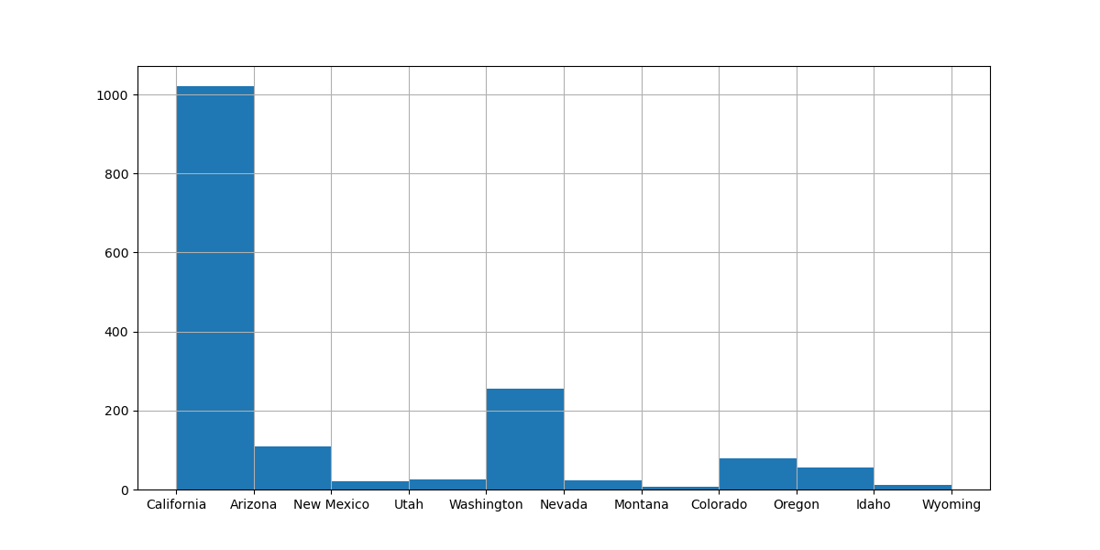
 | Order ID | Order Date | Ship Date | EmailID | Category | Product Name | Sales | Quantity | Profit | Country | State | County
0 | CA-2013-138688 | 2013-06-13 | 2013-06-17 | DarrinVanHuff@gmail.com | Labels | Self-Adhesive Address Labels for Typewriters by Universal | 14.62 | 2 | 6.8714 | United States | California | Los Angeles
1 | CA-2011-115812 | 2011-06-09 | 2011-06-14 | BrosinaHoffman@gmail.com | Furnishings | Eldon Expressions Wood and Plastic Desk Accessories, Cherry Wood | 48.86 | 7 | 14.1694 | United States | California | Los Angeles
2 | CA-2011-115812 | 2011-06-09 | 2011-06-14 | BrosinaHoffman@gmail.com | Art | Newell 322 | 7.28 | 4 | 1.9656 | United States | California | Los Angeles
3 | CA-2011-115812 | 2011-06-09 | 2011-06-14 | BrosinaHoffman@gmail.com | Phones | Mitel 5320 IP Phone VoIP phone | 907.152 | 4 | 90.7152 | United States | California | Los Angeles
4 | CA-2011-115812 | 2011-06-09 | 2011-06-14 | BrosinaHoffman@gmail.com | Binders | DXL Angle-View Binders with Locking Rings by Samsill | 18.504 | 3 | 5.7825 | United States | California | Los Angeles
5 | CA-2011-115812 | 2011-06-09 | 2011-06-14 | BrosinaHoffman@gmail.com | Appliances | Belkin F5C206VTEL 6 Outlet Surge | 114.9 | 5 | 34.47 | United States | California | Los Angeles
6 | CA-2011-115812 | 2011-06-09 | 2011-06-14 | BrosinaHoffman@gmail.com | Tables | Chromcraft Rectangular Conference Tables | 1706.184 | 9 | 85.3092 | United States | California | Los Angeles
7 | CA-2011-115812 | 2011-06-09 | 2011-06-14 | BrosinaHoffman@gmail.com | Phones | Konftel 250 ConferenceÂ phoneÂ - Charcoal black | 911.424 | 4 | 68.3568 | United States | California | Los Angeles
8 | CA-2013-161389 | 2013-12-06 | 2013-12-11 | IreneMaddox@gmail.com | Binders | Fellowes PB200 Plastic Comb Binding Machine | 407.976 | 3 | 132.5922 | United States | Washington | Seattle
9 | CA-2011-167164 | 2011-05-13 | 2011-05-15 | AlejandroGrove@gmail.com | Storage | Fellowes Super Stor/Drawer | 55.5 | 2 | 9.99 | United States | Utah | West Jordan
10 | CA-2011-143336 | 2011-08-27 | 2011-09-01 | ZuschussDonatelli@gmail.com | Art | Newell 341 | 8.56 | 2 | 2.4824 | United States | California | San Francisco
11 | CA-2011-143336 | 2011-08-27 | 2011-09-01 | ZuschussDonatelli@gmail.com | Phones | Cisco SPA 501G IP Phone | 213.48 | 3 | 16.011 | United States | California | San Francisco
12 | CA-2011-143336 | 2011-08-27 | 2011-09-01 | ZuschussDonatelli@gmail.com | Binders | Wilson Jones Hanging View Binder, White, 1" | 22.72 | 4 | 7.384 | United States | California | San Francisco
13 | CA-2012-106320 | 2012-09-25 | 2012-09-30 | EmilyBurns@gmail.com | Tables | Bretford CR4500 Series Slim Rectangular Table | 1044.63 | 3 | 240.2649 | United States | Utah | Orem
14 | CA-2013-121755 | 2013-01-16 | 2013-01-20 | EricHoffmann@gmail.com | Binders | Wilson Jones Active Use Binders | 11.648 | 2 | 4.2224 | United States | California | Los Angeles
15 | CA-2013-121755 | 2013-01-16 | 2013-01-20 | EricHoffmann@gmail.com | Accessories | ImationÂ 8GB Mini TravelDrive USB 2.0Â Flash Drive | 90.57 | 3 | 11.7741 | United States | California | Los Angeles
16 | CA-2013-101343 | 2013-07-18 | 2013-07-23 | RubenAusman@gmail.com | Storage | Eldon Base for stackable storage shelf, platinum | 77.88 | 2 | 3.894 | United States | California | Los Angeles
17 | CA-2012-135545 | 2012-11-24 | 2012-11-30 | KunstMiller@gmail.com | Accessories | Verbatim 25 GB 6x Blu-ray Single Layer Recordable Disc, 3/Pack | 13.98 | 2 | 6.1512 | United States | California | Los Angeles
18 | CA-2012-135545 | 2012-11-24 | 2012-11-30 | KunstMiller@gmail.com | Binders | Acco PRESSTEX Data Binder with Storage Hooks, Dark Blue, 14 7/8" X 11" | 25.824 | 6 | 9.3612 | United States | California | Los Angeles
19 | CA-2012-135545 | 2012-11-24 | 2012-11-30 | KunstMiller@gmail.com | Paper | Xerox 1943 | 146.73 | 3 | 68.9631 | United States | California | Los Angeles
20 | CA-2012-135545 | 2012-11-24 | 2012-11-30 | KunstMiller@gmail.com | Furnishings | Luxo Economy Swing Arm Lamp | 79.76 | 4 | 22.3328 | United States | California | Los Angeles
21 | CA-2011-106376 | 2011-12-05 | 2011-12-10 | BrendanSweed@gmail.com | Art | Hunt BOSTON Model 1606 High-Volume Electric Pencil Sharpener, Beige | 1113.024 | 8 | 111.3024 | United States | Arizona | Gilbert
22 | CA-2011-106376 | 2011-12-05 | 2011-12-10 | BrendanSweed@gmail.com | Phones | netTALK DUO VoIP Telephone Service | 167.968 | 4 | 62.988 | United States | Arizona | Gilbert
23 | CA-2011-139451 | 2011-10-12 | 2011-10-16 | DuaneNoonan@gmail.com | Art | Premium Writing Pencils, Soft, #2 by Central Association for the Blind | 14.9 | 5 | 4.172 | United States | California | San Francisco
24 | CA-2011-139451 | 2011-10-12 | 2011-10-16 | DuaneNoonan@gmail.com | Storage | Sortfiler Multipurpose Personal File Organizer, Black | 21.39 | 1 | 6.2031 | United States | California | San Francisco
25 | CA-2013-109806 | 2013-09-18 | 2013-09-23 | JimSink@gmail.com | Art | Turquoise Lead Holder with Pocket Clip | 20.1 | 3 | 6.633 | United States | California | Los Angeles
26 | CA-2013-109806 | 2013-09-18 | 2013-09-23 | JimSink@gmail.com | Phones | Panasonic Kx-TS550 | 73.584 | 2 | 8.2782 | United States | California | Los Angeles
27 | CA-2013-109806 | 2013-09-18 | 2013-09-23 | JimSink@gmail.com | Paper | Xerox 1995 | 6.48 | 1 | 3.1104 | United States | California | Los Angeles
28 | US-2014-109484 | 2014-11-07 | 2014-11-13 | RogerBarcio@gmail.com | Binders | Flexible Leather- Look Classic Collection Ring Binder | 5.682 | 1 | -3.788 | United States | Oregon | Portland
29 | CA-2014-157833 | 2014-06-18 | 2014-06-21 | KatherineDucich@gmail.com | Binders | Trimflex Flexible Post Binders | 51.312 | 3 | 17.9592 | United States | California | San Francisco
30 | US-2012-156867 | 2012-11-13 | 2012-11-17 | LenaCacioppo@gmail.com | Accessories | Logitech K350 2.4Ghz Wireless Keyboard | 238.896 | 6 | -26.8758 | United States | Colorado | Aurora
31 | US-2012-156867 | 2012-11-13 | 2012-11-17 | LenaCacioppo@gmail.com | Furnishings | Deflect-o DuraMat Lighweight, Studded, Beveled Mat for Low Pile Carpeting | 102.36 | 3 | -3.8385 | United States | Colorado | Aurora
32 | US-2012-156867 | 2012-11-13 | 2012-11-17 | LenaCacioppo@gmail.com | Binders | Avery Trapezoid Ring Binder, 3" Capacity, Black, 1040 sheets | 36.882 | 3 | -25.8174 | United States | Colorado | Aurora
33 | CA-2012-110457 | 2012-03-02 | 2012-03-06 | DaveKipp@gmail.com | Tables | Hon Racetrack Conference Tables | 787.53 | 3 | 165.3813 | United States | Washington | Seattle
34 | US-2014-107272 | 2014-11-06 | 2014-11-13 | TroyStaebel@gmail.com | Binders | Avery Durable Slant Ring Binders, No Labels | 2.388 | 2 | -1.8308 | United States | Arizona | Phoenix
35 | US-2014-107272 | 2014-11-06 | 2014-11-13 | TroyStaebel@gmail.com | Storage | Trav-L-File Heavy-Duty Shuttle II, Black | 243.992 | 7 | 30.499 | United States | Arizona | Phoenix
36 | US-2013-125969 | 2013-11-07 | 2013-11-11 | LindsayShagiari@gmail.com | Chairs | Global Task Chair, Black | 81.424 | 2 | -9.1602 | United States | California | Los Angeles
37 | US-2013-125969 | 2013-11-07 | 2013-11-11 | LindsayShagiari@gmail.com | Furnishings | Eldon Cleatmat Plus Chair Mats for High Pile Carpets | 238.56 | 3 | 26.2416 | United States | California | Los Angeles
38 | CA-2013-145583 | 2013-10-14 | 2013-10-20 | LenaCreighton@gmail.com | Paper | Xerox 195 | 20.04 | 3 | 9.6192 | United States | California | Roseville
39 | CA-2013-145583 | 2013-10-14 | 2013-10-20 | LenaCreighton@gmail.com | Paper | Xerox 1880 | 35.44 | 1 | 16.6568 | United States | California | Roseville
40 | CA-2013-145583 | 2013-10-14 | 2013-10-20 | LenaCreighton@gmail.com | Art | Sanford Colorific Colored Pencils, 12/Box | 11.52 | 4 | 3.456 | United States | California | Roseville
41 | CA-2013-145583 | 2013-10-14 | 2013-10-20 | LenaCreighton@gmail.com | Fasteners | Ideal Clamps | 4.02 | 2 | 1.9698 | United States | California | Roseville
42 | CA-2013-145583 | 2013-10-14 | 2013-10-20 | LenaCreighton@gmail.com | Binders | GBC Wire Binding Strips | 76.176 | 3 | 26.6616 | United States | California | Roseville
43 | CA-2013-145583 | 2013-10-14 | 2013-10-20 | LenaCreighton@gmail.com | Supplies | Fiskars Softgrip Scissors | 65.88 | 6 | 18.4464 | United States | California | Roseville
44 | CA-2013-145583 | 2013-10-14 | 2013-10-20 | LenaCreighton@gmail.com | Furnishings | Longer-Life Soft White Bulbs | 43.12 | 14 | 20.6976 | United States | California | Roseville
45 | CA-2014-106180 | 2014-09-19 | 2014-09-24 | SallyHughsby@gmail.com | Art | Newell 343 | 8.82 | 3 | 2.3814 | United States | California | San Francisco
46 | CA-2014-106180 | 2014-09-19 | 2014-09-24 | SallyHughsby@gmail.com | Envelopes | Convenience Packs of Business Envelopes | 10.86 | 3 | 5.1042 | United States | California | San Francisco
47 | CA-2014-106180 | 2014-09-19 | 2014-09-24 | SallyHughsby@gmail.com | Paper | Xerox 1911 | 143.7 | 3 | 68.976 | United States | California | San Francisco
48 | CA-2012-110744 | 2012-09-07 | 2012-09-12 | HelenAndreada@gmail.com | Storage | Safco Industrial Wire Shelving | 671.93 | 7 | 20.1579 | United States | California | Pasadena
49 | CA-2013-158834 | 2013-03-14 | 2013-03-17 | TamaraWillingham@gmail.com | Appliances | Belkin 7 Outlet SurgeMaster Surge Protector with Phone Protection | 157.92 | 5 | 17.766 | United States | Arizona | Scottsdale
50 | CA-2013-158834 | 2013-03-14 | 2013-03-17 | TamaraWillingham@gmail.com | Phones | Jabra BIZ 2300 Duo QD Duo CordedÂ Headset | 203.184 | 2 | 15.2388 | United States | Arizona | Scottsdale
51 | CA-2012-124919 | 2012-05-31 | 2012-06-02 | StephaniePhelps@gmail.com | Paper | Southworth 25% Cotton Antique Laid Paper & Envelopes | 58.38 | 7 | 26.271 | United States | California | San Jose
52 | CA-2012-124919 | 2012-05-31 | 2012-06-02 | StephaniePhelps@gmail.com | Paper | Xerox 1883 | 105.52 | 4 | 48.5392 | United States | California | San Jose
53 | CA-2012-124919 | 2012-05-31 | 2012-06-02 | StephaniePhelps@gmail.com | Storage | Tenex Personal Project File with Scoop Front Design, Black | 80.88 | 6 | 21.0288 | United States | California | San Jose
54 | CA-2012-118948 | 2012-05-28 | 2012-06-03 | NeilKnudson@gmail.com | Art | Newell 311 | 6.63 | 3 | 1.7901 | United States | Washington | Seattle
55 | CA-2011-104269 | 2011-03-01 | 2011-03-06 | DaveBrooks@gmail.com | Chairs | Global Deluxe High-Back Manager's Chair | 457.568 | 2 | 51.4764 | United States | Washington | Seattle
56 | CA-2013-162733 | 2013-05-12 | 2013-05-13 | TedTrevino@gmail.com | Paper | Xerox 1920 | 5.98 | 1 | 2.691 | United States | California | Los Angeles
57 | CA-2013-154508 | 2013-11-17 | 2013-11-21 | RubenDartt@gmail.com | Envelopes | Staples | 28.4 | 5 | 13.348 | United States | New Mexico | Carlsbad
58 | CA-2013-113817 | 2013-11-08 | 2013-11-12 | MaxJones@gmail.com | Binders | Wilson Jones International Size A4 Ring Binders | 27.68 | 2 | 9.688 | United States | Washington | Seattle
59 | CA-2011-118962 | 2011-08-05 | 2011-08-09 | ChadSievert@gmail.com | Paper | Adams Phone Message Book, Professional, 400 Message Capacity, 5 3/6Â” x 11Â” | 20.94 | 3 | 9.8418 | United States | California | Los Angeles
60 | CA-2011-118962 | 2011-08-05 | 2011-08-09 | ChadSievert@gmail.com | Paper | Xerox 1913 | 110.96 | 2 | 53.2608 | United States | California | Los Angeles
61 | CA-2011-118962 | 2011-08-05 | 2011-08-09 | ChadSievert@gmail.com | Chairs | Global Value Steno Chair, Gray | 340.144 | 7 | 21.259 | United States | California | Los Angeles
62 | CA-2011-123260 | 2011-08-26 | 2011-08-30 | FrankMerwin@gmail.com | Accessories | SanDisk Ultra 32 GB MicroSDHC Class 10 Memory Card | 176.8 | 8 | 22.984 | United States | California | Los Angeles
63 | CA-2012-131457 | 2012-10-31 | 2012-11-06 | MaryZewe@gmail.com | Envelopes | Poly String Tie Envelopes | 14.28 | 7 | 6.7116 | United States | California | Redlands
64 | CA-2011-133690 | 2011-08-03 | 2011-08-05 | BruceStewart@gmail.com | Tables | BoxOffice By Design Rectangular and Half-Moon Meeting Room Tables | 218.75 | 2 | -161.875 | United States | Colorado | Denver
65 | CA-2011-133690 | 2011-08-03 | 2011-08-05 | BruceStewart@gmail.com | Appliances | Bravo II Megaboss 12-Amp Hard Body Upright, Replacement Belts, 2 Belts per Pack | 2.6 | 1 | 0.2925 | United States | Colorado | Denver
66 | CA-2014-108329 | 2014-12-10 | 2014-12-15 | LaurelElliston@gmail.com | Phones | Nortel Business Series Terminal T7208 Digital phone | 444.768 | 4 | 44.4768 | United States | California | Whittier
67 | CA-2013-130162 | 2013-10-29 | 2013-11-02 | JonathanHowell@gmail.com | Storage | Personal Filing Tote with Lid, Black/Gray | 93.06 | 6 | 26.0568 | United States | California | Los Angeles
68 | CA-2013-130162 | 2013-10-29 | 2013-11-02 | JonathanHowell@gmail.com | Phones | Adtran 1202752G1 | 302.376 | 3 | 22.6782 | United States | California | Los Angeles
69 | CA-2014-160514 | 2014-11-13 | 2014-11-17 | DavidBremer@gmail.com | Paper | Xerox 4200 Series MultiUse Premium Copy Paper (20Lb. and 84 Bright) | 10.56 | 2 | 4.752 | United States | California | Santa Clara
70 | CA-2013-154739 | 2013-12-11 | 2013-12-16 | LoganHaushalter@gmail.com | Chairs | Global Leather Highback Executive Chair with Pneumatic Height Adjustment, Black | 321.568 | 2 | 28.1372 | United States | California | San Francisco
71 | CA-2013-145625 | 2013-09-12 | 2013-09-18 | KellyCollister@gmail.com | Paper | Wirebound Message Books, Two 4 1/4" x 5" Forms per Page | 7.61 | 1 | 3.5767 | United States | California | San Diego
72 | CA-2013-145625 | 2013-09-12 | 2013-09-18 | KellyCollister@gmail.com | Accessories | LogitechÂ P710e Mobile Speakerphone | 3347.37 | 13 | 636.0003 | United States | California | San Diego
73 | CA-2012-155040 | 2012-11-10 | 2012-11-15 | AlanHwang@gmail.com | Accessories | Microsoft Sculpt Comfort Mouse | 79.9 | 2 | 35.156 | United States | California | Brentwood
74 | CA-2014-163979 | 2014-12-29 | 2015-01-03 | KristenHastings@gmail.com | Storage | Adjustable Depth Letter/Legal Cart | 725.84 | 4 | 210.4936 | United States | California | San Francisco
75 | CA-2012-155334 | 2012-07-30 | 2012-07-31 | HelenAndreada@gmail.com | Accessories | Logitech 910-002974 M325 Wireless Mouse for Web Scrolling | 209.93 | 7 | 92.3692 | United States | California | San Francisco
76 | CA-2012-155334 | 2012-07-30 | 2012-07-31 | HelenAndreada@gmail.com | Furnishings | Regeneration Desk Collection | 5.28 | 3 | 2.3232 | United States | California | San Francisco
77 | CA-2012-155334 | 2012-07-30 | 2012-07-31 | HelenAndreada@gmail.com | Binders | Presstex Flexible Ring Binders | 10.92 | 3 | 4.095 | United States | California | San Francisco
78 | CA-2014-118136 | 2014-09-17 | 2014-09-18 | BarryBlumstein@gmail.com | Paper | Ampad Gold Fibre Wirebound Steno Books, 6" x 9", Gregg Ruled | 8.82 | 2 | 4.0572 | United States | California | Inglewood
79 | CA-2014-118136 | 2014-09-17 | 2014-09-18 | BarryBlumstein@gmail.com | Art | Newell 330 | 5.98 | 1 | 1.5548 | United States | California | Inglewood
80 | CA-2012-130890 | 2012-11-02 | 2012-11-06 | JasO'Carroll@gmail.com | Tables | Bevis Round Bullnose 29" High Table Top | 1038.84 | 5 | 51.942 | United States | California | Los Angeles
81 | CA-2012-130883 | 2012-09-26 | 2012-10-02 | TracyBlumstein@gmail.com | Paper | Staples | 141.76 | 5 | 47.844 | United States | Oregon | Portland
82 | CA-2012-130883 | 2012-09-26 | 2012-10-02 | TracyBlumstein@gmail.com | Accessories | Microsoft Arc Touch Mouse | 239.8 | 5 | 47.96 | United States | Oregon | Portland
83 | CA-2012-130883 | 2012-09-26 | 2012-10-02 | TracyBlumstein@gmail.com | Paper | Xerox 216 | 31.104 | 6 | 10.8864 | United States | Oregon | Portland
84 | CA-2011-111451 | 2011-12-26 | 2011-12-28 | KellyLampkin@gmail.com | Furnishings | Howard Miller 13" Diameter Goldtone Round Wall Clock | 300.416 | 8 | 78.8592 | United States | Colorado | Colorado Springs
85 | CA-2011-111451 | 2011-12-26 | 2011-12-28 | KellyLampkin@gmail.com | Chairs | Global Deluxe Office Fabric Chairs | 230.352 | 3 | 20.1558 | United States | Colorado | Colorado Springs
86 | CA-2011-111451 | 2011-12-26 | 2011-12-28 | KellyLampkin@gmail.com | Furnishings | Eldon ClusterMat Chair Mat with Cordless Antistatic Protection | 218.352 | 3 | -24.5646 | United States | Colorado | Colorado Springs
87 | CA-2011-111451 | 2011-12-26 | 2011-12-28 | KellyLampkin@gmail.com | Binders | Ibico Laser Imprintable Binding System Covers | 78.6 | 5 | -62.88 | United States | Colorado | Colorado Springs
88 | CA-2011-111451 | 2011-12-26 | 2011-12-28 | KellyLampkin@gmail.com | Fasteners | Vinyl Coated Wire Paper Clips in Organizer Box, 800/Box | 27.552 | 3 | 9.2988 | United States | Colorado | Colorado Springs
89 | CA-2013-142902 | 2013-09-13 | 2013-09-15 | BenPeterman@gmail.com | Furnishings | C-Line Cubicle Keepers Polyproplyene Holder With Velcro Backings | 15.136 | 4 | 3.5948 | United States | Colorado | Arvada
90 | CA-2013-142902 | 2013-09-13 | 2013-09-15 | BenPeterman@gmail.com | Chairs | Hon 4070 Series Pagoda Armless Upholstered Stacking Chairs | 466.768 | 2 | 52.5114 | United States | Colorado | Arvada
91 | CA-2013-142902 | 2013-09-13 | 2013-09-15 | BenPeterman@gmail.com | Furnishings | Eldon Expressions Desk Accessory, Wood Photo Frame, Mahogany | 15.232 | 1 | 1.7136 | United States | Colorado | Arvada
92 | CA-2013-142902 | 2013-09-13 | 2013-09-15 | BenPeterman@gmail.com | Labels | Avery 509 | 6.264 | 3 | 2.0358 | United States | Colorado | Arvada
93 | CA-2011-156601 | 2011-09-19 | 2011-09-24 | FrankAtkinson@gmail.com | Fasteners | OIC Binder Clips | 7.16 | 2 | 3.58 | United States | California | Long Beach
94 | CA-2013-162138 | 2013-04-24 | 2013-04-28 | GraceKelly@gmail.com | Binders | Ibico Laser Imprintable Binding System Covers | 251.52 | 6 | 81.744 | United States | California | Hesperia
95 | CA-2013-162138 | 2013-04-24 | 2013-04-28 | GraceKelly@gmail.com | Accessories | Logitech Wireless Headset h800 | 99.99 | 1 | 34.9965 | United States | California | Hesperia
96 | CA-2012-137946 | 2012-09-01 | 2012-09-04 | DougBickford@gmail.com | Binders | Storex Dura Pro Binders | 4.752 | 1 | 1.6038 | United States | California | Los Angeles
97 | CA-2012-137946 | 2012-09-01 | 2012-09-04 | DougBickford@gmail.com | Copiers | Hewlett Packard LaserJet 3310 Copier | 959.984 | 2 | 335.9944 | United States | California | Los Angeles
98 | CA-2012-137946 | 2012-09-01 | 2012-09-04 | DougBickford@gmail.com | Binders | Avery Non-Stick Binders | 14.368 | 4 | 4.49 | United States | California | Los Angeles
99 | CA-2011-129924 | 2011-07-12 | 2011-07-17 | AlyssaCrouse@gmail.com | Binders | Tuff Stuff Recycled Round Ring Binders | 7.712 | 2 | 2.7956 | United States | California | San Francisco
100 | CA-2011-129924 | 2011-07-12 | 2011-07-17 | AlyssaCrouse@gmail.com | Tables | Hon 5100 Series Wood Tables | 698.352 | 3 | -17.4588 | United States | California | San Francisco
101 | CA-2012-128167 | 2012-06-22 | 2012-06-26 | KenLonsdale@gmail.com | Fasteners | OIC Binder Clips, Mini, 1/4" Capacity, Black | 4.96 | 4 | 2.3312 | United States | Utah | Layton
102 | CA-2014-169901 | 2014-06-16 | 2014-06-20 | ClayCheatham@gmail.com | Phones | Anker 36W 4-Port USB Wall Charger Travel Power Adapter for iPhone 5s 5c 5 | 47.976 | 3 | 4.7976 | United States | California | San Francisco
103 | CA-2011-123344 | 2011-09-24 | 2011-09-29 | JuliaDunbar@gmail.com | Storage | Gould Plastics 9-Pocket Panel Bin, 18-3/8w x 5-1/4d x 20-1/2h, Black | 211.96 | 4 | 8.4784 | United States | California | San Francisco
104 | US-2011-119137 | 2011-07-23 | 2011-07-27 | ArthurGainer@gmail.com | Binders | Wilson Jones Custom Binder Spines & Labels | 8.16 | 5 | -5.712 | United States | Arizona | Tucson
105 | US-2011-119137 | 2011-07-23 | 2011-07-27 | ArthurGainer@gmail.com | Accessories | NETGEAR AC1750 Dual Band GigabitÂ Smart WiFi Router | 1023.936 | 8 | 179.1888 | United States | Arizona | Tucson
106 | US-2011-119137 | 2011-07-23 | 2011-07-27 | ArthurGainer@gmail.com | Art | Newell 324 | 9.24 | 1 | 0.924 | United States | Arizona | Tucson
107 | US-2011-119137 | 2011-07-23 | 2011-07-27 | ArthurGainer@gmail.com | Accessories | Microsoft Natural Keyboard Elite | 479.04 | 10 | -29.94 | United States | Arizona | Tucson
108 | CA-2013-134775 | 2013-10-29 | 2013-10-30 | AlejandroSavely@gmail.com | Paper | Southworth Structures Collection | 50.96 | 7 | 25.48 | United States | California | San Francisco
109 | CA-2013-134775 | 2013-10-29 | 2013-10-30 | AlejandroSavely@gmail.com | Binders | Square Ring Data Binders, Rigid 75 Pt. Covers, 11" x 14-7/8" | 49.536 | 3 | 17.3376 | United States | California | San Francisco
110 | US-2011-135972 | 2011-09-21 | 2011-09-23 | JackGarza@gmail.com | Phones | Nortel Meridian M3904 Professional Digital phone | 246.384 | 2 | 27.7182 | United States | Washington | Des Moines
111 | US-2011-135972 | 2011-09-21 | 2011-09-23 | JackGarza@gmail.com | Copiers | Canon PC1080F Personal Copier | 1799.97 | 3 | 701.9883 | United States | Washington | Des Moines
112 | CA-2014-102946 | 2014-07-01 | 2014-07-06 | VictorPreis@gmail.com | Binders | Tuf-Vin Binders | 75.792 | 3 | 25.5798 | United States | Nevada | Las Vegas
113 | CA-2014-117457 | 2014-12-09 | 2014-12-13 | KeithHerrera@gmail.com | Accessories | Sony 64GB Class 10 Micro SDHC R40 Memory Card | 179.95 | 5 | 37.7895 | United States | California | San Francisco
114 | CA-2014-117457 | 2014-12-09 | 2014-12-13 | KeithHerrera@gmail.com | Copiers | Sharp AL-1530CS Digital Copier | 1199.976 | 3 | 434.9913 | United States | California | San Francisco
115 | CA-2014-117457 | 2014-12-09 | 2014-12-13 | KeithHerrera@gmail.com | Paper | Wirebound Message Book, 4 per Page | 27.15 | 5 | 13.3035 | United States | California | San Francisco
116 | CA-2014-117457 | 2014-12-09 | 2014-12-13 | KeithHerrera@gmail.com | Tables | Bevis Round Conference Table Top, X-Base | 1004.024 | 7 | -112.9527 | United States | California | San Francisco
117 | CA-2014-117457 | 2014-12-09 | 2014-12-13 | KeithHerrera@gmail.com | Paper | Wirebound Service Call Books, 5 1/2" x 4" | 9.68 | 1 | 4.6464 | United States | California | San Francisco
118 | CA-2014-117457 | 2014-12-09 | 2014-12-13 | KeithHerrera@gmail.com | Labels | Self-Adhesive Removable Labels | 28.35 | 9 | 13.608 | United States | California | San Francisco
119 | CA-2014-117457 | 2014-12-09 | 2014-12-13 | KeithHerrera@gmail.com | Paper | Xerox 1908 | 55.98 | 1 | 27.4302 | United States | California | San Francisco
120 | CA-2014-117457 | 2014-12-09 | 2014-12-13 | KeithHerrera@gmail.com | Bookcases | O'Sullivan 4-Shelf Bookcase in Odessa Pine | 1336.829 | 13 | 31.4548 | United States | California | San Francisco
121 | CA-2014-117457 | 2014-12-09 | 2014-12-13 | KeithHerrera@gmail.com | Chairs | Novimex High-Tech Fabric Mesh Task Chair | 113.568 | 2 | -18.4548 | United States | California | San Francisco
122 | CA-2014-142636 | 2014-11-04 | 2014-11-08 | KimberlyCarter@gmail.com | Paper | Xerox 191 | 139.86 | 7 | 65.7342 | United States | Washington | Seattle
123 | CA-2014-142636 | 2014-11-04 | 2014-11-08 | KimberlyCarter@gmail.com | Chairs | Global Deluxe Office Fabric Chairs | 307.136 | 4 | 26.8744 | United States | Washington | Seattle
124 | CA-2014-122105 | 2014-06-25 | 2014-06-29 | CarolineJumper@gmail.com | Art | Bulldog Vacuum Base Pencil Sharpener | 95.92 | 8 | 25.8984 | United States | California | Huntington Beach
125 | CA-2013-148796 | 2013-04-15 | 2013-04-19 | PhilipBrown@gmail.com | Chairs | Bevis Steel Folding Chairs | 383.8 | 5 | 38.38 | United States | California | Los Angeles
126 | CA-2014-110478 | 2014-03-05 | 2014-03-10 | SungPak@gmail.com | Art | American Pencil | 9.32 | 4 | 2.7028 | United States | California | Los Angeles
127 | CA-2014-110478 | 2014-03-05 | 2014-03-10 | SungPak@gmail.com | Envelopes | White Envelopes, White Envelopes with Clear Poly Window | 15.25 | 1 | 7.015 | United States | California | Los Angeles
128 | CA-2011-142048 | 2011-06-22 | 2011-06-25 | JoelEaton@gmail.com | Accessories | KeyTronicÂ 6101 Series -Â KeyboardÂ - Black | 196.752 | 6 | 56.5662 | United States | Colorado | Louisville
129 | US-2011-110674 | 2011-02-13 | 2011-02-19 | SanjitChand@gmail.com | Chairs | Global Geo Office Task Chair, Gray | 129.568 | 2 | -24.294 | United States | California | Concord
130 | CA-2012-109638 | 2012-12-15 | 2012-12-22 | JosephHolt@gmail.com | Appliances | 3M Office Air Cleaner | 103.92 | 4 | 36.372 | United States | Washington | Seattle
131 | CA-2012-109638 | 2012-12-15 | 2012-12-22 | JosephHolt@gmail.com | Accessories | Logitech G700s Rechargeable Gaming Mouse | 899.91 | 9 | 377.9622 | United States | Washington | Seattle
132 | CA-2012-109638 | 2012-12-15 | 2012-12-22 | JosephHolt@gmail.com | Binders | Acco D-Ring Binder w/DublLock | 51.312 | 3 | 18.6006 | United States | Washington | Seattle
133 | CA-2013-109869 | 2013-04-23 | 2013-04-30 | TanjaNorvell@gmail.com | Furnishings | Eldon Wave Desk Accessories | 23.56 | 5 | 7.068 | United States | Arizona | Phoenix
134 | CA-2013-109869 | 2013-04-23 | 2013-04-30 | TanjaNorvell@gmail.com | Tables | Bush Advantage Collection Racetrack Conference Table | 1272.63 | 6 | -814.4832 | United States | Arizona | Phoenix
135 | CA-2013-109869 | 2013-04-23 | 2013-04-30 | TanjaNorvell@gmail.com | Binders | Poly Designer Cover & Back | 28.485 | 5 | -20.889 | United States | Arizona | Phoenix
136 | CA-2013-109869 | 2013-04-23 | 2013-04-30 | TanjaNorvell@gmail.com | Supplies | Premier Electric Letter Opener | 185.376 | 2 | -34.758 | United States | Arizona | Phoenix
137 | CA-2013-109869 | 2013-04-23 | 2013-04-30 | TanjaNorvell@gmail.com | Appliances | Fellowes Premier Superior Surge Suppressor, 10-Outlet, With Phone and Remote | 78.272 | 2 | 5.8704 | United States | Arizona | Phoenix
138 | CA-2011-144666 | 2011-11-09 | 2011-11-11 | JeremyPistek@gmail.com | Storage | SAFCO Boltless Steel Shelving | 340.92 | 3 | 3.4092 | United States | California | San Francisco
139 | CA-2011-144666 | 2011-11-09 | 2011-11-11 | JeremyPistek@gmail.com | Bookcases | Sauder Mission Library with Doors, Fruitwood Finish | 222.666 | 2 | 10.4784 | United States | California | San Francisco
140 | CA-2011-144666 | 2011-11-09 | 2011-11-11 | JeremyPistek@gmail.com | Phones | Samsung Galaxy Note 3 | 703.968 | 4 | 87.996 | United States | California | San Francisco
141 | CA-2011-144666 | 2011-11-09 | 2011-11-11 | JeremyPistek@gmail.com | Storage | Decoflex Hanging Personal Folder File, Blue | 92.52 | 6 | 24.9804 | United States | California | San Francisco
142 | CA-2011-144666 | 2011-11-09 | 2011-11-11 | JeremyPistek@gmail.com | Paper | Recycled Desk Saver Line "While You Were Out" Book, 5 1/2" X 4" | 62.65 | 7 | 28.819 | United States | California | San Francisco
143 | CA-2011-144666 | 2011-11-09 | 2011-11-11 | JeremyPistek@gmail.com | Paper | Xerox 1912 | 94.85 | 5 | 45.528 | United States | California | San Francisco
144 | CA-2013-103891 | 2013-07-13 | 2013-07-20 | KristenHastings@gmail.com | Phones | Cisco SPA525G2 IP Phone - Wireless | 95.76 | 6 | 7.182 | United States | California | Los Angeles
145 | CA-2011-134677 | 2011-10-06 | 2011-10-10 | XylonaPreis@gmail.com | Accessories | ImationÂ USB 2.0 SwivelÂ Flash DriveÂ USBÂ flash driveÂ - 4 GB - Pink | 9.09 | 3 | 1.9089 | United States | California | San Diego
146 | CA-2014-140963 | 2014-06-11 | 2014-06-14 | MichelleTran@gmail.com | Labels | Alphabetical Labels for Top Tab Filing | 29.6 | 2 | 14.8 | United States | California | Los Angeles
147 | CA-2014-140963 | 2014-06-11 | 2014-06-14 | MichelleTran@gmail.com | Bookcases | O'Sullivan Living Dimensions 2-Shelf Bookcases | 514.165 | 5 | -30.245 | United States | California | Los Angeles
148 | CA-2014-140963 | 2014-06-11 | 2014-06-14 | MichelleTran@gmail.com | Phones | iHome FM Clock Radio with Lightning Dock | 279.96 | 5 | 17.4975 | United States | California | Los Angeles
149 | CA-2013-169166 | 2013-05-10 | 2013-05-15 | SoniaSunley@gmail.com | Accessories | Sony Micro Vault Click 8 GB USB 2.0 Flash Drive | 93.98 | 2 | 13.1572 | United States | Washington | Seattle
150 | CA-2013-126158 | 2013-07-26 | 2013-08-01 | SanjitChand@gmail.com | Binders | Clear Mylar Reinforcing Strips | 119.616 | 8 | 40.3704 | United States | California | Costa Mesa
151 | CA-2013-126158 | 2013-07-26 | 2013-08-01 | SanjitChand@gmail.com | Furnishings | Howard Miller 14-1/2" Diameter Chrome Round Wall Clock | 255.76 | 4 | 81.8432 | United States | California | Costa Mesa
152 | CA-2013-126158 | 2013-07-26 | 2013-08-01 | SanjitChand@gmail.com | Chairs | DMI Arturo Collection Mission-style Design Wood Chair | 241.568 | 2 | 18.1176 | United States | California | Costa Mesa
153 | CA-2013-126158 | 2013-07-26 | 2013-08-01 | SanjitChand@gmail.com | Furnishings | Deflect-O Glasstique Clear Desk Accessories | 69.3 | 9 | 22.869 | United States | California | Costa Mesa
154 | US-2013-105578 | 2013-05-31 | 2013-06-05 | MaribethYedwab@gmail.com | Binders | Vinyl Sectional Post Binders | 22.62 | 2 | -15.08 | United States | Colorado | Parker
155 | US-2013-105578 | 2013-05-31 | 2013-06-05 | MaribethYedwab@gmail.com | Binders | GBC Standard Therm-A-Bind Covers | 14.952 | 2 | -11.9616 | United States | Colorado | Parker
156 | US-2013-105578 | 2013-05-31 | 2013-06-05 | MaribethYedwab@gmail.com | Chairs | Global Troy Executive Leather Low-Back Tilter | 801.568 | 2 | 50.098 | United States | Colorado | Parker
157 | US-2013-105578 | 2013-05-31 | 2013-06-05 | MaribethYedwab@gmail.com | Binders | Storex Flexible Poly Binders with Double Pockets | 2.376 | 3 | -1.9008 | United States | Colorado | Parker
158 | US-2013-105578 | 2013-05-31 | 2013-06-05 | MaribethYedwab@gmail.com | Paper | White Dual Perf Computer Printout Paper, 2700 Sheets, 1 Part, Heavyweight, 20 lbs., 14 7/8 x 11 | 32.792 | 1 | 11.8871 | United States | Colorado | Parker
159 | CA-2014-163405 | 2014-12-22 | 2014-12-26 | BradleyNguyen@gmail.com | Art | Newell 327 | 6.63 | 3 | 1.7901 | United States | California | Los Angeles
160 | CA-2014-163405 | 2014-12-22 | 2014-12-26 | BradleyNguyen@gmail.com | Art | Newell 317 | 5.88 | 2 | 1.7052 | United States | California | Los Angeles
161 | CA-2014-127432 | 2014-01-23 | 2014-01-28 | AlanDominguez@gmail.com | Copiers | Canon Image Class D660 Copier | 2999.95 | 5 | 1379.977 | United States | Montana | Great Falls
162 | CA-2014-127432 | 2014-01-23 | 2014-01-28 | AlanDominguez@gmail.com | Storage | Advantus Rolling Storage Box | 51.45 | 3 | 13.8915 | United States | Montana | Great Falls
163 | CA-2014-127432 | 2014-01-23 | 2014-01-28 | AlanDominguez@gmail.com | Paper | Great White Multi-Use Recycled Paper (20Lb. and 84 Bright) | 11.96 | 2 | 5.382 | United States | Montana | Great Falls
164 | CA-2014-127432 | 2014-01-23 | 2014-01-28 | AlanDominguez@gmail.com | Storage | Tennsco Single-Tier Lockers | 1126.02 | 3 | 56.301 | United States | Montana | Great Falls
165 | US-2013-139486 | 2013-05-22 | 2013-05-24 | LoganHaushalter@gmail.com | Phones | Motorola HK250 Universal Bluetooth Headset | 55.176 | 3 | -12.4146 | United States | California | Los Angeles
166 | US-2013-139486 | 2013-05-22 | 2013-05-24 | LoganHaushalter@gmail.com | Accessories | ImationÂ 16GB Mini TravelDrive USB 2.0Â Flash Drive | 66.26 | 2 | 27.1666 | United States | California | Los Angeles
167 | CA-2012-102848 | 2012-11-07 | 2012-11-09 | KarenBern@gmail.com | Chairs | Safco Contoured Stacking Chairs | 190.72 | 1 | 11.92 | United States | California | Los Angeles
168 | US-2014-129441 | 2014-09-08 | 2014-09-12 | JasperCacioppo@gmail.com | Furnishings | Tenex Chairmats For Use With Carpeted Floors | 47.94 | 3 | 2.397 | United States | California | Los Angeles
169 | CA-2013-126613 | 2013-07-11 | 2013-07-17 | AllenArmold@gmail.com | Storage | Sterilite Officeware Hinged File Box | 16.768 | 2 | 1.4672 | United States | Arizona | Mesa
170 | CA-2013-136924 | 2013-07-15 | 2013-07-18 | ErinSmith@gmail.com | Phones | LG Electronics Tone+ HBS-730 Bluetooth Headset | 380.864 | 8 | 38.0864 | United States | Arizona | Tucson
171 | CA-2013-136406 | 2013-04-16 | 2013-04-18 | BillDonatelli@gmail.com | Chairs | HON 5400 Series Task Chairs for Big and Tall | 1121.568 | 2 | 0 | United States | California | San Francisco
172 | CA-2014-100650 | 2014-06-30 | 2014-07-04 | DeanKatz@gmail.com | Storage | Tennsco 16-Compartment Lockers with Coat Rack | 1295.78 | 2 | 310.9872 | United States | California | Anaheim
173 | CA-2013-113243 | 2013-06-11 | 2013-06-16 | OlveraToch@gmail.com | Labels | Avery 473 | 20.7 | 2 | 9.936 | United States | California | Los Angeles
174 | CA-2013-113243 | 2013-06-11 | 2013-06-16 | OlveraToch@gmail.com | Tables | Bretford Â“Just In TimeÂ” Height-Adjustable Multi-Task Work Tables | 1335.68 | 4 | -217.048 | United States | California | Los Angeles
175 | CA-2013-113243 | 2013-06-11 | 2013-06-16 | OlveraToch@gmail.com | Paper | Xerox 226 | 32.4 | 5 | 15.552 | United States | California | Los Angeles
176 | CA-2014-118731 | 2014-11-21 | 2014-11-23 | LizPelletier@gmail.com | Furnishings | Coloredge Poster Frame | 42.6 | 3 | 16.614 | United States | California | San Francisco
177 | CA-2014-118731 | 2014-11-21 | 2014-11-23 | LizPelletier@gmail.com | Binders | GBC Prepunched Paper, 19-Hole, for Binding Systems, 24-lb | 84.056 | 7 | 27.3182 | United States | California | San Francisco
178 | CA-2012-130736 | 2012-12-07 | 2012-12-09 | JeremyFarry@gmail.com | Fasteners | Alliance Big Bands Rubber Bands, 12/Pack | 3.96 | 2 | 0 | United States | Washington | Seattle
179 | CA-2012-130736 | 2012-12-07 | 2012-12-09 | JeremyFarry@gmail.com | Labels | Avery 509 | 2.61 | 1 | 1.2006 | United States | Washington | Seattle
180 | CA-2014-137099 | 2014-12-08 | 2014-12-11 | FrankPreis@gmail.com | Phones | Cisco SPA301 | 374.376 | 3 | 46.797 | United States | California | Los Angeles
181 | CA-2014-156951 | 2014-10-02 | 2014-10-09 | EllisBallard@gmail.com | Paper | Personal Creations Ink Jet Cards and Labels | 91.84 | 8 | 45.0016 | United States | Washington | Seattle
182 | CA-2014-156951 | 2014-10-02 | 2014-10-09 | EllisBallard@gmail.com | Binders | GBC White Gloss Covers, Plain Front | 81.088 | 7 | 27.3672 | United States | Washington | Seattle
183 | CA-2014-156951 | 2014-10-02 | 2014-10-09 | EllisBallard@gmail.com | Paper | Xerox 222 | 19.44 | 3 | 9.3312 | United States | Washington | Seattle
184 | CA-2014-156951 | 2014-10-02 | 2014-10-09 | EllisBallard@gmail.com | Chairs | Hon Every-Day Series Multi-Task Chairs | 451.152 | 3 | 0 | United States | Washington | Seattle
185 | CA-2013-127250 | 2013-11-04 | 2013-11-08 | SarahFoster@gmail.com | Art | Newell 332 | 8.82 | 3 | 2.3814 | United States | Washington | Marysville
186 | CA-2012-149713 | 2012-09-18 | 2012-09-22 | TrudyGlocke@gmail.com | Paper | Personal Creations Ink Jet Cards and Labels | 160.72 | 14 | 78.7528 | United States | California | Long Beach
187 | CA-2012-149713 | 2012-09-18 | 2012-09-22 | TrudyGlocke@gmail.com | Paper | Rediform S.O.S. Phone Message Books | 19.92 | 4 | 9.7608 | United States | California | Long Beach
188 | CA-2012-149713 | 2012-09-18 | 2012-09-22 | TrudyGlocke@gmail.com | Supplies | Acme Value Line Scissors | 7.3 | 2 | 2.19 | United States | California | Long Beach
189 | CA-2012-132906 | 2012-09-10 | 2012-09-14 | CharlesCrestani@gmail.com | Supplies | Martin-Yale Premier Letter Opener | 51.52 | 4 | 1.5456 | United States | California | Los Angeles
190 | CA-2014-145233 | 2014-12-02 | 2014-12-06 | DiannaVittorini@gmail.com | Phones | GE 30524EE4 | 470.376 | 3 | 52.9173 | United States | Colorado | Denver
191 | CA-2014-145233 | 2014-12-02 | 2014-12-06 | DiannaVittorini@gmail.com | Phones | AT&T SB67148 SynJ | 105.584 | 2 | 9.2386 | United States | Colorado | Denver
192 | CA-2014-145233 | 2014-12-02 | 2014-12-06 | DiannaVittorini@gmail.com | Appliances | Fellowes Basic Home/Office Series Surge Protectors | 31.152 | 3 | 3.5046 | United States | Colorado | Denver
193 | CA-2014-145233 | 2014-12-02 | 2014-12-06 | DiannaVittorini@gmail.com | Binders | Recycled Pressboard Report Cover with Reinforced Top Hinge | 6.783 | 7 | -4.7481 | United States | Colorado | Denver
194 | CA-2014-145233 | 2014-12-02 | 2014-12-06 | DiannaVittorini@gmail.com | Phones | Jabra BIZ 2300 Duo QD Duo CordedÂ Headset | 406.368 | 4 | 30.4776 | United States | Colorado | Denver
195 | US-2013-156986 | 2013-03-21 | 2013-03-25 | ZuschussCarroll@gmail.com | Phones | i.Sound Portable Power - 8000 mAh | 84.784 | 2 | -20.1362 | United States | Oregon | Salem
196 | US-2013-156986 | 2013-03-21 | 2013-03-25 | ZuschussCarroll@gmail.com | Paper | Xerox 225 | 20.736 | 4 | 7.2576 | United States | Oregon | Salem
197 | US-2013-156986 | 2013-03-21 | 2013-03-25 | ZuschussCarroll@gmail.com | Binders | Clear Mylar Reinforcing Strips | 16.821 | 3 | -12.8961 | United States | Oregon | Salem
198 | US-2013-156986 | 2013-03-21 | 2013-03-25 | ZuschussCarroll@gmail.com | Paper | Xerox 1894 | 10.368 | 2 | 3.6288 | United States | Oregon | Salem
199 | CA-2011-131450 | 2011-08-08 | 2011-08-15 | LenaRadford@gmail.com | Appliances | Fellowes Superior 10 Outlet Split Surge Protector | 76.12 | 2 | 22.0748 | United States | California | San Diego
200 | CA-2011-131450 | 2011-08-08 | 2011-08-15 | LenaRadford@gmail.com | Copiers | Sharp AL-1530CS Digital Copier | 1199.976 | 3 | 434.9913 | United States | California | San Diego
201 | CA-2011-131450 | 2011-08-08 | 2011-08-15 | LenaRadford@gmail.com | Phones | AT&T 1070 Corded Phone | 445.96 | 5 | 55.745 | United States | California | San Diego
202 | CA-2011-131450 | 2011-08-08 | 2011-08-15 | LenaRadford@gmail.com | Furnishings | Dana Halogen Swing-Arm Architect Lamp | 327.76 | 8 | 91.7728 | United States | California | San Diego
203 | CA-2014-153787 | 2014-05-20 | 2014-05-24 | AnnieThurman@gmail.com | Appliances | Belkin Premiere Surge Master II 8-outlet surge protector | 97.16 | 2 | 28.1764 | United States | Washington | Seattle
204 | CA-2014-133431 | 2014-12-18 | 2014-12-22 | LoganCurrie@gmail.com | Binders | Acco Pressboard Covers with Storage Hooks, 9 1/2" x 11", Executive Red | 15.24 | 5 | 5.1435 | United States | California | San Francisco
205 | CA-2014-133431 | 2014-12-18 | 2014-12-22 | LoganCurrie@gmail.com | Paper | Ampad Gold Fibre Wirebound Steno Books, 6" x 9", Gregg Ruled | 13.23 | 3 | 6.0858 | United States | California | San Francisco
206 | US-2013-135720 | 2013-12-12 | 2013-12-14 | FredMcMath@gmail.com | Storage | Tennsco Regal Shelving Units | 243.384 | 3 | -51.7191 | United States | Colorado | Aurora
207 | US-2013-135720 | 2013-12-12 | 2013-12-14 | FredMcMath@gmail.com | Accessories | ImationÂ 32GB Pocket Pro USB 3.0Â Flash DriveÂ - 32 GB - Black - 1 P ... | 119.8 | 5 | 29.95 | United States | Colorado | Aurora
208 | US-2013-135720 | 2013-12-12 | 2013-12-14 | FredMcMath@gmail.com | Phones | Jabra SPEAK 410 | 300.768 | 4 | 30.0768 | United States | Colorado | Aurora
209 | US-2013-123470 | 2013-08-16 | 2013-08-22 | MaxEngle@gmail.com | Binders | Premium Transparent Presentation Covers by GBC | 18.882 | 3 | -13.8468 | United States | Colorado | Aurora
210 | US-2013-123470 | 2013-08-16 | 2013-08-22 | MaxEngle@gmail.com | Appliances | Tripp Lite TLP810NET Broadband Surge for Modem/Fax | 122.328 | 3 | 12.2328 | United States | Colorado | Aurora
211 | CA-2013-115917 | 2013-05-21 | 2013-05-26 | RickBensley@gmail.com | Furnishings | Luxo Professional Fluorescent Magnifier Lamp with Clamp-Mount Base | 1049.2 | 5 | 272.792 | United States | California | Vallejo
212 | CA-2013-115917 | 2013-05-21 | 2013-05-26 | RickBensley@gmail.com | Binders | Wilson Jones Turn Tabs Binder Tool for Ring Binders | 15.424 | 4 | 5.0128 | United States | California | Vallejo
213 | CA-2014-167913 | 2014-07-31 | 2014-08-04 | JohnLee@gmail.com | Storage | Economy Rollaway Files | 330.4 | 2 | 85.904 | United States | California | Mission Viejo
214 | CA-2014-167913 | 2014-07-31 | 2014-08-04 | JohnLee@gmail.com | Labels | Avery 480 | 26.25 | 7 | 12.6 | United States | California | Mission Viejo
215 | CA-2013-103947 | 2013-04-02 | 2013-04-09 | BarryBlumstein@gmail.com | Fasteners | Staples | 31.56 | 5 | 9.8625 | United States | Arizona | Sierra Vista
216 | CA-2013-103947 | 2013-04-02 | 2013-04-09 | BarryBlumstein@gmail.com | Appliances | Belkin F9H710-06 7 Outlet SurgeMaster Surge Protector | 30.144 | 2 | 3.0144 | United States | Arizona | Sierra Vista
217 | CA-2013-160745 | 2013-12-12 | 2013-12-17 | AnthonyRawles@gmail.com | Furnishings | 3M Hangers With Command Adhesive | 14.8 | 4 | 6.068 | United States | Washington | Vancouver
218 | CA-2013-160745 | 2013-12-12 | 2013-12-17 | AnthonyRawles@gmail.com | Phones | AT&T TR1909W | 302.376 | 3 | 22.6782 | United States | Washington | Vancouver
219 | CA-2013-160745 | 2013-12-12 | 2013-12-17 | AnthonyRawles@gmail.com | Accessories | First Data FD10 PIN Pad | 316 | 4 | 31.6 | United States | Washington | Vancouver
220 | CA-2012-131534 | 2012-03-28 | 2012-04-02 | AlanBarnes@gmail.com | Accessories | Imation Bio 8GB USBÂ Flash Drive ImationÂ Corp | 166.24 | 1 | 24.936 | United States | California | Los Angeles
221 | CA-2012-131534 | 2012-03-28 | 2012-04-02 | AlanBarnes@gmail.com | Paper | Xerox 1977 | 33.4 | 5 | 16.032 | United States | California | Los Angeles
222 | CA-2013-163755 | 2013-11-05 | 2013-11-09 | AlejandroSavely@gmail.com | Furnishings | Tenex "The Solids" Textured Chair Mats | 209.88 | 3 | 35.6796 | United States | Washington | Seattle
223 | CA-2012-142027 | 2012-04-09 | 2012-04-14 | JayKimmel@gmail.com | Tables | Laminate Occasional Tables | 369.912 | 3 | -13.8717 | United States | California | Long Beach
224 | CA-2011-153150 | 2011-07-01 | 2011-07-06 | Dorrisliebe@gmail.com | Binders | Cardinal Holdit Business Card Pockets | 19.92 | 5 | 6.972 | United States | Washington | Seattle
225 | CA-2011-104472 | 2011-06-02 | 2011-06-07 | ChristineKargatis@gmail.com | Binders | GBC Standard Therm-A-Bind Covers | 59.808 | 3 | 19.4376 | United States | Utah | Orem
226 | CA-2011-104472 | 2011-06-02 | 2011-06-07 | ChristineKargatis@gmail.com | Furnishings | Aluminum Document Frame | 73.32 | 6 | 21.996 | United States | Utah | Orem
227 | CA-2013-112942 | 2013-02-13 | 2013-02-18 | RossDeVincentis@gmail.com | Paper | Tops Green Bar Computer Printout Paper | 146.82 | 3 | 73.41 | United States | California | Los Angeles
228 | CA-2014-131954 | 2014-01-22 | 2014-01-26 | DarrinSayre@gmail.com | Storage | Carina Double Wide Media Storage Towers in Natural & Black | 242.94 | 3 | 9.7176 | United States | Washington | Seattle
229 | CA-2014-131954 | 2014-01-22 | 2014-01-26 | DarrinSayre@gmail.com | Accessories | LogitechÂ Illuminated - Keyboard | 179.97 | 3 | 86.3856 | United States | Washington | Seattle
230 | CA-2014-131954 | 2014-01-22 | 2014-01-26 | DarrinSayre@gmail.com | Binders | Wilson Jones Century Plastic Molded Ring Binders | 99.696 | 6 | 33.6474 | United States | Washington | Seattle
231 | CA-2014-131954 | 2014-01-22 | 2014-01-26 | DarrinSayre@gmail.com | Binders | Wilson Jones Leather-Like Binders with DublLock Round Rings | 27.936 | 4 | 9.4284 | United States | Washington | Seattle
232 | CA-2014-131954 | 2014-01-22 | 2014-01-26 | DarrinSayre@gmail.com | Bookcases | O'Sullivan Cherrywood Estates Traditional Bookcase | 84.98 | 1 | 18.6956 | United States | Washington | Seattle
233 | CA-2014-131954 | 2014-01-22 | 2014-01-26 | DarrinSayre@gmail.com | Binders | Acco Translucent Poly Ring Binders | 18.72 | 5 | 6.552 | United States | Washington | Seattle
234 | CA-2011-132500 | 2011-09-08 | 2011-09-12 | GaryZandusky@gmail.com | Accessories | Logitech Wireless Touch Keyboard K400 | 49.98 | 2 | 8.4966 | United States | California | San Francisco
235 | CA-2011-124429 | 2011-05-27 | 2011-05-27 | MayaHerman@gmail.com | Tables | KI Conference Tables | 567.12 | 10 | -28.356 | United States | California | San Diego
236 | CA-2011-124429 | 2011-05-27 | 2011-05-27 | MayaHerman@gmail.com | Storage | Fellowes Officeware Wire Shelving | 359.32 | 4 | 7.1864 | United States | California | San Diego
237 | CA-2013-110499 | 2013-04-08 | 2013-04-10 | YosephCarroll@gmail.com | Copiers | Hewlett Packard 610 Color Digital Copier / Printer | 1199.976 | 3 | 374.9925 | United States | California | San Francisco
238 | CA-2012-135272 | 2012-12-07 | 2012-12-12 | MelanieSeite@gmail.com | Furnishings | 12-1/2 Diameter Round Wall Clock | 79.92 | 4 | 28.7712 | United States | California | Los Angeles
239 | CA-2012-112319 | 2012-08-31 | 2012-09-05 | AndrewRoberts@gmail.com | Paper | Xerox 226 | 58.32 | 9 | 27.9936 | United States | California | Los Angeles
240 | CA-2012-144267 | 2012-08-21 | 2012-08-23 | NickZandusky@gmail.com | Chairs | Hon GuestStacker Chair | 544.008 | 3 | 40.8006 | United States | California | San Francisco
241 | CA-2012-144267 | 2012-08-21 | 2012-08-23 | NickZandusky@gmail.com | Paper | Xerox 191 | 59.94 | 3 | 28.1718 | United States | California | San Francisco
242 | CA-2012-144267 | 2012-08-21 | 2012-08-23 | NickZandusky@gmail.com | Paper | Xerox 1974 | 23.92 | 4 | 11.7208 | United States | California | San Francisco
243 | CA-2012-144267 | 2012-08-21 | 2012-08-23 | NickZandusky@gmail.com | Paper | Xerox 1927 | 4.28 | 1 | 1.926 | United States | California | San Francisco
244 | CA-2014-129567 | 2014-03-18 | 2014-03-22 | ClayLudtke@gmail.com | Binders | Heavy-Duty E-Z-D Binders | 17.456 | 2 | 5.8914 | United States | California | Lancaster
245 | CA-2012-154620 | 2012-12-12 | 2012-12-16 | LizThompson@gmail.com | Chairs | Lifetime Advantage Folding Chairs, 4/Carton | 348.928 | 2 | 34.8928 | United States | California | Lancaster
246 | CA-2011-156433 | 2011-09-20 | 2011-09-26 | EricaSmith@gmail.com | Labels | Avery 499 | 9.96 | 2 | 4.5816 | United States | California | San Francisco
247 | CA-2011-156433 | 2011-09-20 | 2011-09-26 | EricaSmith@gmail.com | Paper | Wirebound Message Book, 4 per Page | 21.72 | 4 | 10.6428 | United States | California | San Francisco
248 | CA-2012-101910 | 2012-11-27 | 2012-12-03 | CarlosDaly@gmail.com | Chairs | Situations Contoured Folding Chairs, 4/Set | 283.92 | 5 | 17.745 | United States | California | Lake Elsinore
249 | CA-2014-105809 | 2014-02-21 | 2014-02-24 | HelenWasserman@gmail.com | Furnishings | Executive Impressions 14" Contract Wall Clock | 22.23 | 1 | 7.3359 | United States | California | San Diego
250 | CA-2014-105809 | 2014-02-21 | 2014-02-24 | HelenWasserman@gmail.com | Phones | Logitech Mobile Speakerphone P710e -Â speaker phone | 215.968 | 2 | 18.8972 | United States | California | San Diego
251 | CA-2014-135783 | 2014-04-23 | 2014-04-25 | GaryMcGarr@gmail.com | Furnishings | Eldon Stackable Tray, Side-Load, Legal, Smoke | 18.28 | 2 | 6.2152 | United States | California | San Francisco
252 | CA-2011-134313 | 2011-11-01 | 2011-11-07 | RussellApplegate@gmail.com | Art | Model L Table or Wall-Mount Pencil Sharpener | 43.176 | 3 | 4.3176 | United States | Colorado | Denver
253 | CA-2011-134313 | 2011-11-01 | 2011-11-07 | RussellApplegate@gmail.com | Phones | ClearOne CHATAttach 160 -Â speaker phone | 1983.968 | 4 | 247.996 | United States | Colorado | Denver
254 | CA-2011-151995 | 2011-10-13 | 2011-10-15 | ZuschussCarroll@gmail.com | Art | Newell 32 | 11.52 | 4 | 3.2256 | United States | Washington | Edmonds
255 | CA-2011-151995 | 2011-10-13 | 2011-10-15 | ZuschussCarroll@gmail.com | Tables | Bevis Round Bullnose 29" High Table Top | 1298.55 | 5 | 311.652 | United States | Washington | Edmonds
256 | CA-2011-151995 | 2011-10-13 | 2011-10-15 | ZuschussCarroll@gmail.com | Appliances | Belkin F9G930V10-GRY 9 Outlet Surge | 213.92 | 4 | 62.0368 | United States | Washington | Edmonds
257 | CA-2011-151995 | 2011-10-13 | 2011-10-15 | ZuschussCarroll@gmail.com | Accessories | Sony 16GB Class 10 Micro SDHC R40 Memory Card | 25.78 | 2 | 2.578 | United States | Washington | Edmonds
258 | CA-2014-143686 | 2014-05-15 | 2014-05-15 | PaulineJohnson@gmail.com | Furnishings | Eldon Stackable Tray, Side-Load, Legal, Smoke | 18.28 | 2 | 6.2152 | United States | California | Santa Ana
259 | CA-2014-143686 | 2014-05-15 | 2014-05-15 | PaulineJohnson@gmail.com | Accessories | Razer Tiamat Over Ear 7.1 Surround Sound PC Gaming Headset | 1399.93 | 7 | 601.9699 | United States | California | Santa Ana
260 | US-2011-102071 | 2011-05-09 | 2011-05-15 | PatrickGardner@gmail.com | Accessories | Kingston Digital DataTraveler 32GB USB 2.0 | 67.8 | 4 | 4.068 | United States | California | San Francisco
261 | US-2011-102071 | 2011-05-09 | 2011-05-15 | PatrickGardner@gmail.com | Accessories | Sony Micro Vault Click 16 GB USB 2.0 Flash Drive | 167.97 | 3 | 40.3128 | United States | California | San Francisco
262 | CA-2013-161669 | 2013-11-08 | 2013-11-10 | EudokiaMartin@gmail.com | Binders | Fellowes Binding Cases | 37.44 | 4 | 11.7 | United States | California | Los Angeles
263 | CA-2013-161669 | 2013-11-08 | 2013-11-10 | EudokiaMartin@gmail.com | Binders | Ibico Plastic and Wire Spiral Binding Combs | 26.976 | 4 | 8.7672 | United States | California | Los Angeles
264 | CA-2013-161669 | 2013-11-08 | 2013-11-10 | EudokiaMartin@gmail.com | Supplies | Acme Preferred Stainless Steel Scissors | 11.36 | 2 | 3.2944 | United States | California | Los Angeles
265 | CA-2013-161669 | 2013-11-08 | 2013-11-10 | EudokiaMartin@gmail.com | Labels | Avery 486 | 14.62 | 2 | 6.8714 | United States | California | Los Angeles
266 | CA-2013-152534 | 2013-06-21 | 2013-06-26 | DavePoirier@gmail.com | Art | DIXON Oriole Pencils | 5.16 | 2 | 1.3416 | United States | California | Salinas
267 | CA-2013-152534 | 2013-06-21 | 2013-06-26 | DavePoirier@gmail.com | Paper | Xerox 202 | 38.88 | 6 | 18.6624 | United States | California | Salinas
268 | CA-2011-133851 | 2011-06-09 | 2011-06-16 | ChuckMagee@gmail.com | Supplies | Staples | 7.36 | 2 | 0.1472 | United States | California | San Francisco
269 | CA-2011-133851 | 2011-06-09 | 2011-06-16 | ChuckMagee@gmail.com | Art | Deluxe Chalkboard Eraser Cleaner | 23.1 | 2 | 10.626 | United States | California | San Francisco
270 | US-2014-123463 | 2014-12-24 | 2014-12-24 | GaryZandusky@gmail.com | Art | Binney & Smith Crayola Metallic Crayons, 16-Color Pack | 13.48 | 4 | 5.9312 | United States | California | San Francisco
271 | CA-2012-143602 | 2012-04-25 | 2012-04-28 | JillStevenson@gmail.com | Binders | Fellowes Black Plastic Comb Bindings | 13.944 | 3 | 4.5318 | United States | California | Los Angeles
272 | CA-2014-115364 | 2014-06-27 | 2014-07-03 | OlveraToch@gmail.com | Storage | Eldon Shelf Savers Cubes and Bins | 83.76 | 12 | 1.6752 | United States | California | San Diego
273 | CA-2011-104976 | 2011-12-09 | 2011-12-16 | CymaKinney@gmail.com | Paper | Xerox 1987 | 34.68 | 6 | 16.9932 | United States | California | San Francisco
274 | CA-2013-105494 | 2013-11-11 | 2013-11-13 | PamelaCoakley@gmail.com | Storage | File Shuttle I and Handi-File | 155.82 | 7 | 42.0714 | United States | California | San Francisco
275 | CA-2013-105494 | 2013-11-11 | 2013-11-13 | PamelaCoakley@gmail.com | Binders | Binding Machine Supplies | 70.008 | 3 | 24.5028 | United States | California | San Francisco
276 | CA-2013-130477 | 2013-04-09 | 2013-04-13 | LoganCurrie@gmail.com | Paper | Xerox 1923 | 20.04 | 3 | 9.6192 | United States | California | Los Angeles
277 | CA-2013-130477 | 2013-04-09 | 2013-04-13 | LoganCurrie@gmail.com | Storage | Fellowes Neat Ideas Storage Cubes | 64.96 | 2 | 2.5984 | United States | California | Los Angeles
278 | CA-2013-130477 | 2013-04-09 | 2013-04-13 | LoganCurrie@gmail.com | Paper | Xerox 1931 | 12.96 | 2 | 6.2208 | United States | California | Los Angeles
279 | US-2014-111745 | 2014-11-06 | 2014-11-07 | RubenAusman@gmail.com | Accessories | NETGEAR AC1750 Dual Band GigabitÂ Smart WiFi Router | 159.99 | 1 | 54.3966 | United States | New Mexico | Farmington
280 | CA-2012-148250 | 2012-12-13 | 2012-12-17 | RachelPayne@gmail.com | Paper | Xerox 213 | 12.96 | 2 | 6.2208 | United States | California | Riverside
281 | CA-2012-148250 | 2012-12-13 | 2012-12-17 | RachelPayne@gmail.com | Appliances | Fellowes 8 Outlet Superior Workstation Surge Protector w/o Phone/Fax/Modem Protection | 134.48 | 4 | 34.9648 | United States | California | Riverside
282 | CA-2013-105760 | 2013-06-20 | 2013-06-21 | KarenCarlisle@gmail.com | Paper | Message Book, Standard Line "While You Were Out", 5 1/2" X 4", 200 Sets/Book | 17.12 | 2 | 8.0464 | United States | California | San Francisco
283 | CA-2013-142958 | 2013-12-14 | 2013-12-21 | RobWilliams@gmail.com | Binders | Acco Pressboard Covers with Storage Hooks, 14 7/8" x 11", Dark Blue | 6.096 | 2 | 2.2098 | United States | California | Torrance
284 | CA-2013-142958 | 2013-12-14 | 2013-12-21 | RobWilliams@gmail.com | Tables | Bretford CR4500 Series Slim Rectangular Table | 1114.272 | 4 | 41.7852 | United States | California | Torrance
285 | CA-2012-120880 | 2012-05-29 | 2012-06-03 | JohnLucas@gmail.com | Paper | Xerox 1894 | 32.4 | 5 | 15.552 | United States | Washington | Seattle
286 | CA-2012-120880 | 2012-05-29 | 2012-06-03 | JohnLucas@gmail.com | Storage | Standard Rollaway File with Lock | 540.57 | 3 | 140.5482 | United States | Washington | Seattle
287 | CA-2012-120880 | 2012-05-29 | 2012-06-03 | JohnLucas@gmail.com | Binders | Avery Trapezoid Extra Heavy Duty 4" Binders | 167.76 | 5 | 62.91 | United States | Washington | Seattle
288 | US-2012-140200 | 2012-07-26 | 2012-07-28 | CynthiaArntzen@gmail.com | Tables | Bevis Boat-Shaped Conference Table | 393.165 | 3 | -204.4458 | United States | Arizona | Mesa
289 | CA-2014-102414 | 2014-05-16 | 2014-05-19 | JosephAirdo@gmail.com | Phones | Logitech B530 USBÂ HeadsetÂ -Â headsetÂ - Full size, Binaural | 29.592 | 1 | 2.5893 | United States | Arizona | Phoenix
290 | CA-2014-102414 | 2014-05-16 | 2014-05-19 | JosephAirdo@gmail.com | Binders | Avery Durable Slant Ring Binders | 4.752 | 2 | -3.168 | United States | Arizona | Phoenix
291 | CA-2014-102414 | 2014-05-16 | 2014-05-19 | JosephAirdo@gmail.com | Paper | Universal Ultra Bright White Copier/Laser Paper, 8 1/2" x 11", Ream | 15.552 | 3 | 5.6376 | United States | Arizona | Phoenix
292 | CA-2012-112571 | 2012-09-22 | 2012-09-22 | DanielLacy@gmail.com | Furnishings | Luxo Professional Combination Clamp-On Lamps | 204.6 | 2 | 53.196 | United States | California | Oceanside
293 | CA-2014-152142 | 2014-11-15 | 2014-11-20 | LindsayWilliams@gmail.com | Chairs | Global Leather Highback Executive Chair with Pneumatic Height Adjustment, Black | 321.568 | 2 | 28.1372 | United States | California | San Francisco
294 | CA-2013-120859 | 2013-09-02 | 2013-09-05 | CynthiaVoltz@gmail.com | Envelopes | White Business Envelopes with Contemporary Seam, Recycled White Business Envelopes | 21.88 | 2 | 10.94 | United States | California | San Francisco
295 | US-2014-100209 | 2014-07-10 | 2014-07-16 | TamaraDahlen@gmail.com | Binders | Wilson Jones Easy Flow II Sheet Lifters | 1.08 | 2 | -0.792 | United States | Oregon | Portland
296 | CA-2011-163419 | 2011-11-11 | 2011-11-14 | TracyZic@gmail.com | Art | BIC Brite Liner Grip Highlighters, Assorted, 5/Pack | 3.392 | 1 | 0.8056 | United States | Colorado | Louisville
297 | CA-2011-163419 | 2011-11-11 | 2011-11-14 | TracyZic@gmail.com | Phones | Samsung Galaxy S III - 16GB - pebble blue (T-Mobile) | 559.984 | 2 | 55.9984 | United States | Colorado | Louisville
298 | CA-2011-163419 | 2011-11-11 | 2011-11-14 | TracyZic@gmail.com | Chairs | Global Airflow Leather Mesh Back Chair, Black | 603.92 | 5 | 75.49 | United States | Colorado | Louisville
299 | CA-2013-105585 | 2013-08-27 | 2013-08-28 | RolandFjeld@gmail.com | Fasteners | Advantus SlideClip Paper Clips | 10.23 | 3 | 4.9104 | United States | California | San Jose
300 | CA-2013-105585 | 2013-08-27 | 2013-08-28 | RolandFjeld@gmail.com | Paper | Xerox 1979 | 154.9 | 5 | 69.705 | United States | California | San Jose
301 | CA-2013-155488 | 2013-11-14 | 2013-11-18 | FrankMerwin@gmail.com | Art | Boston 16801 Nautilus Battery Pencil Sharpener | 44.02 | 2 | 11.4452 | United States | Washington | Vancouver
302 | CA-2012-126445 | 2012-08-27 | 2012-08-31 | RyanAkin@gmail.com | Storage | Fellowes Super Stor/Drawer Files | 484.65 | 3 | 92.0835 | United States | California | Murrieta
303 | CA-2012-105312 | 2012-11-06 | 2012-11-09 | MegTillman@gmail.com | Envelopes | Redi-Strip #10 Envelopes, 4 1/8 x 9 1/2 | 7.08 | 3 | 2.478 | United States | Arizona | Scottsdale
304 | CA-2012-105312 | 2012-11-06 | 2012-11-09 | MegTillman@gmail.com | Binders | UniKeep View Case Binders | 4.401 | 3 | -3.5208 | United States | Arizona | Scottsdale
305 | CA-2011-158540 | 2011-11-24 | 2011-11-26 | VivekGonzalez@gmail.com | Furnishings | Eldon Delta Triangular Chair Mat, 52" x 58", Clear | 151.72 | 4 | 27.3096 | United States | California | San Diego
306 | CA-2014-118437 | 2014-06-18 | 2014-06-22 | PhilipFox@gmail.com | Furnishings | Howard Miller 13-3/4" Diameter Brushed Chrome Round Wall Clock | 155.25 | 3 | 46.575 | United States | Washington | Olympia
307 | CA-2014-118437 | 2014-06-18 | 2014-06-22 | PhilipFox@gmail.com | Storage | Project Tote Personal File | 14.03 | 1 | 4.0687 | United States | Washington | Olympia
308 | US-2012-126214 | 2012-12-21 | 2012-12-24 | JohnStevenson@gmail.com | Tables | Bevis 36 x 72 Conference Tables | 1618.37 | 13 | 356.0414 | United States | Washington | Seattle
309 | US-2012-126214 | 2012-12-21 | 2012-12-24 | JohnStevenson@gmail.com | Accessories | Enermax Acrylux Wireless Keyboard | 99.6 | 1 | 36.852 | United States | Washington | Seattle
310 | CA-2012-133025 | 2012-09-17 | 2012-09-19 | MegO'Connel@gmail.com | Paper | Xerox 216 | 32.4 | 5 | 15.552 | United States | California | Los Angeles
311 | CA-2014-106964 | 2014-12-18 | 2014-12-21 | HallieRedmond@gmail.com | Binders | GBC Plastic Binding Combs | 11.808 | 2 | 4.2804 | United States | California | Los Angeles
312 | CA-2012-127418 | 2012-06-13 | 2012-06-14 | JenniferJackson@gmail.com | Binders | Aluminum Screw Posts | 36.624 | 3 | 13.734 | United States | California | Los Angeles
313 | CA-2011-139192 | 2011-05-27 | 2011-06-01 | LenaCreighton@gmail.com | Phones | Plantronics HL10 Handset Lifter | 1113.504 | 12 | 125.2692 | United States | California | San Francisco
314 | CA-2011-139192 | 2011-05-27 | 2011-06-01 | LenaCreighton@gmail.com | Accessories | Logitech Wireless Performance Mouse MX for PC and Mac | 99.99 | 1 | 37.9962 | United States | California | San Francisco
315 | CA-2014-167150 | 2014-12-11 | 2014-12-18 | BenPeterman@gmail.com | Binders | Avery Hole Reinforcements | 19.936 | 4 | 7.2268 | United States | California | San Diego
316 | CA-2014-167150 | 2014-12-11 | 2014-12-18 | BenPeterman@gmail.com | Binders | Wilson Jones Ledger-Size, Piano-Hinge Binder, 2", Blue | 65.568 | 2 | 22.9488 | United States | California | San Diego
317 | CA-2013-157686 | 2013-10-02 | 2013-10-03 | BrianDeCherney@gmail.com | Chairs | Global Value Mid-Back Manager's Chair, Gray | 194.848 | 4 | 12.178 | United States | California | San Francisco
318 | CA-2012-144652 | 2012-11-20 | 2012-11-26 | SkyeNorling@gmail.com | Art | Newell 333 | 19.46 | 7 | 5.0596 | United States | California | Los Angeles
319 | CA-2013-152814 | 2013-04-29 | 2013-05-03 | EricaHernandez@gmail.com | Paper | Xerox 1881 | 29.472 | 3 | 9.9468 | United States | Colorado | Denver
320 | CA-2013-134348 | 2013-11-13 | 2013-11-20 | MauriceSatty@gmail.com | Binders | Avery Durable Slant Ring Binders With Label Holder | 6.27 | 5 | -4.598 | United States | Arizona | Mesa
321 | CA-2013-134348 | 2013-11-13 | 2013-11-20 | MauriceSatty@gmail.com | Binders | Round Ring Binders | 4.368 | 7 | -3.3488 | United States | Arizona | Mesa
322 | CA-2013-134348 | 2013-11-13 | 2013-11-20 | MauriceSatty@gmail.com | Accessories | Micropad Numeric Keypads | 31.984 | 2 | 1.999 | United States | Arizona | Mesa
323 | CA-2014-132521 | 2014-09-24 | 2014-09-26 | DonWeiss@gmail.com | Appliances | Belkin 8 Outlet SurgeMaster II Gold Surge Protector | 119.96 | 2 | 33.5888 | United States | Washington | Seattle
324 | CA-2014-132521 | 2014-09-24 | 2014-09-26 | DonWeiss@gmail.com | Storage | Sterilite Officeware Hinged File Box | 31.44 | 3 | 8.4888 | United States | Washington | Seattle
325 | CA-2014-132521 | 2014-09-24 | 2014-09-26 | DonWeiss@gmail.com | Binders | Avery Printable Repositionable Plastic Tabs | 6.88 | 1 | 2.322 | United States | Washington | Seattle
326 | CA-2013-166163 | 2013-08-16 | 2013-08-21 | CraigYedwab@gmail.com | Phones | Nokia Lumia 521 (T-Mobile) | 71.976 | 3 | 7.1976 | United States | California | Oakland
327 | CA-2013-166163 | 2013-08-16 | 2013-08-21 | CraigYedwab@gmail.com | Labels | Avery 488 | 3.15 | 1 | 1.512 | United States | California | Oakland
328 | CA-2012-143490 | 2012-12-06 | 2012-12-13 | NaresjPatel@gmail.com | Art | Stanley Contemporary Battery Pencil Sharpeners | 120.15 | 9 | 33.642 | United States | California | San Diego
329 | CA-2012-143490 | 2012-12-06 | 2012-12-13 | NaresjPatel@gmail.com | Phones | AT&T 1080 Corded phone | 219.184 | 2 | 19.1786 | United States | California | San Diego
330 | CA-2011-159338 | 2011-06-25 | 2011-06-28 | NoelStaavos@gmail.com | Tables | Hon 4060 Series Tables | 447.84 | 5 | 11.196 | United States | California | Los Angeles
331 | CA-2013-107216 | 2013-06-15 | 2013-06-18 | PaulVanHugh@gmail.com | Art | Newell 326 | 7.04 | 4 | 2.0416 | United States | California | San Francisco
332 | CA-2013-107216 | 2013-06-15 | 2013-06-18 | PaulVanHugh@gmail.com | Furnishings | GE General Purpose, Extra Long Life, Showcase & Floodlight Incandescent Bulbs | 8.73 | 3 | 4.1031 | United States | California | San Francisco
333 | CA-2013-107216 | 2013-06-15 | 2013-06-18 | PaulVanHugh@gmail.com | Accessories | Logitech ClearChat Comfort/USB Headset H390 | 29.29 | 1 | 9.6657 | United States | California | San Francisco
334 | CA-2013-107216 | 2013-06-15 | 2013-06-18 | PaulVanHugh@gmail.com | Art | Newell 346 | 8.64 | 3 | 2.5056 | United States | California | San Francisco
335 | CA-2013-112340 | 2013-10-22 | 2013-10-28 | NeomaMurray@gmail.com | Paper | Rediform Wirebound "Phone Memo" Message Book, 11 x 5-3/4 | 22.92 | 3 | 11.2308 | United States | California | Riverside
336 | CA-2014-140585 | 2014-12-19 | 2014-12-24 | RussellApplegate@gmail.com | Binders | Binding Machine Supplies | 46.672 | 2 | 16.3352 | United States | California | Encinitas
337 | CA-2014-140585 | 2014-12-19 | 2014-12-24 | RussellApplegate@gmail.com | Bookcases | Bush Saratoga Collection 5-Shelf Bookcase, Hanover Cherry, *Special Order | 119.833 | 1 | -12.6882 | United States | California | Encinitas
338 | CA-2014-140585 | 2014-12-19 | 2014-12-24 | RussellApplegate@gmail.com | Accessories | LogitechÂ Illuminated - Keyboard | 119.98 | 2 | 57.5904 | United States | California | Encinitas
339 | CA-2013-144855 | 2013-07-23 | 2013-07-25 | DionisLloyd@gmail.com | Labels | Self-Adhesive Removable Labels | 6.3 | 2 | 3.024 | United States | California | San Francisco
340 | US-2013-114776 | 2013-12-07 | 2013-12-08 | GregGuthrie@gmail.com | Paper | Xerox 216 | 19.44 | 3 | 9.3312 | United States | California | Antioch
341 | CA-2011-146969 | 2011-09-29 | 2011-10-03 | ArthurPrichep@gmail.com | Furnishings | Luxo Professional Combination Clamp-On Lamps | 204.6 | 2 | 53.196 | United States | California | Los Angeles
342 | CA-2011-146969 | 2011-09-29 | 2011-10-03 | ArthurPrichep@gmail.com | Fasteners | Stockwell Push Pins | 8.72 | 4 | 2.8776 | United States | California | Los Angeles
343 | CA-2011-146969 | 2011-09-29 | 2011-10-03 | ArthurPrichep@gmail.com | Paper | Xerox 223 | 6.48 | 1 | 3.1104 | United States | California | Los Angeles
344 | CA-2011-146969 | 2011-09-29 | 2011-10-03 | ArthurPrichep@gmail.com | Machines | Star Micronics TSP800 TSP847IIU Receipt Printer | 686.32 | 2 | 223.054 | United States | California | Los Angeles
345 | CA-2011-146969 | 2011-09-29 | 2011-10-03 | ArthurPrichep@gmail.com | Storage | Fellowes Mobile File Cart, Black | 62.18 | 1 | 16.7886 | United States | California | Los Angeles
346 | CA-2014-160395 | 2014-01-01 | 2014-01-07 | KellyLampkin@gmail.com | Art | Crayola Anti Dust Chalk, 12/Pack | 3.64 | 2 | 1.638 | United States | Nevada | Reno
347 | CA-2014-160395 | 2014-01-01 | 2014-01-07 | KellyLampkin@gmail.com | Binders | Lock-Up Easel 'Spel-Binder' | 159.768 | 7 | 53.9217 | United States | Nevada | Reno
348 | CA-2013-149314 | 2013-07-03 | 2013-07-08 | GeorgeBell@gmail.com | Chairs | Hon Deluxe Fabric Upholstered Stacking Chairs | 195.184 | 1 | 19.5184 | United States | California | Los Angeles
349 | CA-2011-126522 | 2011-09-01 | 2011-09-05 | LarryTron@gmail.com | Art | BOSTON Model 1800 Electric Pencil Sharpeners, Putty/Woodgrain | 53.94 | 3 | 15.6426 | United States | California | Escondido
350 | CA-2012-125416 | 2012-11-02 | 2012-11-02 | KellyCollister@gmail.com | Accessories | Logitech K350 2.4Ghz Wireless Keyboard | 447.93 | 9 | 49.2723 | United States | Washington | Seattle
351 | CA-2011-158064 | 2011-04-21 | 2011-04-25 | AllenArmold@gmail.com | Binders | ACCOHIDE Binder by Acco | 16.52 | 5 | 5.5755 | United States | California | Los Angeles
352 | CA-2011-120243 | 2011-12-27 | 2011-12-30 | AlyssaTate@gmail.com | Labels | Staples | 11.56 | 4 | 5.4332 | United States | California | Los Angeles
353 | CA-2011-127131 | 2011-11-24 | 2011-11-30 | HaroldRyan@gmail.com | Binders | Peel & Stick Add-On Corner Pockets | 12.096 | 7 | 4.2336 | United States | Washington | Seattle
354 | CA-2011-127131 | 2011-11-24 | 2011-11-30 | HaroldRyan@gmail.com | Storage | Carina 42"Hx23 3/4"W Media Storage Unit | 485.88 | 6 | 9.7176 | United States | Washington | Seattle
355 | CA-2011-127131 | 2011-11-24 | 2011-11-30 | HaroldRyan@gmail.com | Paper | Xerox 220 | 25.92 | 4 | 12.4416 | United States | Washington | Seattle
356 | CA-2011-127131 | 2011-11-24 | 2011-11-30 | HaroldRyan@gmail.com | Storage | Recycled Data-Pak for Archival Bound Computer Printouts, 12-1/2 x 12-1/2 x 16 | 197.58 | 2 | 53.3466 | United States | Washington | Seattle
357 | CA-2014-117212 | 2014-02-27 | 2014-03-01 | BradleyTalbott@gmail.com | Appliances | Kensington 6 Outlet Guardian Standard Surge Protector | 81.92 | 4 | 22.1184 | United States | California | Los Angeles
358 | CA-2014-117212 | 2014-02-27 | 2014-03-01 | BradleyTalbott@gmail.com | Phones | Toshiba IPT2010-SD IPÂ Telephone | 889.536 | 8 | 66.7152 | United States | California | Los Angeles
359 | CA-2014-117212 | 2014-02-27 | 2014-03-01 | BradleyTalbott@gmail.com | Chairs | GuestStacker Chair with Chrome Finish Legs | 892.224 | 3 | 89.2224 | United States | California | Los Angeles
360 | CA-2014-117212 | 2014-02-27 | 2014-03-01 | BradleyTalbott@gmail.com | Paper | Xerox 1908 | 223.92 | 4 | 109.7208 | United States | California | Los Angeles
361 | CA-2014-117212 | 2014-02-27 | 2014-03-01 | BradleyTalbott@gmail.com | Paper | Xerox 1924 | 23.12 | 4 | 11.3288 | United States | California | Los Angeles
362 | CA-2013-114727 | 2013-07-19 | 2013-07-25 | LindaSouthworth@gmail.com | Chairs | Hon GuestStacker Chair | 544.008 | 3 | 40.8006 | United States | Colorado | Denver
363 | CA-2013-114727 | 2013-07-19 | 2013-07-25 | LindaSouthworth@gmail.com | Binders | Round Ring Binders | 1.872 | 3 | -1.4352 | United States | Colorado | Denver
...

Profit
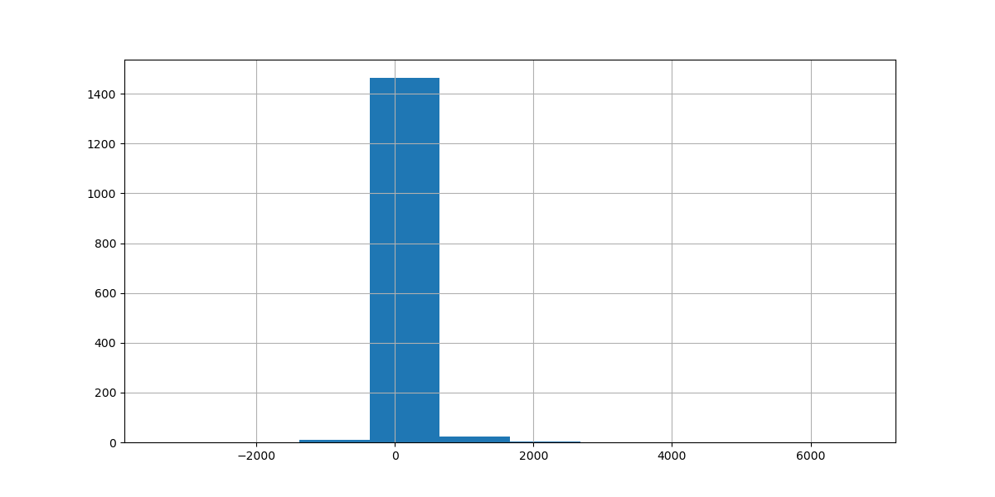
Category | Product Name | Profit
Accessories | AmazonBasics 3-Button USB Wired Mouse | 6.0114
 | Anker Ultra-Slim Mini Bluetooth 3.0 Wireless Keyboard | 13.7931
 | Belkin F8E887 USB Wired Ergonomic Keyboard | 6.8977
 | Belkin Standard 104 key USB Keyboard | 10.9425
 | Case Logic 2.4GHz Wireless Keyboard | -27.9944
 | Cherry 142-key Programmable Keyboard | 52.7692
 | Enermax Acrylux Wireless Keyboard | 36.852
 | Enermax Briskie RF Wireless Keyboard and Mouse Combo | 104.6808
 | First Data FD10 PIN Pad | 39.5
 | First Data TMFD35 PIN Pad | 89.964
 | HP Standard 104 key PS/2 Keyboard | 41.325
 | Hypercom P1300 Pinpad | 21.42
 | Imation Bio 2GB USBÂ Flash Drive ImationÂ Corp | 440.7648
 | Imation Bio 8GB USBÂ Flash Drive ImationÂ Corp | 249.36
 | ImationÂ 16GB Mini TravelDrive USB 2.0Â Flash Drive | 170.9508
 | ImationÂ 30456 USBÂ Flash DriveÂ 8GB | 8.832
 | ImationÂ 32GB Pocket Pro USB 3.0Â Flash DriveÂ - 32 GB - Black - 1 P ... | 29.95
 | ImationÂ 8GB Mini TravelDrive USB 2.0Â Flash Drive | 8.7551
 | ImationÂ 8gb Micro Traveldrive Usb 2.0Â Flash Drive | 4.95
 | ImationÂ Clip USBÂ flash driveÂ - 8 GB | -1.88
 | ImationÂ SecureÂ DriveÂ + Hardware Encrypted USBÂ flash driveÂ - 16 GB | 113.97
 | ImationÂ SwivelÂ Flash DriveÂ USBÂ flash driveÂ - 8 GB | 15.918
 | ImationÂ USB 2.0 SwivelÂ Flash DriveÂ USBÂ flash driveÂ - 4 GB - Pink | 6.363
 | Kensington Expert Mouse Optical USB Trackball for PC or Mac | 256.473
 | Kensington K72356US Mouse-in-a-Box USB Desktop Mouse | 75.4845
 | Kensington Orbit Wireless Mobile Trackball for PC and Mac | 64.7892
 | KeyTronicÂ 6101 Series -Â KeyboardÂ - Black | 56.5662
 | KeyTronicÂ E03601U1 -Â KeyboardÂ - Beige | 19.44
 | KeyTronicÂ KT400U2 -Â KeyboardÂ - Black | 18.504
 | Kingston Digital DataTraveler 16GB USB 2.0 | 28.819
 | Kingston Digital DataTraveler 32GB USB 2.0 | 7.119
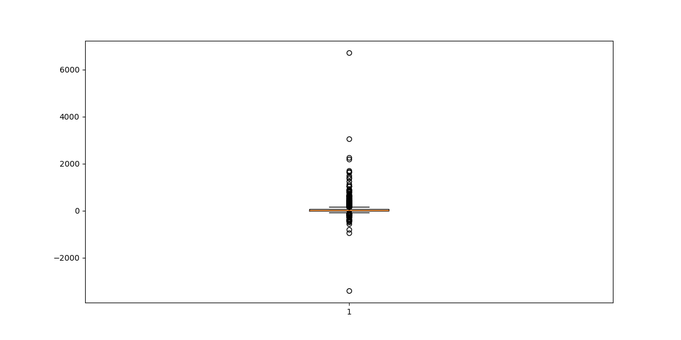
 | Kingston Digital DataTraveler 64GB USB 2.0 | 8.1072
 | Lenovo 17-Key USB Numeric Keypad | 1.3596
 | Logitech 910-002974 M325 Wireless Mouse for Web Scrolling | 179.94
 | Logitech ClearChat Comfort/USB Headset H390 | 28.9971
 | Logitech Desktop MK120 Mouse and keyboard Combo | 16.36
 | Logitech G13 Programmable Gameboard with LCD Display | 79.1901
 | Logitech G19 Programmable Gaming Keyboard | 267.8184
 | Logitech G35 7.1-Channel Surround Sound Headset | 441.966
 | Logitech G430 Surround Sound Gaming Headset with Dolby 7.1 Technology | 89.5888
 | Logitech G500s Laser Gaming Mouse with Adjustable Weight Tuning | 309.3558
 | Logitech G600 MMO Gaming Mouse | 259.1676
 | Logitech G602 Wireless Gaming Mouse | 143.982
 | Logitech G700s Rechargeable Gaming Mouse | 377.9622
 | Logitech Illuminated Ultrathin Keyboard with Backlighting | 70.0977
 | Logitech K350 2.4Ghz Wireless Keyboard | 60.7194
 | Logitech Keyboard K120 | -6.534
 | Logitech M510 Wireless Mouse | 26.3934
 | Logitech Media Keyboard K200 | 53.1848
 | Logitech Trackman Marble Mouse | 75.5748
 | Logitech Wireless Anywhere Mouse MX for PC and Mac | 47.992
 | Logitech Wireless Gaming Headset G930 | 177.5889
 | Logitech Wireless Headset H600 Over-The-Head Design | 88.1295
 | Logitech Wireless Headset h800 | 244.9755
 | Logitech Wireless Marathon Mouse M705 | 295.4409
 | Logitech Wireless Performance Mouse MX for PC and Mac | 113.9886
 | Logitech Wireless Touch Keyboard K400 | 55.2279
 | LogitechÂ Gaming G510s - Keyboard | 268.5684
 | LogitechÂ Illuminated - Keyboard | 431.928
 | LogitechÂ LS21 Speaker System - PC Multimedia - 2.1-CH - Wired | 6.7966
 | LogitechÂ MX Performance Wireless Mouse | 72.5998
 | LogitechÂ P710e Mobile Speakerphone | 1418.7699
 | LogitechÂ VX Revolution Cordless Laser Mouse for Notebooks (Black) | 21.5988
 | LogitechÂ Z-906 Speaker sys - home theater - 5.1-CH | 1715.948
 | Maxell 4.7GB DVD+RW 3/Pack | 11.151
 | Maxell 4.7GB DVD-R 5/Pack | 3.9204
 | Maxell 74 Minute CD-R Spindle, 50/Pack | 30.1968
 | Maxell 74 Minute CDR, 10/Pack | 25.3302
 | Maxell DVD-RAM Discs | 63.7776
 | MaxellÂ LTO Ultrium - 800 GB | 69.1353
 | Memorex 25GB 6X Branded Blu-Ray Recordable Disc, 15/Pack | 0.8495
 | Memorex 25GB 6X Branded Blu-Ray Recordable Disc, 30/Pack | -16.614
...

Filtered Profit
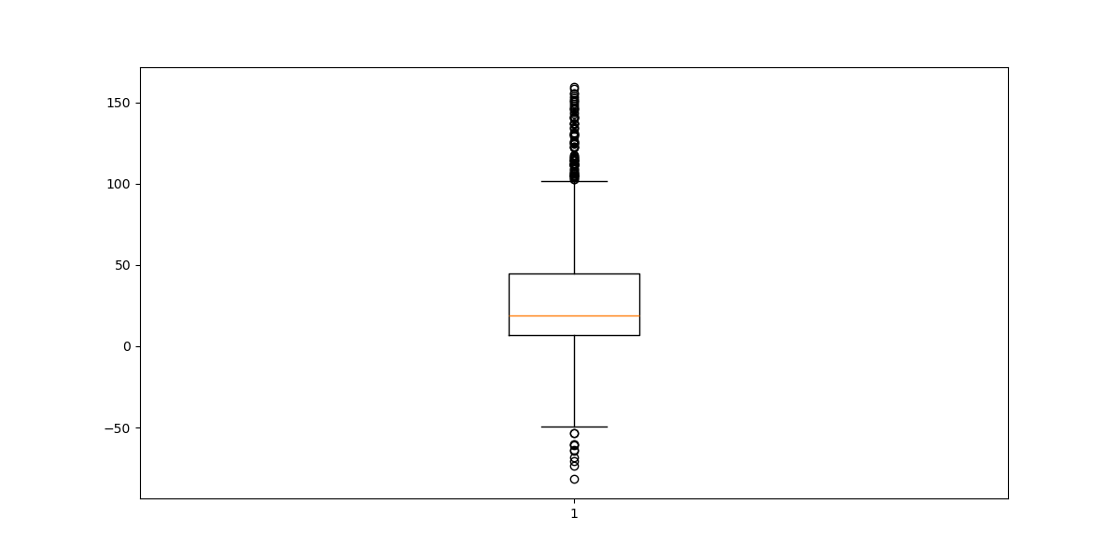
Category | Product Name | Profit
Accessories | AmazonBasics 3-Button USB Wired Mouse | 6.0114
 | Anker Ultra-Slim Mini Bluetooth 3.0 Wireless Keyboard | 13.7931
 | Belkin F8E887 USB Wired Ergonomic Keyboard | 6.8977
 | Belkin Standard 104 key USB Keyboard | 10.9425
 | Case Logic 2.4GHz Wireless Keyboard | -27.9944
 | Cherry 142-key Programmable Keyboard | 52.7692
 | Enermax Acrylux Wireless Keyboard | 36.852
 | Enermax Briskie RF Wireless Keyboard and Mouse Combo | 104.6808
 | First Data FD10 PIN Pad | 39.5
 | First Data TMFD35 PIN Pad | 89.964
 | HP Standard 104 key PS/2 Keyboard | 41.325
 | Hypercom P1300 Pinpad | 21.42
 | ImationÂ 30456 USBÂ Flash DriveÂ 8GB | 8.832
 | ImationÂ 32GB Pocket Pro USB 3.0Â Flash DriveÂ - 32 GB - Black - 1 P ... | 29.95
 | ImationÂ 8GB Mini TravelDrive USB 2.0Â Flash Drive | 8.7551
 | ImationÂ 8gb Micro Traveldrive Usb 2.0Â Flash Drive | 4.95
 | ImationÂ Clip USBÂ flash driveÂ - 8 GB | -1.88
 | ImationÂ SecureÂ DriveÂ + Hardware Encrypted USBÂ flash driveÂ - 16 GB | 113.97
 | ImationÂ SwivelÂ Flash DriveÂ USBÂ flash driveÂ - 8 GB | 15.918
 | ImationÂ USB 2.0 SwivelÂ Flash DriveÂ USBÂ flash driveÂ - 4 GB - Pink | 6.363
 | Kensington K72356US Mouse-in-a-Box USB Desktop Mouse | 75.4845
 | Kensington Orbit Wireless Mobile Trackball for PC and Mac | 64.7892
 | KeyTronicÂ 6101 Series -Â KeyboardÂ - Black | 56.5662
 | KeyTronicÂ E03601U1 -Â KeyboardÂ - Beige | 19.44
 | KeyTronicÂ KT400U2 -Â KeyboardÂ - Black | 18.504
 | Kingston Digital DataTraveler 16GB USB 2.0 | 28.819
 | Kingston Digital DataTraveler 32GB USB 2.0 | 7.119
 | Kingston Digital DataTraveler 64GB USB 2.0 | 8.1072
 | Lenovo 17-Key USB Numeric Keypad | 1.3596
 | Logitech ClearChat Comfort/USB Headset H390 | 28.9971
 | Logitech Desktop MK120 Mouse and keyboard Combo | 16.36
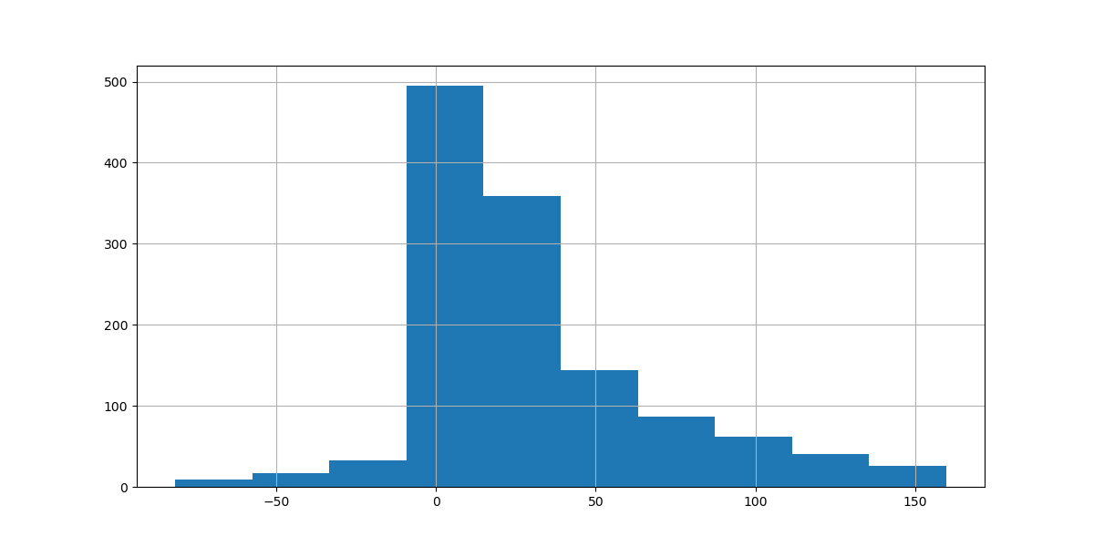
 | Logitech G13 Programmable Gameboard with LCD Display | 79.1901
 | Logitech G430 Surround Sound Gaming Headset with Dolby 7.1 Technology | 89.5888
 | Logitech G602 Wireless Gaming Mouse | 143.982
 | Logitech Illuminated Ultrathin Keyboard with Backlighting | 70.0977
 | Logitech K350 2.4Ghz Wireless Keyboard | 60.7194
 | Logitech Keyboard K120 | -6.534
 | Logitech M510 Wireless Mouse | 26.3934
 | Logitech Media Keyboard K200 | 53.1848
 | Logitech Trackman Marble Mouse | 75.5748
 | Logitech Wireless Anywhere Mouse MX for PC and Mac | 47.992
 | Logitech Wireless Headset H600 Over-The-Head Design | 88.1295
 | Logitech Wireless Performance Mouse MX for PC and Mac | 113.9886
 | Logitech Wireless Touch Keyboard K400 | 55.2279
 | LogitechÂ LS21 Speaker System - PC Multimedia - 2.1-CH - Wired | 6.7966
 | LogitechÂ MX Performance Wireless Mouse | 72.5998
 | LogitechÂ VX Revolution Cordless Laser Mouse for Notebooks (Black) | 21.5988
 | Maxell 4.7GB DVD+RW 3/Pack | 11.151
 | Maxell 4.7GB DVD-R 5/Pack | 3.9204
 | Maxell 74 Minute CD-R Spindle, 50/Pack | 30.1968
 | Maxell 74 Minute CDR, 10/Pack | 25.3302
 | Maxell DVD-RAM Discs | 63.7776
 | MaxellÂ LTO Ultrium - 800 GB | 69.1353
 | Memorex 25GB 6X Branded Blu-Ray Recordable Disc, 15/Pack | 0.8495
 | Memorex 25GB 6X Branded Blu-Ray Recordable Disc, 30/Pack | -16.614
 | Memorex Froggy Flash Drive 4 GB | 12.8583
 | Memorex Froggy Flash Drive 8 GB | 27.5125
 | Memorex Micro Travel Drive 16 GB | 71.6352
 | Memorex Micro Travel Drive 32 GB | 62.7972
 | Memorex Micro Travel Drive 8 GB | 30.55
 | Memorex Mini Travel Drive 16 GB USB 2.0 Flash Drive | 130.7943
 | Memorex Mini Travel Drive 32 GB USB 2.0 Flash Drive | 46.8
 | Memorex Mini Travel Drive 8 GB USB 2.0 Flash Drive | 18.0648
 | Micro Innovations USB RF Wireless Keyboard with Mouse | 63
 | Micropad Numeric Keypads | 36.9815
 | Microsoft Arc Touch Mouse | 91.124
 | Microsoft Natural Ergonomic Keyboard 4000 | 88.1706
 | Microsoft Natural Keyboard Elite | 50.898
 | Microsoft Sculpt Comfort Mouse | 123.046
 | Microsoft Wireless Mobile Mouse 4000 | 55.986
 | Perixx PERIBOARD-512B, Ergonomic Split Keyboard | 12.2465
 | Plantronics S12 Corded Telephone Headset System | 129.348
...

Pivot
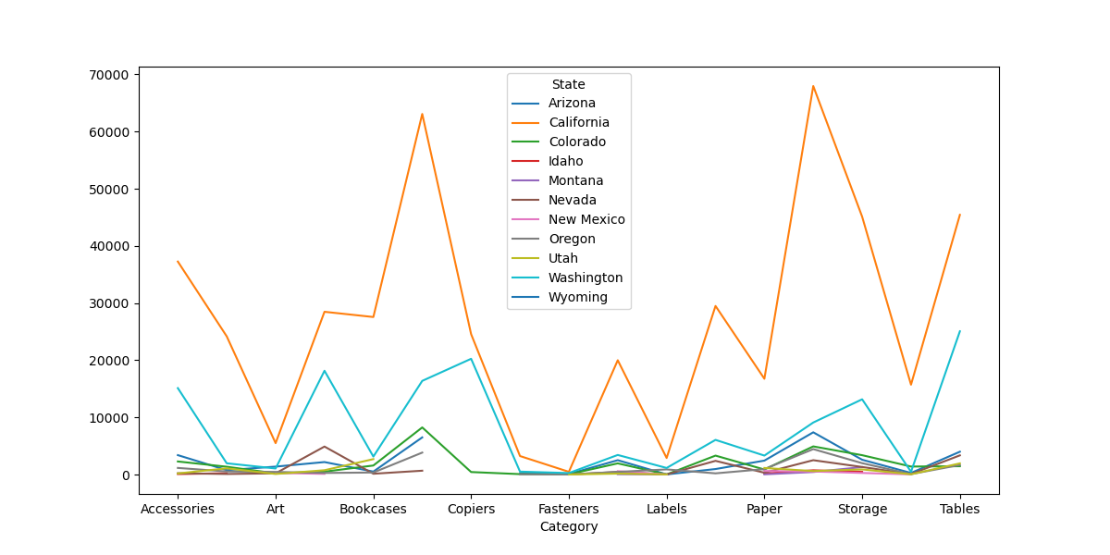
Machines | Paper | Phones | Storage | Supplies | Tables
965.949 | 2440.76 | 7388.776 | 2590.384 | 282.528 | 3995.35
29492.016 | 16757.95 | 67964.536 | 45112.29 | 15720.95 | 45430.232
3313.689 | 883.216 | 4924.656 | 3387.168 | 1403.4 | 1457.13
 | 172.86 | 747.528 | 477.15 |  | 1824.81
 | 41 | 445.544 | 1304.45
2396.4 | 317.78 | 2511.056 | 1325.85 | 86.2 | 3355.48
 | 625.78 | 534.128 | 279.66 | 29.56
209.916 | 953.352 | 4451.336 | 1991.12 | 76.744 | 1671.86
 | 1152.28 | 615.224 | 901.58 | 44.4 | 1957.38
6066.152 | 3318.74 | 9101.568 | 13163.2 | 483.34 | 25062.32
...

Time Series Sells
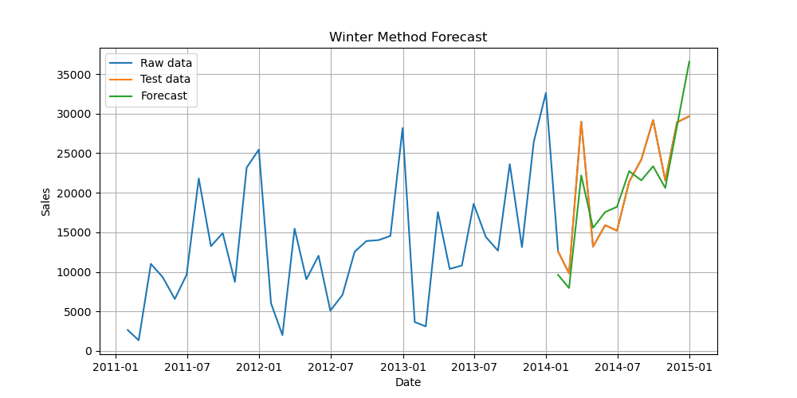
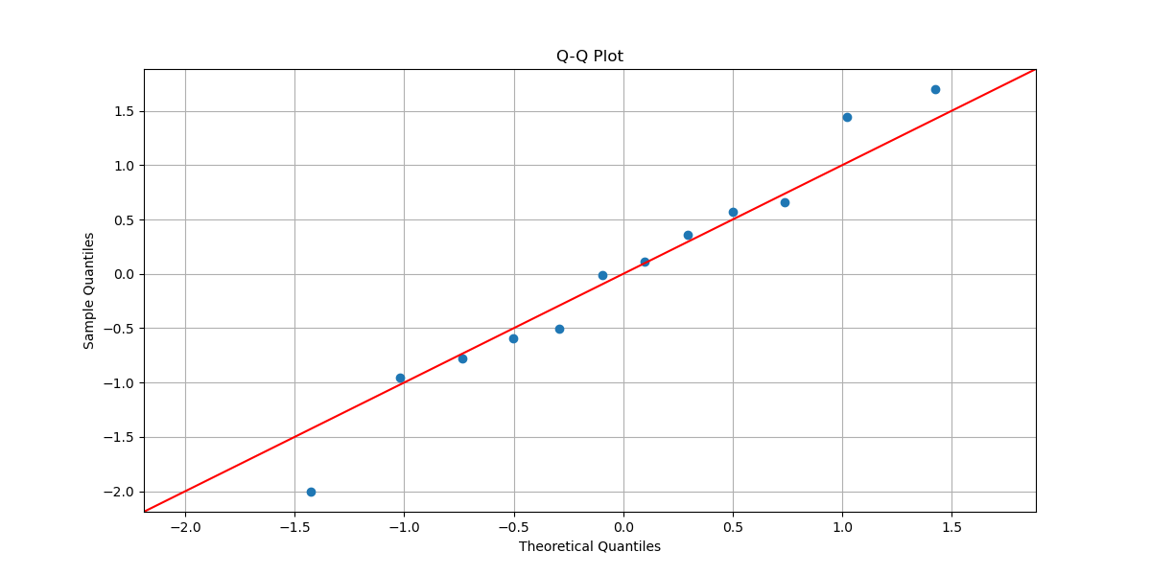
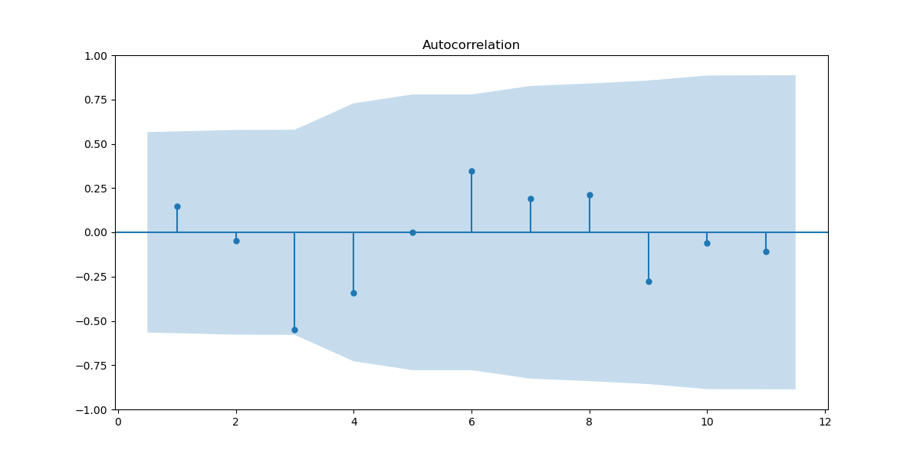
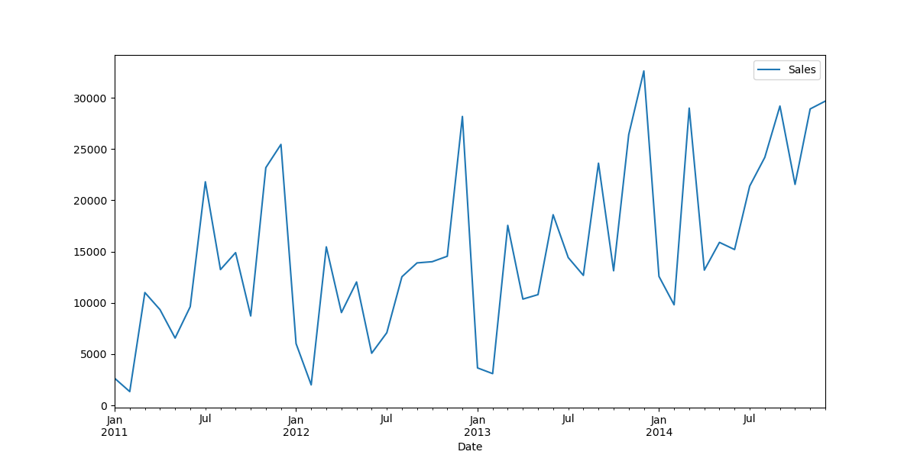
Date | Sales
2011-01-31 | 2648.057
2011-02-28 | 1348.622
2011-03-31 | 11008.898
2011-04-30 | 9343.487
2011-05-31 | 6570.438
2011-06-30 | 9629.422
2011-07-31 | 21808.553
2011-08-31 | 13248.231
2011-09-30 | 14900.537
2011-10-31 | 8728.758
2011-11-30 | 23191.6245
2011-12-31 | 25456.4055
2012-01-31 | 6026.736
2012-02-29 | 2004.914
2012-03-31 | 15461.412
2012-04-30 | 9056.024
2012-05-31 | 12042.6555
2012-06-30 | 5088.95
2012-07-31 | 7089.826
2012-08-31 | 12548.359
2012-09-30 | 13898.924
2012-10-31 | 14016.68
2012-11-30 | 14548.896
2012-12-31 | 28182.873
2013-01-31 | 3657.822
2013-02-28 | 3100.162
2013-03-31 | 17559.031
2013-04-30 | 10370.121
2013-05-31 | 10806.135
2013-06-30 | 18598.095
2013-07-31 | 14417.755
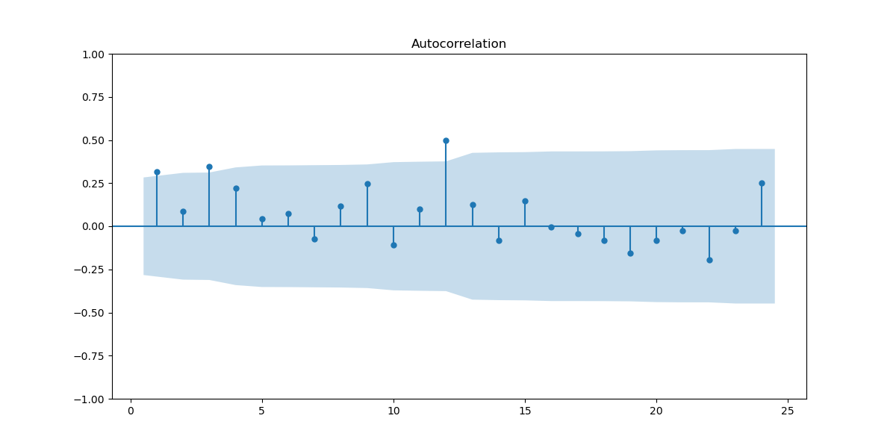
2013-08-31 | 12680.98
2013-09-30 | 23620.8765
2013-10-31 | 13135.354
2013-11-30 | 26412.345
2013-12-31 | 32617.34
2014-01-31 | 12586.004
2014-02-28 | 9814.917
2014-03-31 | 28994.398
2014-04-30 | 13196.953
2014-05-31 | 15901.646
2014-06-30 | 15203.0785
2014-07-31 | 21390.76
2014-08-31 | 24196.758
2014-09-30 | 29198.123
2014-10-31 | 21556.006
2014-11-30 | 28915.957
2014-12-31 | 29677.925

