Design_IVCOG
ESERCITAZIONE N.1

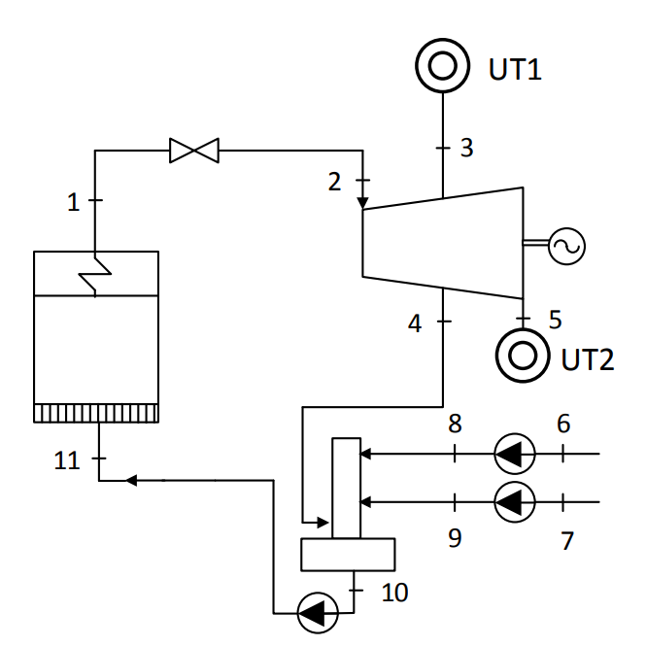
DATI:
UT1 | richiesta termica destinata a processi ospedalieri
UT2 | richiesta termica destinata a teleriscaldamento

condizioni nominali: 08.00-20.00 |  |  |  |  |  |  |  |  |  |  | H1 è un'estrazione di vapore COGENERATIVA
m_ut1=m3=m7 | 3 | kg/s |  |  |  |  |  |  |  |  | H2 è un'estrazione di vapore COGENERATIVA
m_ut2=m5=m6 | 7 | kg/s

 | condizioni sh
p_SH | p1 | 60 | bar
T_SH | t1 | 450 | °C
 | t2 | 450 | °C

 | pressioni
 | p2 | 60 | bar
p_sp1 | p3 | 8 | bar
p_sp2 | p4 | 8 | bar
 | p5 | 1.5 | bar

 | rendimenti tronchi di espansione
 | eta_I | 0.82 |  |  |  |  | [kg/kg_GVC] | [kg/s] | [bar] | [°C] | [kJ/kg] | [kJ/kgK] |  | [m3/kg]
 | eta_II | 0.8 |  |  |  |  | portata m/m1 | portata m | pressione p | temperatura T | entalpia h | entropia s | titolo x | volume specifico v
 |  |  |  |  |  | 1 | 1 | 12.541375 | 60 | 450 | 3302.7635382 | 6.7216337902 | 1 | 0.052168322781
 | rendimenti TV e pompe |  |  |  |  | 2 | 1 | 12.541375 | 60 | 450 | 3302.7635382 | 6.7216434705 | 1 | 0.052168322781 | espansioni turbina
 | eta_elmTV | 0.97 |  |  |  | 3is | 0.23920822079 | 3 | 8 | 181.16620622 | 2795.285725 | 6.7216434705 | 1 | 0.24800039676
 | eta_elmpompe | 0.97 |  |  |  | 3 | 0.23920822079 | 3 | 8 | 220.74497257 | 2886.6317314 | 6.9145532253 | 1 | 0.27452662741
 | eta_idrpompe | 0.75 |  |  |  | 4is | 0.20263926404 | 2.541375 | 8 | 181.16620622 | 2795.285725 | 6.7216434705 | 1 | 0.24800039676
 |  |  |  |  |  | 4 | 0.20263926404 | 2.541375 | 8 | 220.74497257 | 2886.6317314 | 6.9145532253 | 1 | 0.27452662741
 | ritorni condense |  |  |  |  | 5is | 0.55815251517 | 7 | 1.5 | 111.35004948 | 2574.5373166 | 6.9145532253 | 0.94673215818 | 1.0976570518
UT2 | p6 | 1 | bar |  |  | 5 | 0.55815251517 | 7 | 1.5 | 111.35004948 | 2636.9561995 | 7.0768902709 | 0.97477257618 | 1.1301364003
 | t6 | 65 | °C |  |  | 6 | 0.55815251517 | 7 | 1 | 65 | 272.14124587 | 0.89350046333 | 0 | 0.0010198199248 | compressioni
UT1 | p7 | 1 | bar |  |  | 7 | 0.23920822079 | 3 | 1 | 30 | 125.83250624 | 0.43676381553 | 0 | 0.0010043675273
 | t7 | 30 | °C |  |  | 8id | 0.55815251517 | 7 | 8 | 65.029562518 | 272.84500596 | 0.89350046333 | 0 | 0.0010195183157
 |  |  |  |  |  | 8 | 0.55815251517 | 7 | 8 | 65.087137046 | 273.07959266 | 0.89418306837 | 0 | 0.0010195508344
 | combustibile |  |  |  |  | 9id | 0.23920822079 | 3 | 8 | 30.013275326 | 126.52631426 | 0.43676381553 | 0 | 0.0010040579011 |  | verifica portata
 | Hi | 20 | MJ/kg |  |  | 9 | 0.23920822079 | 3 | 8 | 30.088751376 | 126.7575836 | 0.43777372469 | 0 | 0.0010040809325 |  | portata al gvc di tentativo | 12.541375
 |  | % massica |  | peso molecolare |  | 10 | 1 | 12.541375 | 8 | 170.41351081 | 721.01784842 | 2.0462109702 | 0 | 0.0011148168425 | degasatore | m4 tramite bilancio portata TV | 2.541375
 | C | 0.5 |  | 12 | kg/kmol | 11id | 1 | 12.541375 | 60 | 171.11065361 | 726.90539977 | 2.0462109702 | 0 | 0.0011116398526 | compressione | m4 tramite bilancio deg | 2.541374875
 | H2 | 0.06 |  | 2 | kg/kmol | 11 | 1 | 12.541375 | 60 | 171.58130815 | 728.86791688 | 2.0508216609 | 0 | 0.0011122345903 |  | errore | 0.00%
 | O2 | 0.35 |  | 32 | kg/kmol
 | H2O | 0.09 |  | 18 | kg/kmol
 |  |  |  |  |  | Prestazioni in condizioni di progetto
 | GVC |  |  |  |  | lavoro di compressione 6-8 |  |  |  |  | Wc,6-8 | 0.523740619 | KJ/kg_GVC
 | e | 30% |  |  |  | lavoro di compressione 7-9 |  |  |  |  | Wc,7-9 | 0.22128610978 | KJ/kg_GVC
 | eta_GVC | 0.9 |  |  |  | lavoro di compressione PA 10-11 |  |  |  |  | Wc,10-11 | 7.8500684616 | KJ/kg_GVC
 |  |  |  |  |  | lavoro specifico di compressione |  |  |  |  | Wc | 8.5950951904 | KJ/kg_GVC
 | Portate |  |  |  |  | lavoro di espansione I |  |  |  |  | We,1 | 416.13180684 | KJ/kg_GVC
 | m_ut1 | 3 | kg/s |  |  | lavoro di espansione II |  |  |  |  | We,2 | 139.35702609 | KJ/kg_GVC
 | m_ut2 | 7 | kg/s |  |  | lavoro specifico di espansione |  |  |  |  | We | 555.48883293 | KJ/kg_GVC

 |  |  |  |  |  | lavoro termodinamico |  |  |  |  | Wth | 546.89373774 | KJ/kg_GVC

 |  |  |  |  |  | potenza richiesta dalla pompa 6-8 |  |  |  |  |  | 0.00377957 | MW
 |  |  |  |  |  | potenza richiesta dalla pompa 7-9 |  |  |  |  |  | 0.00068439003025 | MW
 |  |  |  |  |  | potenza richiesta dalla PA 10-11 |  |  |  |  | P,pa | 0.10149551789 | MW
 |  |  |  |  |  | potenza totale richiesta dalle pompe |  |  |  |  | P,pompe | 0.10595948 | MW
 |  |  |  |  |  | potenza totale generata dalla turbina |  |  |  |  | P,TV | 6.9665937621 | MW

 |  |  |  |  |  | potenza elettrica generata |  |  |  |  | Pel | 6.6516364698 | MW

 |  |  |  |  |  | potenza termica utile UT1 |  |  |  |  | H1 | 8.2823976755 | MW
 |  |  |  |  |  | potenza termica utile UT2 |  |  |  |  | H2 | 16.553704676 | MW
 |  |  |  |  |  | potenza termica utile d'impianto cogenerativa |  |  |  |  | H3 | 24.836102351 | MW

 |  |  |  |  |  | portata di vapore prodotta dal GVC |  |  |  |  | m1 | 12.541375 | kg/s

 |  |  |  |  |  | rapporto stechiometrico aria/combustibile |  |  |  |  | αST | 6.3623188406
 |  |  |  |  |  | rapporto aria/combustibile |  |  |  |  | α | 8.2710144928
 |  |  |  |  |  | portata di combustibile |  |  |  |  | mc | 1.7933438999 | kg/s
 |  |  |  |  |  | portata d'aria |  |  |  |  | ma | 14.832773387 | kg/s
 |  |  |  |  |  | portata dei fumi nel GVC |  |  |  |  | mf | 16.626117287 | kg/s
 |  |  |  |  |  | potenza termica da combustibile in ingresso |  |  |  |  | Qcomb | 35.866877998 | MW
 |  |  |  |  |  | rapporto tra potenza termica utile e potenza elettrica prodotta |  |  |  |  | H/E | 3.7338333903

 |  |  |  |  |  | perdite per attrito elettro-meccanico |  |  |  |  | Pelm | 0.20899781 | MW

 |  |  |  |  |  | PRESTAZIONI CAR in condizioni di progetto
 |  |  |  |  |  | operatività annua |  |  |  |  |  | 330 | g/a
 |  |  |  |  |  | ore di funzionamento |  |  |  |  |  | 12 | h/g

 |  |  |  |  |  | ore di funzionamento annuo |  |  |  |  |  | 3960 | h

 |  |  |  |  |  | portata di vapore annua prodotta dal gvc |  |  |  |  |  | 178.789842 | kton
 |  |  |  |  |  | energia elettrica prodotta |  |  |  |  | E | 26.346020448 | GWh

 |  |  |  |  |  | portata di combustibile in ingresso |  |  |  |  |  | 25.565910637 | kton
 |  |  |  |  |  | energia termica da combustibile CHP |  |  |  |  | F,CHP | 142.03283687 | GWh

 |  |  |  |  |  | portata di vapore all'utenza H1 |  |  |  |  |  | 42.768 | kton
 |  |  |  |  |  | energia termica utile diretta all'utenza H1 |  |  |  |  | H1 | 32.798294795 | GWh

 |  |  |  |  |  | portata di vapore all'utenza H2 |  |  |  |  |  | 99.792 | kton
 |  |  |  |  |  | energia termica utile diretta all'utenza H2 |  |  |  |  | H2 | 65.552670516 | GWh

 |  |  |  |  |  | energia termica utile CHP |  |  |  |  | H,CHP | 98.350965311 | GWh

 |  |  |  |  |  | rendimento globale |  |  |  |  | eta,g | 87.79%
 |  |  |  |  |  | rendimento di soglia |  |  |  |  | eta,soglia | 80%
 |  |  |  |  |  | POSSO PROCEDERE AL CALCOLO DEL PES

 |  |  |  |  |  | rendimento elettrico |  |  |  |  | eta,E | 18.55%

 |  |  |  |  |  | rendimento termico |  |  |  |  | eta,H | 69.25%

 |  |  |  |  |  | Per il calcolo del beta:

 |  |  |  |  |  | Il vapore destinato all'utenza H1 è estratto dalla turbina a vapore e va a costituire una perdita di produzione di energia elettrica per soddisfare la richiesta termica, quindi rientra nel calcolo del beta
 |  |  |  |  |  | Il vapore estratto dalla TV e impiegato per l'alimentazione del degasatore è un flusso che non compare nel calcolo del beta
 |  |  |  |  |  | Il vapore destinato all'utenza H2 è estratto a valle della turbina, ovvero è vapore che ha interamente partecipato alla produzione di energia elettrica ed in più soddisfa le richieste termiche dell'utenza H2, quindi non rientra nel calcolo del beta

 |  |  |  |  |  | entalpia di riferimento a 1.013 bar e 15°C |  |  |  |  | h,rif | 63.079007639 | kJ/kg
 |  |  |  |  |  | fattore correttivo Kp |  |  |  |  | Kp
 |  |  |  |  |  | beta |  |  |  |  | β

 |  |  |  |  |  | rendimento elettrico equivalente |  |  |  |  | etaE,eq | 18.55%

 |  |  |  |  |  | rendimento elettrico di riferimento |  |  |  |  | etarif,E | 37%
 |  |  |  |  |  | rendimento termico di riferimento |  |  |  |  | etarif,H | 85%
 |  |  |  |  |  | PES |  |  |  |  | PES
 |  |  |  |  |  | PES minimo |  |  |  |  | PES minimo

 |  |  |  |  |  | Emissioni annue di CO2
 |  |  |  |  |  | massa di combustibile in ingresso |  |  |  |  |  |  | kton/a

 |  |  |  |  |  | massa di carbonio totale nel combustibile |  |  |  |  | mC |  | kton/a
 |  |  |  |  |  | moli totali di carbonio nel combustibile |  |  |  |  | molC |  | Gmol/a
 |  |  |  |  |  | moli totali di anidride carbonica nei fumi |  |  |  |  | molCO2 |  | Gmol/a

 |  |  |  |  |  | emissioni annue di CO2 |  |  |  |  | mCO2 |  | ton/a

