Table 1

Indian Institute of Technology Kharagpur Central Time Table Spring Semester (2019– 2020) January 21, 2020
TABLE OF CONTENTS
No. | Item | Page No.
1 | Important aspects of the Spring 2019-2020 Time Table | 1
2 | Time Table Slotting Pattern | 2
3 | First year Curriculum | 3
4 | Section wise time table for 20 sections of first year | 4-23
5 | Common Subjects/Breadth/HSS/Management Slot Indication (2nd year and above) | 24-28
6 | Slot & Room Allocation for common subjects (2nd year and above) | 29-35
 Important aspects of the Spring 2019-20 Time Table 1. In view of the increased student strength, first year has been subdivided into 20 Sections. 2. Deviating from the single section model, first year Mechanics, like the other theory subjects of first year, will be offered in 5 groups, with two sections merged into a single group. This is as per the request of the Department. 3. For second year and above, slots for Breadth/HSS/Management subjects have been indicated. Academic Units must ensure atleast two out of the three designated breadth slots are available for students. 4. Academic Units must schedule all subjects strictly in accordance with the time table slotting pattern. If cross slotting has to be done due to compelling reasons, then it can be done only with one hour of ‘S’ slot along with a regular 3 hour slot. 5. Faculty members requiring Audio -Visual facility should inform Audio-Visual Cell separately. 6. Room Allocation- a. PIC CTT is responsible for central class room allocation for regular UG/PG/Research courses, only on class days from 8 AM- 6PM. b. Class room allocation for any other activity including special classes/tests on weekends/closed holidays and outside class hours on class days is handled by the Academic Section. 7. Queries/Clarifications regarding Central Time Table may please be sent to "Professor In Charge Central Time Table" pic.ctt@adm.iitkgp.ernet.in.
(Debalay Chakrabarti) Professor-in-Charge, Central Time Table Department of Metallurgy and Materials Engineering
Posted in apna.iitkgp.ac.in
Central Time Table Spring 2019– 2020, First Version Updated - 27 November 2019 1
CENTRAL TIMETABLE: SPRING SEMESTER (2019– 2020) TABLE-1 - TIME TABLE SLOTTING PATTERN

Table 4
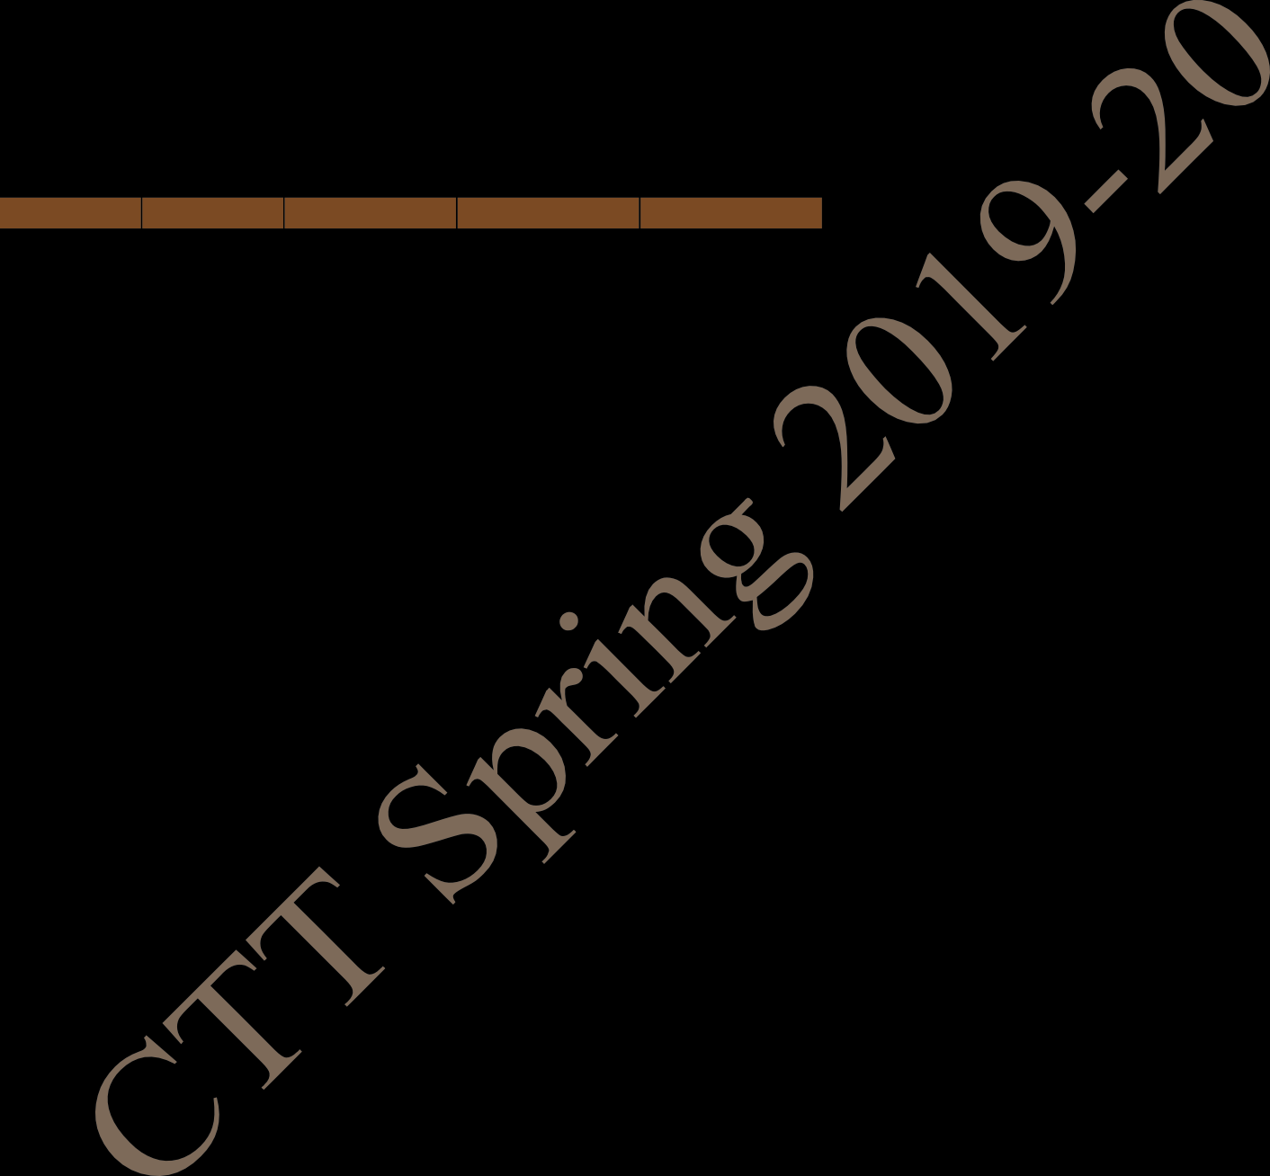
FIRST YEAR TIME TABLE FOR SECTION 1 SPRING SEMESTER 2019 – 2020
Period | 1 | 2 | 3 | 4 | 5 | L U N C H H O U R | 6 | 7 | 8 | 9
Time Day | 8:00 AM - 8:55 AM | 9:00 AM - 9:55 AM | 10:00 AM - 10:55 AM | 11:00 AM - 11:55 AM | 12:00 Noon - 12:55 PM |  | 2:00 PM - 2:55 PM | 3:00 PM - 3:55 PM | 4:00 PM - 4:55 PM | 5:00 PM - 5:55 PM
MON | CS NR122 |  |  | MA NR122 | PH NR122 |  |  | ME NR122
TUE | MA NR122 |  | PH NR122 |  | CS NR122 |  |  | ME NR122 | ME(T) NR122
WED |  |  |  |  |  |  | PROGAMMING AND DATA STRUCTURE LAB (In CIC Lab.)
THU |  | PHYSICS LAB (In Sir J C Bose Laboratory Complex) |  |  |  |  |  | MA(T) NC121,NC122 | PH(T) NC121, NC122
FRI | ENGG. DRAWING AND COMPUTER GRAPHICS (S301)
SAT | EAA
MA: Mathematics II PH: Physics CS: Programming & Data Structure ME: Mechanics EAA: Extra Academic Activity (T)- in brackets means Tutorial for that subject
Central Time Table Spring 2019– 2020, First Version Updated - 27 November 2019 4

Table 5
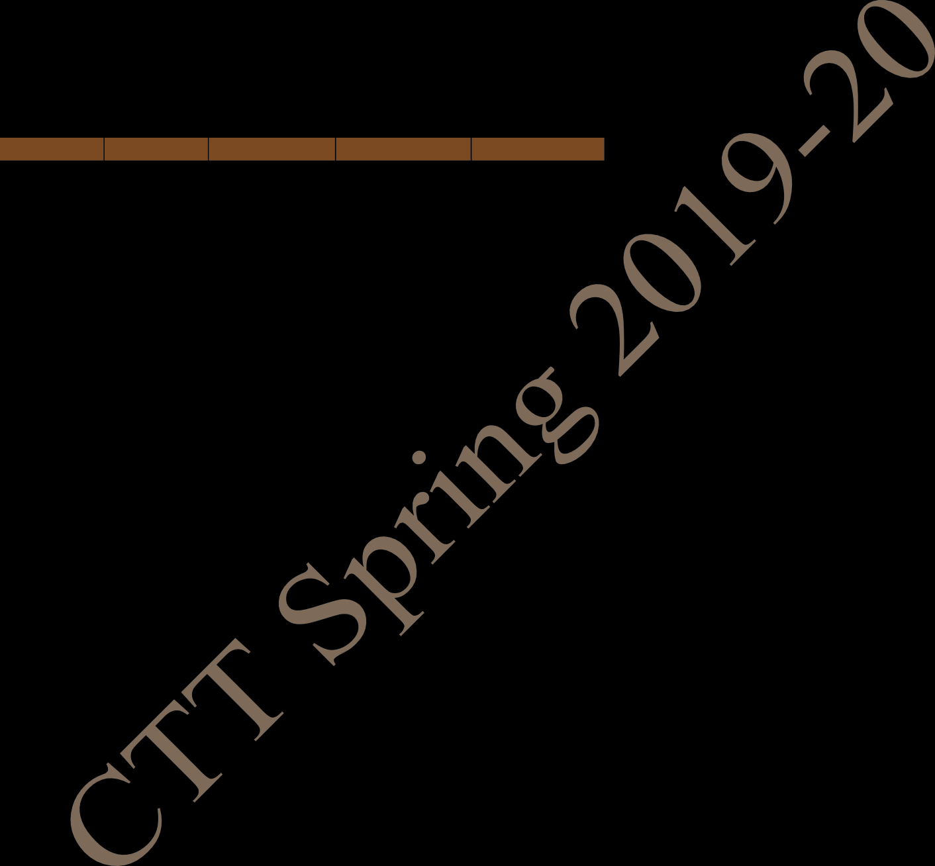
FIRST YEAR TIME TABLE FOR SECTION 2 SPRING SEMESTER 2019 – 2020
Period | 1 | 2 | 3 | 4 | 5 | L U N C H H O U R | 6 | 7 | 8 | 9
Time Day | 8:00 AM - 8:55 AM | 9:00 AM - 9:55 AM | 10:00 AM - 10:55 AM | 11:00 AM - 11:55 AM | 12:00 Noon - 12:55 PM |  | 2:00 PM - 2:55 PM | 3:00 PM - 3:55 PM | 4:00 PM - 4:55 PM | 5:00 PM - 5:55 PM
MON | CS NR122 |  |  | MA NR122 | PH NR122 |  |  | ME NR122
TUE | MA NR122 |  | PH NR122 |  | CS NR122 |  |  | ME NR122 | ME(T) NR122
WED |  |  | MA(T) NC121,NC122 | PH(T) NC121, NC122 |  |  | ENGG. DRAWING AND COMPUTER GRAPHICS (S301)
THU | PROGAMMING AND DATA STRUCTURE LAB (In CIC Lab.)
FRI |  | PHYSICS LAB (In Sir J C Bose Laboratory Complex)
SAT | EAA
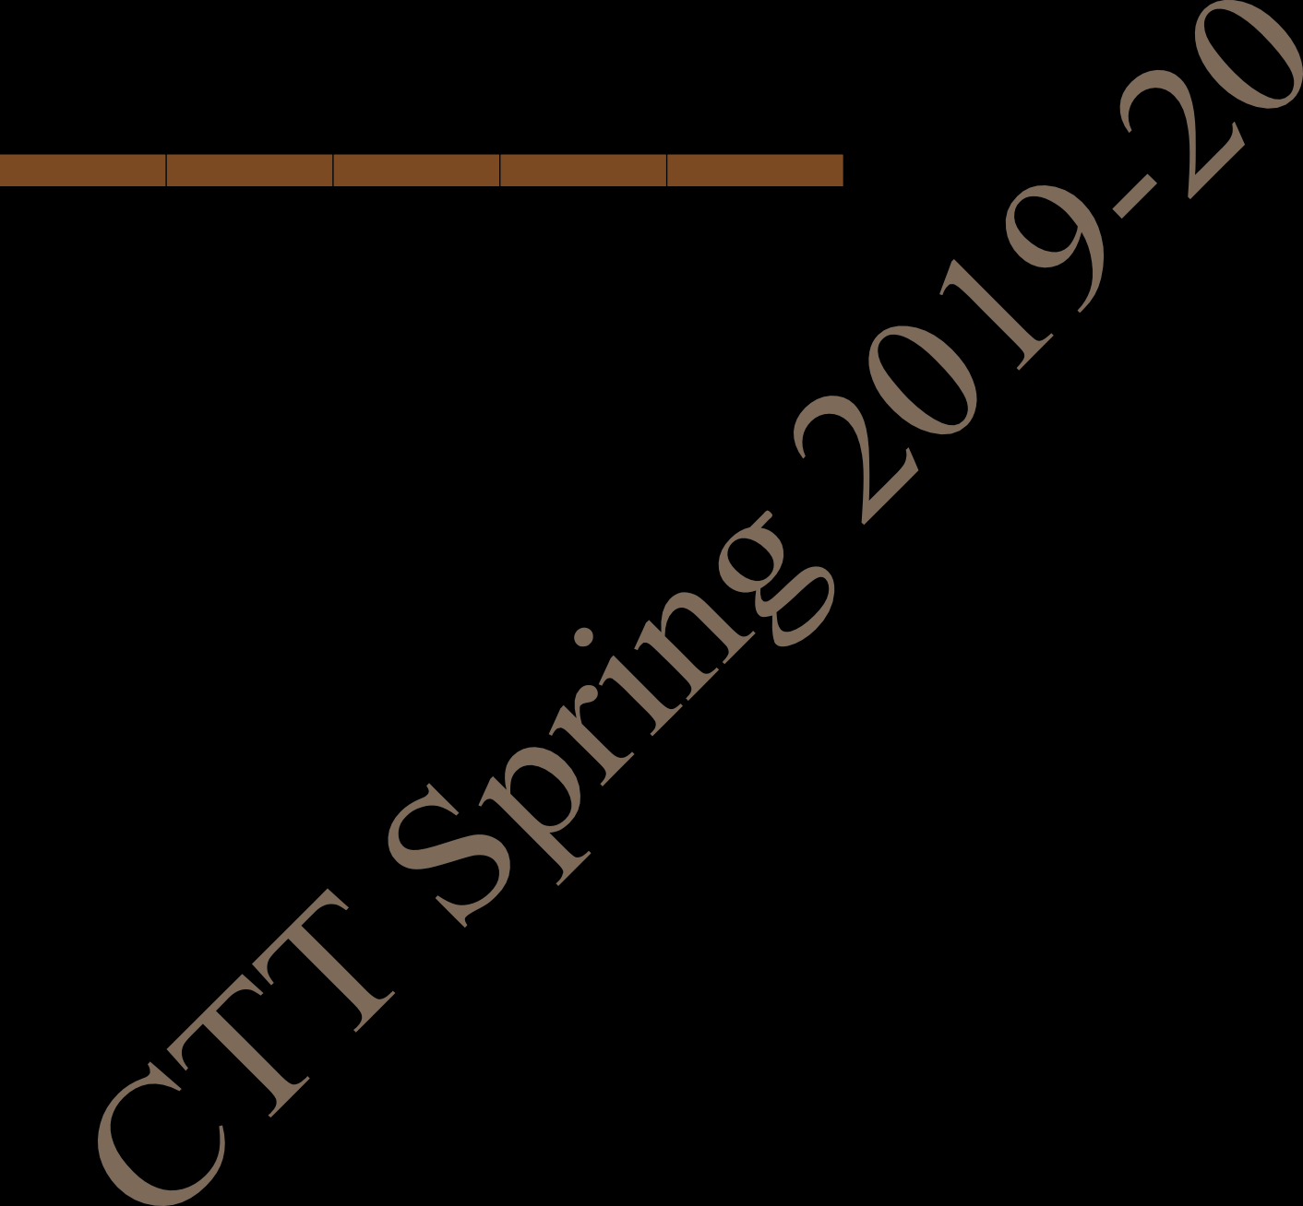
MA: Mathematics II PH: Physics CS: Programming & Data Structure ME: Mechanics EAA: Extra Academic Activity (T)- in brackets means Tutorial for that subject
Central Time Table Spring 2019– 2020, First Version Updated - 27 November 2019 5
FIRST YEAR TIME TABLE FOR SECTION 3 SPRING SEMESTER 2019 – 2020

Table 6
Period | 1 | 2 | 3 | 4 | 5 | L U N C H H O U R | 6 | 7 | 8 | 9
Time Day | 8:00 AM - 8:55 AM | 9:00 AM - 9:55 AM | 10:00 AM - 10:55 AM | 11:00 AM - 11:55 AM | 12:00 Noon - 12:55 PM |  | 2:00 PM - 2:55 PM | 3:00 PM - 3:55 PM | 4:00 PM - 4:55 PM | 5:00 PM - 5:55 PM
MON | CS NR222 |  |  | MA NR222 | PH NR222 |  |  | ME NR222
TUE | MA NR222 |  | PH NR222 |  | CS NR222 |  |  | ME NR222 | ME(T) NR222
WED |  | PHYSICS LAB (In Sir J C Bose Laboratory Complex)
THU |  |  |  |  |  |  | PROGAMMING AND DATA STRUCTURE LAB (In CIC Lab.)
FRI |  |  | PH(T) NC121,NC122 | MA(T) NC121,NC122 |  |  | ENGG. DRAWING AND COMPUTER GRAPHICS (S301)
SAT | EAA
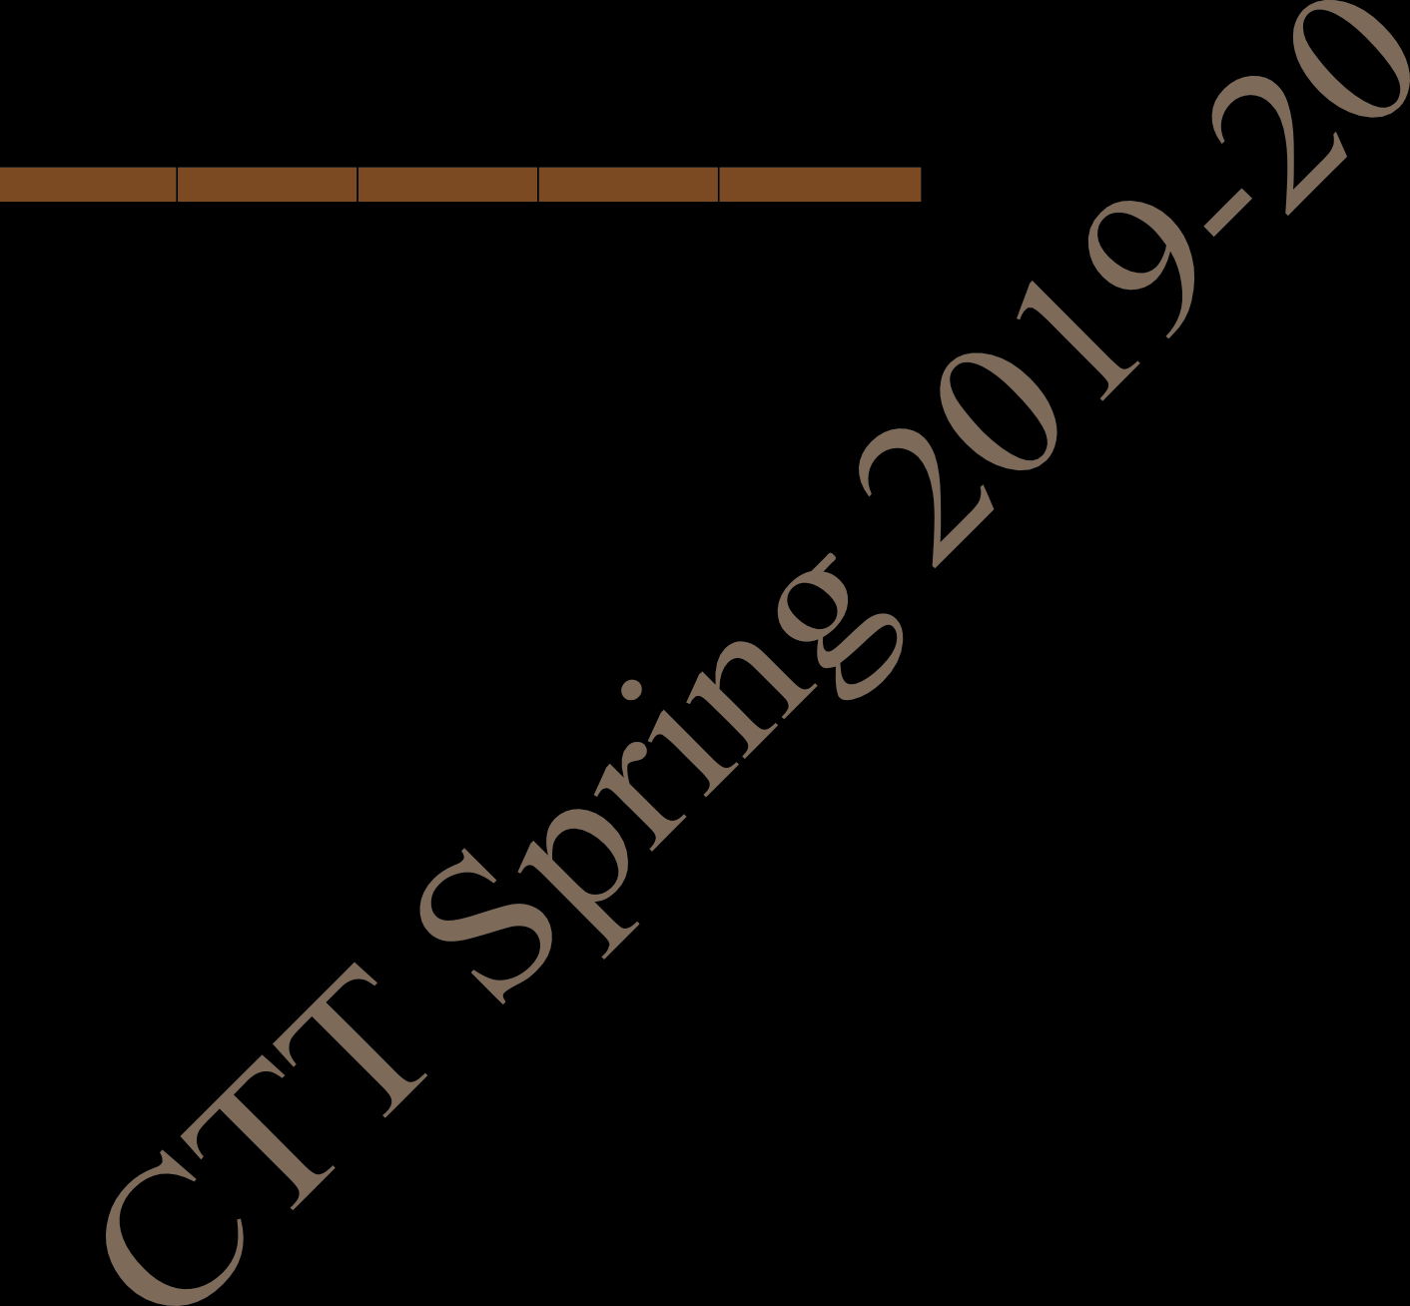
MA: Mathematics II PH: Physics CS: Programming & Data Structure ME: Mechanics EAA: Extra Academic Activity (T)- in brackets means Tutorial for that subject
Central Time Table Spring 2019– 2020, First Version Updated - 27 November 2019 6
FIRST YEAR TIME TABLE FOR SECTION 4 SPRING SEMESTER 2019 – 2020

Table 7
Period | 1 | 2 | 3 | 4 | 5 | L U N C H H O U R | 6 | 7 | 8 | 9
Time Day | 8:00 AM - 8:55 AM | 9:00 AM - 9:55 AM | 10:00 AM - 10:55 AM | 11:00 AM - 11:55 AM | 12:00 Noon - 12:55 PM |  | 2:00 PM - 2:55 PM | 3:00 PM - 3:55 PM | 4:00 PM - 4:55 PM | 5:00 PM - 5:55 PM
MON | CS NR222 |  |  | MA NR222 | PH NR222 |  |  | ME NR222
TUE | MA NR222 |  | PH NR222 |  | CS NR222 |  |  | ME NR222 | ME(T) NR222
WED | PROGAMMING AND DATA STRUCTURE LAB (In CIC Lab.)
THU |  |  |  |  |  |  | PHYSICS LAB (In Sir J C Bose Laboratory Complex)
FRI | PH(T) NC121, NC122 | MA(T) NC121, NC122 |  |  |  |  | ENGG. DRAWING AND COMPUTER GRAPHICS (S302)
SAT | EAA
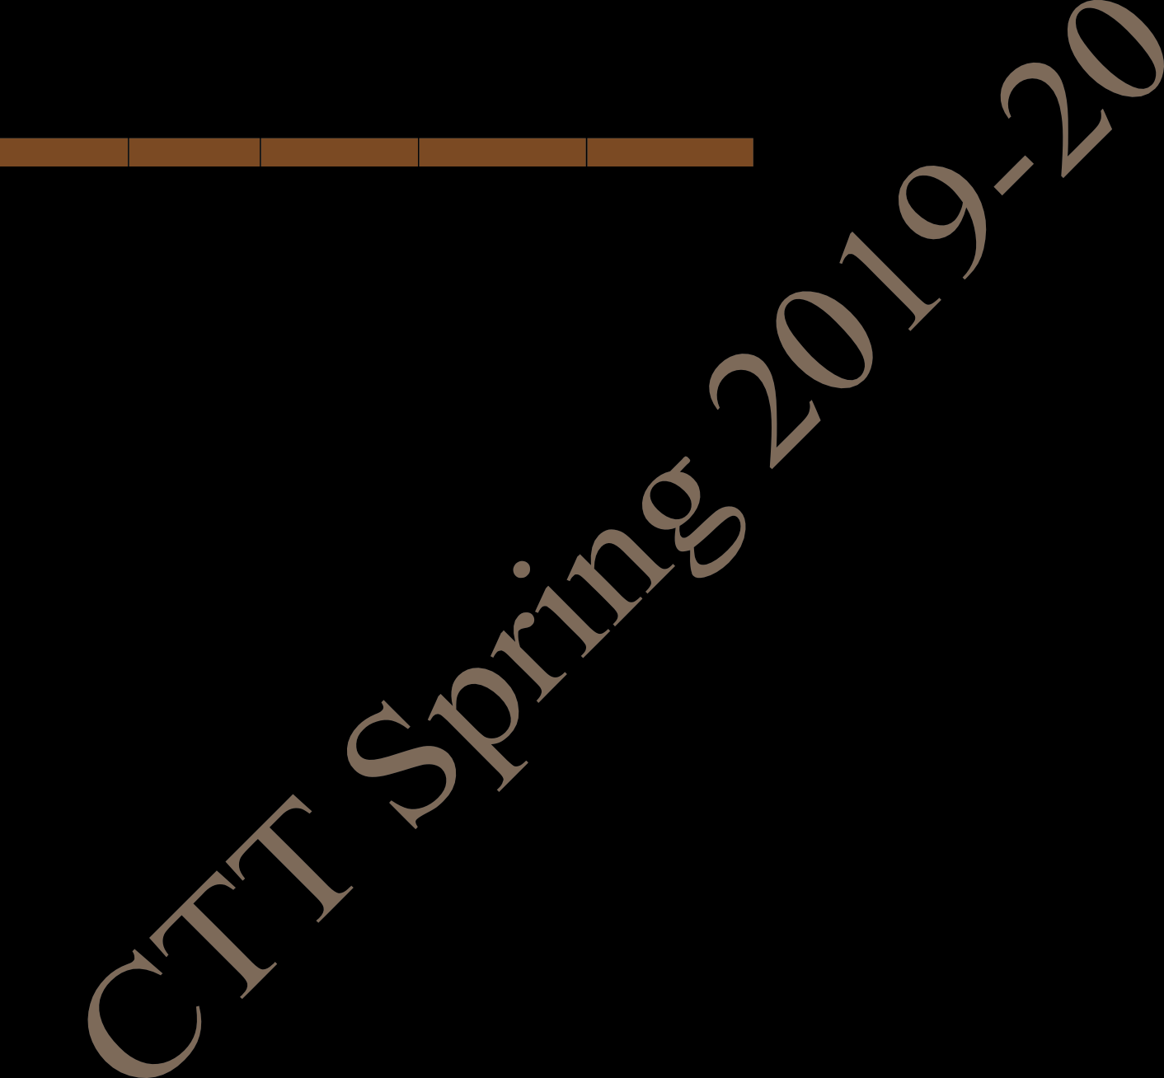
MA: Mathematics II PH: Physics CS: Programming & Data Structure ME: Mechanics EAA: Extra Academic Activity (T)- in brackets means Tutorial for that subject
Central Time Table Spring 2019– 2020, First Version Updated - 27 November 2019 7
FIRST YEAR TIME TABLE FOR SECTION 5 SPRING SEMESTER 2019 – 2020

Table 8
Period | 1 | 2 | 3 | 4 | 5 | L U N C H H O U R | 6 | 7 | 8 | 9
Time Day | 8:00 AM -8:55 AM | 9:00 AM - 9:55 AM | 10:00 AM - 10:55 AM | 11:00 AM - 11:55 AM | 12:00 Noon - 12:55 PM |  | 2:00 PM - 2:55 PM | 3:00 PM - 3:55 PM | 4:00 PM - 4:55 PM | 5:00 PM - 5:55 PM
MON | CS NR121 |  |  | MA NR121 | PH NR121 |  |  | ME NR121
TUE | MA NR121 |  | PH NR121 |  | CS NR121 |  |  | ME NR121 | ME(T) NR121
WED |  |  |  |  |  |  | PHYSICS LAB (In Sir J C Bose Laboratory Complex)
THU |  |  | PH(T) NC121,NC122 | MA(T) NC121,NC122
FRI | ENGG. DRAWING AND COMPUTER GRAPHICS (S302) |  |  |  |  |  | PROGAMMING AND DATA STRUCTURE LAB (In CIC Lab.)
SAT | EAA

MA: Mathematics II PH: Physics CS: Programming & Data Structure ME: Mechanics EAA: Extra Academic Activity (T)- in brackets means Tutorial for that subject
Central Time Table Spring 2019– 2020, First Version Updated - 27 November 2019 8
FIRST YEAR TIME TABLE FOR SECTION 6 SPRING SEMESTER 2019 – 2020

Table 10

FIRST YEAR TIME TABLE FOR SECTION 7 SPRING SEMESTER 2019 – 2020
Period | 1 | 2 | 3 | 4 | 5 | L U N C H H O U R | 6 | 7 | 8 | 9
Time Day | 8:00 AM - 8:55 AM | 9:00 AM - 9:55 AM | 10:00 AM - 10:55 AM | 11:00 AM - 11:55 AM | 12:00 Noon - 12:55 PM |  | 2:00 PM - 2:55 PM | 3:00 PM - 3:55 PM | 4:00 PM - 4:55 PM | 5:00 PM - 5:55 PM
MON | ENGG. DRAWING AND COMPUTER GRAPHICS (S301) |  |  |  |  |  | PROGAMMING AND DATA STRUCTURE LAB (In CIC Lab.)
TUE |  |  | MA(T) NC121, NC122 | PH(T) NC121, NC122 |  |  | PHYSICS LAB (In Sir J C Bose Laboratory Complex)
WED |  |  |  | MA NR122 | ME NR122
THU |  | CS NR122 |  | ME NR122 | MA NR122 |  |  | PH NR122
FRI | MA NR122 | ME NR122 | ME(T) NR122 | CS NR122 |  |  |  | PH NR122
SAT | EAA
MA: Mathematics II PH: Physics CS: Programming & Data Structure ME: Mechanics EAA: Extra Academic Activity (T)- in brackets means Tutorial for that subject
Central Time Table Spring 2019– 2020, First Version Updated - 27 November 2019 10

Table 11

FIRST YEAR TIME TABLE FOR SECTION 8 SPRING SEMESTER 2019 – 2020
Period | 1 | 2 | 3 |  | 4 | 5 | L U N C H H O U R | 6 | 7 | 8 | 9
Time Day | 8:00 AM - 8:55 AM | 9:00 AM - 9:55 AM | 10:00 AM - 10:55 AM |  | 11:00 AM - 11:55 AM | 12:00 Noon - 12:55 PM |  | 2:00 PM - 2:55 PM | 3:00 PM - 3:55 PM | 4:00 PM - 4:55 PM | 5:00 PM - 5:55 PM
MON |  | PHYSICS LAB (In Sir J C Bose Laboratory Complex) |  |  |  |  |  | ENGG. DRAWING AND COMPUTER GRAPHICS (S301)
TUE |  | MA(T) NC121,NC122 |  |  |  |  |  | PROGAMMING AND DATA STRUCTURE LAB (In CIC Lab.)
WED |  | PH(T) NC121,NC122 |  |  | MA NR122 | ME NR122
THU |  | CS NR122 |  |  | ME NR122 | MA NR122 |  |  | PH NR122
FRI | MA NR122 | ME NR122 |  | ME(T) NR122 | CS NR122 |  |  |  | PH NR122
SAT | EAA
MA: Mathematics II PH: Physics CS: Programming & Data Structure ME: Mechanics EAA: Extra Academic Activity (T)- in brackets means Tutorial for that subject
Central Time Table Spring 2019– 2020, First Version Updated - 27 November 2019 11

Table 12

FIRST YEAR TIME TABLE FOR SECTION 9 SPRING SEMESTER 2019 – 2020
Period | 1 | 2 | 3 | 4 | 5 | L U N C H H O U R | 6 | 7 | 8 | 9
Time Day | 8:00 AM - 8:55 AM | 9:00 AM - 9:55 AM | 10:00 AM - 10:55 AM | 11:00 AM - 11:55 AM | 12:00 Noon - 12:55 PM |  | 2:00 PM - 2:55 PM | 3:00 PM - 3:55 PM | 4:00 PM - 4:55 PM | 5:00 PM - 5:55 PM
MON | PROGAMMING AND DATA STRUCTURE LAB (In CIC Lab.) |  |  |  |  |  | ENGG. DRAWING AND COMPUTER GRAPHICS (S302)
TUE |  | PHYSICS LAB (In Sir J C Bose Laboratory Complex) |  |  |  |  |  | PH(T) NC121,NC122 | MA(T) NC121,NC122
WED |  |  |  | MA NR222 | ME NR222
THU |  | CS NR222 |  | ME NR222 | MA NR222 |  |  | PH NR222
FRI | MA NR222 | ME NR222 | ME(T) NR222 | CS NR222 |  |  |  | PH NR222
SAT | EAA
MA: Mathematics II PH: Physics CS: Programming & Data Structure ME: Mechanics EAA: Extra Academic Activity (T)- in brackets means Tutorial for that subject
Central Time Table Spring 2019– 2020, First Version Updated - 27 November 2019 12

Table 13

FIRST YEAR TIME TABLE FOR SECTION 10 SPRING SEMESTER 2019 – 2020
Period | 1 | 2 | 3 | 4 | 5 | L U N C H H O U R | 6 | 7 | 8 | 9
Time Day | 8:00 AM - 8:55 AM | 9:00 AM - 9:55 AM | 10:00 AM - 10:55 AM | 11:00 AM - 11:55 AM | 12:00 Noon - 12:55 PM |  | 2:00 PM - 2:55 PM | 3:00 PM - 3:55 PM | 4:00 PM - 4:55 PM | 5:00 PM - 5:55 PM
MON | ENGG. DRAWING AND COMPUTER GRAPHICS (S302) |  |  |  |  |  | PHYSICS LAB (In Sir J C Bose Laboratory Complex)
TUE | PROGAMMING AND DATA STRUCTURE LAB (In CIC Lab.)
WED |  |  |  | MA NR222 | ME NR222 |  |  | MA(T) NC121, NC122 | PH(T) NC121, NC122
THU |  | CS NR222 |  | ME NR222 | MA NR222 |  |  | PH NR222
FRI | MA NR222 | ME NR222 | ME(T) NR222 | CS NR222 |  |  |  | PH NR222
SAT | EAA
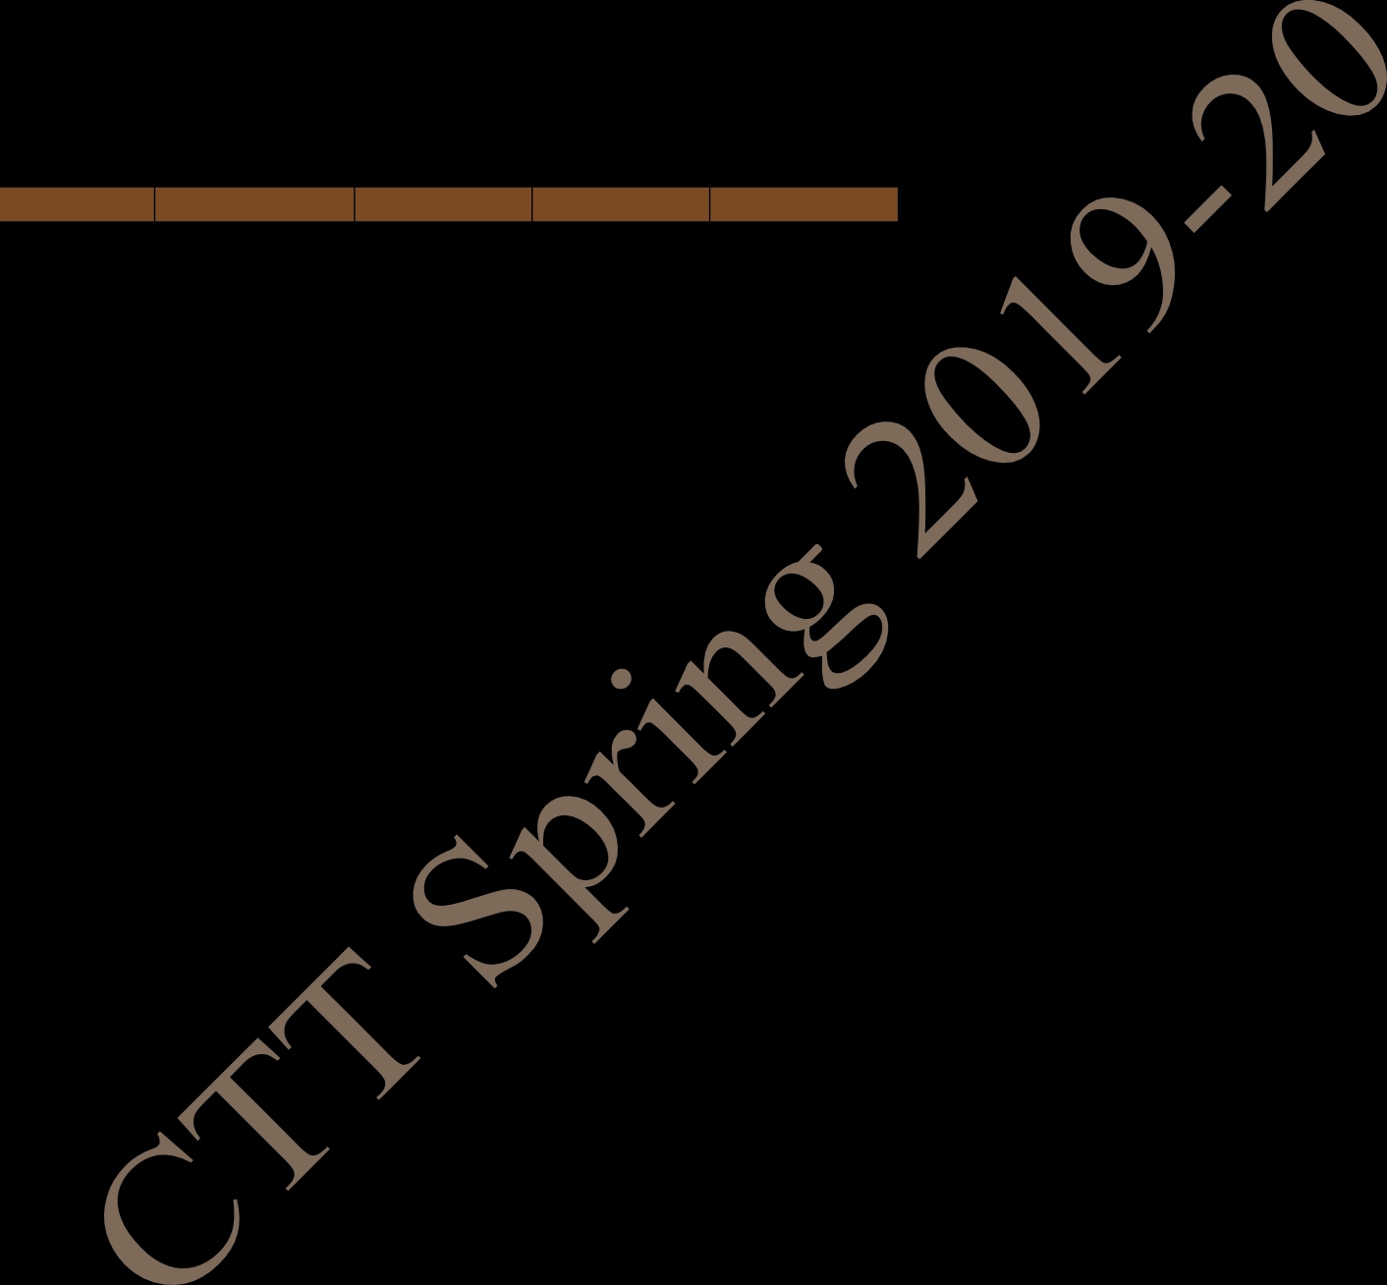
MA: Mathematics II PH: Physics CS: Programming & Data Structure ME: Mechanics EAA: Extra Academic Activity (T)- in brackets means Tutorial for that subject
Central Time Table Spring 2019– 2020, First Version Updated - 27 November 2019 13
FIRST YEAR TIME TABLE FOR SECTION 11 SPRING SEMESTER 2019 – 2020

Table 16
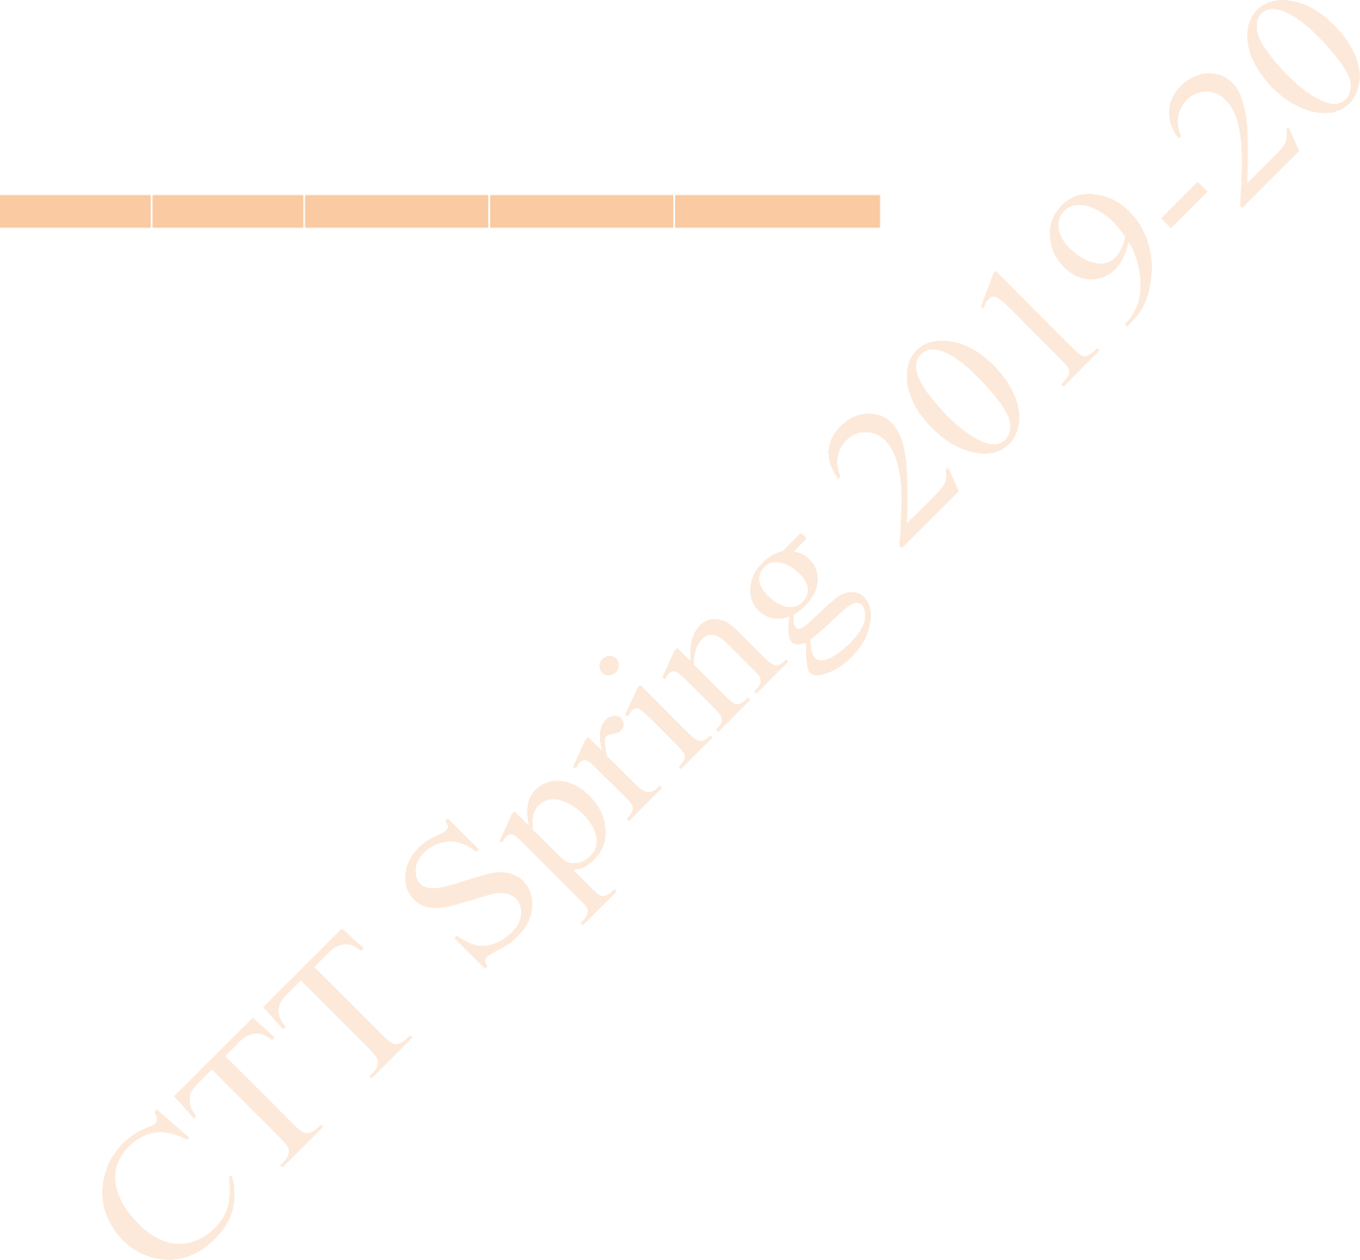
Period | 1 | 2 | 3 | 4 | 5 | L U N C H H O U R | 6 | 7 | 8 | 9
Time Day | 8:00 AM - 8:55 AM | 9:00 AM - 9:55 AM | 10:00 AM - 10:55 AM | 11:00 AM - 11:55 AM | 12:00 Noon - 12:55 PM |  | 2:00 PM - 2:55 PM | 3:00 PM - 3:55 PM | 4:00 PM - 4:55 PM | 5:00 PM - 5:55 PM
MON |  | CY(T) F131, F132 |  | MA F142 | CY F142 |  |  | EE F142
TUE | MA F142 |  | CY F142 |  |  |  | EE F142
WED |  | INTRO. TO MANUF. PROCESSES LAB (In Mechanical Engineering Department) |  |  |  |  | ELECTRICAL TECHNOLOGY LAB (In Sir J C Bose Laboratory Complex)
THU |  |  | HS LAB (In Language Lab, Sir J C Bose Laboratory Complex) |  |  |  |  | HS F142
FRI |  | CHEMISTRY LAB (In Chemistry Department) |  |  |  |  | MA(T) F131, F132 | HS F142
SAT | EAA
MA: Mathematics II CY: Chemistry HS: English for Communication EE: Electrical Technology EAA: Extra Academic Activity (T)- in brackets means Tutorial for that subject.
Central Time Table Spring 2019– 2020, First Version Updated - 27 November 2019 16
FIRST YEAR TIME TABLE FOR SECTION 14 SPRING SEMESTER 2019 – 2020

Table 19

FIRST YEAR TIME TABLE FOR SECTION 16 SPRING SEMESTER 2019 – 2020
Period | 1 | 2 | 3 | 4 | 5 | L U N C H H O U R | 6 | 7 | 8 | 9
Time Day | 8:00 AM - 8:55 AM | 9:00 AM -9:55 AM | 10:00 AM - 10:55 AM | 11:00 AM - 11:55 AM | 12:00 Noon - 12:55 PM |  | 2:00 PM - 2:55 PM | 3:00 PM - 3:55 PM | 4:00 PM - 4:55 PM | 5:00 PM - 5:55 PM
MON |  | HS LAB (In Language Lab, Sir J C Bose Laboratory Complex) |  |  |  |  | ELECTRICAL TECHNOLOGY LAB (In Sir J C Bose Laboratory Complex
TUE |  | INTRO. TO MANUF. PROCESSES LAB (In Mechanical Engineering Department) |  |  |  |  | CHEMISTRY LAB (In Chemistry Department)
WED | CY F116 |  | HS F116 | MA F116 | EE F116
THU |  | HS F116 | CY F116 | EE F116 | MA F116 |  |  | CY(T) F234, F235
FRI | MA F116 | EE F116 |  | HS F116 |  |  |  | MA(T) F234, F235
SAT | EAA
MA: Mathematics II CY: Chemistry HS: English for Communication EE: Electrical Technology EAA: Extra Academic Activity (T)- in brackets means Tutorial for that subject
Central Time Table Spring 2019– 2020, First Version Updated - 27 November 2019 19

Table 21

FIRST YEAR TIME TABLE FOR SECTION 18 SPRING SEMESTER 2019 – 2020
Period | 1 | 2 | 3 | 4 | 5 | L U N C H H O U R | 6 | 7 | 8 | 9
Time Day | 8:00 AM - 8:55 AM | 9:00 AM - 9:55 AM | 10:00 AM - 10:55 AM | 11:00 AM - 11:55 AM | 12:00 Noon - 12:55 PM |  | 2:00 PM - 2:55 PM | 3:00 PM - 3:55 PM | 4:00 PM - 4:55 PM | 5:00 PM - 5:55 PM
MON | MA F142 |  |  | HS LAB (In Language Lab, Sir J C Bose Laboratory Complex) |  |  |  | CY(T) F234, F235 | MA(T) F234, F235
TUE |  |  |  |  | MA F142 |  | INTRO. TO MANUF. PROCESSES LAB (In Mechanical Engineering Department)
WED | CY F142 |  | HS F142 |  | EE F142
THU |  | HS F142 | CY F142 | EE F142 |  |  | ELECTRICAL TECHNOLOGY LAB (In Sir J C Bose Laboratory Complex)
FRI |  | EE F142 |  | HS F142 |  |  | CHEMISTRY LAB (In Chemistry Department)
SAT | EAA
MA: Mathematics II CY: Chemistry HS: English for Communication EE: Electrical Technology EAA: Extra Academic Activity (T)- in brackets means Tutorial for that subject
Central Time Table Spring 2019– 2020, First Version Updated - 27 November 2019 21

Table 22

FIRST YEAR TIME TABLE FOR SECTION 19 SPRING SEMESTER 2019 – 2020
Period | 1 | 2 | 3 | 4 | 5 | L U N C H H O U R | 6 | 7 | 8 | 9
Time Day | 8:00 AM - 8:55 AM | 9:00 AM - 9:55 AM | 10:00 AM - 10:55 AM | 11:00 AM - 11:55 AM | 12:00 Noon - 12:55 PM |  | 2:00 PM - 2:55 PM | 3:00 PM - 3:55 PM | 4:00 PM - 4:55 PM | 5:00 PM - 5:55 PM
MON |  | CHEMISTRY LAB (In Chemistry Department) |  |  |  |  |  | MA V1
TUE |  | ELECTRICAL TECHNOLOGY LAB (In Sir J C Bose Laboratory Complex) |  |  |  |  | MA V1
WED | CY V1 |  | HS V1 |  | EE V1 |  |  | CY(T) F131,F132 | MA(T) F131,F132
THU |  | HS V1 | CY V1 | EE V1 |  |  | INTRO. TO MANUF. PROCESSES LAB (In Mechanical Engineering Department)
FRI |  | EE V1 |  | HS V1 |  |  | HS LAB (In Language Lab, Sir J C Bose Laboratory Complex)
SAT | EAA
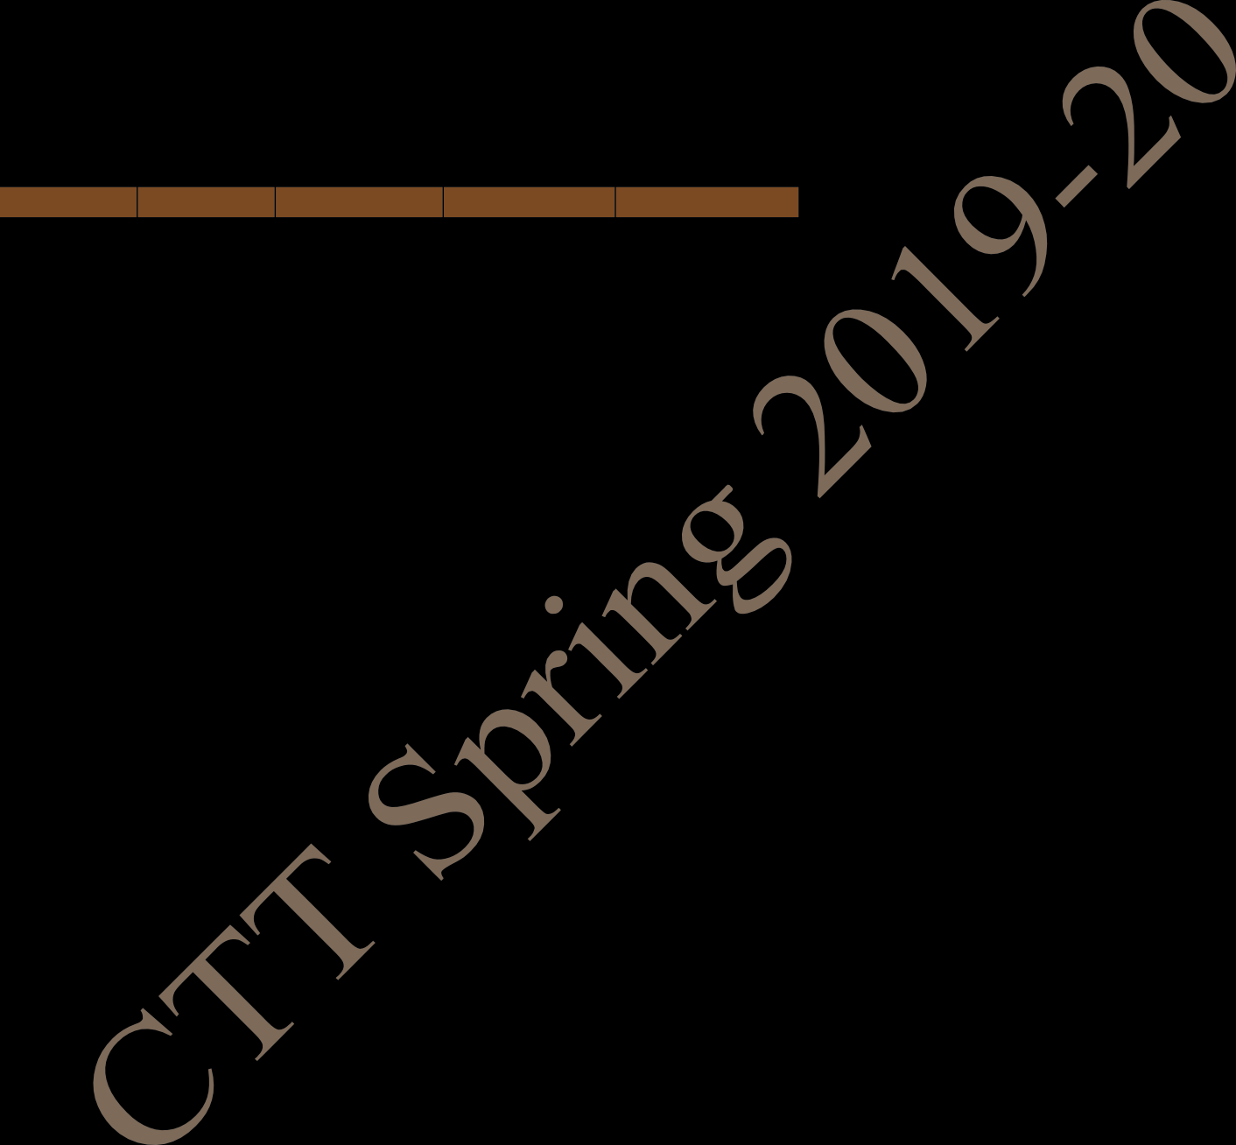
MA: Mathematics II CY: Chemistry HS: English for Communication EE: Electrical Technology EAA: Extra Academic Activity (T)- in brackets means Tutorial for that subject
Central Time Table Spring 2019– 2020, First Version Updated - 27 November 2019 22
FIRST YEAR TIME TABLE FOR SECTION 20 SPRING SEMESTER 2019 – 2020

