Table 1

Indian Institute of Technology Kharagpur
Central Time Table
A utumn Semester (2019– 2020)
TABLE OF CONTENTS
March 28, 2019
No. | Item | Page No.
1 | Important aspects of the Autumn 2019-20 Time Table | 1
2 | Time Table Slotting Pattern | 2
3 | First year Curriculum | 3
4 | Section wise time table for 20 sections of first year | 4-23
5 | Common Subjects/Breadth/HSS/Management Slot Indication (2nd year and above) | 24-28
6 | Slot & Room Allocation for common subjects (2nd year and above) | 29-35
 Important aspects of the Autumn 2019-20 Time Table 1. In view of the increased student strength, first year has been subdivided into 20 Sections. 2. Deviating from the single section model, first year Mechanics, like the other theory subjects of first year, will be offered in 5 groups, with two sections merged into a single group. This is as per the request of the Department. 3. The special classes for first year scheduled from 29 July 2019-23 August 2019 have been indicated in the Section Wise Time Table. 4. As proposed by the Department of Mechanical Engineering and approved by the Director, the second year Workshop Classes will be held between 5:30-8:30 PM two days a week. 5. For second year and above, slots for Breadth/HSS/Management subjects have been indicated. Academic Units must ensure atleast two out of the three designated breadth slots are available for students. 6. Academic Units must schedule all subjects strictly in accordance with the time table slotting pattern. If cross slotting has to be done due to compelling reasons, then it can be done only with one hour of ‘S’ slot along with a regular 3 hour slot. 7. Faculty members requiring Audio -Visual facility should inform Audio-Visual Cell separately. 8. Room Allocation- a. PIC CTT is responsible for central class room allocation for regular UG/PG/Research courses, only on class days from 8 AM- 6PM. b. Class room allocation for any other activity including special classes/tests on weekends/closed holidays and outside class hours on class days is handled by the Academic Section. 9. Queries/Clarifications regarding Central Time Table may please be sent to "Professor In Charge Central Time Table" pic.ctt@adm.iitkgp.ernet.in.
(Jyotsna Dutta Majumder) Professor-in-Charge, Central Time Table Department of Metallurgy and Materials Engineering
Posted in apna.iitkgp.ac.in
Central Time Table Autumn 2019– 2020, Version 1.1 Updated -28 March 2019 1
CENTRAL TIMETABLE: AUTUMN SEMESTER (2019– 2020) TABLE-1 - TIME TABLE SLOTTING PATTERN

Table 2
Period |  | 1 |  | 2 |  | 3 |  | 4 |  | 5 |  |  | 6 | 7 |  | 8 | 9
Time Day |  | 8:00 AM -8:55 AM |  | 9:00 AM -9:55 AM |  | 10:00AM -10:55 AM |  | 11:00 AM- 11:55 AM |  | 12:00 Noon -12:55 PM |  |  | 2:00 PM - 2:55 PM | 3:00 PM - 3:55 PM |  | 4:00 PM - 4:55 PM | 5:00 PM 5:55 PM
 |  | A3(1) |  | 1st Year LAB SLOT Q-1 |  |  |  |  |  | D3 (1) | L U N C H H O U R |  | H3(1) | U3(1, 2) |  |  | S3(1)
 |  | A2 |  |  |  | C3 (1) |  | B3(1) |  | D4 (1)
 |  |  |  |  |  | C4 (1) |  |  |  |  |  |  |  | U4(1, 2)
 |  | A3(1, 2) |  |  |  | LAB SLOT:Q |  |  |  |  |  |  | LAB SLOT:J
 |  |  |  | 1st Year LAB SLOT K-1 |  |  |  |  |  | A3(3) |  |  |  | U3(3) |  | H2
TUE |  | B2 |  |  |  | D2
 |  |  |  |  |  | D3(2, 3) |  |  |  |  |  |  | U4(3, 4) |  |  | H3(2, 3)
 |  |  |  |  |  | D4(2, 3)
 |  | B3(2, 3) |  |  |  | LAB SLOT:K |  |  |  |  |  |  | LAB SLOT:L
 |  |  |  | 1st Year LAB SLOT R-1 |  |  |  |  |  | E3(1)
WED |  | C2 |  |  |  | F3(1) |  | G3(1) |  |  |  |  | X4(1) | X4(2) |  | X4(3) | X4(4)
 |  | C3(2, 3) |  |  |  | F4(1) |  |  |  | E4(1) |  |  | LAB SLOT:X
 |  | C4(2, 3) |  |  |  | LAB SLOT:R
 |  | D4(4) |  | 1st Year LAB SLOT M-1 |  |  |  |  |  | G3(2)
THU |  |  |  | F3(2) |  | C4(4) |  | E3(2) |  |  |  |  | I2(1) | V2 |  |  | S3(2)
 |  |  |  | F4(2) |  |  |  | E4(2) |  |  |  |  |  | V3(1, 2)
 |  |  |  |  |  | LAB SLOT:M |  |  |  |  |  |  |  | V4(1, 2)
 |  |  |  |  |  |  |  |  |  |  |  |  | LAB SLOT:N
 |  | G3(3) |  | 1st Year LAB SLOT O-1
FRI |  |  |  | E2 |  |  |  | F2 |  |  |  |  |  | V3(3) |  | I2(2) | S3(3)
 |  |  |  | E3(3) |  |  |  | F3(3) |  |  |  |  | V4(3, 4)
 |  |  |  | E4(3, 4) |  |  |  | F4(3, 4) |  |  |  |  | LAB SLOT:P
 |  |  |  |  |  | LAB SLOT:O
SAT |  | EAA
 | 2 Hour Slot |  | 3 hour slot |  | 4 Hour Slot |  | Lab Slot |  | Lab Slot for 1st year only |  |  | Special Slot for EAA |  |  | Offically No Class

AUTUMN Central Time Table Autumn 2019– 2020, Version 1.1 Updated -28 March 2019 2
SEMESTER (2019-2020) FIRST YEAR CURRICULUM

Table 3
Sl.No. | Subject Number | Subject Name | L-T-P | Credits | Section
1 | MA10001 | Mathematics I | 3-1-0 | 4 | All
2 | CY11001 | Chemistry | 3-1-0 | 4 | 1-10
3 | PH11001 | Physics | 3-1-0 | 4 | 11-20
4 | HS13001 | English for Communication | 3-0-2 | 4 | 1-10
5 | ME10001 | Mechanics | 3-1-0 | 4 | 11-20
6 | EE11001 | Electrical Technology | 3-1-0 | 4 | 1-10
7 | CS10001 | Programming and Data Structures | 3-0-0 | 3 | 11-20
8 | CY19101 | Chemistry Laboratory | 0-0-3 | 2 | 1-10
9 | PH19001 | Physics Laboratory | 0-0-3 | 2 | 11-20
10 | EE19001 | Electrical Technology Laboratory | 0-0-3 | 2 | 1-10
11 | CS19101 | Programming and Data Structures Laboratory | 0-1-3 | 3 | 11-20
12 | ME19001 | Introduction to Manufacturing Processes | 0-0-3 | 2 | 1-10
13 | CE13001 | Engineering Drawing and Computer Graphics | 1-0-3 | 3 | 11-20
14 | EA10001 | Extra Academic Activity –I | 0-0-0 | 0 | All
1st year Architecture Students --To Select a Suitable Section
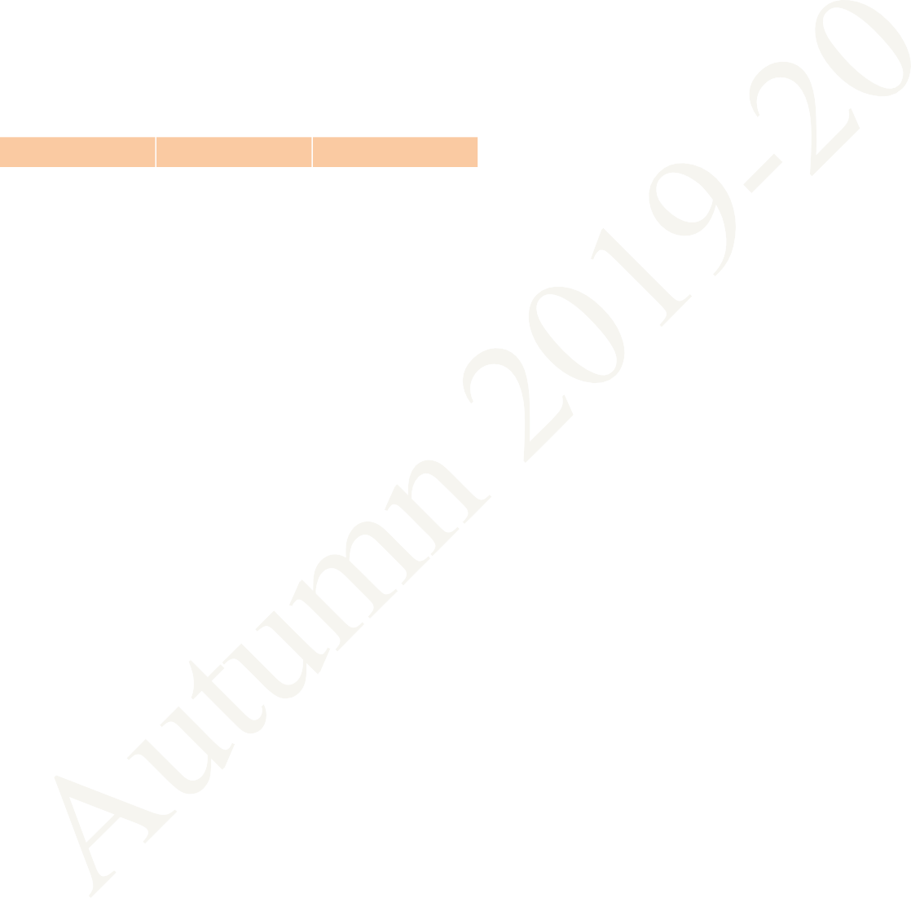
Central Time Table Autumn 2019– 2020, Version 1.1 Updated -28 March 2019 3
FIRST YEAR TIME TABLE FOR SECTION 1 AUTUMN SEMESTER 2019 – 2020

Table 5
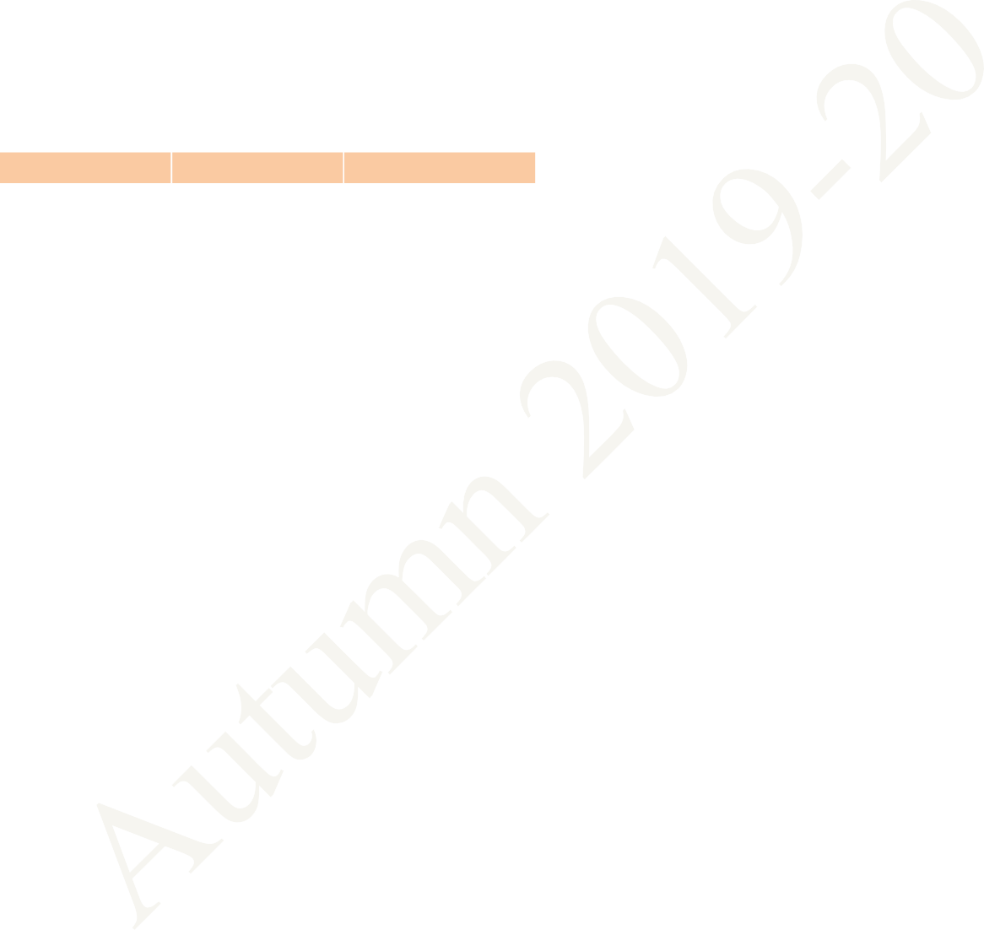
FIRST YEAR TIME TABLE FOR SECTION 2
AUTUMN SEMESTER 2019 – 2020
CY: Chemistry
HS: English for Communication
EAA: Extra Academic Activity
Period | 1 | 2 | 3 | 4 | 5 | L U N C H H O U R | 6 | 7 | 8 | 9
Time Day | 8:00 AM - 8:55 AM | 9:00 AM - 9:55 AM | 10:00 AM - 10:55 AM | 11:00 AM - 11:55 AM | 12:00 Noon - 12:55 PM |  | 2:00 PM - 2:55 PM | 3:00 PM - 3:55 PM | 4:00 PM - 4:55 PM | 5:00 PM - 5:55 PM
MON |  | HS(Sp) F116 | MA(Sp) F116 | MA F116 | CY F116 |  |  | EE F116
TUE | MA F116 |  | CY F116 |  |  |  | EE F116 |  | CY(T) F233, F234
WED |  | HS LAB (In Language Lab, Sir J C Bose Laboratory Complex) |  |  |  |  | INTRO. TO MANUF. PROCESSES LAB (In Mechanical Engineering Department)
THU |  | CHEMISTRY LAB (In Chemistry Department) |  |  |  |  | CY(Sp) F116 | HS F116
FRI |  | ELECTRICAL TECHNOLOGY LAB (In Sir J C Bose Laboratory Complex) |  |  |  |  | EE(Sp) F116 | HS F116 | MA(T) F233, F234
SAT | EAA
MA: Mathematics I EE: Electrical Technology Sp within brackets indicates Special/Extra Class for the subject from 29 Jul 2019 – 23 Aug 2019 (T)- in brackets means Tutorial for that subject
Central Time Table Autumn 2019– 2020, Version 1.1 Updated -28 March 2019 5

Table 6
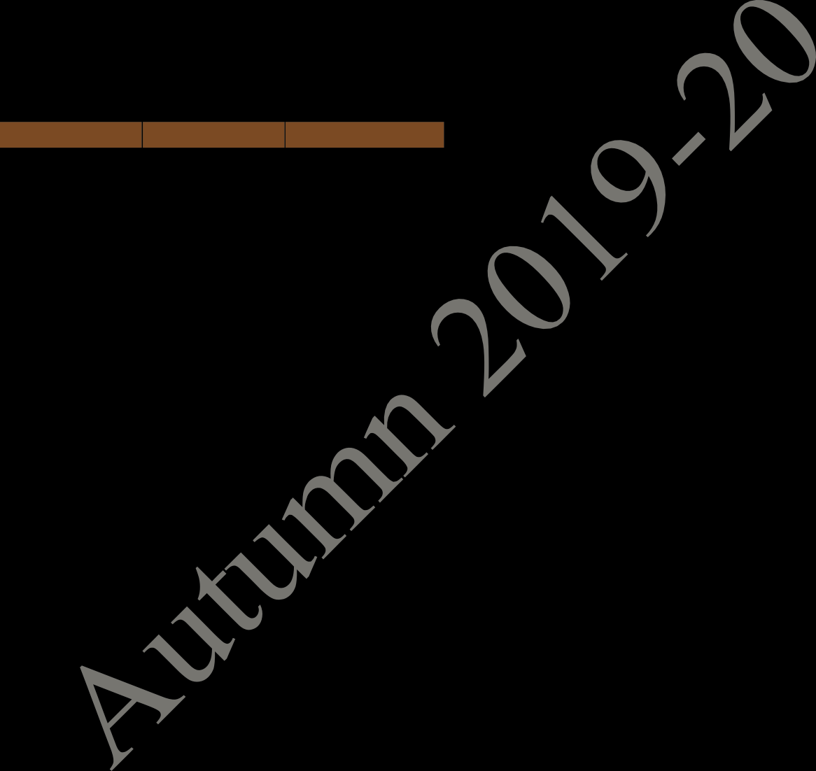
FIRST YEAR TIME TABLE FOR SECTION 3
AUTUMN SEMESTER 2019 – 2020
CY: Chemistry
HS: English for Communication
EAA: Extra Academic Activity
Period | 1 | 2 | 3 | 4 | 5 | L U N C H H O U R | 6 | 7 | 8 | 9
Time Day | 8:00 AM - 8:55 AM | 9:00 AM - 9:55 AM | 10:00 AM - 10:55 AM | 11:00 AM - 11:55 AM | 12:00 Noon - 12:55 PM |  | 2:00 PM - 2:55 PM | 3:00 PM - 3:55 PM | 4:00 PM - 4:55 PM | 5:00 PM - 5:55 PM
MON |  | CY(T) F131, F132 | MA(Sp) F142 | MA F142 | CY F142 |  |  | EE F142
TUE | MA F142 |  | CY F142 |  |  |  | EE F142 |  | HS(Sp) F142
WED |  | INTRO. TO MANUF. PROCESSES LAB (In Mechanical Engineering Department) |  |  |  |  | ELECTRICAL TECHNOLOGY LAB (In Sir J C Bose Laboratory Complex)
THU |  |  | HS LAB (In Language Lab, Sir J C Bose Laboratory Complex) |  |  |  | CY(Sp) F142 | HS F142
FRI |  | CHEMISTRY LAB (In Chemistry Department) |  |  |  |  | MA(T) F131, F132 | HS F142 | EE(Sp) F142
SAT | EAA
MA: Mathematics I EE: Electrical Technology Sp within brackets indicates Special/Extra Class for the subject from 29 Jul 2019 – 23 Aug 2019 (T)- in brackets means Tutorial for that subject.
Central Time Table Autumn 2019– 2020, Version 1.1 Updated -28 March 2019 6
FIRST YEAR TIME TABLE FOR SECTION 4 AUTUMN SEMESTER 2019 – 2020

Table 8
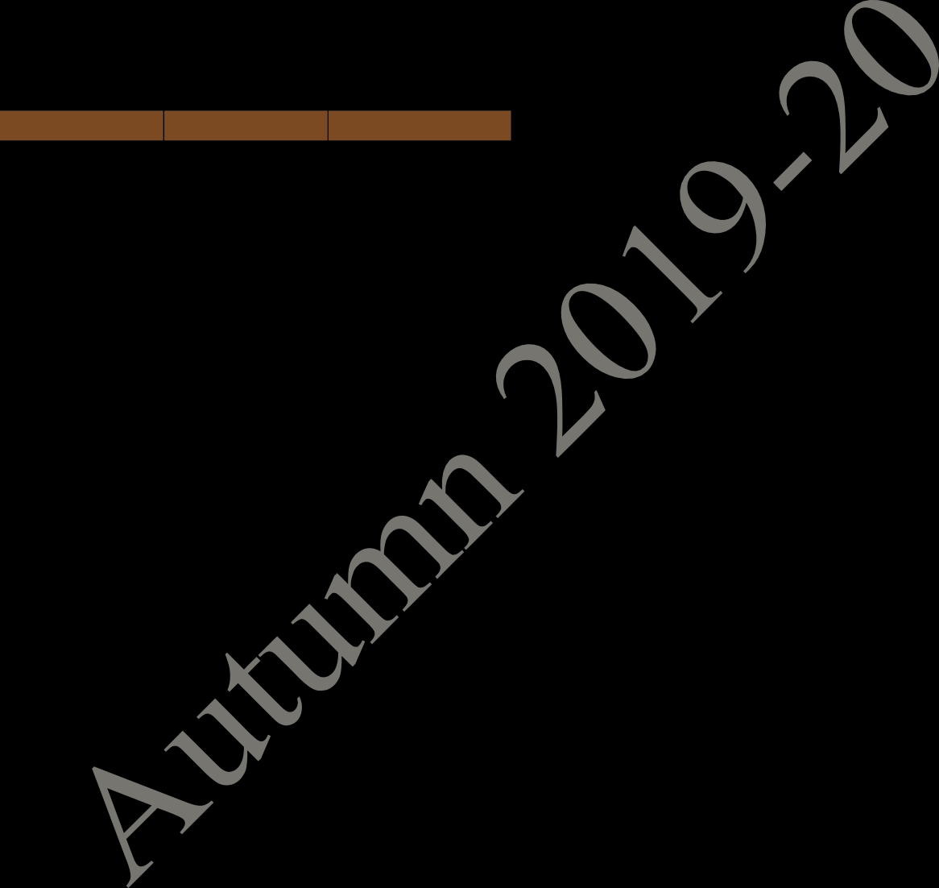
FIRST YEAR TIME TABLE FOR SECTION 5
AUTUMN SEMESTER 2019 – 2020
CY: Chemistry
HS: English for Communication
EAA: Extra Academic Activity
Period | 1 | 2 | 3 | 4 | 5 | L U N C H H O U R | 6 | 7 | 8 | 9
Time Day | 8:00 AM - 8:55 AM | 9:00 AM - 9:55 AM | 10:00 AM - 10:55 AM | 11:00 AM - 11:55 AM | 12:00 Noon - 12:55 PM |  | 2:00 PM - 2:55 PM | 3:00 PM - 3:55 PM | 4:00 PM - 4:55 PM | 5:00 PM - 5:55 PM
MON |  | INTRO. TO MANUF. PROCESSES LAB (In Mechanical Engineering Department) |  |  |  |  | CHEMISTRY LAB (In Chemistry Department)
TUE |  | HS LAB (In Language Lab, Sir J C Bose Laboratory Complex) |  |  |  |  | ELECTRICAL TECHNOLOGY LAB (In Sir J C Bose Laboratory Complex)
WED | CY F116 |  | HS F116 | MA F116 | EE F116 |  |  | EE(Sp) F116 | MA(Sp) F116
THU | HS(Sp) F116 | HS F116 | CY F116 | EE F116 | MA F116 |  |  | CY(T) F131,F132
FRI | MA F116 | EE F116 |  | HS F116 | CY(Sp) F116 |  |  | MA(T) F131,F132
SAT | EAA
MA: Mathematics I EE: Electrical Technology Sp within brackets indicates Special/Extra Class for the subject from 29 Jul 2019 – 23 Aug 2019 (T)- in brackets means Tutorial for that subject
Central Time Table Autumn 2019– 2020, Version 1.1 Updated -28 March 2019 8

Table 9

FIRST YEAR TIME TABLE FOR SECTION 6 AUTUMN SEMESTER 2019 – 2020
Period | 1 | 2 | 3 | 4 | 5 | L U N C H H O U R | 6 | 7 | 8 | 9
Time Day | 8:00 AM - 8:55 AM | 9:00 AM -9:55 AM | 10:00 AM - 10:55 AM | 11:00 AM - 11:55 AM | 12:00 Noon - 12:55 PM |  | 2:00 PM - 2:55 PM | 3:00 PM - 3:55 PM | 4:00 PM - 4:55 PM | 5:00 PM - 5:55 PM
MON |  | HS LAB (In Language Lab, Sir J C Bose Laboratory Complex) |  |  |  |  | ELECTRICAL TECHNOLOGY LAB (In Sir J C Bose Laboratory Complex
TUE |  | INTRO. TO MANUF. PROCESSES LAB (In Mechanical Engineering Department) |  |  |  |  | CHEMISTRY LAB (In Chemistry Department)
WED | CY F116 |  | HS F116 | MA F116 | EE F116 |  |  | EE(Sp) F116 | MA(Sp) F116
THU | HS(Sp) F116 | HS F116 | CY F116 | EE F116 | MA F116 |  |  | CY(T) F233,F234
FRI | MA F116 | EE F116 |  | HS F116 | CY(Sp) F116 |  |  | MA(T) F233,F234
SAT | EAA
MA: Mathematics I CY: Chemistry HS: English for Communication EE: Electrical Technology EAA: Extra Academic Activity Sp within brackets indicates Special/Extra Class for the subject from 29 Jul 2019 – 23 Aug 2019 (T)- in brackets means Tutorial for that subject
Central Time Table Autumn 2019– 2020, Version 1.1 Updated -28 March 2019 9

Table 11

FIRST YEAR TIME TABLE FOR SECTION 8 AUTUMN SEMESTER 2019 – 2020
Period | 1 | 2 | 3 | 4 | 5 | L U N C H H O U R | 6 | 7 | 8 | 9
Time Day | 8:00 AM - 8:55 AM | 9:00 AM - 9:55 AM | 10:00 AM - 10:55 AM | 11:00 AM - 11:55 AM | 12:00 Noon - 12:55 PM |  | 2:00 PM - 2:55 PM | 3:00 PM - 3:55 PM | 4:00 PM - 4:55 PM | 5:00 PM - 5:55 PM
MON | MA F142 |  |  | HS LAB (In Language Lab, Sir J C Bose Laboratory Complex) |  |  |  | CY(T) F233,F234 | MA(T) F233,F234
TUE |  |  |  |  | MA F142 |  | INTRO. TO MANUF. PROCESSES LAB (In Mechanical Engineering Department)
WED | CY F142 |  | HS F142 | EE(Sp) F142 | EE F142 |  |  | MA(Sp) F142
THU | HS(Sp) F142 | HS F142 | CY F142 | EE F142 |  |  | ELECTRICAL TECHNOLOGY LAB (In Sir J C Bose Laboratory Complex)
FRI | CY(Sp) F142 | EE F142 |  | HS F142 |  |  | CHEMISTRY LAB (In Chemistry Department)
SAT | EAA
MA: Mathematics I CY: Chemistry HS: English for Communication EE: Electrical Technology EAA: Extra Academic Activity Sp within brackets indicates Special/Extra Class for the subject from 29 Jul 2019 – 23 Aug 2019 (T)- in brackets means Tutorial for that subject
Central Time Table Autumn 2019– 2020, Version 1.1 Updated -28 March 2019 11

Table 12

FIRST YEAR TIME TABLE FOR SECTION 9 AUTUMN SEMESTER 2019 – 2020
Period | 1 | 2 | 3 | 4 | 5 | L U N C H H O U R | 6 | 7 | 8 | 9
Time Day | 8:00 AM - 8:55 AM | 9:00 AM - 9:55 AM | 10:00 AM - 10:55 AM | 11:00 AM - 11:55 AM | 12:00 Noon - 12:55 PM |  | 2:00 PM - 2:55 PM | 3:00 PM - 3:55 PM | 4:00 PM - 4:55 PM | 5:00 PM - 5:55 PM
MON |  | CHEMISTRY LAB (In Chemistry Department) |  |  |  |  |  | MA V1
TUE |  | ELECTRICAL TECHNOLOGY LAB (In Sir J C Bose Laboratory Complex) |  |  |  |  | MA V1 | MA(Sp) V1
WED | CY V1 |  | HS V1 | EE(Sp) V1 | EE V1 |  |  | CY(T) F131,F132 | MA(T) F131,F132
THU | HS(Sp) V1 | HS V1 | CY V1 | EE V1 |  |  | INTRO. TO MANUF. PROCESSES LAB (In Mechanical Engineering Department)
FRI | CY(Sp) V1 | EE V1 |  | HS V1 |  |  | HS LAB (In Language Lab, Sir J C Bose Laboratory Complex)
SAT | EAA
MA: Mathematics I CY: Chemistry HS: English for Communication EE: Electrical Technology EAA: Extra Academic Activity Sp within brackets indicates Special/Extra Class for the subject from 29 Jul 2019 – 23 Aug 2019 (T)- in brackets means Tutorial for that subject
Central Time Table Autumn 2019– 2020, Version 1.1 Updated -28 March 2019 12

Table 13
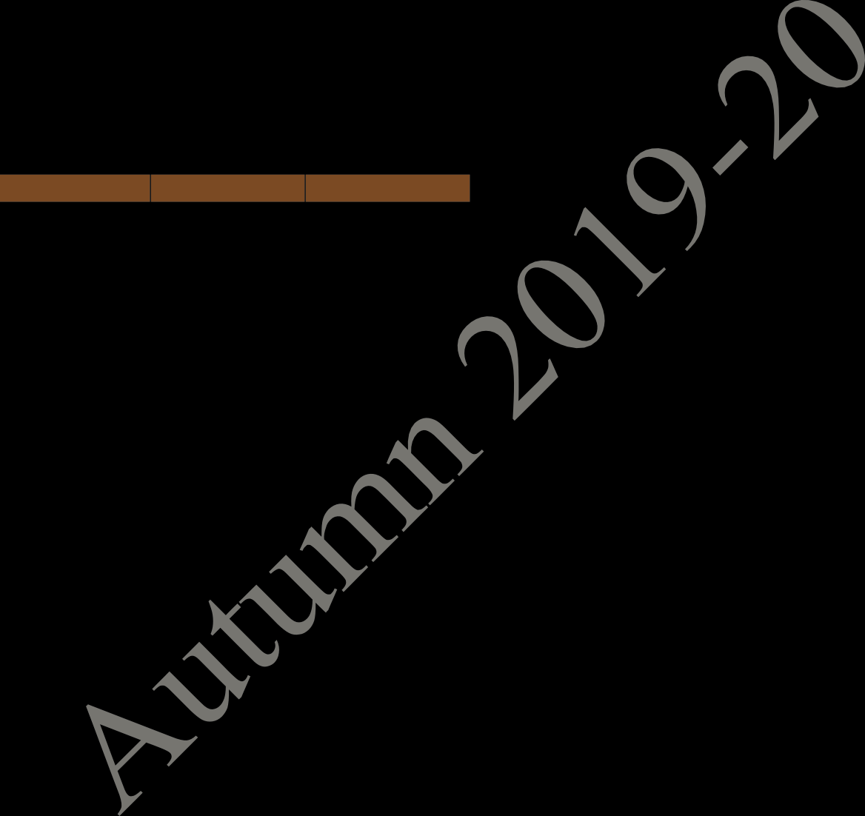
FIRST YEAR TIME TABLE FOR SECTION 10
AUTUMN SEMESTER 2019 – 2020
Period | 1 | 2 | 3 | 4 | 5 | L U N C H H O U R | 6 | 7 | 8 | 9
Time Day | 8:00 AM - 8:55 AM | 9:00 AM - 9:55 AM | 10:00 AM - 10:55 AM | 11:00 AM - 11:55 AM | 12:00 Noon - 12:55 PM |  | 2:00 PM - 2:55 PM | 3:00 PM - 3:55 PM | 4:00 PM - 4:55 PM | 5:00 PM - 5:55 PM
MON |  | ELECTRICAL TECHNOLOGY LAB (In Sir J C Bose Laboratory Complex) |  |  |  |  |  | MA V1
TUE |  | CHEMISTRY LAB (In Chemistry Department) |  |  |  |  | MA V1 | MA(Sp) V1
WED | CY V1 |  | HS V1 | EE(Sp) V1 | EE V1 |  |  | CY(T) F233, F234 | MA(T) F233, F234
THU | HS(Sp) V1 | HS V1 | CY V1 | EE V1 |  |  | HS LAB (In Language Lab, Sir J C Bose Laboratory Complex)
FRI | CY(Sp) V1 | EE V1 |  | HS V1 |  |  | INTRO. TO MANUF. PROCESSES LAB (In Mechanical Engineering Department)
SAT | EAA
MA: Mathematics I CY: Chemistry HS: English for Communication EE: Electrical Technology EAA: Extra Academic Activity Sp within brackets indicates Special/Extra Class for the subject from 29 Jul 2019 – 23 Aug 2019 (T)- in brackets means Tutorial for that subject
Central Time Table Autumn 2019– 2020, Version 1.1 Updated -28 March 2019 13

Table 14
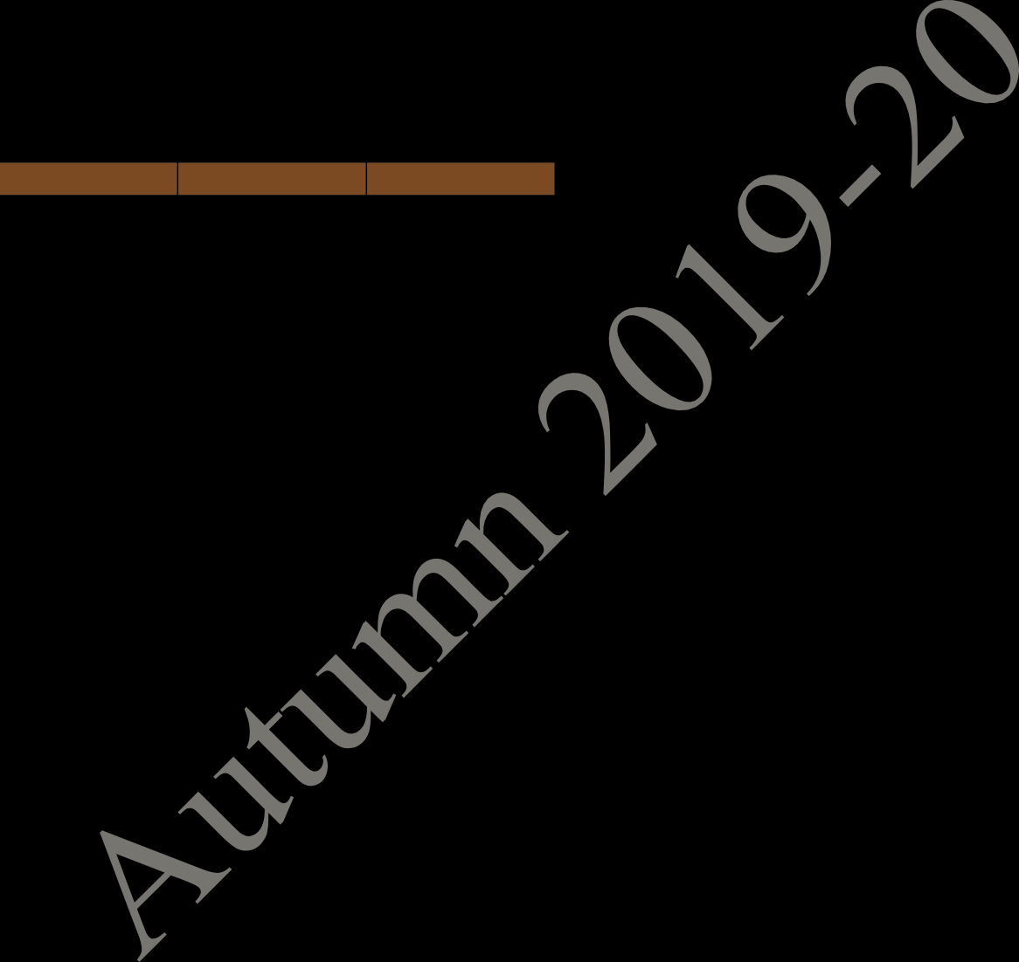
FIRST YEAR TIME TABLE FOR SECTION 11 AUTUMN SEMESTER 2019 – 2020
Period | 1 | 2 | 3 | 4 | 5 | L U N C H H O U R | 6 | 7 | 8 | 9
Time Day | 8:00 AM - 8:55 AM | 9:00 AM - 9:55 AM | 10:00 AM - 10:55 AM | 11:00 AM - 11:55 AM | 12:00 Noon - 12:55 PM |  | 2:00 PM - 2:55 PM | 3:00 PM - 3:55 PM | 4:00 PM - 4:55 PM | 5:00 PM - 5:55 PM
MON | CS NR122 |  | MA(Sp) NR122 | MA NR122 | PH NR122 |  |  | ME NR122
TUE | MA NR122 |  | PH NR122 |  | CS NR122 |  |  | ME NR122 | ME(T) NR122
WED | PH(Sp) NR122 | CS(Sp) NR122 |  |  |  |  | PROGAMMING AND DATA STRUCTURE LAB (In CIC Lab.)
THU |  | PHYSICS LAB (In Sir J C Bose Laboratory Complex) |  |  |  |  |  | MA(T) NC121, NC122 | PH(T) NC121, NC122
FRI | ENGG. DRAWING AND COMPUTER GRAPHICS (S301) |  |  |  |  |  | ME(Sp) NR122
SAT | EAA
MA: Mathematics I PH: Physics CS: Programming & Data Structure ME: Mechanics EAA: Extra Academic Activity Sp within brackets indicates Special/Extra Class for the subject from 29 Jul 2019 – 23 Aug 2019 (T)- in brackets means Tutorial for that subject
Central Time Table Autumn 2019– 2020, Version 1.1 Updated -28 March 2019 14

Table 15

FIRST YEAR TIME TABLE FOR SECTION 12 AUTUMN SEMESTER 2019 – 2020
Period | 1 | 2 | 3 | 4 | 5 | L U N C H H O U R | 6 | 7 | 8 | 9
Time Day | 8:00 AM - 8:55 AM | 9:00 AM - 9:55 AM | 10:00 AM - 10:55 AM | 11:00 AM - 11:55 AM | 12:00 Noon - 12:55 PM |  | 2:00 PM - 2:55 PM | 3:00 PM - 3:55 PM | 4:00 PM - 4:55 PM | 5:00 PM - 5:55 PM
MON | CS NR122 |  | MA(Sp) NR122 | MA NR122 | PH NR122 |  |  | ME NR122
TUE | MA NR122 |  | PH NR122 |  | CS NR122 |  |  | ME NR122 | ME(T) NR122
WED | PH(Sp) NR122 | CS(Sp) NR122 | MA(T) NC121, NC122 | PH(T) NC121, NC122 |  |  | ENGG. DRAWING AND COMPUTER GRAPHICS (S301)
THU | PROGAMMING AND DATA STRUCTURE LAB (In CIC Lab.)
FRI |  | PHYSICS LAB (In Sir J C Bose Laboratory Complex) |  |  |  |  | ME(Sp) NR122
SAT | EAA
MA: Mathematics I PH: Physics CS: Programming & Data Structure ME: Mechanics EAA: Extra Academic Activity Sp within brackets indicates Special/Extra Class for the subject from 29 Jul 2019 – 23 Aug 2019 (T)- in brackets means Tutorial for that subject
Central Time Table Autumn 2019– 2020, Version 1.1 Updated -28 March 2019 15

Table 16
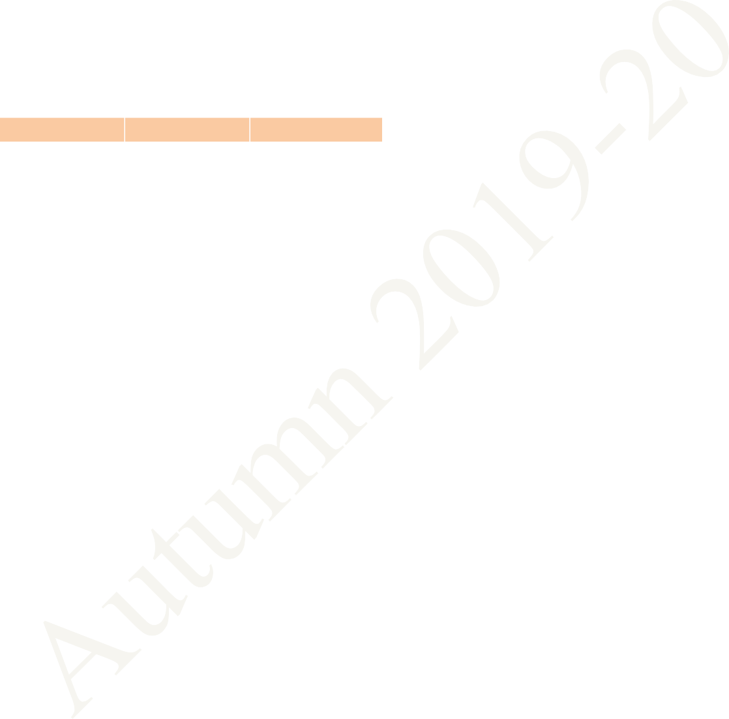
FIRST YEAR TIME TABLE FOR SECTION 13 AUTUMN SEMESTER 2019 – 2020
Period | 1 | 2 | 3 | 4 | 5 | L U N C H H O U R | 6 | 7 | 8 | 9
Time Day | 8:00 AM - 8:55 AM | 9:00 AM - 9:55 AM | 10:00 AM - 10:55 AM | 11:00 AM - 11:55 AM | 12:00 Noon - 12:55 PM |  | 2:00 PM - 2:55 PM | 3:00 PM - 3:55 PM | 4:00 PM - 4:55 PM | 5:00 PM - 5:55 PM
MON | CS NR222 |  | MA(Sp) NR222 | MA NR222 | PH NR222 |  |  | ME NR222
TUE | MA NR222 |  | PH NR222 |  | CS NR222 |  |  | ME NR222 | ME(T) NR222
WED |  | PHYSICS LAB (In Sir J C Bose Laboratory Complex) |  |  |  |  | CS(Sp) NR222 | PH(Sp) NR222 | ME(Sp) NR222
THU |  |  |  |  |  |  | PROGAMMING AND DATA STRUCTURE LAB (In CIC Lab.)
FRI | PH(T) NC121,NC122 | MA(T) NC121,NC122 |  |  |  |  | ENGG. DRAWING AND COMPUTER GRAPHICS (S301)
SAT | EAA
MA: Mathematics I PH: Physics CS: Programming & Data Structure ME: Mechanics EAA: Extra Academic Activity Sp within brackets indicates Special/Extra Class for the subject from 29 Jul 2019 – 23 Aug 2019 (T)- in brackets means Tutorial for that subject
Central Time Table Autumn 2019– 2020, Version 1.1 Updated -28 March 2019 16

Table 17

FIRST YEAR TIME TABLE FOR SECTION 14 AUTUMN SEMESTER 2019 – 2020
Period | 1 | 2 | 3 | 4 | 5 | L U N C H H O U R | 6 | 7 | 8 | 9
Time Day | 8:00 AM - 8:55 AM | 9:00 AM - 9:55 AM | 10:00 AM - 10:55 AM | 11:00 AM - 11:55 AM | 12:00 Noon - 12:55 PM |  | 2:00 PM - 2:55 PM | 3:00 PM - 3:55 PM | 4:00 PM - 4:55 PM | 5:00 PM - 5:55 PM
MON | CS NR222 |  | MA(Sp) NR222 | MA NR222 | PH NR222 |  |  | ME NR222
TUE | MA NR222 |  | PH NR222 |  | CS NR222 |  |  | ME NR222 | ME(T) NR222
WED | PROGAMMING AND DATA STRUCTURE LAB (In CIC Lab.) |  |  |  |  |  | CS(Sp) NR222 | PH(Sp) NR222 | ME(Sp) NR222
THU |  |  |  |  |  |  | PHYSICS LAB (In Sir J C Bose Laboratory Complex)
FRI |  |  | PH(T) NC121, NC122 | MA(T) NC121, NC122 |  |  | ENGG. DRAWING AND COMPUTER GRAPHICS (S302)
SAT | EAA
MA: Mathematics I PH: Physics CS: Programming & Data Structure ME: Mechanics EAA: Extra Academic Activity Sp within brackets indicates Special/Extra Class for the subject from 29 Jul 2019 – 23 Aug 2019 (T)- in brackets means Tutorial for that subject
Central Time Table Autumn 2019– 2020, Version 1.1 Updated -28 March 2019 17
FIRST YEAR TIME TABLE FOR SECTION 15 AUTUMN SEMESTER 2019 – 2020

Table 18

Period | 1 | 2 | 3 | 4 | 5 | L U N C H H O U R | 6 | 7 | 8 | 9
Time Day | 8:00 AM -8:55 AM | 9:00 AM - 9:55 AM | 10:00 AM - 10:55 AM | 11:00 AM - 11:55 AM | 12:00 Noon - 12:55 PM |  | 2:00 PM - 2:55 PM | 3:00 PM - 3:55 PM | 4:00 PM - 4:55 PM | 5:00 PM - 5:55 PM
MON | CS NR121 |  | MA(Sp) NR121 | MA NR121 | PH NR121 |  |  | ME NR121
TUE | MA NR121 |  | PH NR121 |  | CS NR121 |  |  | ME NR121 | ME(T) NR121
WED |  |  |  |  |  |  | PHYSICS LAB (In Sir J C Bose Laboratory Complex)
THU |  |  | PH(T) NC121, NC122 | MA(T) NC121, NC122 |  |  | PH(Sp) NR121 | CS(Sp) NR121 | ME(Sp) NR121
FRI | ENGG. DRAWING AND COMPUTER GRAPHICS (S302) |  |  |  |  |  | PROGAMMING AND DATA STRUCTURE LAB (In CIC Lab.)
SAT | EAA
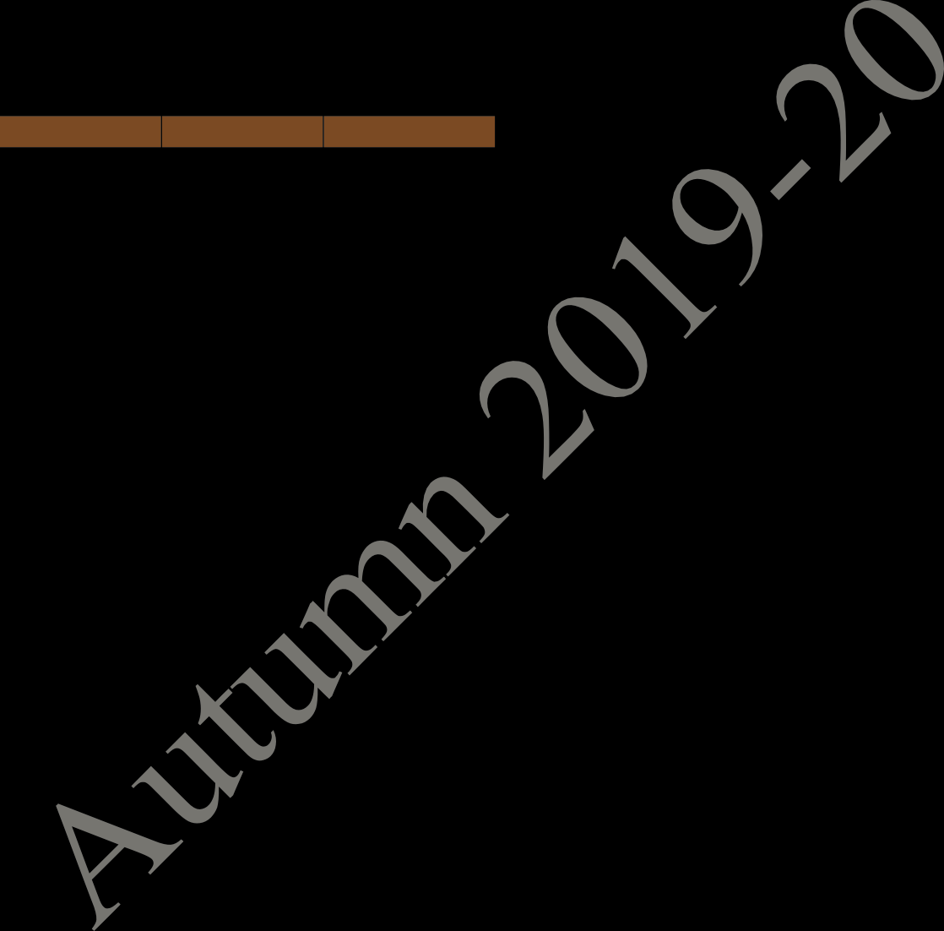
MA: Mathematics I PH: Physics CS: Programming & Data Structure ME: Mechanics EAA: Extra Academic Activity Sp within brackets indicates Special/Extra Class for the subject from 29 Jul 2019 – 23 Aug 2019 (T)- in brackets means Tutorial for that subject
Central Time Table Autumn 2019– 2020, Version 1.1 Updated -28 March 2019 18
FIRST YEAR TIME TABLE FOR SECTION 16 AUTUMN SEMESTER 2019 – 2020

Table 19
Period | 1 | 2 | 3 | 4 | 5 | L U N C H H O U R | 6 | 7 | 8 | 9
Time Day | 8:00 AM - 8:55 AM | 9:00 AM - 9:55 AM | 10:00 AM - 10:55 AM | 11:00 AM - 11:55 AM | 12:00 Noon - 12:55 PM |  | 2:00 PM - 2:55 PM | 3:00 PM - 3:55 PM | 4:00 PM - 4:55 PM | 5:00 PM - 5:55 PM
MON | CS NR121 |  | MA(Sp) NR121 | MA NR121 | PH NR121 |  |  | ME NR121
TUE | MA NR121 |  | PH NR121 |  | CS NR121 |  |  | ME NR121 | ME(T) NR121
WED |  |  |  |  |  |  | ENGG. DRAWING AND COMPUTER GRAPHICS (S302)
THU | MA(T) NC121,NC122 | PH(T) NC121,NC122 |  |  |  |  | PH(Sp) NR121 | CS(Sp) NR121 | ME(Sp) NR121
FRI | PROGAMMING AND DATA STRUCTURE LAB (In CIC Lab.) |  |  |  |  |  | PHYSICS LAB (In Sir J C Bose Laboratory Complex)
SAT | EAA

MA: Mathematics I PH: Physics CS: Programming & Data Structure ME: Mechanics EAA: Extra Academic Activity Sp within brackets indicates Special/Extra Class for the subject from 29 Jul 2019 – 23 Aug 2019 (T)- in brackets means Tutorial for that subject
Central Time Table Autumn 2019– 2020, Version 1.1 Updated -28 March 2019 19
FIRST YEAR TIME TABLE FOR SECTION 17 AUTUMN SEMESTER 2019 – 2020

Table 20
Period | 1 | 2 | 3 | 4 | 5 | L U N C H H O U R | 6 | 7 | 8 | 9
Time Day | 8:00 AM - 8:55 AM | 9:00 AM - 9:55 AM | 10:00 AM - 10:55 AM | 11:00 AM - 11:55 AM | 12:00 Noon - 12:55 PM |  | 2:00 PM - 2:55 PM | 3:00 PM - 3:55 PM | 4:00 PM - 4:55 PM | 5:00 PM - 5:55 PM
MON | ENGG. DRAWING AND COMPUTER GRAPHICS (S301) |  |  |  |  |  | PROGAMMING AND DATA STRUCTURE LAB (In CIC Lab.)
TUE |  |  | MA(T) NC121, NC122 | PH(T) NC121, NC122 |  |  | PHYSICS LAB (In Sir J C Bose Laboratory Complex)
WED |  |  | MA(Sp) NR122 | MA NR122 | ME NR122 |  |  | ME(Sp) NR122
THU |  | CS NR122 | CS(Sp) NR122 | ME NR122 | MA NR122 |  |  | PH NR122
FRI | MA NR122 | ME NR122 | ME(T) NR122 | CS NR122 |  |  |  | PH NR122 | PH(Sp) NR122
SAT | EAA

MA: Mathematics I PH: Physics CS: Programming & Data Structure ME: Mechanics EAA: Extra Academic Activity Sp within brackets indicates Special/Extra Class for the subject from 29 Jul 2019 – 23 Aug 2019 (T)- in brackets means Tutorial for that subject
Central Time Table Autumn 2019– 2020, Version 1.1 Updated -28 March 2019 20
FIRST YEAR TIME TABLE FOR SECTION 18 AUTUMN SEMESTER 2019 – 2020

Table 22
Period | 1 | 2 | 3 | 4 | 5 | L U N C H H O U R | 6 | 7 | 8 | 9
Time Day | 8:00 AM - 8:55 AM | 9:00 AM - 9:55 AM | 10:00 AM - 10:55 AM | 11:00 AM - 11:55 AM | 12:00 Noon - 12:55 PM |  | 2:00 PM - 2:55 PM | 3:00 PM - 3:55 PM | 4:00 PM - 4:55 PM | 5:00 PM - 5:55 PM
MON | PROGAMMING AND DATA STRUCTURE LAB (In CIC Lab.) |  |  |  |  |  | ENGG. DRAWING AND COMPUTER GRAPHICS (S302)
TUE |  | PHYSICS LAB (In Sir J C Bose Laboratory Complex) |  |  |  |  |  | PH(T) NC121, NC122 | MA(T) NC121, NC122
WED |  |  | MA(Sp) NR222 | MA NR222 | ME NR222 |  |  | ME(Sp) NR221
THU |  | CS NR222 | CS(Sp) NR222 | ME NR222 | MA NR222 |  |  | PH NR222
FRI | MA NR222 | ME NR222 | ME(T) NR222 | CS NR222 |  |  |  | PH NR222 | PH(Sp) NR222
SAT | EAA
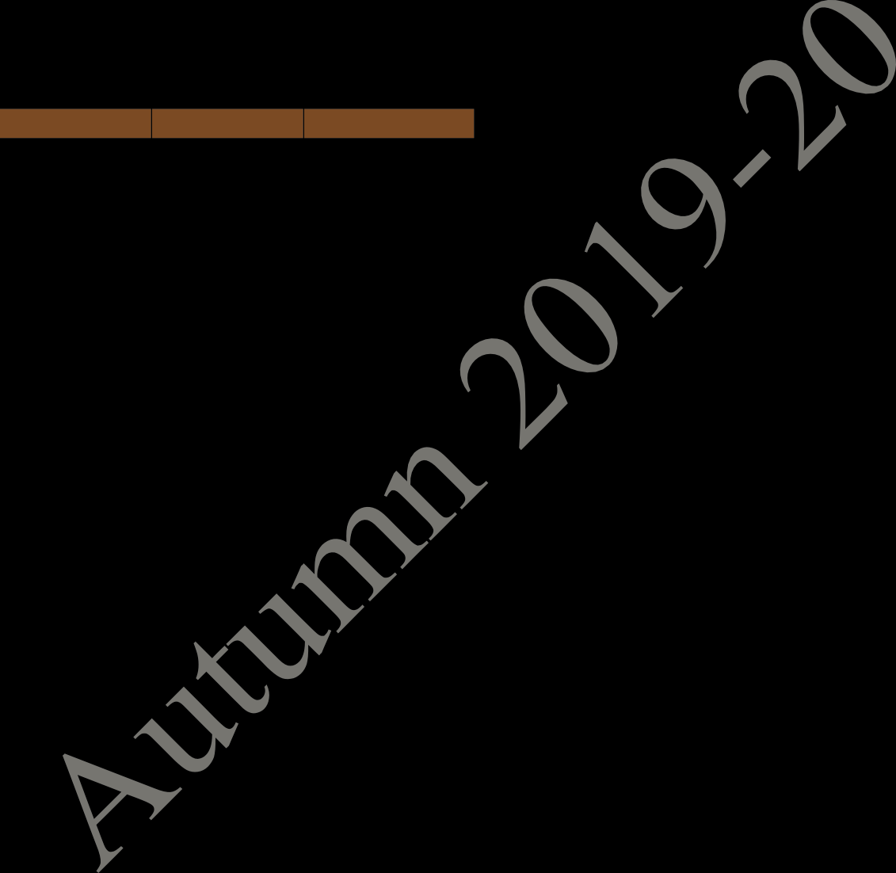
MA: Mathematics I PH: Physics CS: Programming & Data Structure ME: Mechanics EAA: Extra Academic Activity Sp within brackets indicates Special/Extra Class for the subject from 29 Jul 2019 – 23 Aug 2019 (T)- in brackets means Tutorial for that subject
Central Time Table Autumn 2019– 2020, Version 1.1 Updated -28 March 2019 22
FIRST YEAR TIME TABLE FOR SECTION 20 AUTUMN SEMESTER 2019 – 2020

Table 26
Course |  | No. of Students | A3 | B3 | C4 | D3/4 | E3/4 | F4 | G3 | U3/4
AE |  | 29 |  | HSS |  |  |  |  | HSS
AG |  | 30+3(FP)+ 6(EP) |  |  |  |  |  | B/ MA41031 /EP60005 | B/ BM60023
AR |  | 37 |  |  |  |  |  | B | B
BT |  | 23 |  |  |  |  |  | B | B
CE |  | 57+3(FP) |  | HSS |  |  |  | MA41031 | HSS/ BM60023
CH |  | 54+3(FP)+ 2(PT) |  |  |  |  |  | B/ MA41031 | B/ BM60023/PT
CS |  | 61
EC |  | 68
EE |  | 61+1(EP) |  |  |  |  |  | EP60005
IE |  | 35
IM |  | 32+3(FP) |  | HSS |  |  |  | MA41031 | HSS/ BM60023
ME |  | 72+1(FP) |  |  |  |  |  | MA41031 | BM60023
MF |  | 32
MI |  | 32+3(FP) )+ 1(EP)+ 3(PT) |  |  |  |  |  | MA41031/EP60005 | BM60023/PT
MT |  | 33+1(FP) +1(EP) |  |  |  |  |  | MA41031 /EP60005 | BM60023
NA |  | 24+3(FP) |  | HSS |  |  |  | MA41031 /EP60005 | HSS/ BM60023
CY |  | 22
EX |  | 29+2(PT) |  |  |  |  |  | M M /PT
GG |  | 27
HS |  | 49 |  |  |  |  |  | M | M
MA |  | 55
PH |  | 34 |  |  |  |  |  | M | M
MA41031 and BM60023 for FP students only
FP
p EP60005 | for EP students only,
• Indicates students from Interdisciplinary Dual Degree Program : Financial Engineering: • EP Indicates students from Interdisciplinary Dual Degree Program : Engineering Entrepreneurshi • PT Dual Degree Program in Petroleum Engineering—PE40001 • B: - Breadth Subjects (Allocation will be made in these slots) M:- Management Breadth
Central Time Table Autumn 2019– 2020, Version 1.1 Updated -28 March 2019 26
COMMON SUBJECTS AND BREADTH SLOTS FOR FOURTH YEAR (DUAL-DEGREE) DEPARTMENTS MAY FIX THE REMAINING CORE/ELECTIVE SUBJECTS IN THE AVAILABLE SLOTS

Table 32
Calculations
3-1-0
3-1-0
3-1-0
3-1-0
Circuits
3-1-0
15. CH21103 Chemical Process
Section | Departments |  | Room No. |  | No. of Students |  | Slot
1 | CH (85) + BT 3rd year (39) |  | NC141 |  | 124 |  | D4
16. ME21101 Fluid Mechanics
Section | Department |  | Room No. |  | No. of Students |  | Slot
1 | ME (130) + NA (58) + AG (66) (Section Division To Be Done By The Department) |  | NC241 |  |  |  | F4
2 |  |  | NC242 |  | 254 |  | F4
3 |  |  | NC243 |  |  |  | F4
4 |  |  | NC244 |  |  |  | F4
17. CE21005 Solid Mechanics
Section | Department |  | Room No. |  | No. of Students |  | Slot
1 | CE (89) + MI (83) |  | NC241,242 |  | 172 |  | C4
18. ME20001 Dynamics
Section | Department |  | Room No. |  | No. of Students |  | Slot
1 | ME (130) + MF (51) + QM(7) |  | NR421 |  | 188 |  | E4
19. EC31003 Digital Electronic
Section | Departments | Room |  | No. of Students |  | Slot
1 | EE (85) + IE (35) | NC241 |  | 120 |  | D4
2 | EC (112) + QE (8) | NC242 |  | 120 |  | D4
Central Time Table Autumn 2019– 2020, Version 1.1 Updated -28 March 2019 32
20. CE31001 Design of RC Structures 3-0-0

Table 35

32. Extra Academic Activity---EAA
Slot/Time | Rooms
Saturday 8:00 AM -12:55PM NSS | NR121, NR122
Saturday 9:00 AM-12:55PM | NR321,NR322(NCC-EME)
Saturday 9:00 AM-12:55PM | NR221,NR222(NCC-AR)
Central Time Table Autumn 2019– 2020, Version 1.1 Updated -28 March 2019 35

