Sheet1
Initial Pos | Constrained | Final Pos | Constrained | Erg Upper | Scenario | Information Map | Image | Time | Initial Pos | Constrained | Final Pos | Constrained | Erg Upper | Scenario | Information Map | Image | Time
Constrained Initial and Final Condition |  |  |  |  |  |  |  |  | Unconstrained Initial and final Condition
(1.5, -0.8) | TRUE | (2.0, 3.2) | TRUE | 0.1 | Uniform | return 0.001 | 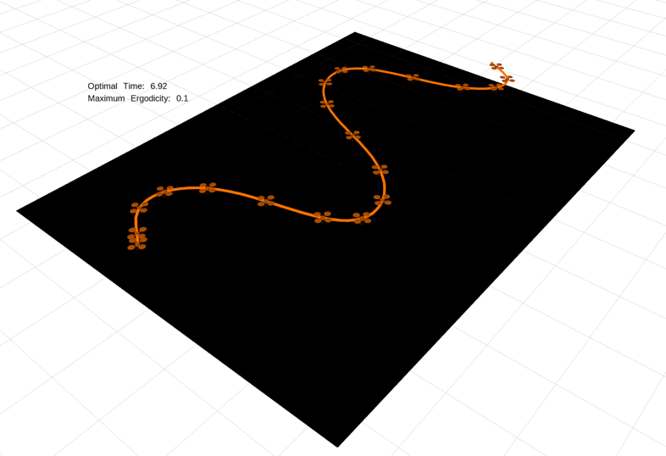 | 6.92 | (1.5, -0.8) | FALSE | (2.0, 3.2) | FALSE | 0.1 | Uniform | return 0.001 | 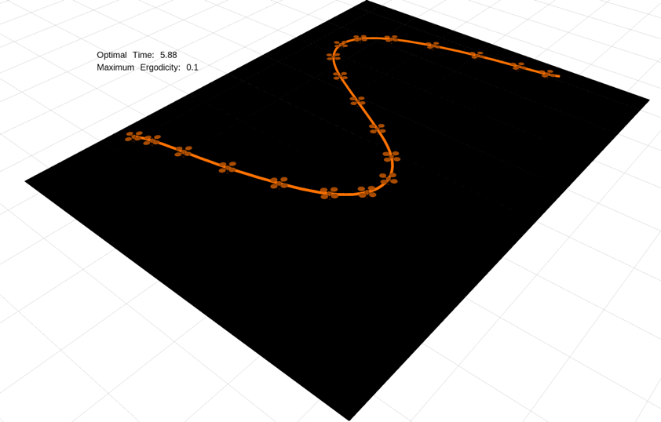 | 5.88
(1.5, -0.8) | TRUE | (2.0, 3.2) | TRUE | 0.01 | Uniform | return 0.001 | 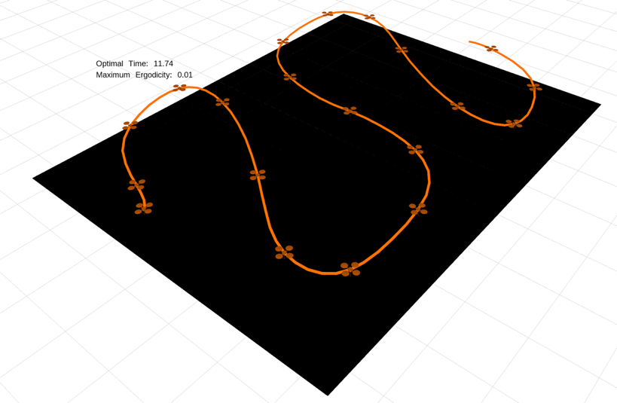 | 11.74 | (1.5, -0.8) | FALSE | (2.0, 3.2) | FALSE | 0.01 | Uniform | return 0.001 | 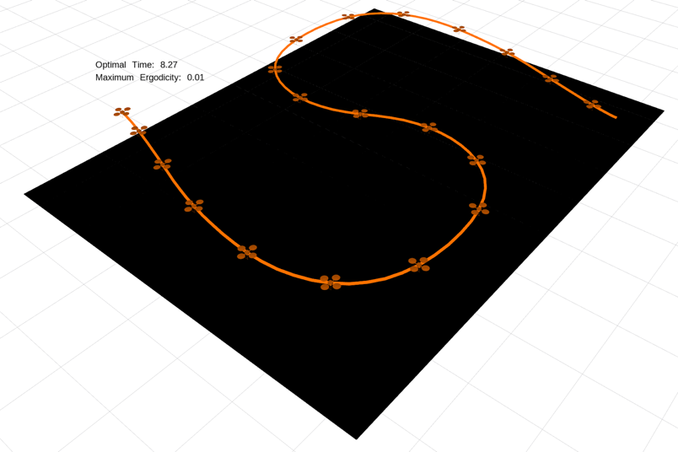 | 8.27
(1.5, -0.8) | TRUE | (2.0, 3.2) | TRUE | 0.001 | Uniform | return 0.001 | 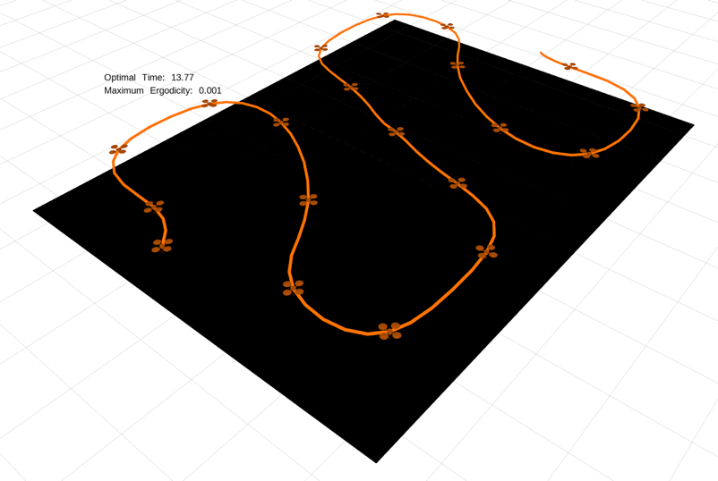 | 13.77 | (1.5, -0.8) | FALSE | (2.0, 3.2) | FALSE | 0.001 | Uniform | return 0.001 | 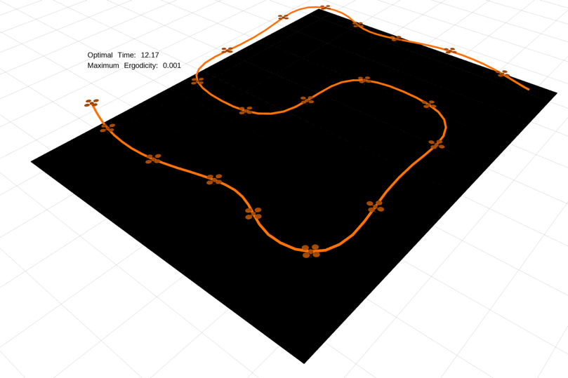 | 12.17
(1.5, -0.8) | TRUE | (2.0, 3.2) | TRUE | 0.0001 | Uniform | return 0.001 | 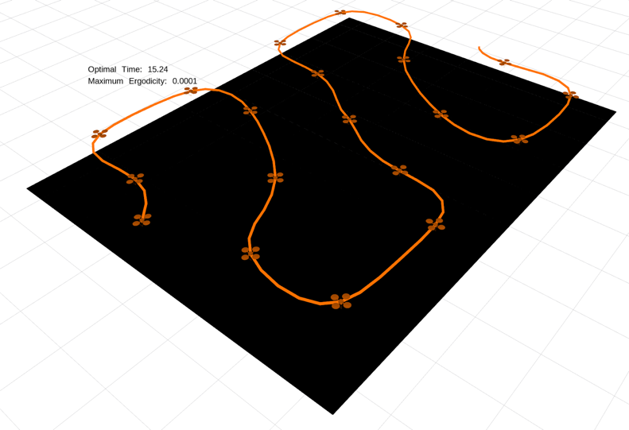 | 15.24 | (1.5, -0.8) | FALSE | (2.0, 3.2) | FALSE | 0.0001 | Uniform | return 0.001 | 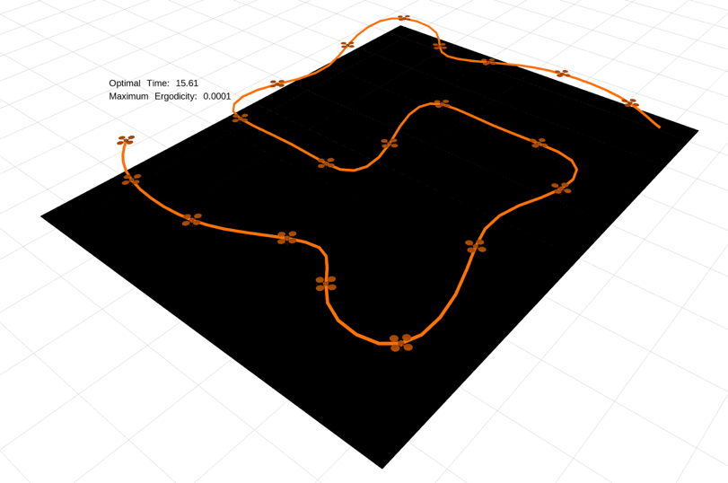 | 15.61
(1.5, -0.8) | TRUE | (2.0, 3.2) | TRUE | 0.1 | Corner Gaussians | return 0.5*(np.exp(-10.5 * np.sum((x[:2] - np.array([0., -0.5]))**2)) \ + np.exp(-10.5 * np.sum((x[:2] - np.array([3.5, 3.]))**2))) | 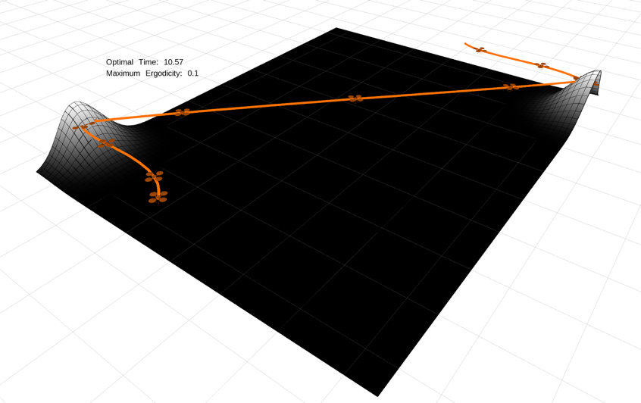 | 10.57 | (1.5, -0.8) | FALSE | (2.0, 3.2) | FALSE | 0.1 | Corner Gaussians | return 0.5*(np.exp(-10.5 * np.sum((x[:2] - np.array([0., -0.5]))**2)) \ + np.exp(-10.5 * np.sum((x[:2] - np.array([3.5, 3.]))**2))) | 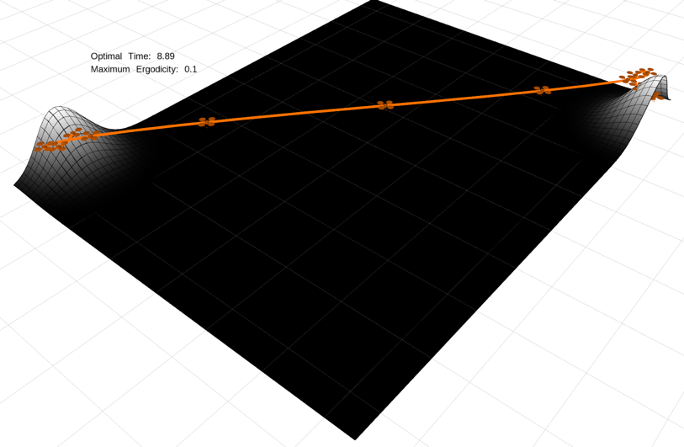 | 8.89
(1.5, -0.8) | TRUE | (2.0, 3.2) | TRUE | 0.01 | Corner Gaussians | return 0.5*(np.exp(-10.5 * np.sum((x[:2] - np.array([0., -0.5]))**2)) \ + np.exp(-10.5 * np.sum((x[:2] - np.array([3.5, 3.]))**2))) | 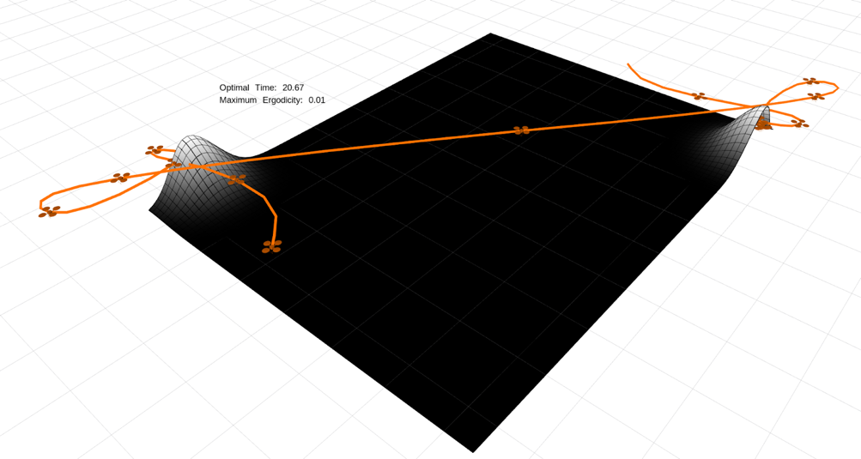 | 20.67 | (1.5, -0.8) | FALSE | (2.0, 3.2) | FALSE | 0.01 | Corner Gaussians | return 0.5*(np.exp(-10.5 * np.sum((x[:2] - np.array([0., -0.5]))**2)) \ + np.exp(-10.5 * np.sum((x[:2] - np.array([3.5, 3.]))**2))) | 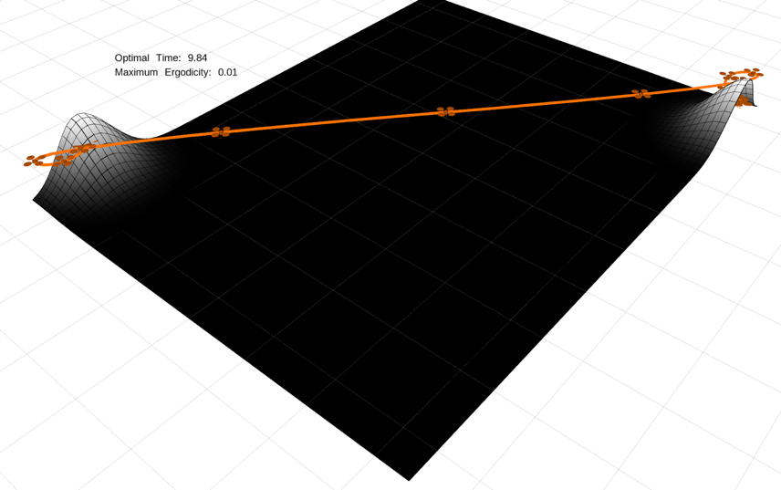 | 9.84
(1.5, -0.8) | TRUE | (2.0, 3.2) | TRUE | 0.001 | Corner Gaussians | return 0.5*(np.exp(-10.5 * np.sum((x[:2] - np.array([0., -0.5]))**2)) \ + np.exp(-10.5 * np.sum((x[:2] - np.array([3.5, 3.]))**2))) | 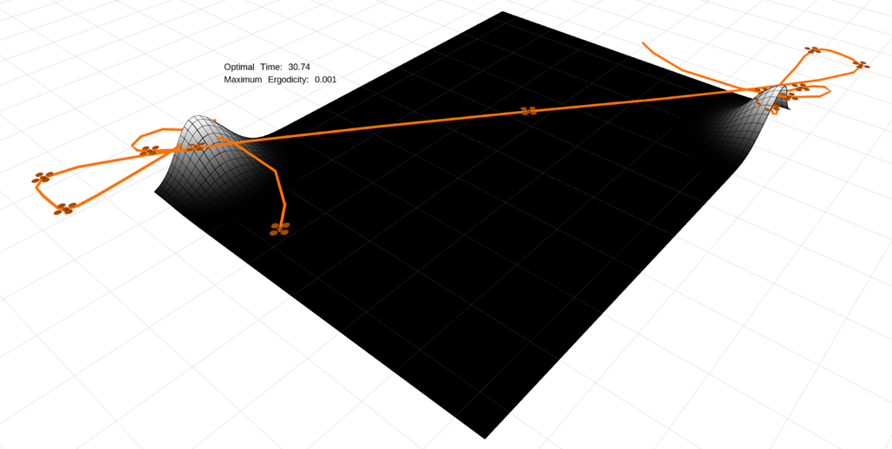 | 30.74 | (1.5, -0.8) | FALSE | (2.0, 3.2) | FALSE | 0.001 | Corner Gaussians | return 0.5*(np.exp(-10.5 * np.sum((x[:2] - np.array([0., -0.5]))**2)) \ + np.exp(-10.5 * np.sum((x[:2] - np.array([3.5, 3.]))**2))) | 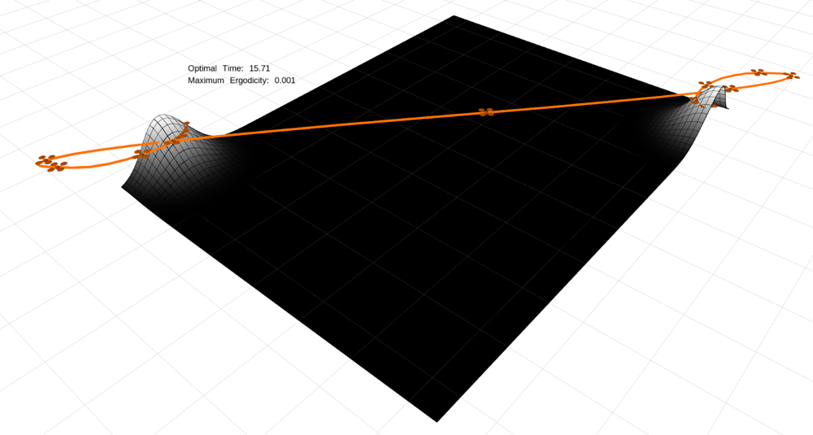 | 15.71
(1.5, -0.8) | TRUE | (2.0, 3.2) | TRUE | 0.0001 | Corner Gaussians | return 0.5*(np.exp(-10.5 * np.sum((x[:2] - np.array([0., -0.5]))**2)) \ + np.exp(-10.5 * np.sum((x[:2] - np.array([3.5, 3.]))**2))) | 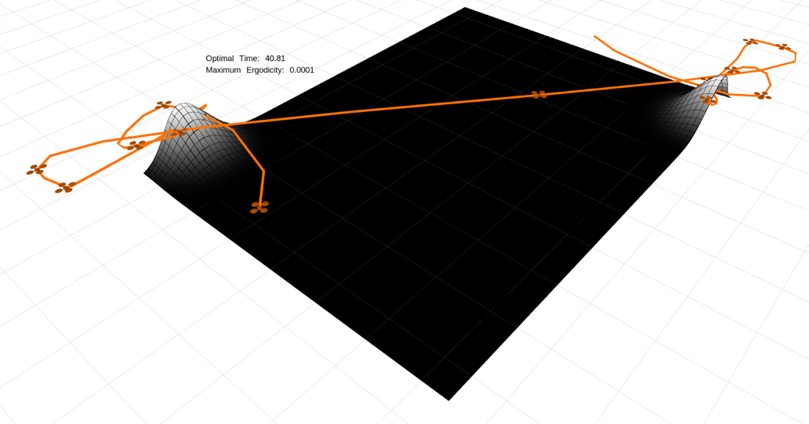 | 40.81 | (1.5, -0.8) | FALSE | (2.0, 3.2) | FALSE | 0.0001 | Corner Gaussians | return 0.5*(np.exp(-10.5 * np.sum((x[:2] - np.array([0., -0.5]))**2)) \ + np.exp(-10.5 * np.sum((x[:2] - np.array([3.5, 3.]))**2))) | 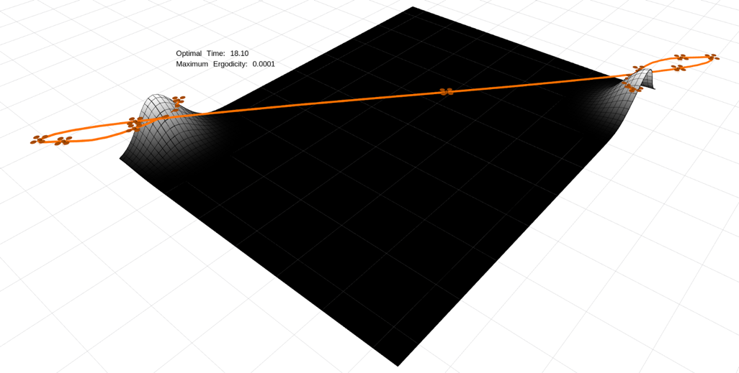 | 18.1
(1.5, -0.8) | TRUE | (2.0, 3.2) | TRUE | 0.1 | Start/Finish Gaussians | return 0.5*(np.exp(-10.5 * np.sum((x[:2] - np.array([1.5, -0.8]))**2)) \ + np.exp(-10.5 * np.sum((x[:2] - np.array([2., 3.2]))**2))) | 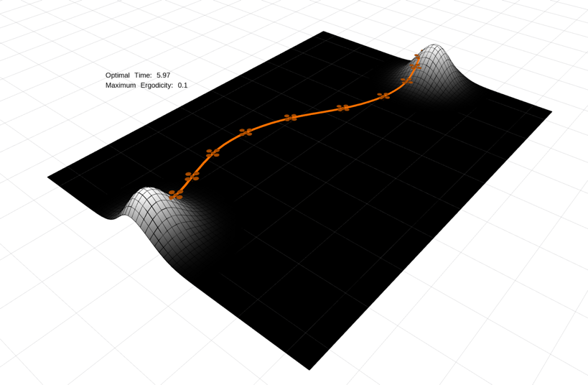 | 5.97 | (1.5, -0.8) | FALSE | (2.0, 3.2) | FALSE | 0.1 | Start/Finish Gaussians | return 0.5*(np.exp(-10.5 * np.sum((x[:2] - np.array([1.5, -0.8]))**2)) \ + np.exp(-10.5 * np.sum((x[:2] - np.array([2., 3.2]))**2))) | 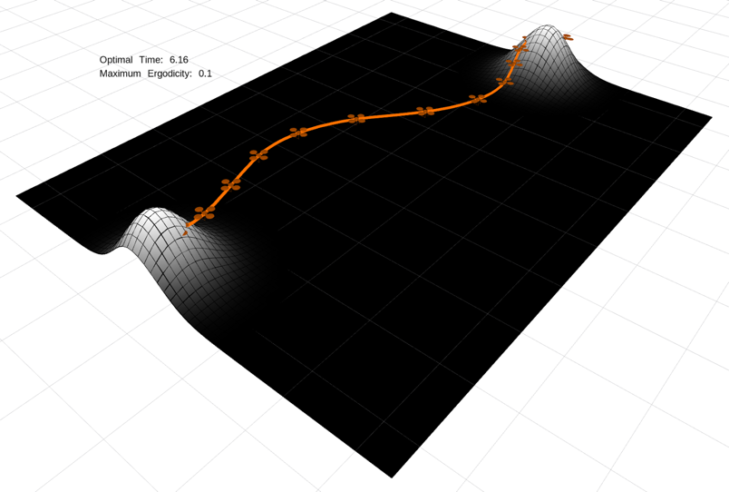 | 6.16
(1.5, -0.8) | TRUE | (2.0, 3.2) | TRUE | 0.01 | Start/Finish Gaussians | return 0.5*(np.exp(-10.5 * np.sum((x[:2] - np.array([1.5, -0.8]))**2)) \ + np.exp(-10.5 * np.sum((x[:2] - np.array([2., 3.2]))**2))) | 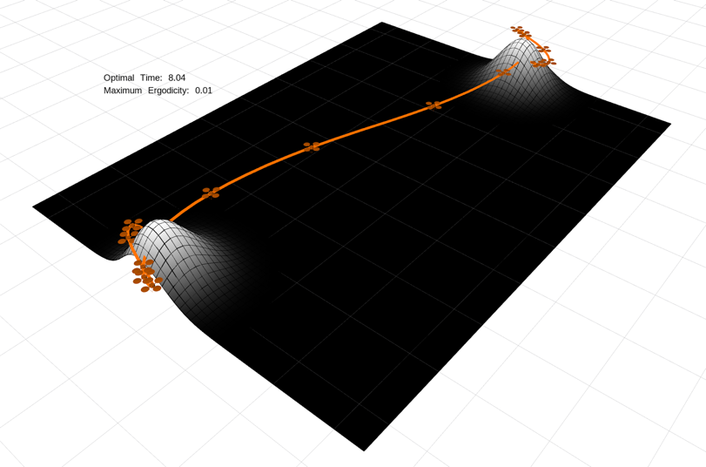 | 8.04 | (1.5, -0.8) | FALSE | (2.0, 3.2) | FALSE | 0.01 | Start/Finish Gaussians | return 0.5*(np.exp(-10.5 * np.sum((x[:2] - np.array([1.5, -0.8]))**2)) \ + np.exp(-10.5 * np.sum((x[:2] - np.array([2., 3.2]))**2))) | 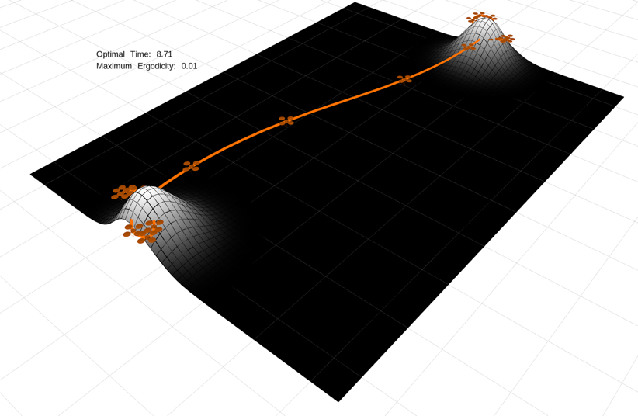 | 8.71
(1.5, -0.8) | TRUE | (2.0, 3.2) | TRUE | 0.001 | Start/Finish Gaussians | return 0.5*(np.exp(-10.5 * np.sum((x[:2] - np.array([1.5, -0.8]))**2)) \ + np.exp(-10.5 * np.sum((x[:2] - np.array([2., 3.2]))**2))) | 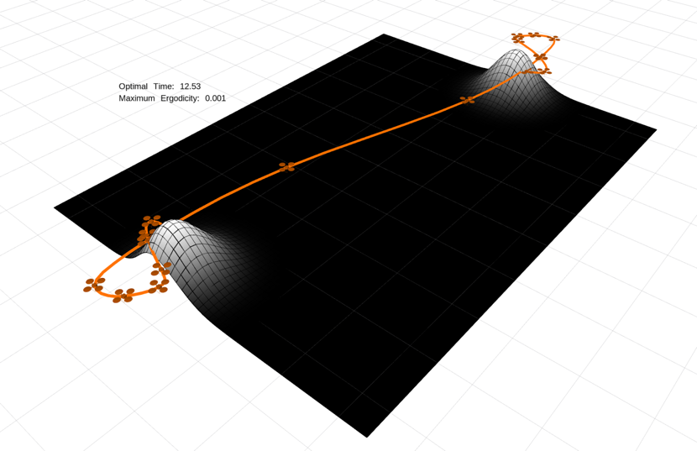 | 12.53 | (1.5, -0.8) | FALSE | (2.0, 3.2) | FALSE | 0.001 | Start/Finish Gaussians | return 0.5*(np.exp(-10.5 * np.sum((x[:2] - np.array([1.5, -0.8]))**2)) \ + np.exp(-10.5 * np.sum((x[:2] - np.array([2., 3.2]))**2))) | 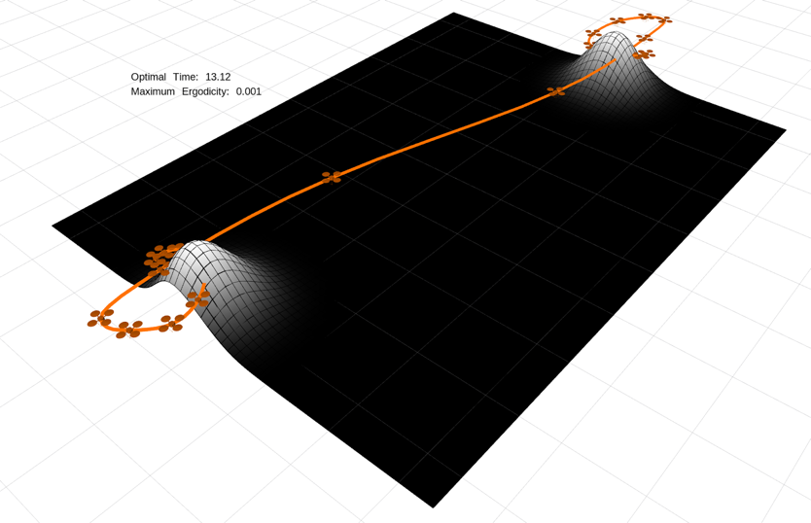 | 13.12
(1.5, -0.8) | TRUE | (2.0, 3.2) | TRUE | 0.0001 | Start/Finish Gaussians | return 0.5*(np.exp(-10.5 * np.sum((x[:2] - np.array([1.5, -0.8]))**2)) \ + np.exp(-10.5 * np.sum((x[:2] - np.array([2., 3.2]))**2))) | 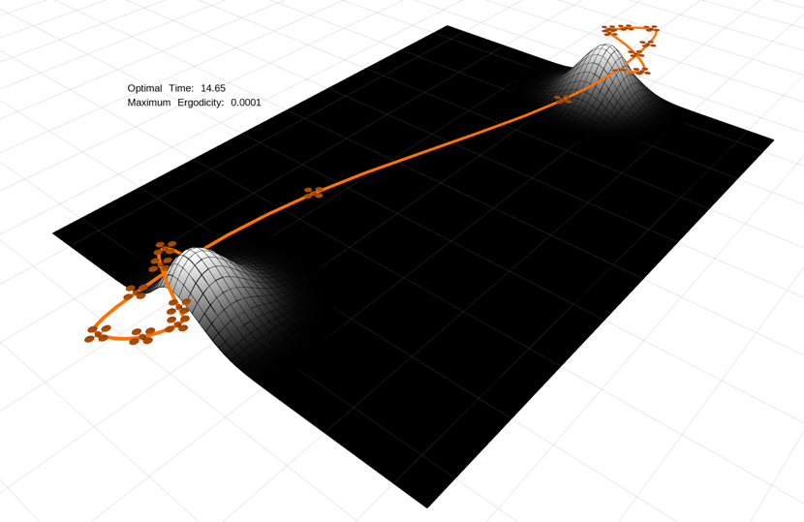 | 14.65 | (1.5, -0.8) | FALSE | (2.0, 3.2) | FALSE | 0.0001 | Start/Finish Gaussians | return 0.5*(np.exp(-10.5 * np.sum((x[:2] - np.array([1.5, -0.8]))**2)) \ + np.exp(-10.5 * np.sum((x[:2] - np.array([2., 3.2]))**2))) | 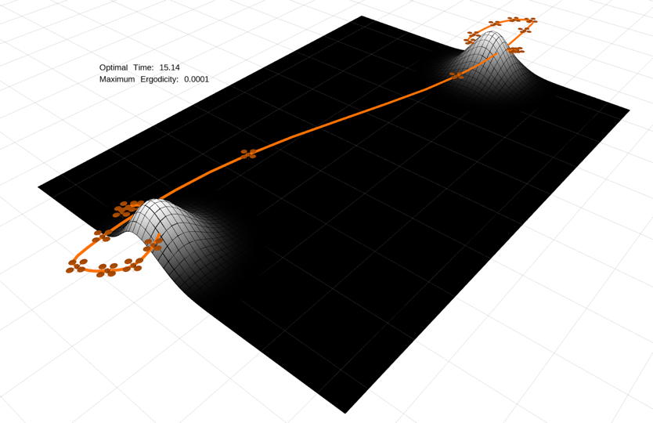 | 15.14
(1.5, -0.8) | TRUE | (2.0, 3.2) | TRUE | 0.1 | Side Gaussians | return 0.5*(np.exp(-10.5 * np.sum((x[:2] - np.array([0.5, 1.5]))**2)) \ + np.exp(-10.5 * np.sum((x[:2] - np.array([3., 1.5]))**2))) | 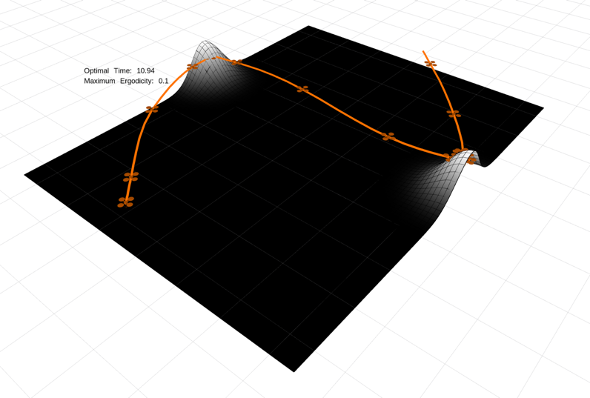 | 10.94 | (1.5, -0.8) | FALSE | (2.0, 3.2) | FALSE | 0.1 | Side Gaussians | return 0.5*(np.exp(-10.5 * np.sum((x[:2] - np.array([0.5, 1.5]))**2)) \ + np.exp(-10.5 * np.sum((x[:2] - np.array([3., 1.5]))**2))) | 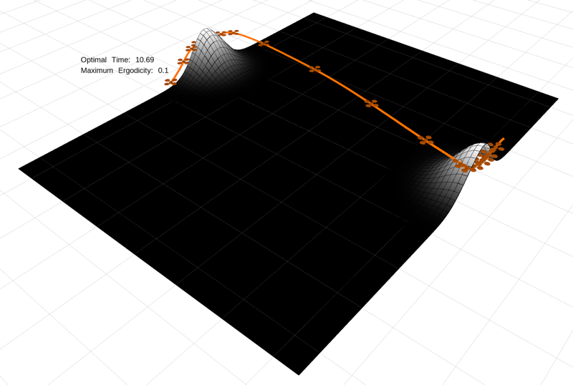 | 10.69
(1.5, -0.8) | TRUE | (2.0, 3.2) | TRUE | 0.01 | Side Gaussians | return 0.5*(np.exp(-10.5 * np.sum((x[:2] - np.array([0.5, 1.5]))**2)) \ + np.exp(-10.5 * np.sum((x[:2] - np.array([3., 1.5]))**2))) | 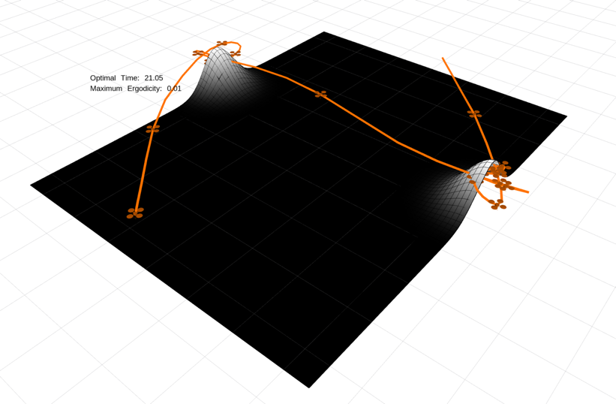 | 21.05 | (1.5, -0.8) | FALSE | (2.0, 3.2) | FALSE | 0.01 | Side Gaussians | return 0.5*(np.exp(-10.5 * np.sum((x[:2] - np.array([0.5, 1.5]))**2)) \ + np.exp(-10.5 * np.sum((x[:2] - np.array([3., 1.5]))**2))) | 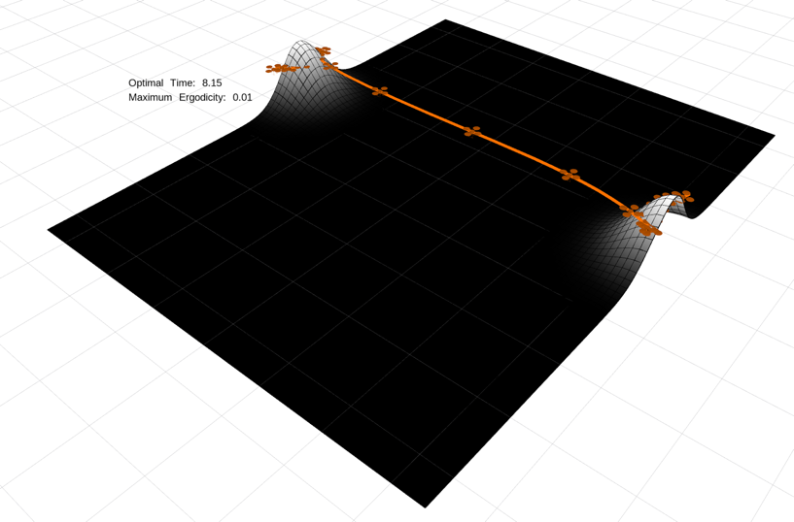 | 8.15
(1.5, -0.8) | TRUE | (2.0, 3.2) | TRUE | 0.001 | Side Gaussians | return 0.5*(np.exp(-10.5 * np.sum((x[:2] - np.array([0.5, 1.5]))**2)) \ + np.exp(-10.5 * np.sum((x[:2] - np.array([3., 1.5]))**2))) | 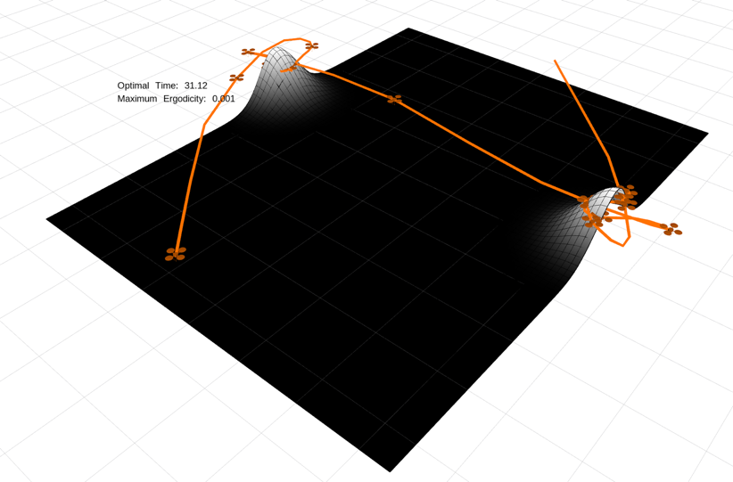 | 31.12 | (1.5, -0.8) | FALSE | (2.0, 3.2) | FALSE | 0.001 | Side Gaussians | return 0.5*(np.exp(-10.5 * np.sum((x[:2] - np.array([0.5, 1.5]))**2)) \ + np.exp(-10.5 * np.sum((x[:2] - np.array([3., 1.5]))**2))) | 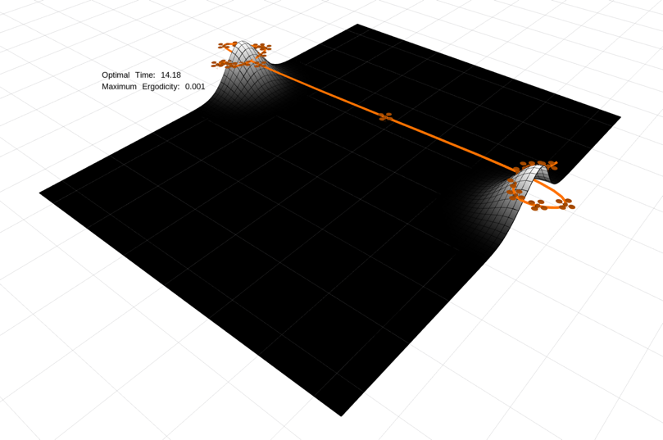 | 14.18
(1.5, -0.8) | TRUE | (2.0, 3.2) | TRUE | 0.0001 | Side Gaussians | return 0.5*(np.exp(-10.5 * np.sum((x[:2] - np.array([0.5, 1.5]))**2)) \ + np.exp(-10.5 * np.sum((x[:2] - np.array([3., 1.5]))**2))) | 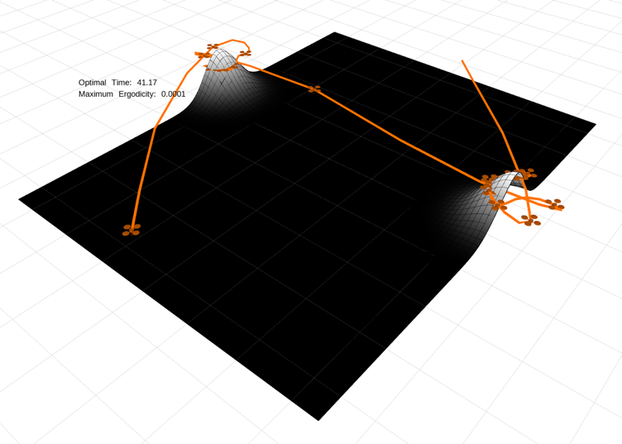 | 41.17 | (1.5, -0.8) | FALSE | (2.0, 3.2) | FALSE | 0.0001 | Side Gaussians | return 0.5*(np.exp(-10.5 * np.sum((x[:2] - np.array([0.5, 1.5]))**2)) \ + np.exp(-10.5 * np.sum((x[:2] - np.array([3., 1.5]))**2))) | 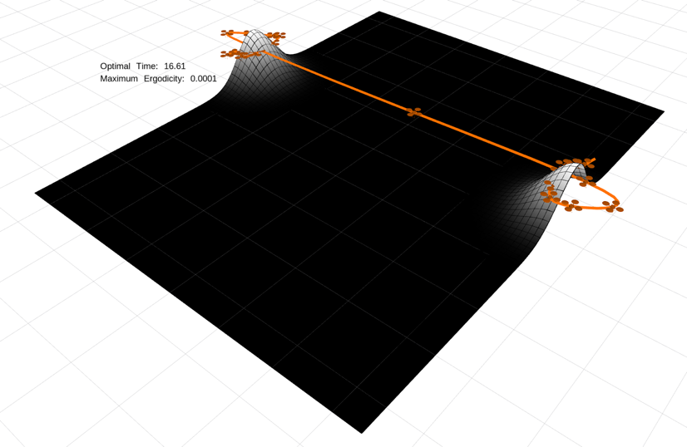 | 16.61
(1.5, -0.8) | TRUE | (2.0, 3.2) | TRUE | 0.1 | Gaussian Row | return 0.25*(np.exp(-10.5 * np.sum((x[:1] - np.array([1.75]))**2)) | 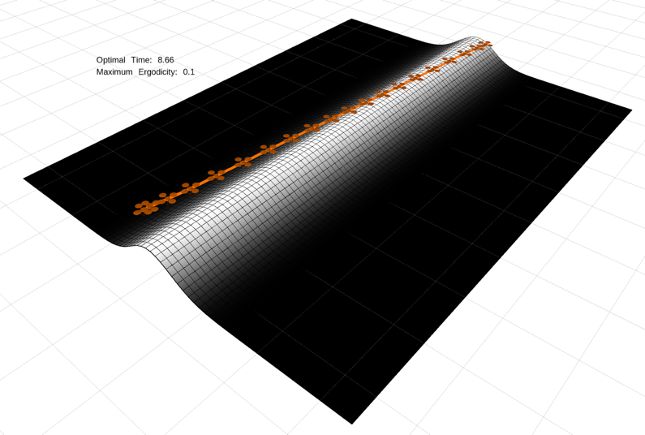 | 8.66 | (1.5, -0.8) | FALSE | (2.0, 3.2) | FALSE | 0.1 | Gaussian Row | return 0.25*(np.exp(-10.5 * np.sum((x[:1] - np.array([1.75]))**2)) | 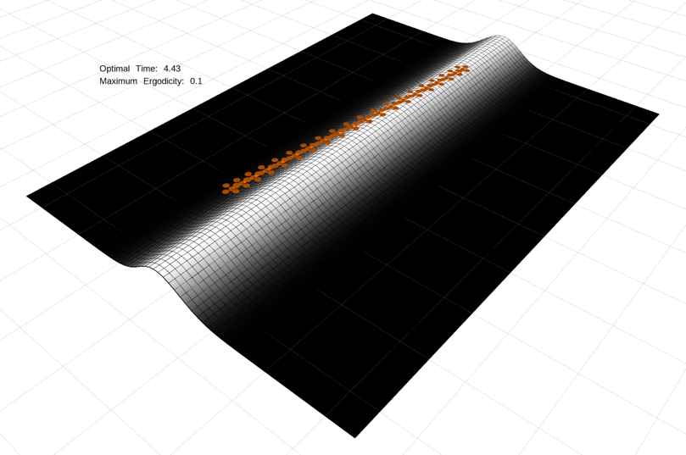 | 4.43
(1.5, -0.8) | TRUE | (2.0, 3.2) | TRUE | 0.01 | Gaussian Row | return 0.25*(np.exp(-10.5 * np.sum((x[:1] - np.array([1.75]))**2)) | 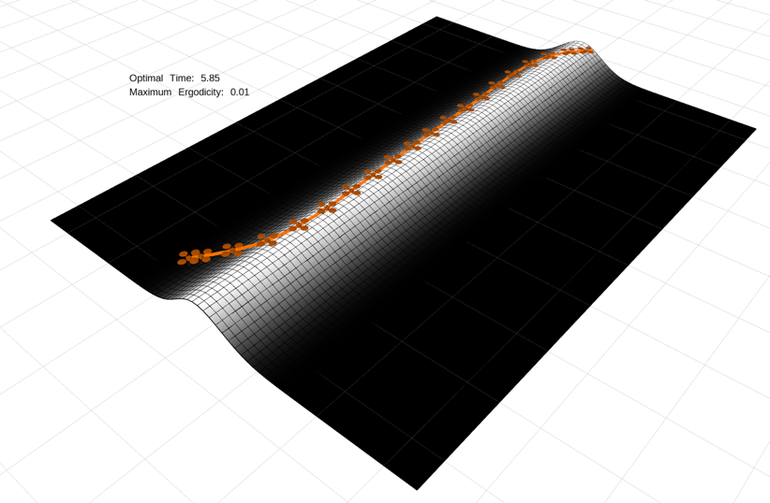 | 5.85 | (1.5, -0.8) | FALSE | (2.0, 3.2) | FALSE | 0.01 | Gaussian Row | return 0.25*(np.exp(-10.5 * np.sum((x[:1] - np.array([1.75]))**2)) | 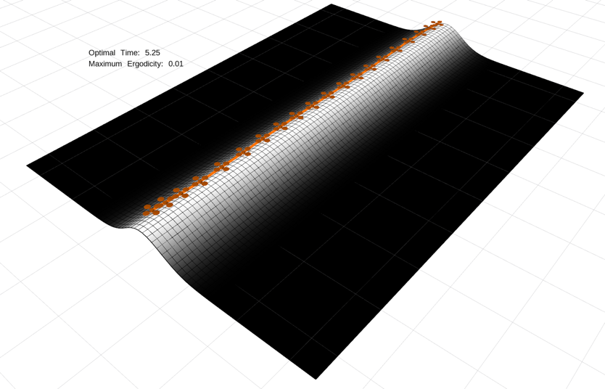 | 5.25
(1.5, -0.8) | TRUE | (2.0, 3.2) | TRUE | 0.001 | Gaussian Row | return 0.25*(np.exp(-10.5 * np.sum((x[:1] - np.array([1.75]))**2)) | 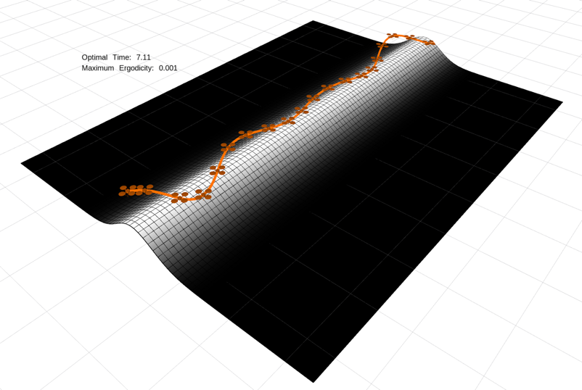 | 7.11 | (1.5, -0.8) | FALSE | (2.0, 3.2) | FALSE | 0.001 | Gaussian Row | return 0.25*(np.exp(-10.5 * np.sum((x[:1] - np.array([1.75]))**2)) |  | 5.32
(1.5, -0.8) | TRUE | (2.0, 3.2) | TRUE | 0.0001 | Gaussian Row | return 0.25*(np.exp(-10.5 * np.sum((x[:1] - np.array([1.75]))**2)) | 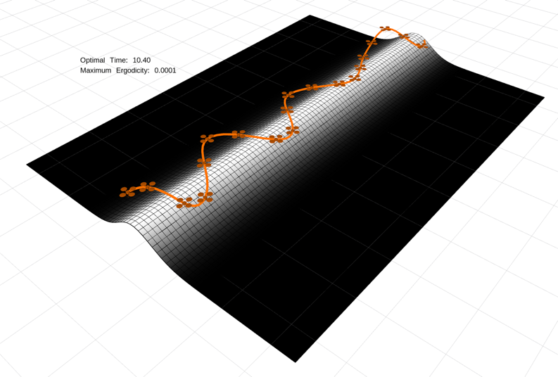 | 10.4 | (1.5, -0.8) | FALSE | (2.0, 3.2) | FALSE | 0.0001 | Gaussian Row | return 0.25*(np.exp(-10.5 * np.sum((x[:1] - np.array([1.75]))**2)) |  | 6.33
(1.75, -0.8) | TRUE | (1.75, 3.2) | TRUE | 0.1 | Gaussian Row (aligned) | return 0.25*(np.exp(-10.5 * np.sum((x[:1] - np.array([1.75]))**2)) |  | 8.2 | (1.75, -0.8) | FALSE | (1.75, 3.2) | FALSE | 0.1 | Gaussian Row (aligned) | return 0.25*(np.exp(-10.5 * np.sum((x[:1] - np.array([1.75]))**2)) |  | 4.53
(1.75, -0.8) | TRUE | (1.75, 3.2) | TRUE | 0.01 | Gaussian Row (aligned) | return 0.25*(np.exp(-10.5 * np.sum((x[:1] - np.array([1.75]))**2)) |  | 5.75 | (1.75, -0.8) | FALSE | (1.75, 3.2) | FALSE | 0.01 | Gaussian Row (aligned) | return 0.25*(np.exp(-10.5 * np.sum((x[:1] - np.array([1.75]))**2)) |  | 5.29
(1.75, -0.8) | TRUE | (1.75, 3.2) | TRUE | 0.001 | Gaussian Row (aligned) | return 0.25*(np.exp(-10.5 * np.sum((x[:1] - np.array([1.75]))**2)) |  | 5.74 | (1.75, -0.8) | FALSE | (1.75, 3.2) | FALSE | 0.001 | Gaussian Row (aligned) | return 0.25*(np.exp(-10.5 * np.sum((x[:1] - np.array([1.75]))**2)) |  | 5.36
(1.75, -0.8) | TRUE | (1.75, 3.2) | TRUE | 0.0001 | Gaussian Row (aligned) | return 0.25*(np.exp(-10.5 * np.sum((x[:1] - np.array([1.75]))**2)) |  | 5.74 | (1.75, -0.8) | FALSE | (1.75, 3.2) | FALSE | 0.0001 | Gaussian Row (aligned) | return 0.25*(np.exp(-10.5 * np.sum((x[:1] - np.array([1.75]))**2)) |  | 5.36

