Solutions
1 | Highlight all the dates after October 06, 2018:
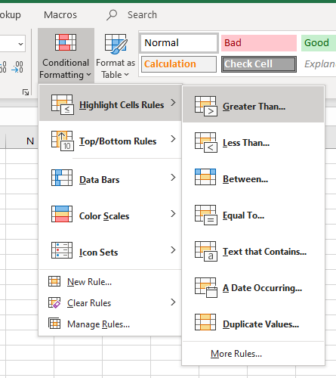
 | Date
 | 2018-11-03
 | 2019-05-11
 | 2018-12-03
 | 2019-09-26
 | 2018-04-12
 | 2019-01-03
 | 2018-05-06
 | 2019-06-21
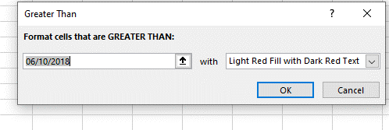
 | 2019-07-24
 | 2018-04-22
 | 2019-06-08
 | 2017-10-17
 | 2018-01-28
 | 2019-03-19
 | 2019-08-18
 | 2017-10-19

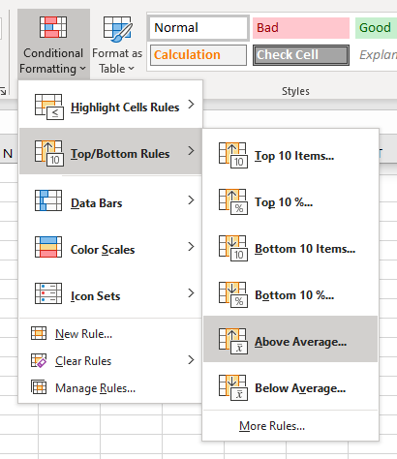

2 | Highlight all grades above average:

 | Grades
 | 59
 | 56
 | 75
 | 99
 | 86 | Check yourself:
 | 72 | 76.6 | =AVERAGE(B34:B48)
 | 89
 | 67
 | 76
 | 80
 | 71
 | 56
 | 63
 | 100
 | 100

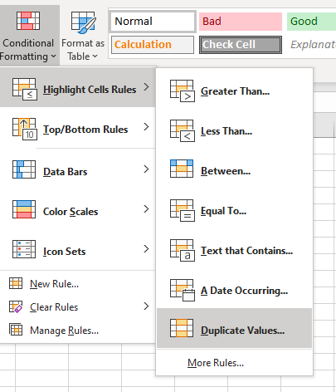

3 | Highlight all the duplicate names:

 | John
 | Danny
 | Dean
 | Donny
 | Jake
 | Jill
 | Hannah
 | Jake
 | John
 | Danny
 | Dean

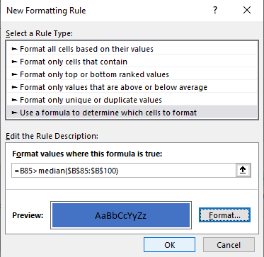
4 | Highlight all cells greater than the MEDIAN of the range:
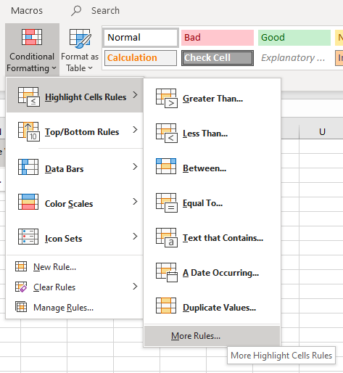
 | 79 |  |  | Tip:
 | 59 |  |  | Use Median Function to calculate the Median
 | 60
 | 78 |  |  | Check yourself:
 | 87 |  |  | 78 | =MEDIAN(B85:B100)
 | 88
 | 71
 | 78
 | 99
 | 54
 | 57
 | 95
 | 55
 | 91
 | 76
 | 79

 |  |  |  |  |  | Please note -
 |  |  |  |  |  | Don't use reference on Cell B85! It has to be dynamic!

