Hoja1
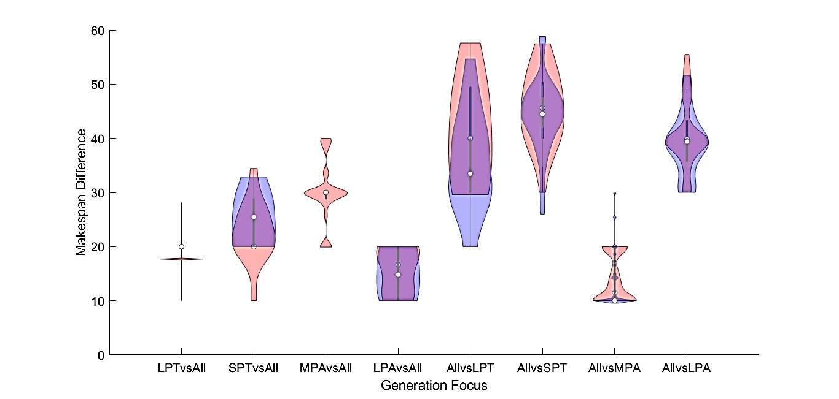

 | Violin 1 |  |  | Violin 3
 | Red Violin | Blue Violin |  | Red Violin | Blue Violin
median | 20 | 20 | median | 30 | 30
mean | 19.7529 | 21.6807 | mean | 30.0944 | 29.5143
min | 10 | 16.5285 | min | 19.9059 | 19.9959
max | 28.1501 | 30 | max | 40 | 40
std | 4.2481 | 4.0238 | std | 5.5157 | 5.0216
iqr | 0.0005 | 0 | iqr | 1.1965 | 0.0734

