Ranked Median Values
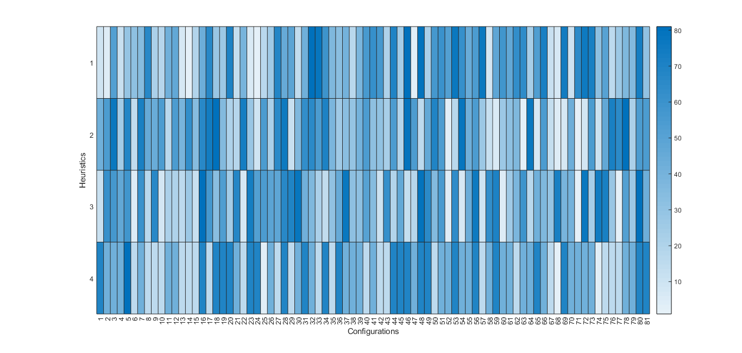

Heuristic | Population | UF | GC | SC
LPTvsSPT | 10 | 0.9 | 1.5 | 2.5
SPTvsLPT | 50 | 0.9 | 2.5 | 0.5
MPAvsLPA | 50 | 0.5 | 1.5 | 2.5
LPAvsMPA | 50 | 0.5 | 1.5 | 1.5

