Receipts
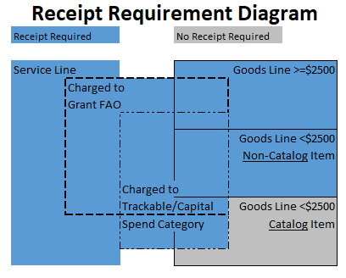
Receipt Requirement
Adding a Receipt in Workday involves acknowledging the quantity (of goods) or dollar amount (of services) received and therefore okay to pay those invoiced amounts.
Adding a Receipt in Workday is NOT attaching a scan/copy of the packing slip, invoice or other documentation related to the purchase, unless desired.

