sql
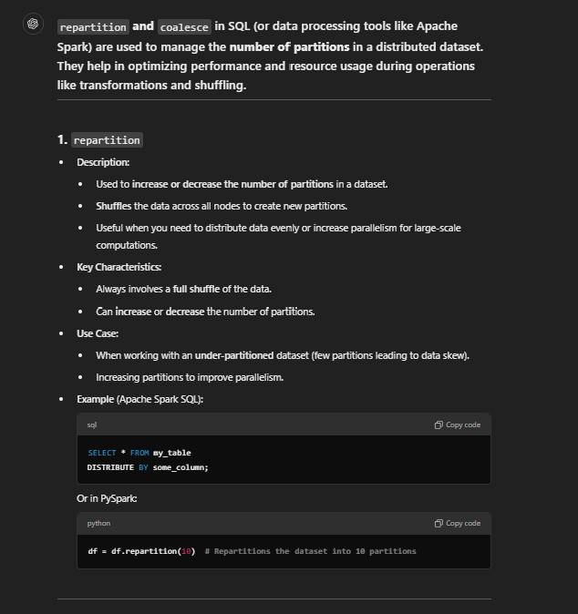
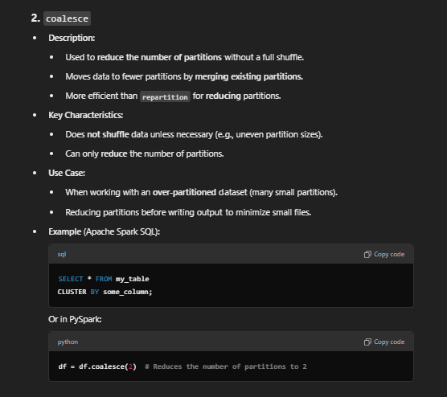
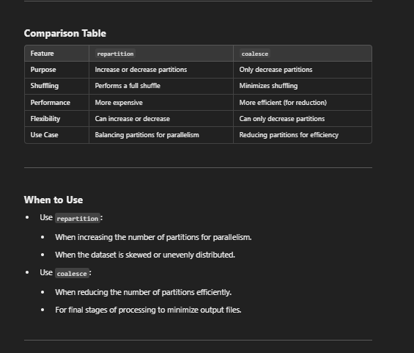
SQL provides a variety of window functions (also called analytic functions) that perform calculations across a set of rows related to
the current row. These calculations are done within a "window" defined by the OVER() clause.

Here’s a comprehensive list of commonly used window functions:

1. Ranking Functions
These assign a rank or number to rows within a partition.
Function | Description
ROW_NUMBER() | Assigns a unique sequential integer to rows, starting from 1.
RANK() | Assigns a rank to each row, with gaps in the ranking for duplicate values.
DENSE_RANK() | Assigns a rank to each row without gaps in ranking.
NTILE(n) | Divides rows into n buckets and assigns a bucket number to each row.

2. Aggregate Window Functions
These functions calculate aggregate values over a window.
Function | Description
SUM() | Returns the sum of values in the window.
AVG() | Returns the average of values in the window.
MIN() | Returns the minimum value in the window.
MAX() | Returns the maximum value in the window.
COUNT() | Returns the count of rows in the window.

3. Offset Window Functions
These functions access data in previous or subsequent rows.
Function | Description
LAG(expression, offset, default) | Accesses data from a previous row in the same result set.
LEAD(expression, offset, default) | Accesses data from a subsequent row in the same result set.
FIRST_VALUE(expression) | Returns the first value in the window frame.
LAST_VALUE(expression) | Returns the last value in the window frame.
NTH_VALUE(expression, n) | Returns the nth value in the window frame.

4. Value Navigation Functions
These provide flexibility to navigate through rows within the partition.
Function | Description
PERCENT_RANK() | Calculates the relative rank of a row as a percentage of total rows.
CUME_DIST() | Calculates the cumulative distribution of a value in the window.

5. Statistical and Percentile Functions
These provide advanced statistical calculations.
Function | Description
PERCENTILE_CONT() | Returns the continuous percentile value.
PERCENTILE_DISC() | Returns the discrete percentile value.
MEDIAN() (Optional) | Calculates the median of values (in databases that support it, like Oracle).

6. Windowing Clause
All these functions use the OVER() clause, which specifies:Partitioning (PARTITION BY): Divides the result set into partitions.
Ordering (ORDER BY): Defines the order of rows in the window.
Framing: Determines the range of rows considered in the calculation, such as:
ROWS BETWEEN UNBOUNDED PRECEDING AND CURRENT ROW
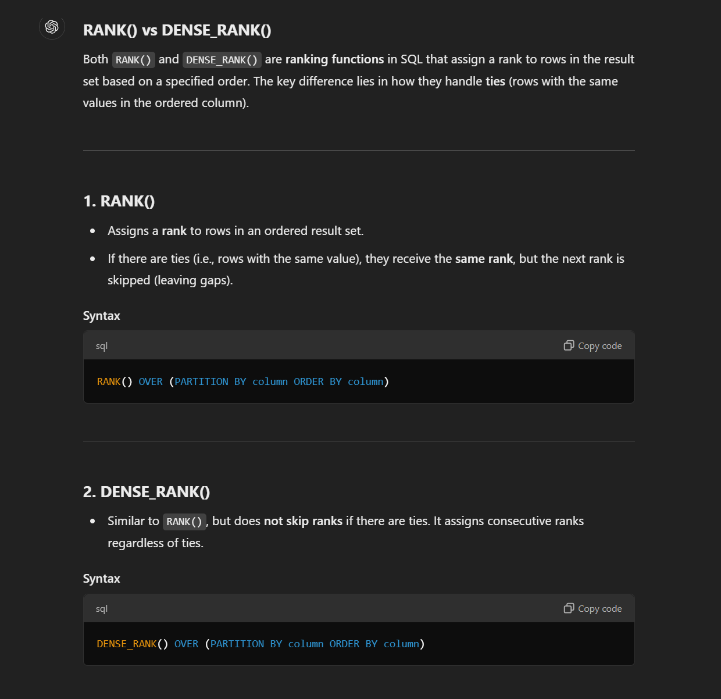
RANGE BETWEEN CURRENT ROW AND UNBOUNDED FOLLOWING

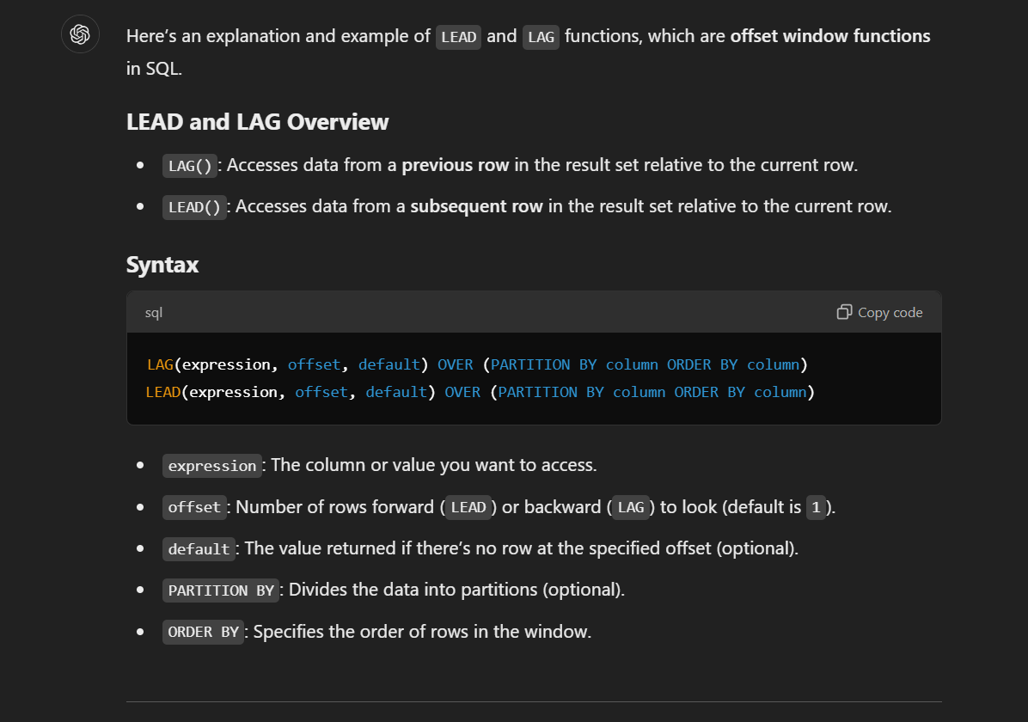

Example Data
Suppose you have the following sales table: |  |  |  |  |  | 1. RANK()
employee_id | sales_date | sales_amount |  |  |  | Assigns a rank to rows in an ordered result set.
1 | 2023-01-01 | 100 |  |  |  | If there are ties (i.e., rows with the same value), they receive the same rank, but the next rank is skipped (leaving gaps).
1 | 2023-01-02 | 150 |  |  |  | Syntax
1 | 2023-01-03 | 120 |  |  |  | RANK() OVER (PARTITION BY column ORDER BY column)
2 | 2023-01-01 | 200 |  |  |  | 2. DENSE_RANK()
2 | 2023-01-02 | 180 |  |  |  | Similar to RANK(), but does not skip ranks if there are ties. It assigns consecutive ranks regardless of ties.
2 | 2023-01-03 | 220 |  |  |  | Syntax
1. Using LAG to Compare with Previous Row |  |  |  |  |  | DENSE_RANK() OVER (PARTITION BY column ORDER BY column)
Find the sales amount for the previous day for each employee. |  |  |  |  |  | Example Data
SELECT |  |  |  |  |  | Suppose you have a sales table:
employee_id, |  |  |  |  |  | employee_id | sales_amount | department_id
sales_date, |  |  |  |  |  | 1 | 500 | 101
sales_amount, |  |  |  |  |  | 2 | 400 | 101
LAG(sales_amount, 1, 0) OVER (PARTITION BY employee_id ORDER BY sales_date) AS previous_sales |  |  |  |  |  | 3 | 400 | 101
FROM sales; |  |  |  |  |  | 4 | 300 | 102
Result: |  |  |  |  |  | 5 | 300 | 102
employee_id | sales_date | sales_amount | previous_sales |  |  | 6 | 200 | 102
1 | 2023-01-01 | 100 | 0 |  |  | Example 1: Using RANK()
1 | 2023-01-02 | 150 | 100 |  |  | Assign a rank to employees in each department based on their sales_amount (highest first).
1 | 2023-01-03 | 120 | 150 |  |  | SELECT
2 | 2023-01-01 | 200 | 0 |  |  | department_id,
2 | 2023-01-02 | 180 | 200 |  |  | employee_id,
2 | 2023-01-03 | 220 | 180 |  |  | sales_amount,
2. Using LEAD to Compare with Next Row |  |  |  |  |  | RANK() OVER (PARTITION BY department_id ORDER BY sales_amount DESC) AS rank
Find the sales amount for the next day for each employee. |  |  |  |  |  | FROM sales;
SELECT |  |  |  |  |  | Result:
employee_id, |  |  |  |  |  | department_id | employee_id | sales_amount | rank
sales_date, |  |  |  |  |  | 101 | 1 | 500 | 1
sales_amount, |  |  |  |  |  | 101 | 2 | 400 | 2
LEAD(sales_amount, 1, 0) OVER (PARTITION BY employee_id ORDER BY sales_date) AS next_sales |  |  |  |  |  | 101 | 3 | 400 | 2
FROM sales; |  |  |  |  |  | 102 | 4 | 300 | 1
Result: |  |  |  |  |  | 102 | 5 | 300 | 1
employee_id | sales_date | sales_amount | next_sales |  |  | 102 | 6 | 200 | 3
1 | 2023-01-01 | 100 | 150 |  |  | Notice the tie for sales_amount = 400 (employees 2 and 3). Both are ranked 2, but the next rank is 4, skipping 3.
1 | 2023-01-02 | 150 | 120 |  |  | Example 2: Using DENSE_RANK()
1 | 2023-01-03 | 120 | 0 |  |  | Assign a dense rank to employees in each department based on their sales_amount (highest first).
2 | 2023-01-01 | 200 | 180 |  |  | SELECT
2 | 2023-01-02 | 180 | 220 |  |  | department_id,
2 | 2023-01-03 | 220 | 0 |  |  | employee_id,
3. Calculate Difference Between Current and Previous Sales |  |  |  |  |  | sales_amount,
Using LAG, calculate the difference in sales compared to the previous day. |  |  |  |  |  | DENSE_RANK() OVER (PARTITION BY department_id ORDER BY sales_amount DESC) AS dense_rank
SELECT |  |  |  |  |  | FROM sales;
employee_id, |  |  |  |  |  | Result:
sales_date, |  |  |  |  |  | department_id | employee_id | sales_amount | dense_rank
sales_amount, |  |  |  |  |  | 101 | 1 | 500 | 1
sales_amount - LAG(sales_amount, 1, 0) OVER (PARTITION BY employee_id ORDER BY sales_date) AS sales_difference |  |  |  |  |  | 101 | 2 | 400 | 2
FROM sales; |  |  |  |  |  | 101 | 3 | 400 | 2
Result: |  |  |  |  |  | 102 | 4 | 300 | 1
employee_id | sales_date | sales_amount | sales_difference |  |  | 102 | 5 | 300 | 1
1 | 2023-01-01 | 100 | 100 |  |  | 102 | 6 | 200 | 2
1 | 2023-01-02 | 150 | 50 |  |  | Notice the tie for sales_amount = 400 (employees 2 and 3). Both are ranked 2, but the next rank is 3 for RANK() and 2 for DENSE_RANK().
1 | 2023-01-03 | 120 | -30 |  |  | Key Differences
2 | 2023-01-01 | 200 | 200 |  |  | Feature | RANK() | DENSE_RANK()
2 | 2023-01-02 | 180 | -20 |  |  | Handling Ties | Assigns the same rank to ties but skips the next rank(s). | Assigns the same rank to ties but does not skip ranks.
2 | 2023-01-03 | 220 | 40 |  |  | Rank Progression | May have gaps in ranking numbers. | Ranks are sequential, with no gaps.
4. Using LEAD to Predict Future Trend |  |  |  |  |  | Example 3: Comparing Both
Find sales growth by comparing current sales with the next day’s sales. |  |  |  |  |  | SELECT
SELECT |  |  |  |  |  | department_id,
employee_id, |  |  |  |  |  | employee_id,
sales_date, |  |  |  |  |  | sales_amount,
sales_amount, |  |  |  |  |  | RANK() OVER (PARTITION BY department_id ORDER BY sales_amount DESC) AS rank,
LEAD(sales_amount, 1, 0) OVER (PARTITION BY employee_id ORDER BY sales_date) - sales_amount AS growth |  |  |  |  |  | DENSE_RANK() OVER (PARTITION BY department_id ORDER BY sales_amount DESC) AS dense_rank
FROM sales; |  |  |  |  |  | FROM sales;
Result: |  |  |  |  |  | Result:
employee_id | sales_date | sales_amount | growth |  |  | department_id | employee_id | sales_amount | rank | dense_rank
1 | 2023-01-01 | 100 | 50 |  |  | 101 | 1 | 500 | 1 | 1
1 | 2023-01-02 | 150 | -30 |  |  | 101 | 2 | 400 | 2 | 2
1 | 2023-01-03 | 120 | -120 |  |  | 101 | 3 | 400 | 2 | 2
2 | 2023-01-01 | 200 | -20 |  |  | 102 | 4 | 300 | 1 | 1
2 | 2023-01-02 | 180 | 40 |  |  | 102 | 5 | 300 | 1 | 1
2 | 2023-01-03 | 220 | -220 |  |  | 102 | 6 | 200 | 3 | 2
Key Points: |  |  |  |  |  | When to Use Each
Use PARTITION BY when analyzing data separately for different groups (e.g., employees or departments). |  |  |  |  |  | Use RANK():
Use ORDER BY to specify the sequence in which rows are processed. |  |  |  |  |  | When gaps in ranks are acceptable or meaningful.
The default value in LEAD or LAG helps handle boundary conditions (e.g., first or last row). |  |  |  |  |  | For example, in a competition where skipping ranks after a tie is standard.
Let me know if you'd like more examples or clarifications! |  |  |  |  |  | Use DENSE_RANK():
 |  |  |  |  |  | When you need continuous ranking without gaps.
 |  |  |  |  |  | For example, assigning priorities or categorizing data without skipping numbers.

JOINS

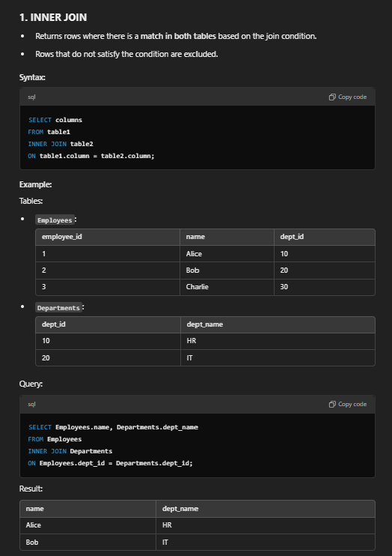
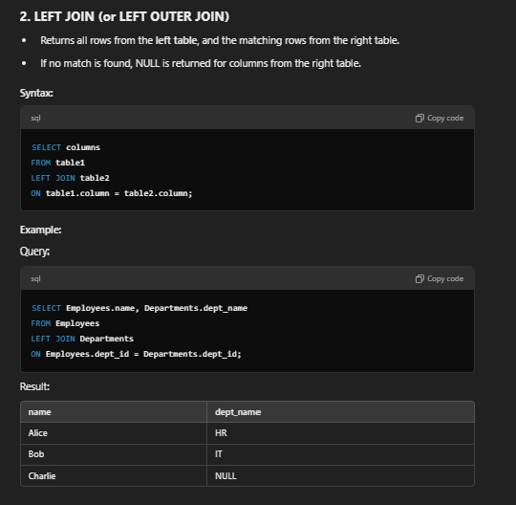

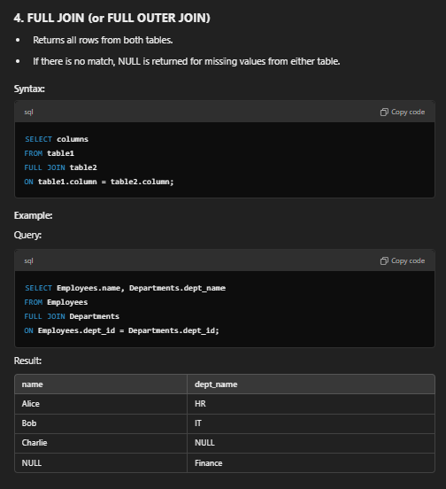

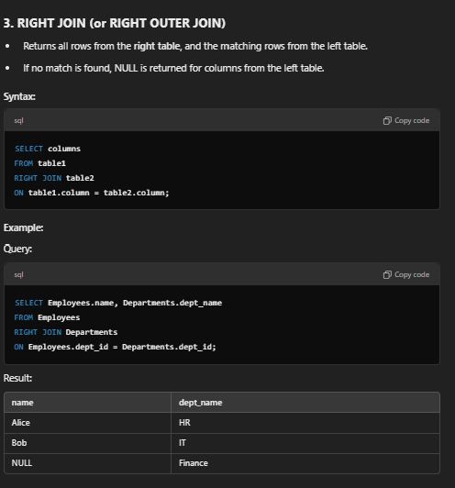

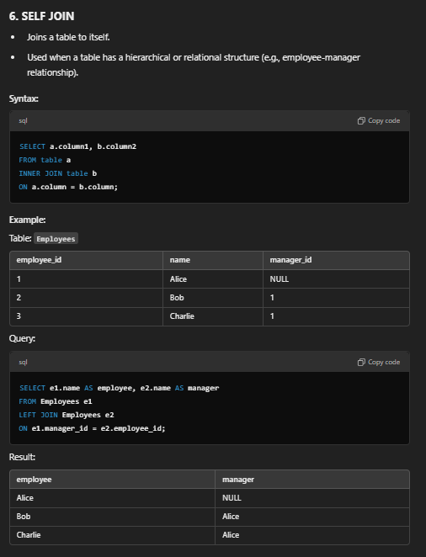

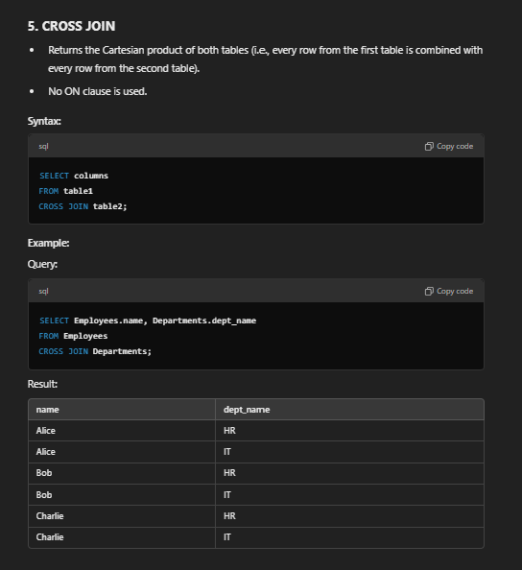

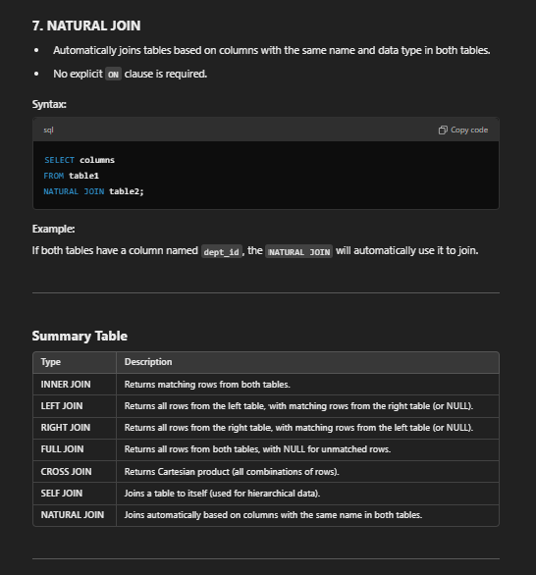

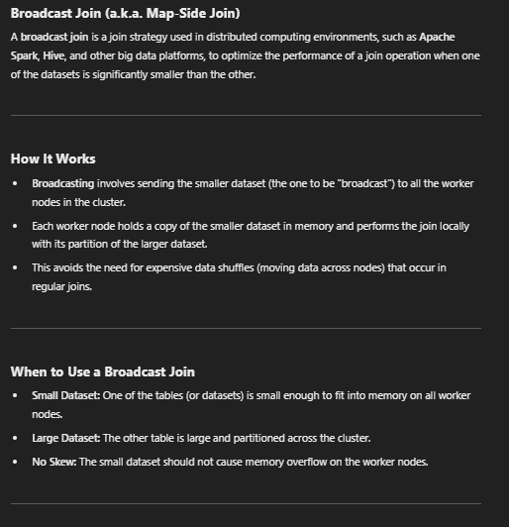
 |  |  |  | BROADCAST JOIN

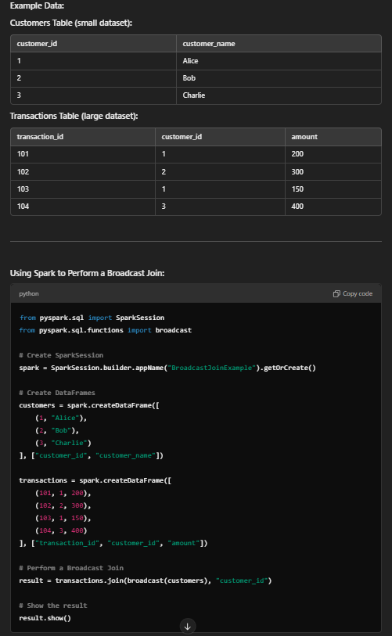

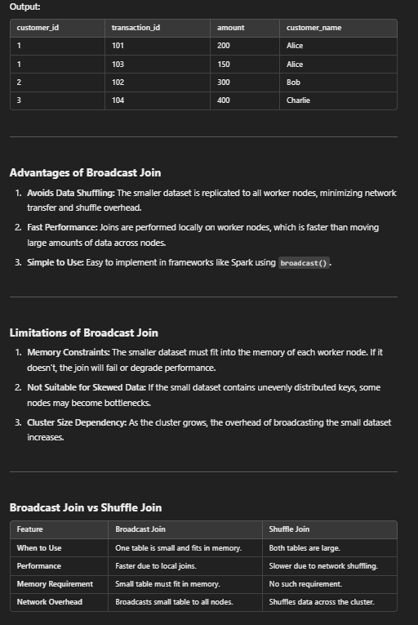

To get the top 3 highest salaries in SQL, you can use several approaches depending on your database system. Below are some common methods:
Using LIMIT (MySQL, PostgreSQL, SQLite)
SELECT salary
FROM employees
ORDER BY salary DESC
LIMIT 3;
Explanation:
Sort the employees table by salary in descending order.
Use LIMIT 3 to fetch the top 3 rows.
Using TOP (SQL Server)
SELECT TOP 3 salary
FROM employees
ORDER BY salary DESC;
Explanation:
Use TOP 3 to retrieve the first 3 rows after sorting by salary in descending order.
Using RANK() (Standard SQL for handling ties)
If there are ties in the salary values, RANK() ensures the proper ranking with skipped positions for ties.
SELECT salary
FROM (
SELECT salary, RANK() OVER (ORDER BY salary DESC) AS rank
FROM employees
) ranked_salaries
WHERE rank <= 3;
Explanation:
Use RANK() to assign a rank to each row based on the salary in descending order.
Filter rows where the rank is less than or equal to 3.
Using DENSE_RANK() (Standard SQL for dense ranking)
If you want consecutive ranks without skipping values for ties:
SELECT salary
FROM (
SELECT salary, DENSE_RANK() OVER (ORDER BY salary DESC) AS dense_rank
FROM employees
) ranked_salaries
WHERE dense_rank <= 3;
Explanation:
DENSE_RANK() assigns consecutive ranks without gaps for tied salaries.
Using DISTINCT with LIMIT
If you want distinct top 3 salaries (to exclude duplicates):
SELECT DISTINCT salary
FROM employees
ORDER BY salary DESC
LIMIT 3;
Using a Subquery (Generic Approach)
SELECT salary
FROM employees e1
WHERE 3 > (
SELECT COUNT(DISTINCT salary)
FROM employees e2
WHERE e2.salary > e1.salary
);
Explanation:
For each salary in the outer query (e1), count the number of distinct salaries in the inner query (e2) that are greater than it.
Only return rows where the count is less than 3 (i.e., top 3 salaries).

repartition |  |  |  |  | coalesce

python
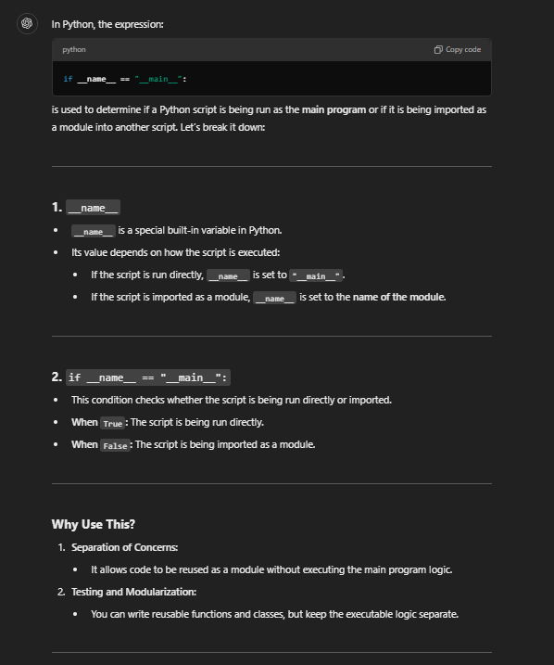
TOPICS NAME
DATATYPES

Python datatypes

NUMERIC |  | SET
SEQUENCE |  | MAPPING

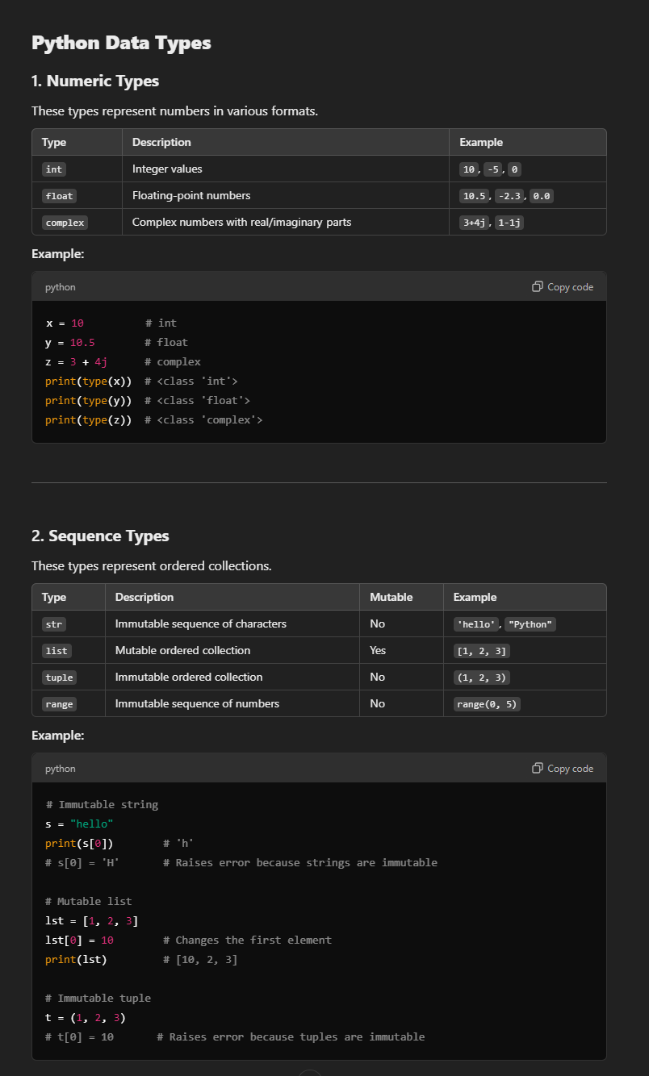
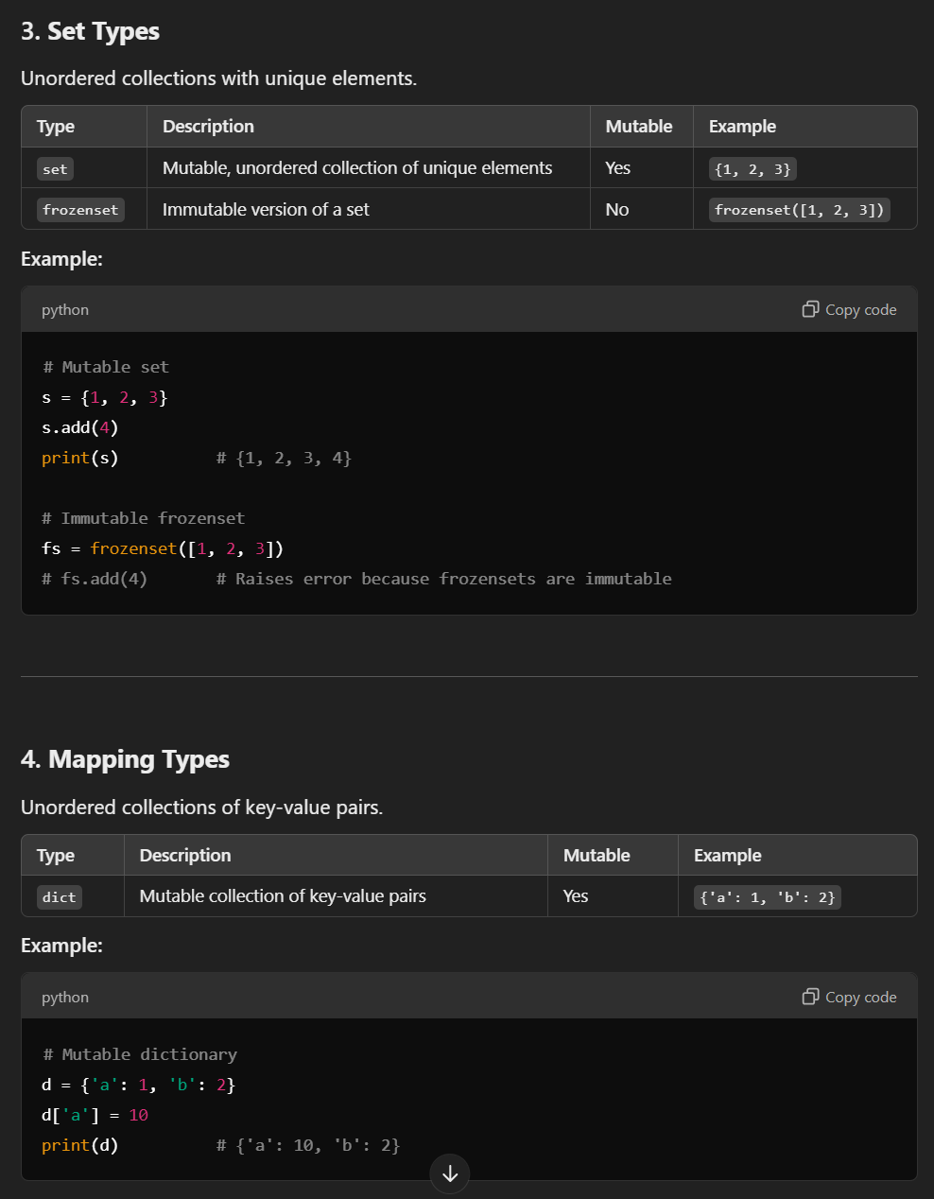

BOOLEAN
BINARY |  |  | NONE
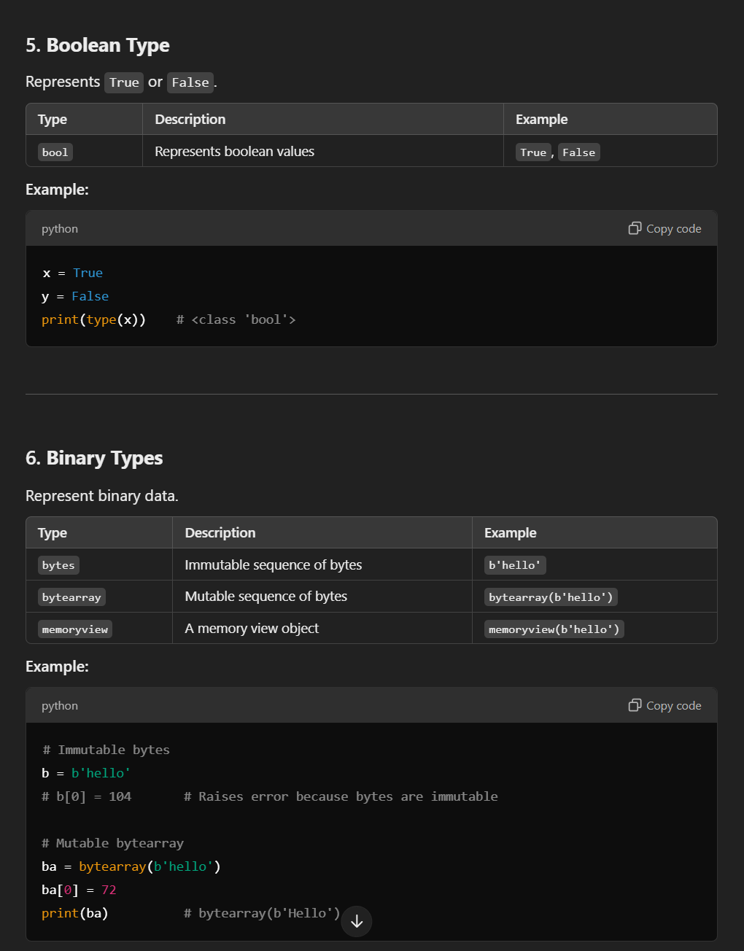
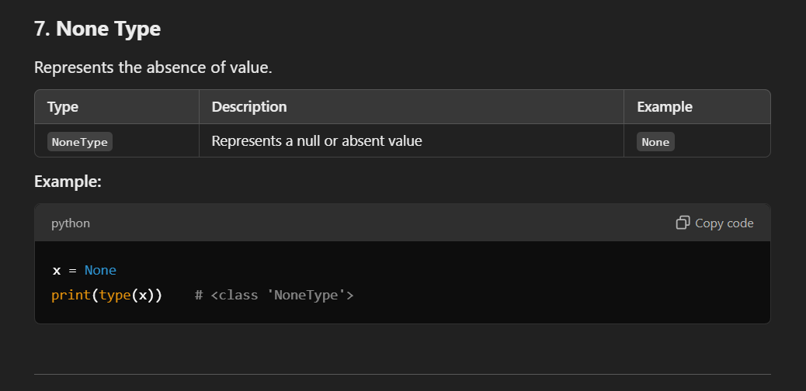

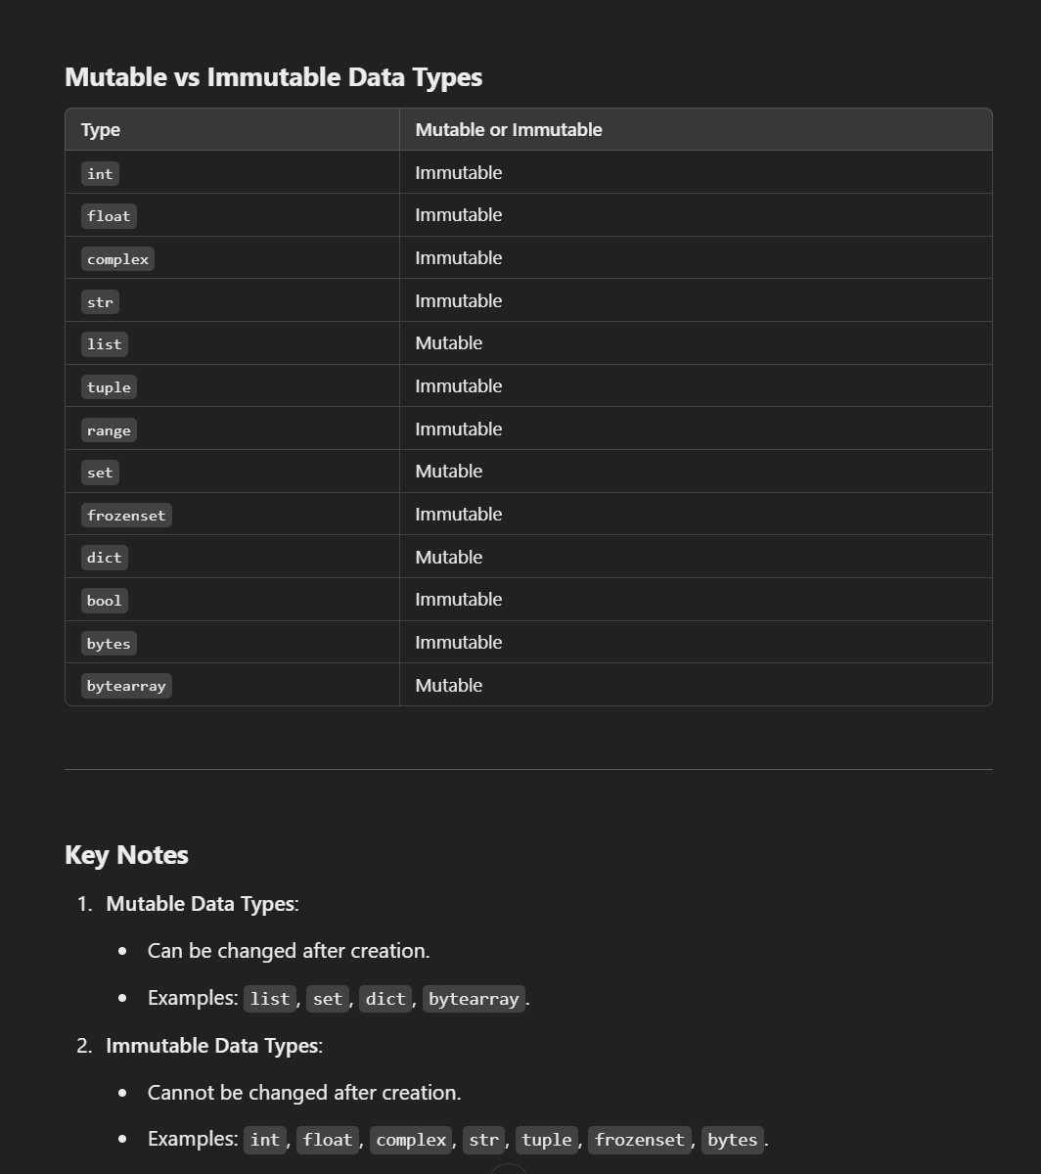

LAMBDA |  |  |  | MAP

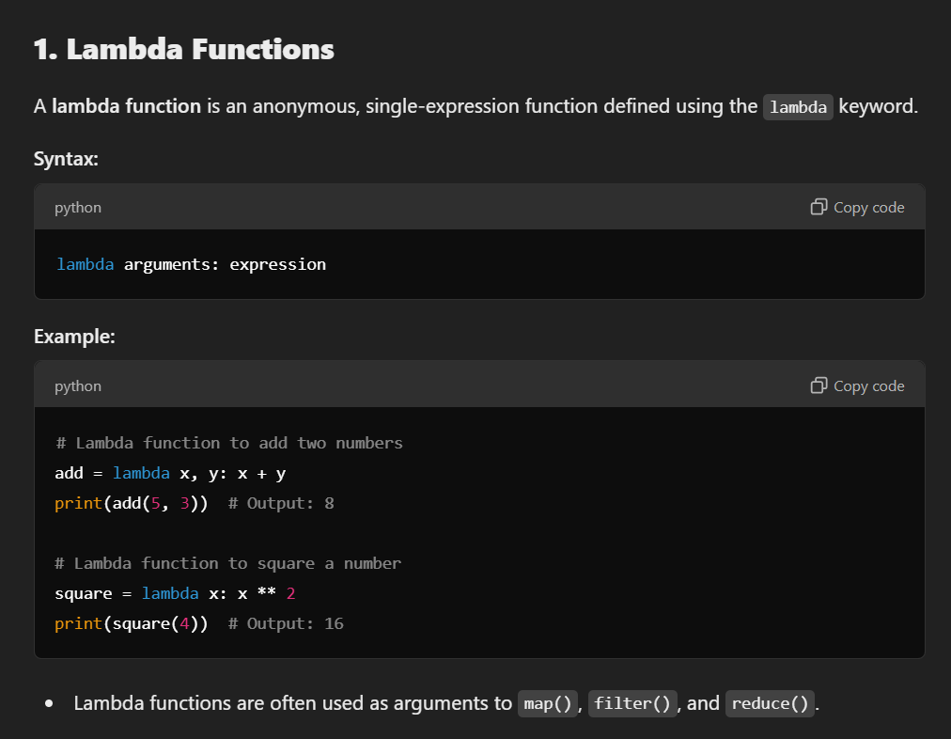
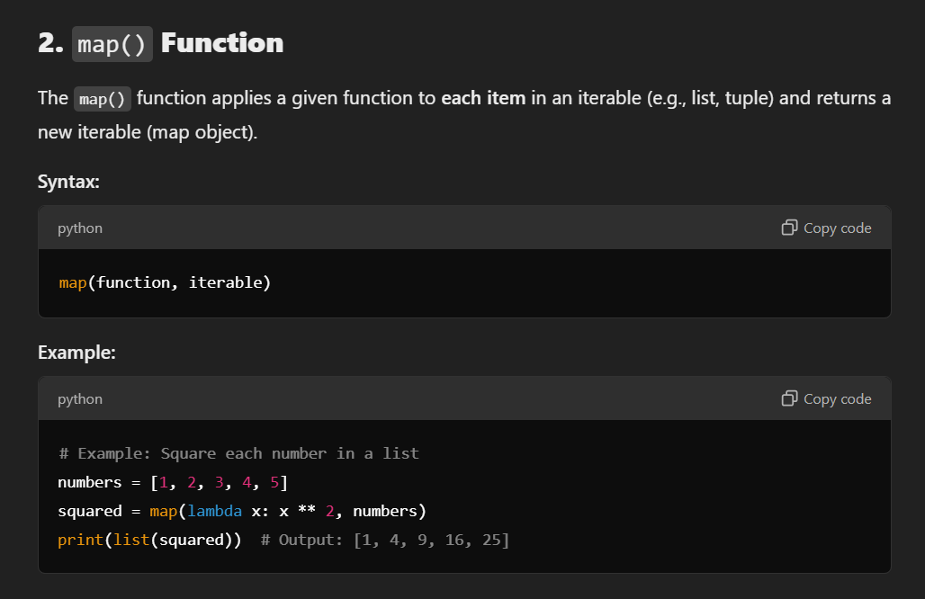

FILTER |  |  |  | REDUCE

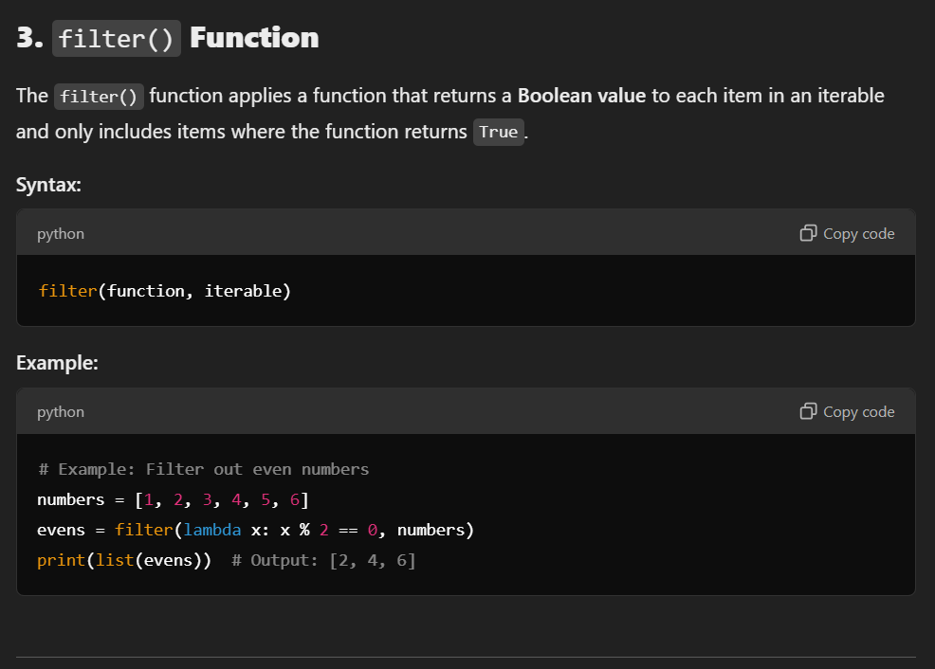
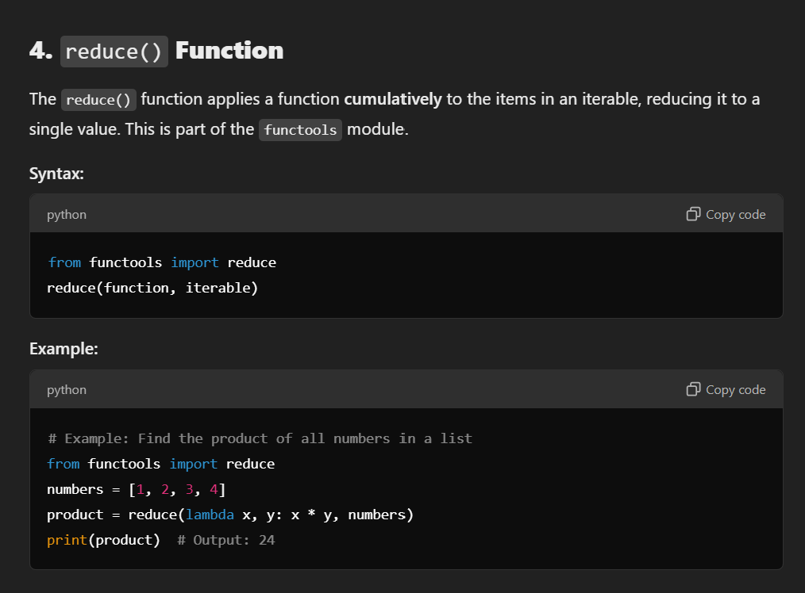

Python has a set of built-in functions.

Function | Description
abs() | Returns the absolute value of a number
all() | Returns True if all items in an iterable object are true
any() | Returns True if any item in an iterable object is true
ascii() | Returns a readable version of an object. Replaces none-ascii characters with escape character
bin() | Returns the binary version of a number
bool() | Returns the boolean value of the specified object
bytearray() | Returns an array of bytes
bytes() | Returns a bytes object
callable() | Returns True if the specified object is callable, otherwise False
chr() | Returns a character from the specified Unicode code.
classmethod() | Converts a method into a class method
compile() | Returns the specified source as an object, ready to be executed
complex() | Returns a complex number
delattr() | Deletes the specified attribute (property or method) from the specified object
dict() | Returns a dictionary (Array)
dir() | Returns a list of the specified object's properties and methods
divmod() | Returns the quotient and the remainder when argument1 is divided by argument2
enumerate() | Takes a collection (e.g. a tuple) and returns it as an enumerate object
eval() | Evaluates and executes an expression
exec() | Executes the specified code (or object)
filter() | Use a filter function to exclude items in an iterable object
float() | Returns a floating point number
format() | Formats a specified value
frozenset() | Returns a frozenset object
getattr() | Returns the value of the specified attribute (property or method)
globals() | Returns the current global symbol table as a dictionary
hasattr() | Returns True if the specified object has the specified attribute (property/method)
hash() | Returns the hash value of a specified object
help() | Executes the built-in help system
hex() | Converts a number into a hexadecimal value
id() | Returns the id of an object
input() | Allowing user input
int() | Returns an integer number
isinstance() | Returns True if a specified object is an instance of a specified object
issubclass() | Returns True if a specified class is a subclass of a specified object
iter() | Returns an iterator object
len() | Returns the length of an object
list() | Returns a list
locals() | Returns an updated dictionary of the current local symbol table
map() | Returns the specified iterator with the specified function applied to each item
max() | Returns the largest item in an iterable
memoryview() | Returns a memory view object
min() | Returns the smallest item in an iterable
next() | Returns the next item in an iterable
object() | Returns a new object
oct() | Converts a number into an octal
open() | Opens a file and returns a file object
ord() | Convert an integer representing the Unicode of the specified character
pow() | Returns the value of x to the power of y
print() | Prints to the standard output device
property() | Gets, sets, deletes a property
range() | Returns a sequence of numbers, starting from 0 and increments by 1 (by default)
repr() | Returns a readable version of an object
reversed() | Returns a reversed iterator
round() | Rounds a numbers
set() | Returns a new set object
setattr() | Sets an attribute (property/method) of an object
slice() | Returns a slice object
sorted() | Returns a sorted list
staticmethod() | Converts a method into a static method
str() | Returns a string object
sum() | Sums the items of an iterator
super() | Returns an object that represents the parent class
tuple() | Returns a tuple
type() | Returns the type of an object
vars() | Returns the __dict__ property of an object
zip() | Returns an iterator, from two or more iterators

why we use init.py file ?

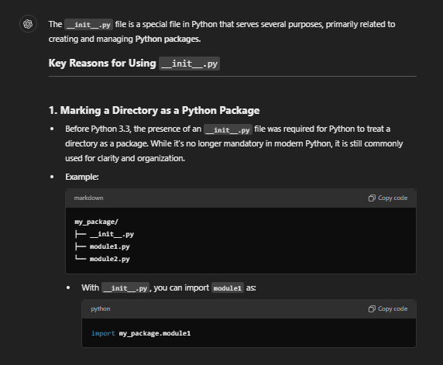
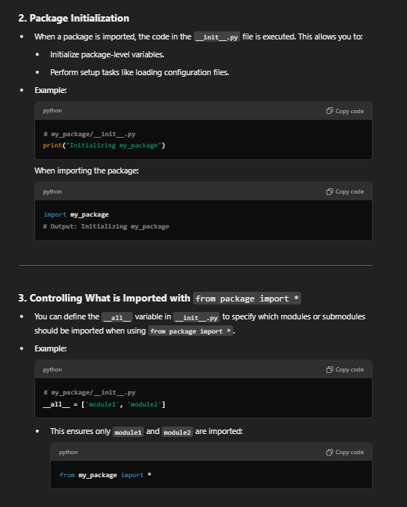

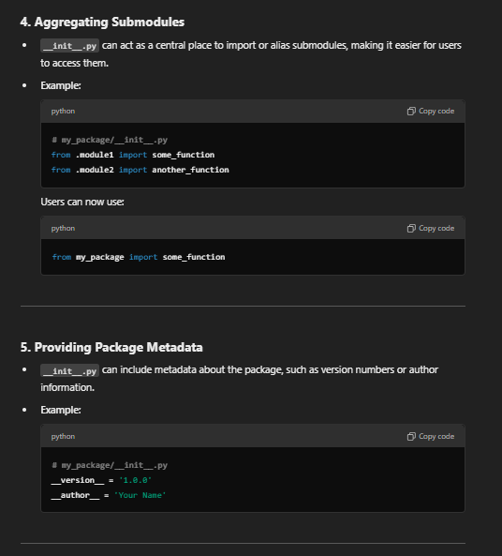

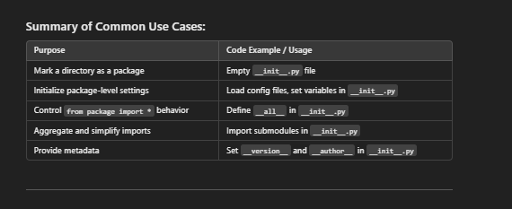

Monkey patching

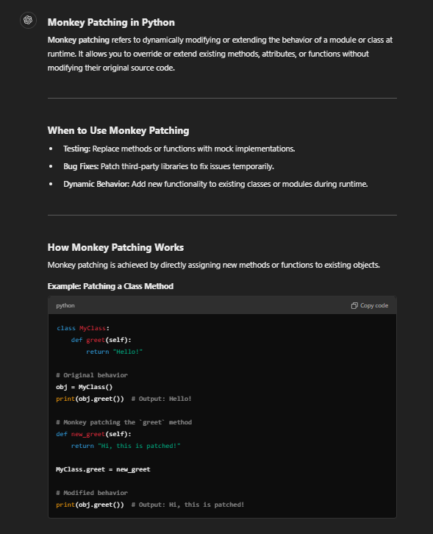
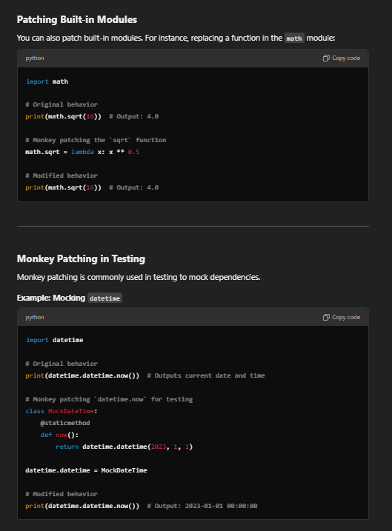

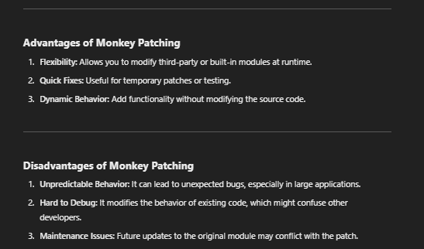

if __name__ == "__main__":

hadoop
What are the different vendor-specific distributions of Hadoop?
The different vendor-specific distributions of Hadoop are Cloudera, MAPR, Amazon EMR, Microsoft Azure, IBM InfoSphere, and Hortonworks (Cloudera).

What are the different Hadoop configuration files?
The different Hadoop configuration files include:
hadoop-env.sh
mapred-site.xml
core-site.xml
yarn-site.xml
hdfs-site.xml
Master and Slaves

What are the three modes in which Hadoop can run?
The three modes in which Hadoop can run are :
Standalone mode: This is the default mode. It uses the local FileSystem and a single Java process to run the Hadoop services.
Pseudo-distributed mode: This uses a single-node Hadoop deployment to execute all Hadoop services.
Fully-distributed mode: This uses separate nodes to run Hadoop master and slave services.

What are the differences between regular FileSystem and HDFS?
Regular FileSystem: In regular FileSystem, data is maintained in a single system. If the machine crashes,
data recovery is challenging due to low fault tolerance. Seek time is more and hence it takes more time to process the data.
HDFS: Data is distributed and maintained on multiple systems. If a DataNode crashes, data can still be recovered from other nodes
in the cluster. Time taken to read data is comparatively more, as there is local data read to the disc and coordination of data from multiple systems.

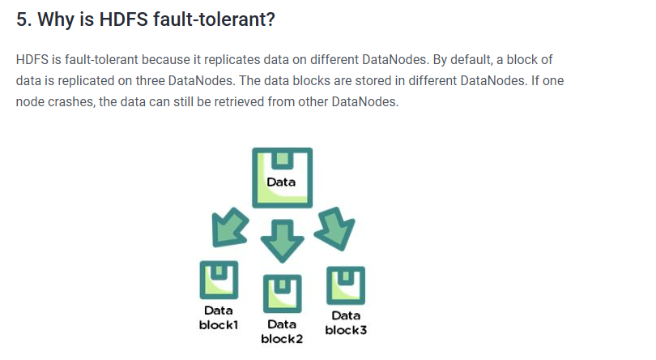

Explain the architecture of HDFS.
For an HDFS service, we have a NameNode that has the master process running on one of the machines and DataNodes, which are the slave nodes.
NameNode
NameNode is the master service that hosts metadata in disk and RAM. It holds information about the various DataNodes, their location, the size of each block, etc.
DataNode
DataNodes hold the actual data blocks and send block reports to the NameNode every 10 seconds. The DataNode stores and retrieves the blocks when the NameNode asks.
It reads and writes the
client’s request and performs block creation, deletion, and replication based on instructions from the NameNode.
Data that is written to HDFS is split into blocks, depending on its size. The blocks are randomly distributed across the nodes. With the auto-replication feature,
these blocks are
auto-replicated across multiple machines with the condition that no two identical blocks can sit on the same machine.
As soon as the cluster comes up, the DataNodes start sending their heartbeats to the NameNodes every three seconds. The NameNode stores this information; in other
words, it starts building
metadata in RAM, which contains information about the DataNodes available in the beginning. This metadata is maintained in RAM, as well as in the disk.

What are the two types of metadata that a NameNode server holds?
The two types of metadata that a NameNode server holds are:
Metadata in Disk - This contains the edit log and the FSImage
Metadata in RAM - This contains the information about DataNodes

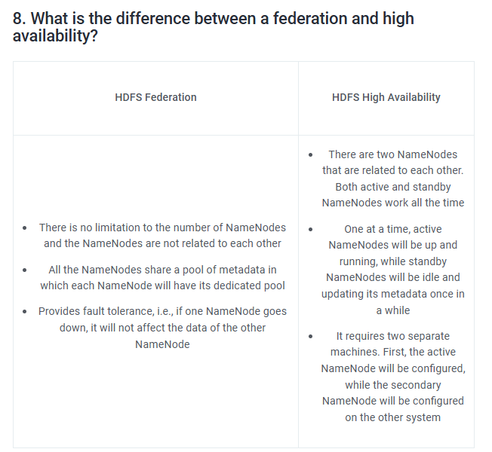
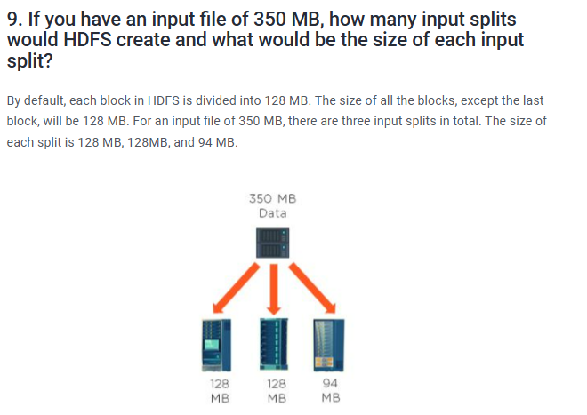

How can you restart NameNode and all the daemons in Hadoop?
The following commands will help you restart NameNode and all the daemons:
You can stop the NameNode with ./sbin /Hadoop-daemon.sh stop NameNode command and then start the NameNode using ./sbin/Hadoop-daemon.sh start NameNode command.
You can stop all the daemons with ./sbin /stop-all.sh command and then start the daemons using the ./sbin/start-all.sh command.

Which command will help you find the status of blocks and FileSystem health?
To check the status of the blocks, use the command:
hdfs fsck <path> -files -blocks
To check the health status of FileSystem, use the command:
hdfs fsck / -files –blocks –locations > dfs-fsck.log

What would happen if you store too many small files in a cluster on HDFS?
Storing several small files on HDFS generates a lot of metadata files. To store these metadata in the RAM is a challenge as each file,
block, or directory takes 150 bytes for metadata. Thus, the cumulative size of all the metadata will be too large.

How do you copy data from the local system onto HDFS?
The following command will copy data from the local file system onto HDFS:
hadoop fs –copyFromLocal [source] [destination]
Example: hadoop fs –copyFromLocal /tmp/data.csv /user/test/data.csv
In the above syntax, the source is the local path and destination is the HDFS path. Copy from the local system
using a -f option (flag option), which allows you to write the same file or a new file to HDFS.

When do you use the dfsadmin -refreshNodes and rmadmin -refreshNodes commands?
The commands below are used to refresh the node information while commissioning, or when the decommissioning of nodes is completed.
dfsadmin -refreshNodes
This is used to run the HDFS client and it refreshes node configuration for the NameNode.
rmadmin -refreshNodes
This is used to perform administrative tasks for ResourceManager.

Is there any way to change the replication of files on HDFS after they are already written to HDFS?
Yes, the following are ways to change the replication of files on HDFS:
We can change the dfs.replication value to a particular number in the $HADOOP_HOME/conf/hadoop-site.xml file, which will start replicating to
the factor of that number for any new content that comes in.
If you want to change the replication factor for a particular file or directory, use:
$HADOOP_HOME/bin/Hadoop dfs –setrep –w4 /path of the file
Example: $HADOOP_HOME/bin/Hadoop dfs –setrep –w4 /user/temp/test.csv

Who takes care of replication consistency in a Hadoop cluster and what do under/over replicated blocks mean?
In a cluster, it is always the NameNode that takes care of the replication consistency. The fsck command provides information regarding the over
and under-replicated block.
Under-replicated blocks:
These are the blocks that do not meet their target replication for the files they belong to. HDFS will automatically create new replicas of
under-replicated blocks until they meet the target replication.
Consider a cluster with three nodes and replication set to three. At any point, if one of the NameNodes crashes, the blocks would be under-replicated.
It means that there was a replication factor set, but there are not enough replicas as per the replication factor. If the NameNode does not get
information about the replicas, it will wait for a limited amount of time and then start the re-replication of missing blocks from the available nodes.
Over-replicated blocks:
These are the blocks that exceed their target replication for the files they belong to. Usually, over-replication is not a problem, and HDFS
will automatically delete excess replicas.
Consider a case of three nodes running with the replication of three, and one of the nodes goes down due to a network failure. Within a few minutes,
the NameNode re-replicates the data, and then the failed node is back with its set of blocks. This is an over-replication situation, and the NameNode
will delete a set of blocks from one of the nodes.

What is the distributed cache in MapReduce?
A distributed cache is a mechanism wherein the data coming from the disk can be cached and made available for all worker nodes.
When a MapReduce program is running, instead of reading the data from the disk every time, it would pick up the data from the
distributed cache to benefit the MapReduce processing.
To copy the file to HDFS, you can use the command:
hdfs dfs-put /user/Simplilearn/lib/jar_file.jar
To set up the application’s JobConf, use the command:
DistributedCache.addFileToClasspath(newpath(“/user/Simplilearn/lib/jar_file.jar”), conf)

What role do RecordReader, Combiner, and Partitioner play in a MapReduce operation?
RecordReader
This communicates with the InputSplit and converts the data into key-value pairs suitable for the mapper to read.
Combiner
This is an optional phase; it is like a mini reducer. The combiner receives data from the map tasks, works on it,
and then passes its output to the reducer phase.
Partitioner
The partitioner decides how many reduced tasks would be used to summarize the data. It also confirms how outputs from
combiners are sent to the reducer, and controls the partitioning of keys of the intermediate map outputs.

Why is MapReduce slower in processing data in comparison to other processing frameworks?
This is quite a common question in Hadoop interviews; let us understand why MapReduce is slower in comparison to the other processing frameworks:
MapReduce is slower because:
It is batch-oriented when it comes to processing data. Here, no matter what, you would have to provide the mapper and reducer functions to work on data.
During processing, whenever the mapper function delivers an output, it will be written to HDFS and the underlying disks. This data will
be shuffled and sorted, and then be picked up for the reducing phase. The entire process of writing data to HDFS and retrieving it from HDFS makes MapReduce a lengthier process.
In addition to the above reasons, MapReduce also uses Java language, which is difficult to program as it has multiple lines of code.

Is it possible to change the number of mappers to be created in a MapReduce job?
By default, you cannot change the number of mappers, because it is equal to the number of input splits. However, there are different ways in which
you can either set a property or customize the code to change the number of mappers.
For example, if you have a 1GB file that is split into eight blocks (of 128MB each), there will only be only eight mappers running on the
cluster. However, there are different ways in which you can either set a property or customize the code to change the number of mappers

Name some Hadoop-specific data types that are used in a MapReduce program.
This is an important question, as you would need to know the different data types if you are getting into the field of Big Data.
For every data type in Java, you have an equivalent in Hadoop. Therefore, the following are some Hadoop-specific data types that
you could use in your MapReduce program:
IntWritable
FloatWritable
LongWritable
DoubleWritable
BooleanWritable
ArrayWritable
MapWritable
ObjectWritable

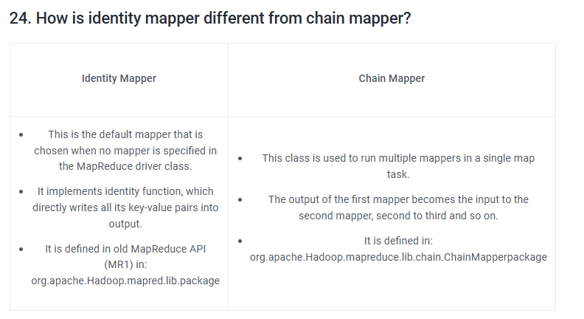

what kind of data have in Hadoop ? structured or semi structured or unstructured

Hadoop is a versatile framework that can handle different types of data: structured, semi-structured, and unstructured. Let's break down these categories:
Structured Data
Definition: Highly organized and easily searchable data, typically stored in databases.
Examples: Tables in relational databases, CSV files with a fixed schema.
Hadoop Usage: Tools like Apache Hive and Apache HBase in the Hadoop ecosystem are used to store and query structured data.
Hive allows SQL-like querying of data stored in Hadoop's Distributed File System (HDFS), while HBase is a NoSQL database built on top of Hadoop.

Semi-Structured Data
Definition: Data that does not conform to a rigid schema but still has some organizational properties.
Examples: JSON, XML, log files, emails.
Hadoop Usage: Apache Pig, a high-level platform for creating MapReduce programs, can process semi-structured data.
Additionally, tools like Apache Flume and Apache Sqoop can ingest
semi-structured data into Hadoop for further processing.

Unstructured Data
Definition: Data that lacks a predefined format or organization.
Examples: Text files, images, videos, audio files, social media posts.
Hadoop Usage: Hadoop's HDFS can store large volumes of unstructured data. Tools like Apache Spark and Apache Mahout
can be used to process and analyze unstructured data efficiently.
Example Use Cases in Hadoop

Structured Data: Analyzing customer transactions stored in CSV files using Hive.
Semi-Structured Data: Processing and querying JSON logs from web servers with Pig or Spark.
Unstructured Data: Storing and analyzing large collections of text documents or social media posts using Spark.

what are node and cluster ? how much every node and cluster can holds the data upto 128 mb or even more than that ?

Nodes and Clusters in Hadoop
Node
Definition: A node is a single machine in the Hadoop cluster, which can be a physical machine or a virtual machine. Nodes perform the task of storing and processing data.
Types of Nodes:
NameNode: The master node that manages the metadata and directory structure of all files in the Hadoop Distributed File System (HDFS).
DataNode: Worker nodes that store the actual data in HDFS. Each DataNode communicates with the NameNode and performs tasks as instructed by it.
ResourceManager: Manages resources and scheduling of tasks across the cluster.
NodeManager: Manages resources on a single node and works with the ResourceManager to run and monitor tasks.

Cluster
Definition: A cluster is a collection of nodes working together to store and process data. A Hadoop cluster consists of multiple DataNodes and a single NameNode.
Scalability: A Hadoop cluster can be scaled horizontally by adding more nodes. This allows Hadoop to handle very large datasets by distributing data and computations across many nodes.

Data Storage Capacity in Hadoop
HDFS Block Size:
By default, Hadoop stores data in blocks, typically 128 MB or 256 MB each. This block size is configurable and can be changed based on the needs of the workload.
The block size determines the size of the chunks in which data is split and stored across the DataNodes.
Larger block sizes reduce the overhead of managing metadata and improve the efficiency of data access.
Storage Capacity of Nodes and Clusters
DataNode Capacity:
Each DataNode's storage capacity depends on the physical hardware of the machine (disk space available).
There is no strict limit of 128 MB; instead, DataNodes can store terabytes (TB) of data, divided into multiple blocks of configurable size (e.g., 128 MB, 256 MB).
Cluster Capacity:
The total storage capacity of a Hadoop cluster is the sum of the storage capacities of all the DataNodes in the cluster.
For instance, a cluster with 10 DataNodes, each with 10 TB of storage, would have a total storage capacity of 100 TB.

Example Scenario
Suppose you have a Hadoop cluster with a default block size of 128 MB, and you store a 1 GB file:
File Splitting: The file would be split into approximately 8 blocks (1 GB / 128 MB per block).
Data Distribution: These blocks would be distributed across the DataNodes in the cluster, allowing parallel processing.
Conclusion
Nodes: Individual machines in the cluster that store and process data.
Cluster: A collection of nodes working together.
Block Size: Typically 128 MB or 256 MB, configurable based on needs.
Storage Capacity: Nodes and clusters can store far more than 128 MB, with capacities scaling to terabytes.

lets say i have one big data like 1 GB, whete it will be stoted ? in node or cluster ? but in node, only 128/256 mb can be stored ?

How Data is Stored in Hadoop
Concept of Blocks
Block Size: In Hadoop, data is split into blocks, typically 128 MB or 256 MB. This block size is configurable, but it’s set at 128 MB by default.
Storage: These blocks are distributed across different DataNodes in the Hadoop cluster.
Storing a 1 GB File
Splitting the File: When you have a large file, such as a 1 GB file, Hadoop will split this file into smaller blocks.
For a 1 GB file with a default block size of 128 MB, the file will be divided into approximately 8 blocks (1 GB / 128 MB per block).
Distribution Across DataNodes: These blocks are then distributed across multiple DataNodes within the cluster. This distribution
allows for parallel processing and redundancy, which enhances performance and fault tolerance.
DataNodes and Clusters
DataNodes: Each DataNode stores several blocks of data. Although a single block might be 128 MB, each DataNode
can store many such blocks, utilizing its full disk capacity. Hence, a DataNode can hold terabytes of data, divided into multiple 128 MB or 256 MB blocks.
Cluster: The Hadoop cluster consists of multiple DataNodes. The total storage capacity of the cluster is the sum of the storage capacities of all the DataNodes.
Example Scenario
File Splitting: Your 1 GB file is split into 8 blocks of 128 MB each.
Data Distribution: These 8 blocks are then stored on different DataNodes across the cluster. For example:
Block 1 might be stored on Node A.
Block 2 might be stored on Node B.
Block 3 might be stored on Node C.
And so on...
Redundancy and Fault Tolerance
Replication: Hadoop also replicates each block (typically 3 times by default) to ensure fault tolerance.
This means that each block is stored on multiple DataNodes. If a DataNode fails, Hadoop can retrieve the data from another DataNode that has a copy of the block.
Summary
Blocks: Data is divided into blocks (128 MB by default).
DataNodes: Each DataNode stores multiple blocks, utilizing its full disk capacity.
Cluster: A collection of DataNodes, with total storage being the sum of all DataNodes' storage capacities.
Redundancy: Each block is typically replicated to ensure fault tolerance.
So, your 1 GB file will be efficiently split into smaller blocks and distributed across multiple DataNodes in the cluster, leveraging the full storage and processing power of your Hadoop setup.

explain the same with diagram

Let's visualize how a 1 GB file is stored in a Hadoop cluster with a default block size of 128 MB. I'll describe the process along with a diagram representation.
Step-by-Step Explanation with Diagram
File Splitting: Hadoop splits the 1 GB file into 8 blocks, each of 128 MB.
Block Distribution: These blocks are then distributed across multiple DataNodes in the Hadoop cluster.
Replication: Each block is typically replicated (e.g., 3 times) to ensure fault tolerance

 | Detailed Breakdown
 | File Splitting:
+----------------------+ | The 1 GB file is divided into 8 blocks, each 128 MB in size.
| 1 GB File | | Blocks: Block 1, Block 2, Block 3, Block 4, Block 5, Block 6, Block 7, Block 8.
+----------------------+ | DataNode Distribution:
| Block 1 | Block 2 | | Each block is distributed to different DataNodes in the cluster.
| 128 MB | 128 MB | | For instance:
| Block 3 | Block 4 | | Block 1 is stored on DataNode A.
| 128 MB | 128 MB | | Block 2 is stored on DataNode B.
| Block 5 | Block 6 | | Block 3 is stored on DataNode A.
| 128 MB | 128 MB | | Block 4 is stored on DataNode B.
| Block 7 | Block 8 | | Block 5 is stored on DataNode C.
| 128 MB | 128 MB | | Block 6 is stored on DataNode D.
+----------------------+ | Block 7 is stored on DataNode C.
| | Block 8 is stored on DataNode D.
v | Replication for Fault Tolerance:
+---------------------+---------------------+---------------------+---------------------+ | Each block is replicated on different DataNodes to ensure data redundancy.
| DataNode A | DataNode B | DataNode C | DataNode D | | For example:
+---------------------+---------------------+---------------------+---------------------+ | Block 1 is replicated on DataNode B.
| Block 1 | Block 3 | Block 2 | Block 4 | Block 5 | Block 7 | Block 6 | Block 8 | | Block 2 is replicated on DataNode A.
+---------------------+---------------------+---------------------+---------------------+ | Block 3 is replicated on DataNode D.
| Replicated Blocks | Replicated Blocks | Replicated Blocks | Replicated Blocks | | Block 4 is replicated on DataNode C.
| Block 2 | Block 6 | Block 1 | Block 5 | Block 4 | Block 8 | Block 3 | Block 7 | | Block 5 is replicated on DataNode B.
+---------------------+---------------------+---------------------+---------------------+ | Block 6 is replicated on DataNode A.
 | Block 7 is replicated on DataNode D.
 | Block 8 is replicated on DataNode C.
 | This distribution and replication ensure that the 1 GB file is efficiently stored across the cluster, leveraging the
Summary | storage capacity of multiple DataNodes, and providing fault tolerance in case any DataNode fails.
Splitting: The file is split into smaller blocks.
Distribution: Blocks are distributed across multiple DataNodes.
Replication: Each block is replicated to ensure fault tolerance.

i only want to convert the big file into smaller chunks and place this in output folder in hadoop itself.

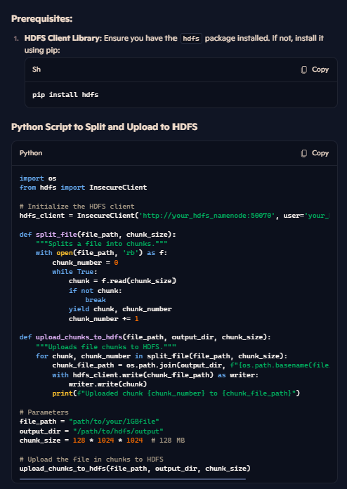
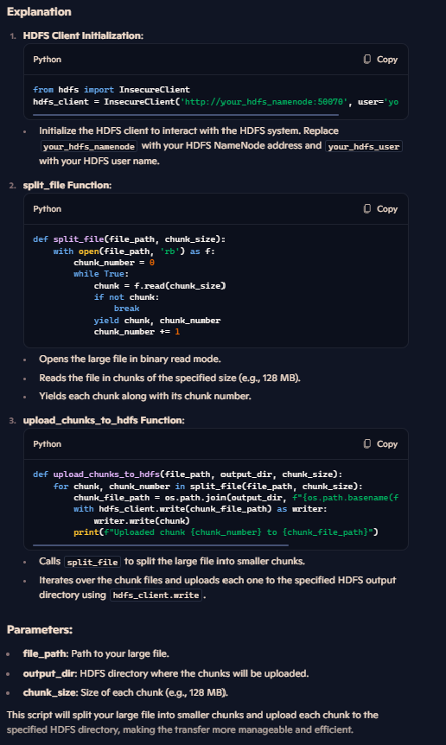

KERBOS AUTHENTICATION


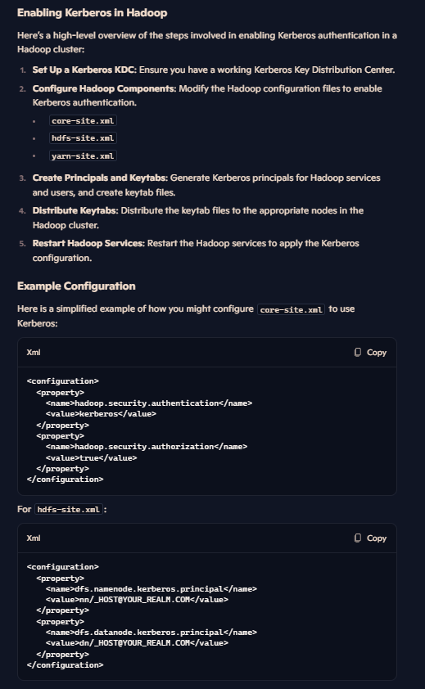

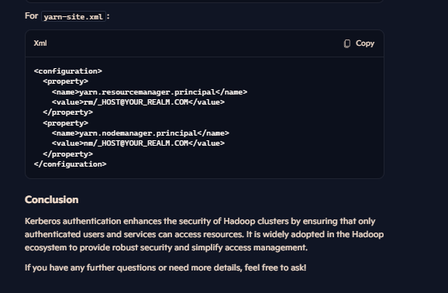

what kind of encryption is commonly used in hadoop eco system

In the Hadoop ecosystem, several encryption methods are commonly used to ensure data security:
1. Transparent Data Encryption (TDE) in HDFS
Description: HDFS provides transparent encryption, which means data is encrypted and decrypted transparently without requiring changes to user application code.
How It Works: Once configured, data read from and written to special HDFS directories is encrypted and decrypted automatically.
Benefits: Ensures data at rest is encrypted, providing an additional layer of security.
2. Kerberos Authentication
Description: Kerberos is used for secure authentication.
How It Works: Users and services authenticate with the Kerberos Key Distribution Center (KDC) to obtain tickets for accessing Hadoop services.
Benefits: Prevents unauthorized access and ensures mutual authentication between users and services.
3. SSL/TLS for Data in Transit
Description: SSL (Secure Sockets Layer) and TLS (Transport Layer Security) are used to encrypt data as it moves between nodes in the Hadoop cluster.
How It Works: Encrypts data during transmission to prevent interception and tampering.
Benefits: Ensures secure communication within the cluster.
4. Symmetric Key Encryption
Description: Symmetric key encryption algorithms like AES (Advanced Encryption Standard) are used for encrypting data.
How It Works: Uses the same key for both encryption and decryption.
Benefits: Efficient for large-scale data encryption and decryption.
5. Asymmetric Key Encryption
Description: Asymmetric key encryption algorithms like RSA (Rivest-Shamir-Adleman) are used for secure key exchange and digital signatures.
How It Works: Uses a pair of keys (public and private) for encryption and decryption.
Benefits: Provides secure key exchange and authentication.
Summary
TDE in HDFS: Encrypts data at rest.
Kerberos: Ensures secure authentication.
SSL/TLS: Encrypts data in transit.
Symmetric Key Encryption: Efficient for large-scale data encryption.
Asymmetric Key Encryption: Secure key exchange and authentication.
These encryption methods help protect data within the Hadoop ecosystem, ensuring both security and compliance with regulatory standards.

add ssh encryption , dont use boto3

import os
import paramiko
from paramiko import SSHClient, AutoAddPolicy

def split_file(file_path, chunk_size):
"""Splits a file into chunks."""
with open(file_path, 'rb') as f:
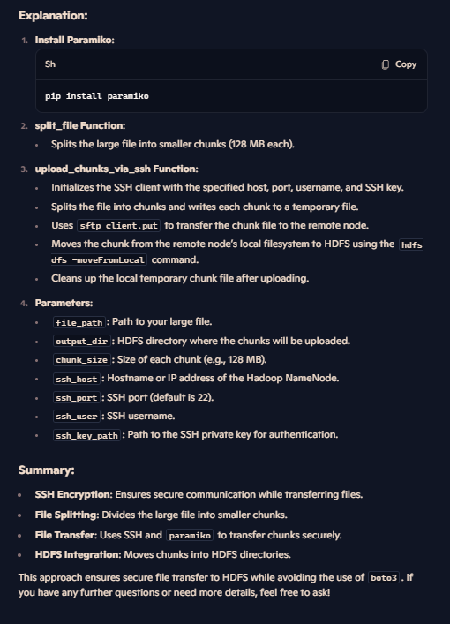
chunk_number = 0
while True:
chunk = f.read(chunk_size)
if not chunk:
break
yield chunk, chunk_number
chunk_number += 1

def upload_chunks_via_ssh(file_path, output_dir, chunk_size, ssh_host, ssh_port, ssh_user, ssh_key_path):
"""Uploads file chunks to HDFS via SSH."""
# Initialize SSH client
ssh_client = SSHClient()
ssh_client.set_missing_host_key_policy(AutoAddPolicy())
ssh_client.connect(ssh_host, port=ssh_port, username=ssh_user, key_filename=ssh_key_path)

sftp_client = ssh_client.open_sftp()

for chunk, chunk_number in split_file(file_path, chunk_size):
chunk_file_name = f"{os.path.basename(file_path)}_part{chunk_number}"
chunk_file_path = os.path.join('/tmp', chunk_file_name)

with open(chunk_file_path, 'wb') as chunk_file:
chunk_file.write(chunk)

sftp_client.put(chunk_file_path, chunk_file_path)

# Move the chunk to HDFS
hdfs_chunk_path = os.path.join(output_dir, chunk_file_name)
ssh_client.exec_command(f'hdfs dfs -moveFromLocal {chunk_file_path} {hdfs_chunk_path}')

print(f"Uploaded and moved chunk {chunk_number} to {hdfs_chunk_path}")

# Clean up local chunk file
os.remove(chunk_file_path)

sftp_client.close()
ssh_client.close()

# Parameters
file_path = "path/to/your/1GBfile"
output_dir = "/path/to/hdfs/output"
chunk_size = 128 * 1024 * 1024 # 128 MB
ssh_host = "your_hadoop_namenode"
ssh_port = 22
ssh_user = "your_ssh_username"
ssh_key_path = "path/to/your/private/key"

# Upload the file in chunks via SSH
upload_chunks_via_ssh(file_path, output_dir, chunk_size, ssh_host, ssh_port, ssh_user, ssh_key_path)

