sql
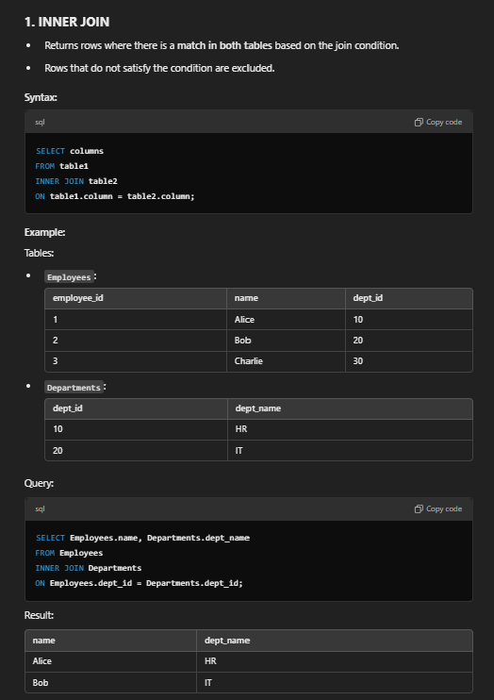
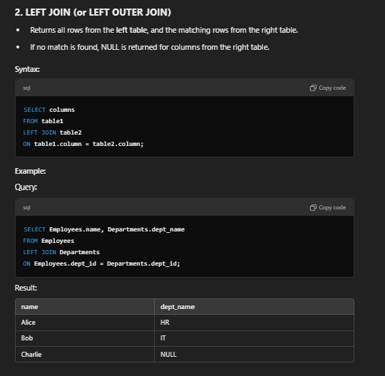
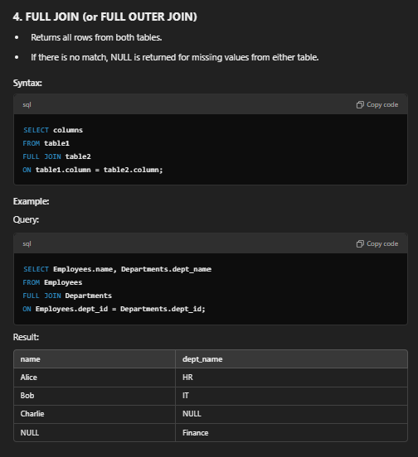
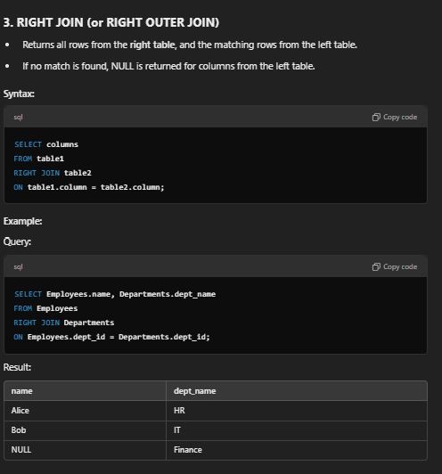
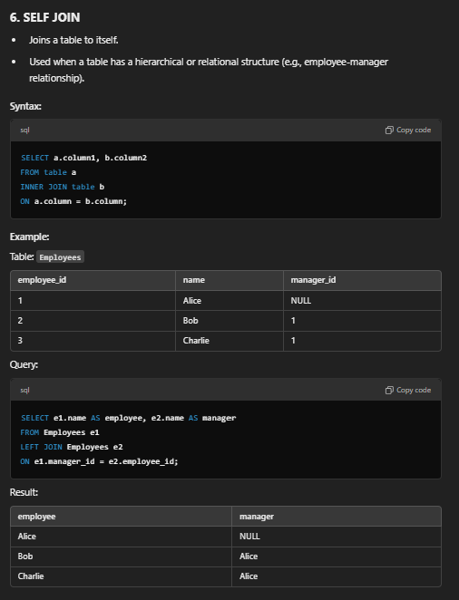
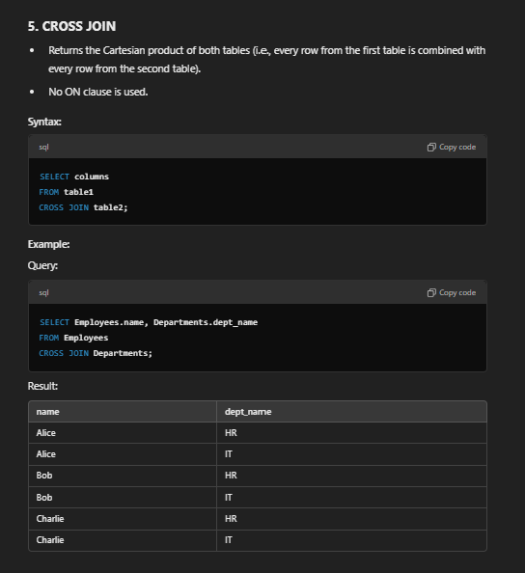
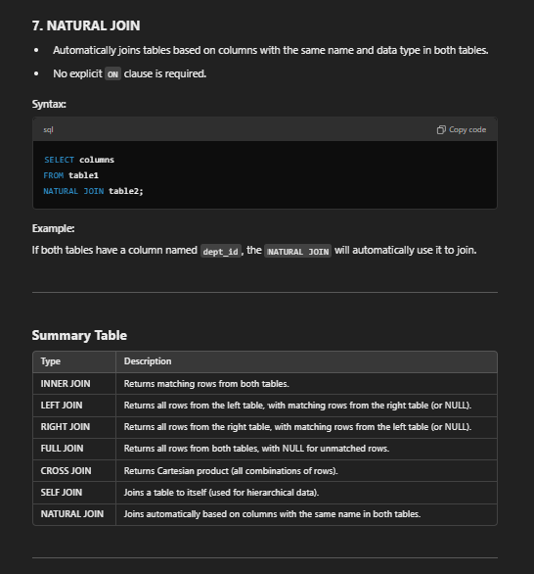
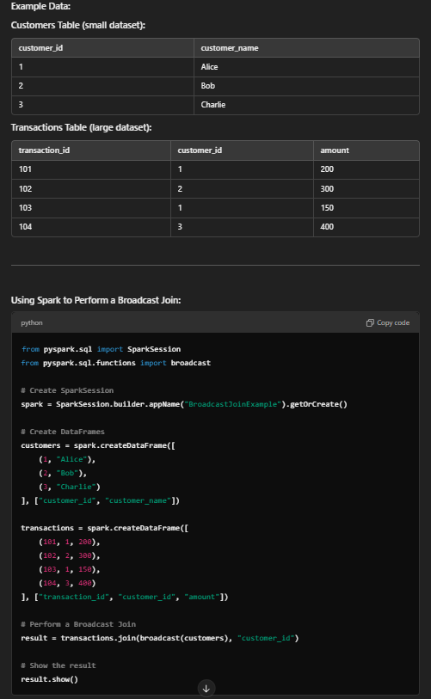
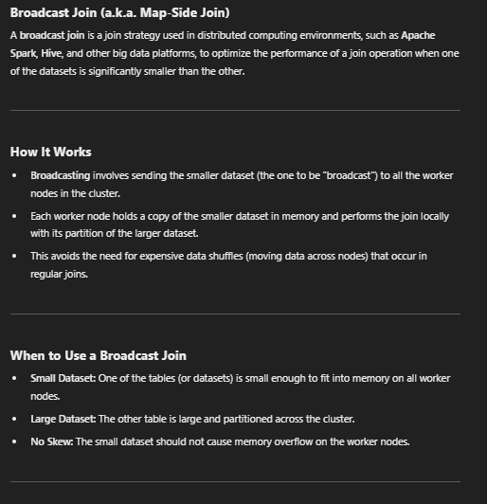
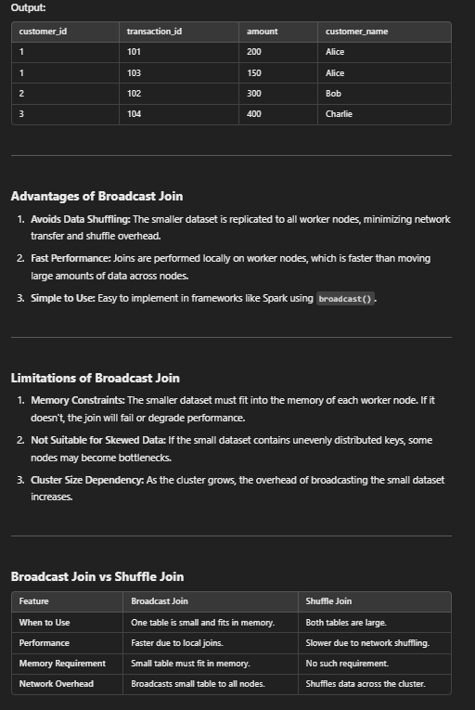
SQL provides a variety of window functions (also called analytic functions) that perform calculations across a set of rows related to
the current row. These calculations are done within a "window" defined by the OVER() clause.

Here’s a comprehensive list of commonly used window functions:

1. Ranking Functions
These assign a rank or number to rows within a partition.
Function | Description
ROW_NUMBER() | Assigns a unique sequential integer to rows, starting from 1.
RANK() | Assigns a rank to each row, with gaps in the ranking for duplicate values.
DENSE_RANK() | Assigns a rank to each row without gaps in ranking.
NTILE(n) | Divides rows into n buckets and assigns a bucket number to each row.

2. Aggregate Window Functions
These functions calculate aggregate values over a window.
Function | Description
SUM() | Returns the sum of values in the window.
AVG() | Returns the average of values in the window.
MIN() | Returns the minimum value in the window.
MAX() | Returns the maximum value in the window.
COUNT() | Returns the count of rows in the window.

3. Offset Window Functions
These functions access data in previous or subsequent rows.
Function | Description
LAG(expression, offset, default) | Accesses data from a previous row in the same result set.
LEAD(expression, offset, default) | Accesses data from a subsequent row in the same result set.
FIRST_VALUE(expression) | Returns the first value in the window frame.
LAST_VALUE(expression) | Returns the last value in the window frame.
NTH_VALUE(expression, n) | Returns the nth value in the window frame.

4. Value Navigation Functions
These provide flexibility to navigate through rows within the partition.
Function | Description
PERCENT_RANK() | Calculates the relative rank of a row as a percentage of total rows.
CUME_DIST() | Calculates the cumulative distribution of a value in the window.

5. Statistical and Percentile Functions
These provide advanced statistical calculations.
Function | Description
PERCENTILE_CONT() | Returns the continuous percentile value.
PERCENTILE_DISC() | Returns the discrete percentile value.
MEDIAN() (Optional) | Calculates the median of values (in databases that support it, like Oracle).

6. Windowing Clause
All these functions use the OVER() clause, which specifies:Partitioning (PARTITION BY): Divides the result set into partitions.
Ordering (ORDER BY): Defines the order of rows in the window.
Framing: Determines the range of rows considered in the calculation, such as:
ROWS BETWEEN UNBOUNDED PRECEDING AND CURRENT ROW
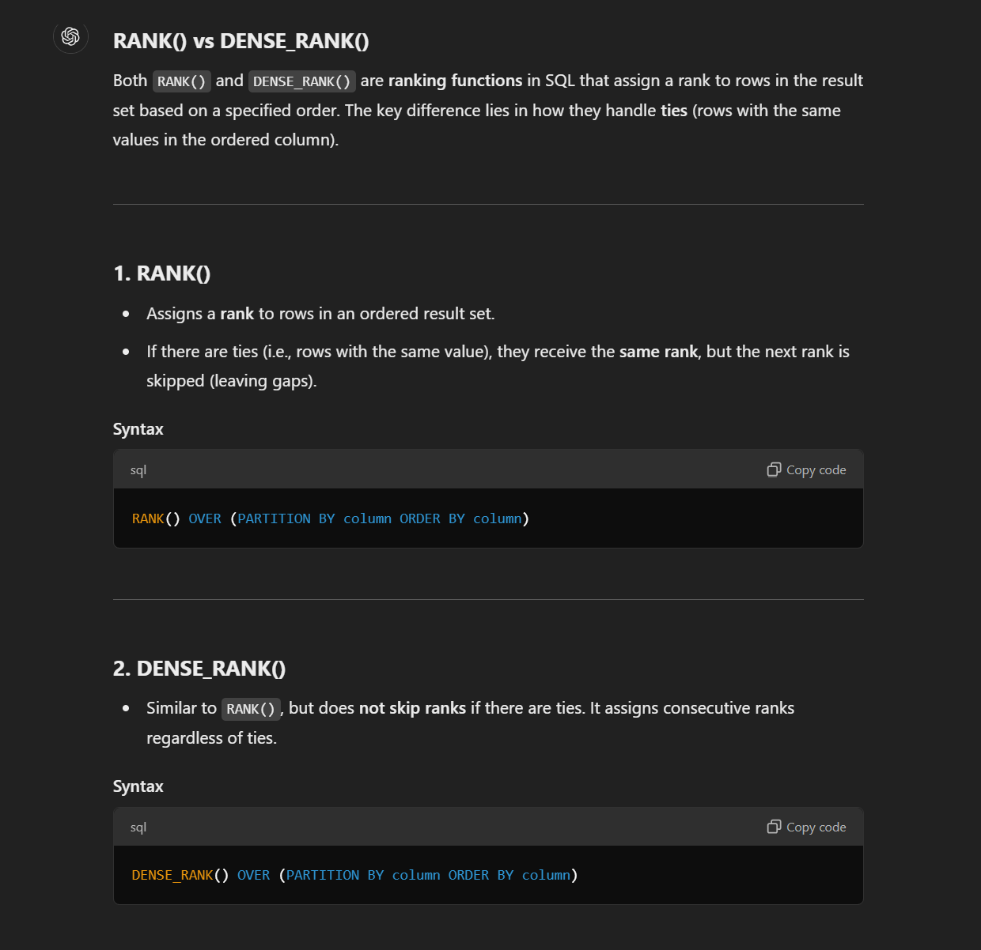
RANGE BETWEEN CURRENT ROW AND UNBOUNDED FOLLOWING

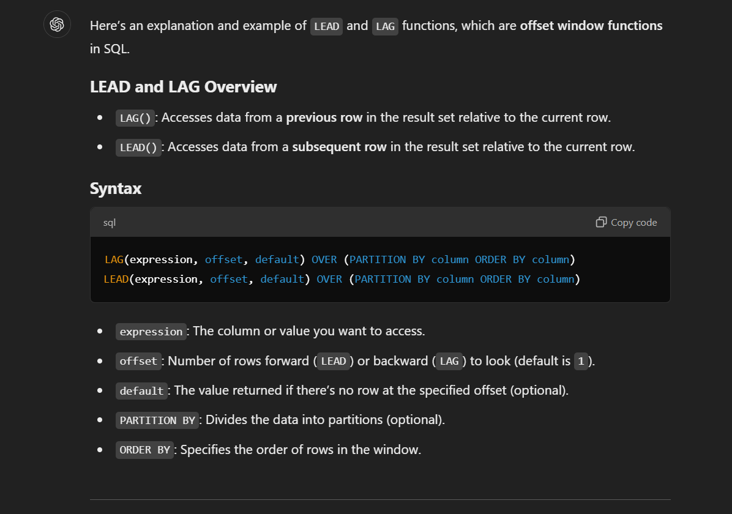

Example Data
Suppose you have the following sales table: |  |  |  | 1. RANK()
employee_id | sales_date | sales_amount |  | Assigns a rank to rows in an ordered result set.
1 | 2023-01-01 | 100 |  | If there are ties (i.e., rows with the same value), they receive the same rank, but the next rank is skipped (leaving gaps).
1 | 2023-01-02 | 150 |  | Syntax
1 | 2023-01-03 | 120 |  | RANK() OVER (PARTITION BY column ORDER BY column)
2 | 2023-01-01 | 200 |  | 2. DENSE_RANK()
2 | 2023-01-02 | 180 |  | Similar to RANK(), but does not skip ranks if there are ties. It assigns consecutive ranks regardless of ties.
2 | 2023-01-03 | 220 |  | Syntax
1. Using LAG to Compare with Previous Row |  |  |  | DENSE_RANK() OVER (PARTITION BY column ORDER BY column)
Find the sales amount for the previous day for each employee. |  |  |  | Example Data
SELECT |  |  |  | Suppose you have a sales table:
employee_id, |  |  |  | employee_id | sales_amount | department_id
sales_date, |  |  |  | 1 | 500 | 101
sales_amount, |  |  |  | 2 | 400 | 101
LAG(sales_amount, 1, 0) OVER (PARTITION BY employee_id ORDER BY sales_date) AS previous_sales |  |  |  | 3 | 400 | 101
FROM sales; |  |  |  | 4 | 300 | 102
Result: |  |  |  | 5 | 300 | 102
employee_id | sales_date | sales_amount | previous_sales | 6 | 200 | 102
1 | 2023-01-01 | 100 | 0 | Example 1: Using RANK()
1 | 2023-01-02 | 150 | 100 | Assign a rank to employees in each department based on their sales_amount (highest first).
1 | 2023-01-03 | 120 | 150 | SELECT
2 | 2023-01-01 | 200 | 0 | department_id,
2 | 2023-01-02 | 180 | 200 | employee_id,
2 | 2023-01-03 | 220 | 180 | sales_amount,
2. Using LEAD to Compare with Next Row |  |  |  | RANK() OVER (PARTITION BY department_id ORDER BY sales_amount DESC) AS rank
Find the sales amount for the next day for each employee. |  |  |  | FROM sales;
SELECT |  |  |  | Result:
employee_id, |  |  |  | department_id | employee_id | sales_amount | rank
sales_date, |  |  |  | 101 | 1 | 500 | 1
sales_amount, |  |  |  | 101 | 2 | 400 | 2
LEAD(sales_amount, 1, 0) OVER (PARTITION BY employee_id ORDER BY sales_date) AS next_sales |  |  |  | 101 | 3 | 400 | 2
FROM sales; |  |  |  | 102 | 4 | 300 | 1
Result: |  |  |  | 102 | 5 | 300 | 1
employee_id | sales_date | sales_amount | next_sales | 102 | 6 | 200 | 3
1 | 2023-01-01 | 100 | 150 | Notice the tie for sales_amount = 400 (employees 2 and 3). Both are ranked 2, but the next rank is 4, skipping 3.
1 | 2023-01-02 | 150 | 120 | Example 2: Using DENSE_RANK()
1 | 2023-01-03 | 120 | 0 | Assign a dense rank to employees in each department based on their sales_amount (highest first).
2 | 2023-01-01 | 200 | 180 | SELECT
2 | 2023-01-02 | 180 | 220 | department_id,
2 | 2023-01-03 | 220 | 0 | employee_id,
3. Calculate Difference Between Current and Previous Sales |  |  |  | sales_amount,
Using LAG, calculate the difference in sales compared to the previous day. |  |  |  | DENSE_RANK() OVER (PARTITION BY department_id ORDER BY sales_amount DESC) AS dense_rank
SELECT |  |  |  | FROM sales;
employee_id, |  |  |  | Result:
sales_date, |  |  |  | department_id | employee_id | sales_amount | dense_rank
sales_amount, |  |  |  | 101 | 1 | 500 | 1
sales_amount - LAG(sales_amount, 1, 0) OVER (PARTITION BY employee_id ORDER BY sales_date) AS sales_difference |  |  |  | 101 | 2 | 400 | 2
FROM sales; |  |  |  | 101 | 3 | 400 | 2
Result: |  |  |  | 102 | 4 | 300 | 1
employee_id | sales_date | sales_amount | sales_difference | 102 | 5 | 300 | 1
1 | 2023-01-01 | 100 | 100 | 102 | 6 | 200 | 2
1 | 2023-01-02 | 150 | 50 | Notice the tie for sales_amount = 400 (employees 2 and 3). Both are ranked 2, but the next rank is 3 for RANK() and 2 for DENSE_RANK().
1 | 2023-01-03 | 120 | -30 | Key Differences
2 | 2023-01-01 | 200 | 200 | Feature | RANK() | DENSE_RANK()
2 | 2023-01-02 | 180 | -20 | Handling Ties | Assigns the same rank to ties but skips the next rank(s). | Assigns the same rank to ties but does not skip ranks.
2 | 2023-01-03 | 220 | 40 | Rank Progression | May have gaps in ranking numbers. | Ranks are sequential, with no gaps.
4. Using LEAD to Predict Future Trend |  |  |  | Example 3: Comparing Both
Find sales growth by comparing current sales with the next day’s sales. |  |  |  | SELECT
SELECT |  |  |  | department_id,
employee_id, |  |  |  | employee_id,
sales_date, |  |  |  | sales_amount,
sales_amount, |  |  |  | RANK() OVER (PARTITION BY department_id ORDER BY sales_amount DESC) AS rank,
LEAD(sales_amount, 1, 0) OVER (PARTITION BY employee_id ORDER BY sales_date) - sales_amount AS growth |  |  |  | DENSE_RANK() OVER (PARTITION BY department_id ORDER BY sales_amount DESC) AS dense_rank
FROM sales; |  |  |  | FROM sales;
Result: |  |  |  | Result:
employee_id | sales_date | sales_amount | growth | department_id | employee_id | sales_amount | rank | dense_rank
1 | 2023-01-01 | 100 | 50 | 101 | 1 | 500 | 1 | 1
1 | 2023-01-02 | 150 | -30 | 101 | 2 | 400 | 2 | 2
1 | 2023-01-03 | 120 | -120 | 101 | 3 | 400 | 2 | 2
2 | 2023-01-01 | 200 | -20 | 102 | 4 | 300 | 1 | 1
2 | 2023-01-02 | 180 | 40 | 102 | 5 | 300 | 1 | 1
2 | 2023-01-03 | 220 | -220 | 102 | 6 | 200 | 3 | 2
Key Points: |  |  |  | When to Use Each
Use PARTITION BY when analyzing data separately for different groups (e.g., employees or departments). |  |  |  | Use RANK():
Use ORDER BY to specify the sequence in which rows are processed. |  |  |  | When gaps in ranks are acceptable or meaningful.
The default value in LEAD or LAG helps handle boundary conditions (e.g., first or last row). |  |  |  | For example, in a competition where skipping ranks after a tie is standard.
Let me know if you'd like more examples or clarifications! |  |  |  | Use DENSE_RANK():
 |  |  |  | When you need continuous ranking without gaps.
 |  |  |  | For example, assigning priorities or categorizing data without skipping numbers.

JOINS

