Bugs
ID | 1
Title | Main page: search ticket form redirect to a blank page when enter wrong data
Steps to reproduce | 1. Open main page 2. Enter value '1' in from field 3. Enter value '2' in to field 4. Fill in the fields Departure date and Return date with valid data 5. Click button Search
Actual result | redirecting to a blank page
Expected result | should highlight these fiels
Environment | Os: Windows 10 x64, Browser: Yandex Browser (20.9.1.110)
Severity | minor
Priority | medium
Attachment |  | 

ID | 2
Title | Main page: search ticket form don't redirect to a search result when enter correct data
Steps to reproduce | 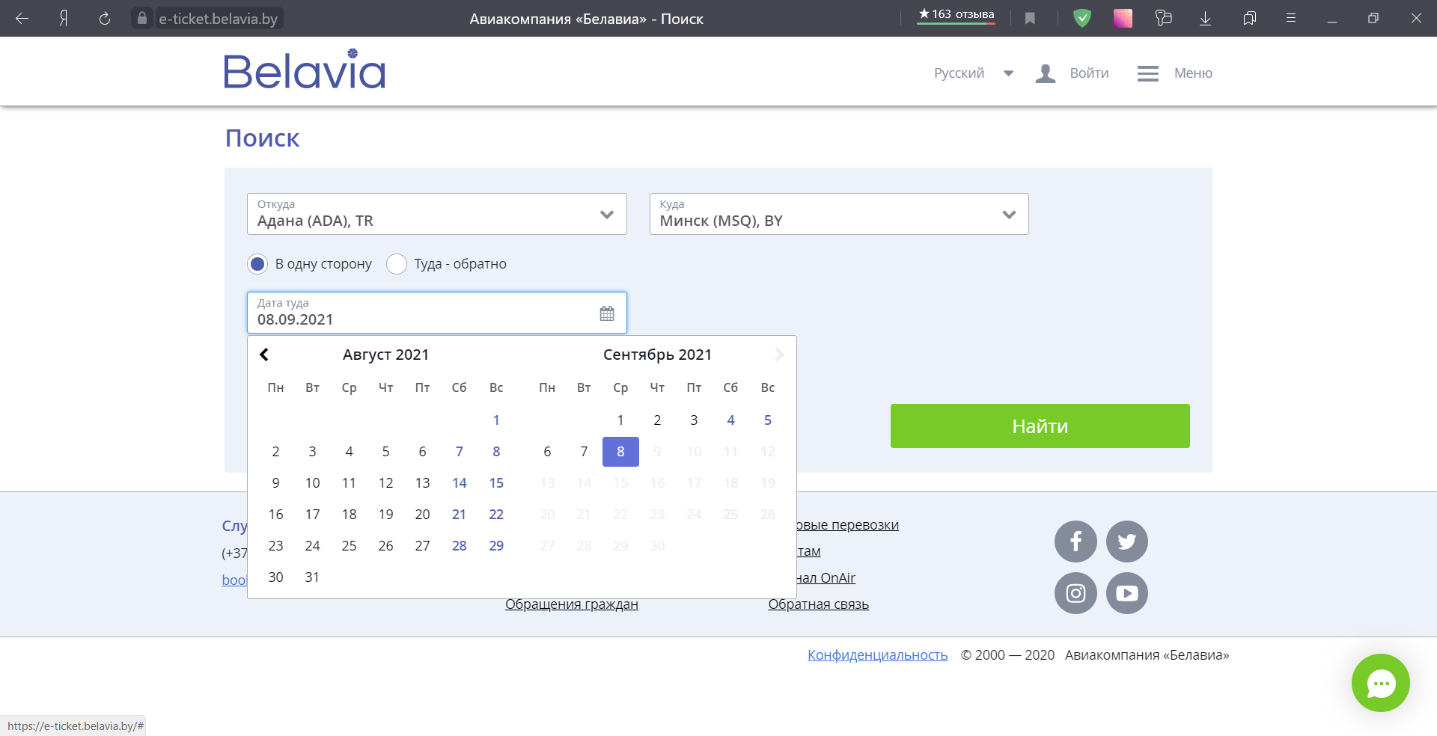 1. Open main page 2. Enter correct value in from/to filed. 3. Select last date in the fields Departure date 4. Click button Search
Actual result | the fields Departure date highlighted in red with no error message
Expected result | should be continue placing an order or receive an error message
Environment | Os: Windows 10 x64, Browser: Yandex Browser (20.9.1.110)
Severity | major
Priority | high
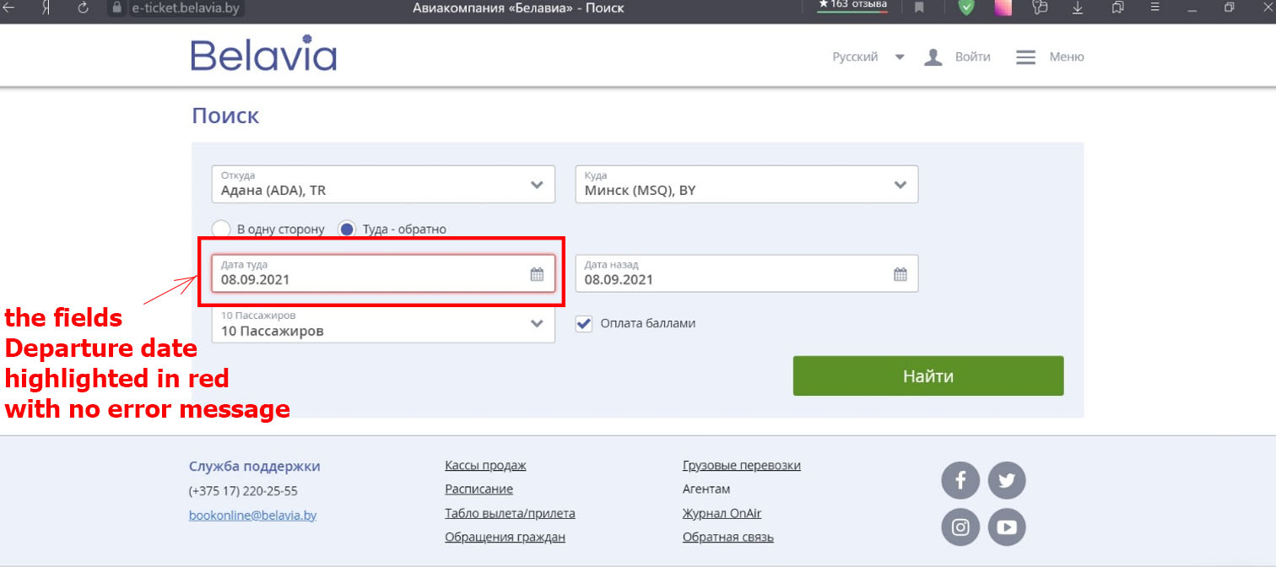 Attachment

ID | 3
Title | Main page: search ticket form don't redirect to a search result when enter correct data
Steps to reproduce | 1. Open main page 2. Enter correct value in from/to filed. 3. Select last date in the fields Departure date 4. Click button Search
Actual result | refresh page without continue placing an order
Expected result | should be continue placing an order or receive an error message
Environment | Os: Windows 10 x64, Browser: Yandex Browser (20.9.1.110)
Severity | major
Priority | high
Attachment | 