Problem
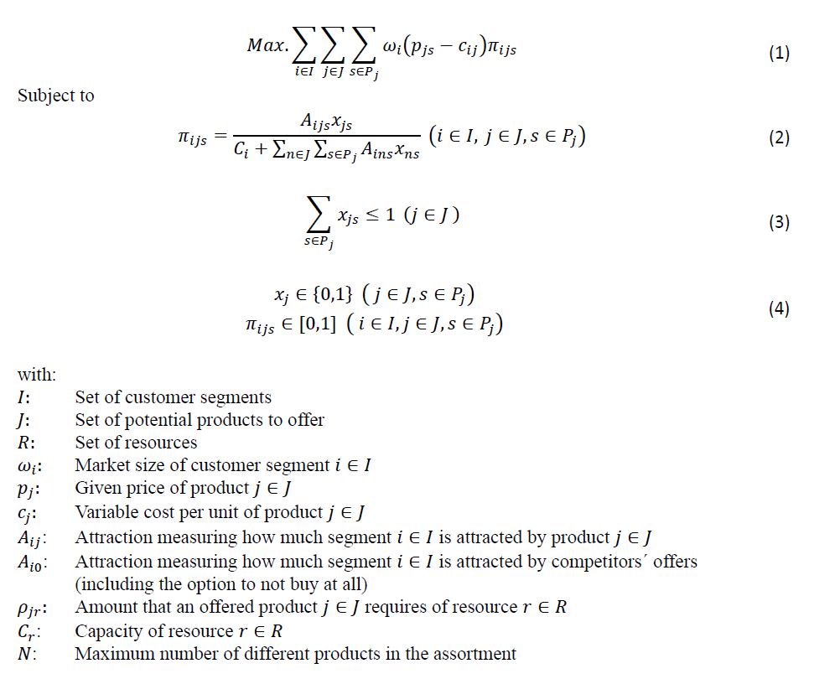
Problem: | Product Line Design
Objective: | Profit Maximization
No. of Product: | One-Product Product Line

Data
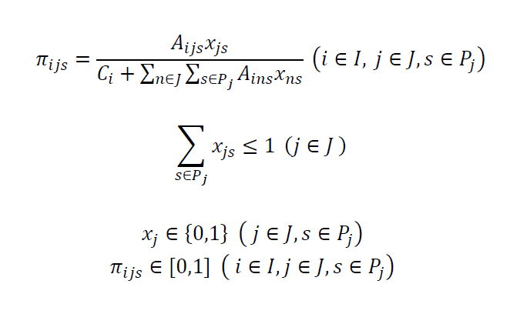
Attribute | Detachable |  | Processor |  |  | Display Size |  |  | Memory |  |  | Price
Level | Yes | No | i3 | i5 | i7 | S | M | L | 16 | 32 | 64 | 1000 | 1500 | 2000 | 2500
Part-worth utilities βikl_Segment 1 | 1 | 0 | 0 | 2 | 4.5 | 0 | 2 | 0.8 | 0 | 2 | 4.5 | 4 | 2 | 1 | 0
Part-worth utilities βikl_Segment 2 | 3 | 0 | 0 | 2.4 | 3 | 0 | 1.5 | 2.5 | 0 | 2 | 2.5 | 5 | 3 | 1 | 0
Variable cost | 200 | 0 | 0 | 100 | 200 | 0 | 50 | 100 | 0 | 40 | 80

Data Summary | Value
# of potential products | 54
# of product-price alternatives | 216

