Ques.1
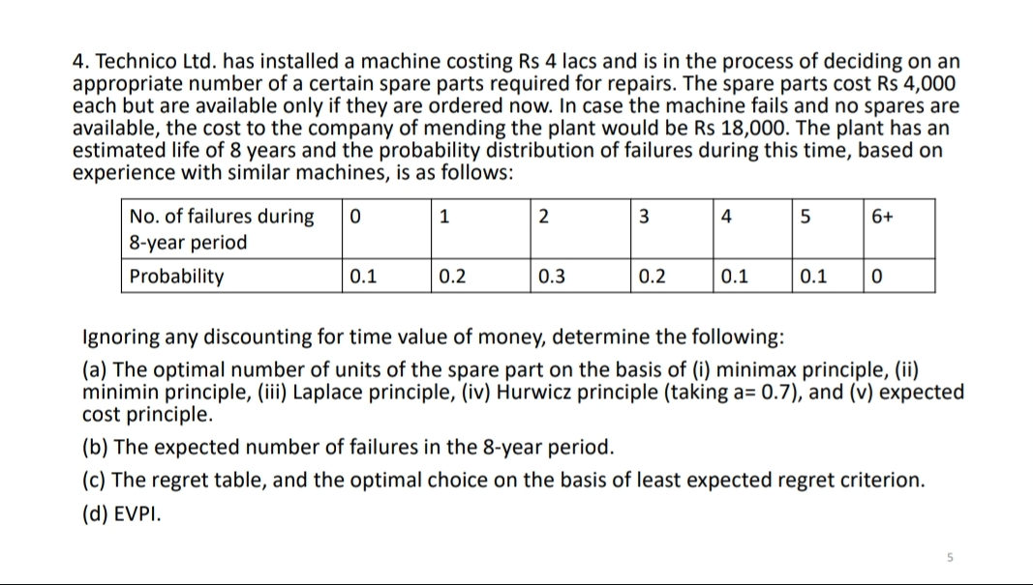
Solution:
We have the alternatives to purchase 0,1,2,3,4 or 5 spare parts. |  |  |  |  |  |  |  |  |  |  | (b) The expected number of failures in the 8-year period.
The states of nature are represented by the number of failures i.e. 0,1,2,3,4 and 5. |  |  |  |  |  |  |  |  |  |  | No of failures during 8 year period.
According to the question we have the following cost matrix: |  |  |  |  |  |  |  |  |  |  |  | 0 | 1 | 2 | 3 | 4 | 5 | 6
Cost Matrix: |  |  |  |  |  |  |  |  |  |  | Probablility | 0.1 | 0.2 | 0.3 | 0.2 | 0.1 | 0.1 | 0
 |  |  |  | No. of failures
 |  | 0 | 1 | 2 | 3 | 4 | 5 |  |  |  | The expected number of failures
 | 0 | 0 | 18 | 36 | 54 | 72 | 90 |  |  |  | 2.3
 | 1 | 4 | 4 | 22 | 40 | 58 | 76
No. of spare parts | 2 | 8 | 8 | 8 | 26 | 44 | 62
 | 3 | 12 | 12 | 12 | 12 | 30 | 48
 | 4 | 16 | 16 | 16 | 16 | 16 | 34 |  |  |  | (c.) The regret table, and the optimal choice on the basis of least expected regret criterion.
 | 5 | 20 | 20 | 20 | 20 | 20 | 20 |  |  |  | Regret table-> |  |  |  | No. of failures
 |  |  |  |  |  |  |  |  |  |  |  |  | 0 | 1 | 2 | 3 | 4 | 5 | Max
 |  |  |  |  |  |  |  |  |  |  |  | 0 | 0 | 14 | 28 | 42 | 56 | 70 | 70
The optimum number of units of the spare parts on the basis of following methods are: |  |  |  |  |  |  |  |  |  |  |  | 1 | 4 | 0 | 14 | 28 | 42 | 56 | 56
(a.i) Minimax principle |  |  |  |  |  |  |  |  |  |  | No. of spare parts | 2 | 8 | 4 | 0 | 14 | 28 | 42 | 42
 |  |  |  | No. of failures |  |  |  |  |  |  |  | 3 | 12 | 8 | 4 | 0 | 14 | 28 | 28 | Minimax= | 16
 |  | 0 | 1 | 2 | 3 | 4 | 5 | Max |  |  |  | 4 | 16 | 12 | 8 | 4 | 0 | 14 | 16
 | 0 | 0 | 18 | 36 | 54 | 72 | 90 | 90 |  |  |  | 5 | 20 | 16 | 12 | 8 | 4 | 0 | 20
 | 1 | 4 | 4 | 22 | 40 | 58 | 76 | 76
No. of spare parts | 2 | 8 | 8 | 8 | 26 | 44 | 62 | 62 | Minimax= | 20 | The minimax occurs for 4 spare parts.
 | 3 | 12 | 12 | 12 | 12 | 30 | 48 | 48 |  |  | So, the number of spare parts to be ordered is 4.
 | 4 | 16 | 16 | 16 | 16 | 16 | 34 | 34
 | 5 | 20 | 20 | 20 | 20 | 20 | 20 | 20

The minimax occurs for 5 spare parts.
So, the number of spare parts to be ordered is 5.

(a.ii) Minimin principle
 |  |  |  | No. of failures
 |  | 0 | 1 | 2 | 3 | 4 | 5 | Min
 | 0 | 0 | 18 | 36 | 54 | 72 | 90 | 0
 | 1 | 4 | 4 | 22 | 40 | 58 | 76 | 4
No. of spare parts | 2 | 8 | 8 | 8 | 26 | 44 | 62 | 8 | Minimin= | 0
 | 3 | 12 | 12 | 12 | 12 | 30 | 48 | 12
 | 4 | 16 | 16 | 16 | 16 | 16 | 34 | 16
 | 5 | 20 | 20 | 20 | 20 | 20 | 20 | 20

The minimin occurs for 0 spare parts.
So, no spare parts should be purchased..

(a.iii) Laplace principle
number of alternatives=number of sates of nature=6.

 |  |  |  | No. of failures
 |  | 0 | 1 | 2 | 3 | 4 | 5
 | 0 | 0 | 18 | 36 | 54 | 72 | 90
 | 1 | 4 | 4 | 22 | 40 | 58 | 76
No. of spare parts | 2 | 8 | 8 | 8 | 26 | 44 | 62
 | 3 | 12 | 12 | 12 | 12 | 30 | 48
 | 4 | 16 | 16 | 16 | 16 | 16 | 34
 | 5 | 20 | 20 | 20 | 20 | 20 | 20
Expected payoffs for number of spare parts are as follows.
Expected payoff (0)= |  | 45
Expected payoff (1)= |  | 34
Expected payoff (2)= |  | 26
Expected payoff (3)= |  | 21
Expected payoff (4)= |  | 19
Expected payoff (5)= |  | 20

Minimum expected payoff occurs at 4 spare parts.
So, the number of spare parts to be ordered is 4.

(a.iv) Harwicz Principle
Given: a=0.7
a= | 0.7 | 1-a= | 0.3
 |  |  |  | No. of failures
 |  | 0 | 1 | 2 | 3 | 4 | 5 | Row min(r1) | Row max(r2) | r1*a+r2*(1-a)
 | 0 | 0 | 18 | 36 | 54 | 72 | 90 | 0 | 90 | 27
 | 1 | 4 | 4 | 22 | 40 | 58 | 76 | 4 | 76 | 25.6
No. of spare parts | 2 | 8 | 8 | 8 | 26 | 44 | 62 | 8 | 62 | 24.2
 | 3 | 12 | 12 | 12 | 12 | 30 | 48 | 12 | 48 | 22.8
 | 4 | 16 | 16 | 16 | 16 | 16 | 34 | 16 | 34 | 21.4
 | 5 | 20 | 20 | 20 | 20 | 20 | 20 | 20 | 20 | 20

In case of cost matrix, we take minimum=20
So, the number of spare parts to be ordered is 5.

(a.v) Expected cost principle or Bayes' principle
 |  |  |  | No. of failures
 |  | 0 | 1 | 2 | 3 | 4 | 5
 | 0 | 0 | 18 | 36 | 54 | 72 | 90
 | 1 | 4 | 4 | 22 | 40 | 58 | 76
No. of spare parts | 2 | 8 | 8 | 8 | 26 | 44 | 62
 | 3 | 12 | 12 | 12 | 12 | 30 | 48
 | 4 | 16 | 16 | 16 | 16 | 16 | 34
 | 5 | 20 | 20 | 20 | 20 | 20 | 20
Probabilities= |  | 0.1 | 0.2 | 0.3 | 0.2 | 0.1 | 0.1

Expected payoffs for number of spare parts are as follows.
Expected payoff (0)= |  | 41.4
Expected payoff (1)= |  | 29.2
Expected payoff (2)= |  | 20.6
Expected payoff (3)= |  | 17.4
Expected payoff (4)= |  | 17.8
Expected payoff (5)= |  | 20

The minimum cost occurs at 3 spare parts.
So, the number of spare parts to be ordered is 3.

Ques.2
Ques. A dealer in second -hand machinery is offered 5 machines by a company for Rs 5,000 only.He expects to sell each of the machines for Rs 2,200 at a fair but he also knows that any machines not sold would be a waste and not fetch anything later on. Obtain the payoff matrix under each of the following assumptions:
(a) that the dealer has the option of buying the the entire lot only, and
(b) that the dealer has the option of buying as many machines as he chooses, at the rate of Rs 1000 per machine.
Using expectation principle of choice, determine the optimal strategy for the dealer in each of the two cases given.
Ques. A dealer in second -hand machinery is offered 5 machines by a company for Rs 5,000 only.He expects to sell each of the machines for Rs 2,200 at a fair but he also knows that any machines not sold would be a waste and not fetch anything later on. Obtain the payoff matrix under each of the following assumptions:
(a) that the dealer has the option of buying the the entire lot only, and
(b) that the dealer has the option of buying as many machines as he chooses, at the rate of Rs 1000 per machine.
Using expectation principle of choice, determine the optimal strategy for the dealer in each of the two cases given.

 |  |  |  |  |  | (a)

 |  |  |  |  |  | states of nature: |  | how many machines he is able to sell
 |  |  |  |  |  | alternatives: |  | either don’t buy at all or buy all 5 in a lot for 5000 only

 |  |  |  |  |  |  |  | profit matrix:

 |  |  |  |  |  |  |  | alternatives
 |  |  |  |  |  |  | states | 0 | 5
 |  |  |  |  |  |  | 1 | 0 | -2800
 |  |  |  |  |  |  | 2 | 0 | -600
 |  |  |  |  |  |  | 3 | 0 | 1600
 |  |  |  |  |  |  | 4 | 0 | 3800
 |  |  |  |  |  |  | 5 | 0 | 6000
 |  |  |  |  |  |  | average | 0 | 1600
(b) |  |  |  |  |  |  |  |  | max

states of nature : |  | how many machines he is able to sell |  |  |  |  |  | using laplace method
alternatives: |  | how many he should buy eac bsing for 1000 only |  |  |  |  |  | he should buy all 5 in a lot for 5000 only

 | profit matrix:

 |  |  | alternatives
states | 1 | 2 | 3 | 4 | 5
1 | 1200 | 200 | -800 | -1800 | -2800
2 | 1200 | 2400 | 1400 | 400 | -600
3 | 1200 | 2400 | 3600 | 2600 | 1600
4 | 1200 | 2400 | 3600 | 4800 | 3800
5 | 1200 | 2400 | 3600 | 4800 | 6000
average | 1200 | 1960 | 2280 | 2160 | 1600
 |  |  | max

 | using laplace method
 | he should buy 3 machines at 1000 only

Ques.3
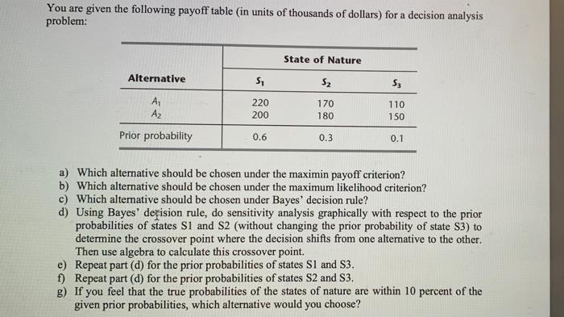
Solution:
Given matrix: |  |  |  |  |  |  | (d)Bayes' decision rule when probability of S3 is fixed: |  |  |  | (e)Bayes' decision rule when probability of S2 is fixed: |  |  |  | (e)Bayes' decision rule when probability of S1 is fixed:
 | States of Nature |  |  |  |  |  |  | States of Nature |  |  |  | States of Nature |  |  |  | States of Nature
Alternatives | S1 | S2 | S3 |  |  |  | Alternatives | S1 | S2 | S3 | Alternatives | S1 | S2 | S3 | Alternatives | S1 | S2 | S3
A1 | 220 | 170 | 110 |  |  |  | A1 | 220 | 170 | 110 | A1 | 220 | 170 | 110 | A1 | 220 | 170 | 110
A2 | 200 | 180 | 150 |  |  |  | A2 | 200 | 180 | 150 | A2 | 200 | 180 | 150 | A2 | 200 | 180 | 150
Prior Prob. | 0.6 | 0.3 | 0.1 |  |  |  | Variable Prob. | 0.1-0.8 | 0.1-0.8 | 0.1 | Variable Prob. | 0.1-0.6 | 0.3 | 0.1-0.6 | Variable Prob. | 0.6 | 0.1-0.3 | 0.1-0.3

 |  |  |  |  |  |  | Expected payoff when |  |  |  | Expected payoff when |  |  |  | Expected payoff when
(a) Maximin Payoff criterion: |  |  |  |  |  |  | S1= | 0.1 |  |  | S1= | 0.1 |  |  | S2= | 0.1
 | States of Nature |  |  |  |  |  | S2= | 0.8 |  |  | S2= | 0.6 |  |  | S3= | 0.3
Alternatives | S1 | S2 | S3 | Min |  |  | Expected payoff (A1)= |  | 169 |  | Expected payoff (A1)= |  | 139 |  | Expected payoff (A1)= |  | 182
A1 | 220 | 170 | 110 | 110 |  |  | Expected payoff (A2)= |  | 179 |  | Expected payoff (A2)= |  | 164 |  | Expected payoff (A2)= |  | 183
A2 | 200 | 180 | 150 | 150 | Maximin= | 150

The Maximin occurs for A2 |  |  |  |  |  |  | Expected payoff when |  |  |  | Expected payoff when |  |  |  | Expected payoff when
So, Alternative A2 should be chosen. |  |  |  |  |  |  | S1= | 0.8 |  |  | S1= | 0.6 |  |  | S2= | 0.3
 |  |  |  |  |  |  | S2= | 0.1 |  |  | S2= | 0.1 |  |  | S3= | 0.1
(b) Maximum Likelihood criterion: |  |  |  |  |  |  | Expected payoff (A1)= |  | 204 |  | Expected payoff (A1)= |  | 194 |  | Expected payoff (A1)= |  | 194
 | States of Nature |  |  |  |  |  | Expected payoff (A2)= |  | 193 |  | Expected payoff (A2)= |  | 189 |  | Expected payoff (A2)= |  | 189
Alternatives | S1 | S2 | S3
A1 | 220 | 170 | 110 |  |  |  | Table for A1: |  |  |  | Table for A1: |  |  |  | Table for A1:
A2 | 200 | 180 | 150 |  |  |  | Probability | Expected payoff |  |  | Probability | Expected payoff |  |  | Probability | Expected payoff
Prior Prob. | 0.6 | 0.3 | 0.1 |  |  |  | 0.1 | 169 |  |  | 0.1 | 139 |  |  | 0.1 | 182
 |  |  |  |  |  |  | 0.8 | 204 |  |  | 0.6 | 194 |  |  | 0.3 | 194
The maximum prior probabilities is for S1 and maximum value for alternative is achieved at A1.
 |  |  |  |  |  |  | Table for A2: |  |  |  | Table for A2: |  |  |  | Table for A2:
So, Alternative A1 should be chosen. |  |  |  |  |  |  | Probability | Expected payoff |  |  | Probability | Expected payoff |  |  | Probability | Expected payoff
 |  |  |  |  |  |  | 0.1 | 179 |  |  | 0.1 | 164 |  |  | 0.1 | 183
c) Bayes' Decision rule: |  |  |  |  |  |  | 0.8 | 193 |  |  | 0.6 | 189 |  |  | 0.3 | 189
 | States of Nature
Alternatives | S1 | S2 | S3
A1 | 220 | 170 | 110
A2 | 200 | 180 | 150
Prior Prob. | 0.6 | 0.3 | 0.1

Expected payoffs for alternatives are as follows.
Expected payoff (A1)= |  | 194
Expected payoff (A2)= |  | 189

The maximum Expected payoff occurs for alternative A1.
So, Alternative A1 should be chosen.

0.433333

 |  |  |  |  |  |  | Algebric solution: |  |  |  | Algebric solution: |  |  |  | Algebric solution:
 |  |  |  |  |  |  | Let probability of S1 be p and that of S2 be (0.9-p) |  |  |  | Let probability of S1 be p and that of S3 be (0.7-p) |  |  |  | Let probability of S2 be p and that of S3 be (0.4-p)
 |  |  |  |  |  |  | Expected payoff (A1)= |  | 220p+153-170p+11 |  | Expected payoff (A1)= |  | 220p+51+77-110p |  | Expected payoff (A1)= |  | 132+170p+44-110p
 |  |  |  |  |  |  | Expected payoff (A2)= |  | 200p+162-180p+15 |  | Expected payoff (A2)= |  | 200p+54+105-150p |  | Expected payoff (A2)= |  | 120+180p+60-150p

 |  |  |  |  |  |  | equating both equations: |  |  |  | equating both equations: |  |  |  | equating both equations:
 |  |  |  |  |  |  | 50p+164=20p+177 |  |  |  | 110+128=50p+159 |  |  |  | 60p+176=30p+180
 |  |  |  |  |  |  | 30p= | 13 |  |  | 60p= | 31 |  |  | 30p= | 4
 |  |  |  |  |  |  | p= | 0.43333333333 |  |  | p= | 0.51666666667 |  |  | p= | 0.13333333333

 |  |  |  |  |  |  | This can be verified with the grapth. |  |  |  | This can be verified with the grapth. |  |  |  | This can be verified with the grapth.
 |  |  |  |  |  |  | So, The cross over point is 0.43333 |  |  |  | So, The cross over point is 0.516667 |  |  |  | So, The cross over point is 0.1333333

Ques.4
Dwight Moody is the manager of a large farm with 1,000 acres of arable land. For greater efficiency, Dwight always devotes the farm to growing one crop at a time. He now needs to make a decision on which one of four crops to grow during the upcoming growing season. For each of these crops, Dwight has obtained the following estimates of crop yields and net incomes per bushel under various weather conditions.
Expected yield, Bushel/Acre Weather Crop 1 Crop 2 Crop 3 Crop 4 Dry 20 15 30 40 Moderate 35 20 25 40 Damp 40 30 25 40 Net income/bushel $1.00 $1.50 $1.00 $0.50
After referring to historical meteorological records, Dwight also estimated the following probabilities for the weather during the growing season: Dry 0.3 Moderate 0.5 Damp 0.2
(a) Develop a decision analysis formulation of this problem by identifying the alternative actions,the states of nature and the payoff table:
(b) Use Bayes' decision rule to determine which crop to grow.
(c)Using Bayes' decision rule, do sensitivity analysis with respect to the prior probabilities of moderate weather and damp weather(without changing the prior probability of dry weather) by re-solving when the prior probability of moderate weather is 0.2,0.3,0.4 and 0.6.
Solution:
 |  |  |  |  |  | (c)Bayes' decision rule when probability of moderate is changing: |  |  |  |  | Table for crop 1 |  | Table for crop 2 |  | Table for crop 3 |  | Table for crop 4
(a) Formulation: |  |  |  |  |  |  |  | States of nature: |  |  | Probability(p) | E(crop 1) | Probability | E(crop 2) | Probability | E(crop 3) | Probability | E(crop 4)
Given matrix |  |  |  |  |  |  |  | Dry | Moderate | Damp | 0.2 | 33 | 0.2 | 35.25 | 0.2 | 26.5 | 0.2 | 20
 |  | States of nature: |  |  |  |  | Crop 1 | 20.00 | 35.00 | 40.00 | 0.3 | 32.5 | 0.3 | 33.75 | 0.3 | 26.5 | 0.3 | 20
 |  | Dry | Moderate | Damp | Income/bushel(in $) | Alternatives | Crop 2 | 22.5 | 30 | 45 | 0.4 | 32 | 0.4 | 32.25 | 0.4 | 26.5 | 0.4 | 20
 | Crop 1 | 20 | 35 | 40 | 1.00 |  | Crop 3 | 30 | 25 | 25 | 0.6 | 31 | 0.6 | 29.25 | 0.6 | 26.5 | 0.6 | 20
Alternatives | Crop 2 | 15 | 20 | 30 | 1.50 |  | Crop 4 | 20 | 20 | 20
 | Crop 3 | 30 | 25 | 25 | 1.00 |  | Prior prob. | 0.3 | 0.2 | 0.5
 | Crop 4 | 40 | 40 | 40 | 0.50
 | Prior prob. | 0.3 | 0.5 | 0.2 |  | Expected payoff when
 |  |  |  |  |  | Moderate= | 0.2
The corresponding income matrix(payoff table) is as follows: |  |  |  |  |  | Damp= | 0.5
 |  | States of nature: |  |  |  | Expected payoff (Crop 1)= |  | 33
 |  | Dry | Moderate | Damp |  | Expected payoff (Crop 2)= |  | 35.25
 | Crop 1 | 20.00 | 35.00 | 40.00 |  | Expected payoff (Crop 3)= |  | 26.5
Alternatives | Crop 2 | 22.5 | 30 | 45 |  | Expected payoff (Crop 4)= |  | 20
 | Crop 3 | 30 | 25 | 25
 | Crop 4 | 20 | 20 | 20
 | Prior prob. | 0.3 | 0.5 | 0.2 |  | Expected payoff when
 |  |  |  |  |  | Moderate= | 0.3
 |  |  |  |  |  | Damp= | 0.4
(b)Bayes' Decision rule: |  |  |  |  |  | Expected payoff (Crop 1)= |  | 32.5
 |  | States of nature: |  |  |  | Expected payoff (Crop 2)= |  | 33.75
 |  | Dry | Moderate | Damp |  | Expected payoff (Crop 3)= |  | 26.5
 | Crop 1 | 20.00 | 35.00 | 40.00 |  | Expected payoff (Crop 4)= |  | 20
Alternatives | Crop 2 | 22.5 | 30 | 45
 | Crop 3 | 30 | 25 | 25
 | Crop 4 | 20 | 20 | 20 |  | Expected payoff when
 | Prior prob. | 0.3 | 0.5 | 0.2 |  | Moderate= | 0.4
0.425
 |  |  |  |  |  | Damp= | 0.3
Expected payoffs for alternatives are as follows. |  |  |  |  |  | Expected payoff (Crop 1)= |  | 32
Expected payoff (Crop 1)= |  | 31.5 |  |  |  | Expected payoff (Crop 2)= |  | 32.25
Expected payoff (Crop 2)= |  | 30.75 |  |  |  | Expected payoff (Crop 3)= |  | 26.5
Expected payoff (Crop 3)= |  | 26.5 |  |  |  | Expected payoff (Crop 4)= |  | 20
Expected payoff (Crop 4)= |  | 20

The maximum Expected payoff occurs for alternative Crop 1. |  |  |  |  |  | Expected payoff when |  |  |  |  |  | From the graph and algebric solution, we can infer that,
So, Crop 1 should be grown. |  |  |  |  |  | Moderate= | 0.6 |  |  |  |  | The cross over point is 0.425
 |  |  |  |  |  | Damp= | 0.1
 |  |  |  |  |  | Expected payoff (Crop 1)= |  | 31
 |  |  |  |  |  | Expected payoff (Crop 2)= |  | 29.25
 |  |  |  |  |  | Expected payoff (Crop 3)= |  | 26.5
 |  |  |  |  |  | Expected payoff (Crop 4)= |  | 20

 |  |  |  |  |  | Algebric solution:
 |  |  |  |  |  | Let probability of moderate be p and that of damp be (0.7-p)
 |  |  |  |  |  | Expected payoff (Crop 1)= |  | 6+35p+28-40p
 |  |  |  |  |  | Expected payoff (Crop 2)= |  | 6.75+30p+31.5-45p
 |  |  |  |  |  | Expected payoff (Crop 3)= |  | 9+17.5 | 26.5
 |  |  |  |  |  | Expected payoff (Crop 4)= |  | 6+14 | 20

 |  |  |  |  |  | equating, E(crop 1)=E(crop 2):
 |  |  |  |  |  | 34-5p=38.25-15p
 |  |  |  |  |  | 10p= | 4.25
 |  |  |  |  |  | p= | 0.425
 |  |  |  |  |  | Cross over point = 0.425

