Sheet2
main

static block - ContextClosedEvent.class.getName

AnnotationConfigApplicationContext构造函数
参数 annotatedClass
this()
read = new AnnotatedBeanDefinitionReader()
scanner = new ClassPathBeanDefinitionScanner()

register(annotatedClasses);
this.reader.register(annotatedClasses);
RegisterBean(annotatedClasses);
这一步实际上时Configuration 注解的类
public void registerBean(Class<?> annotatedClass, String name, Class<? extends Annotation>... qualifiers)
String beanName = (name != null ? name : this.beanNameGenerator.generateBeanName(abd, this.registry));
beanname实际是myConifg
registerBeanDefinition myconfig
-- Register the given bean definition with the given bean factory.

refresh();

上锁

// Prepare this context for refreshing.
prepareRefresh(); | startupDate = System.currentTimeMillis(); |  | 在注册myconfig之前，这些在registry里

 | // Initialize any placeholder property sources in the context environment
 | initPropertySources();

 | // Validate that all properties marked as required are resolvable
 | // see ConfigurablePropertyResolver#setRequiredProperties
 | getEnvironment().validateRequiredProperties();
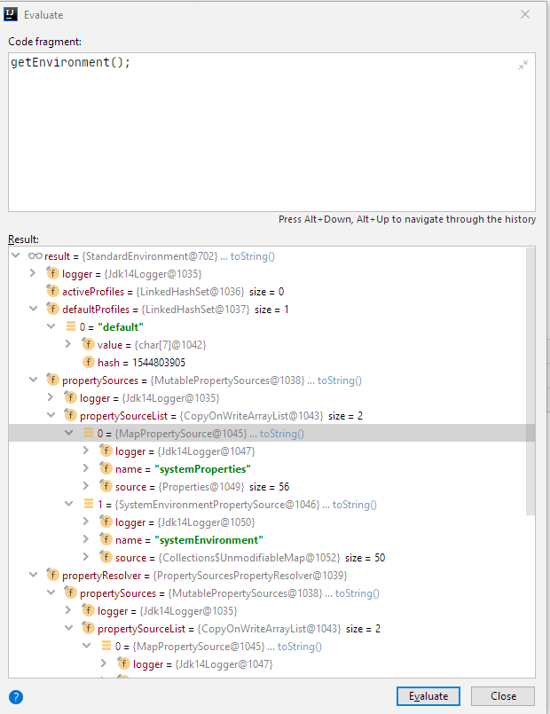

 |  |  | 之后

 |  |  | 之后register alias（本例没有alias）
 |  |  | 后面是Refresh，大头

 | @Override
 | public void validateRequiredProperties() {
 | MissingRequiredPropertiesException ex = new MissingRequiredPropertiesException();
 | for (String key : this.requiredProperties) {
 | if (this.getProperty(key) == null) {
 | ex.addMissingRequiredProperty(key);
 | }
 | }
 | if (!ex.getMissingRequiredProperties().isEmpty()) {
 | throw ex;
 | }
 | }

 | 这里都是空，没有任何操作也没有抛出异常

 | // Allow for the collection of early ApplicationEvents,
 | // to be published once the multicaster is available...
 | this.earlyApplicationEvents = new LinkedHashSet<ApplicationEvent>();

// Tell the subclass to refresh the internal bean factory.
ConfigurableListableBeanFactory beanFactory = obtainFreshBeanFactory();

 | refreshBeanFactory();
 | ConfigurableListableBeanFactory beanFactory = getBeanFactory();
 | if (logger.isDebugEnabled()) {
 | logger.debug("Bean factory for " + getDisplayName() + ": " + beanFactory);
 | }
 | return beanFactory;
 |  | @Override
 |  | protected final void refreshBeanFactory() throws IllegalStateException {
 |  | if (!this.refreshed.compareAndSet(false, true)) {
 |  | throw new IllegalStateException(
 |  | "GenericApplicationContext does not support multiple refresh attempts: just call 'refresh' once");
 |  | }
 |  | this.beanFactory.setSerializationId(getId());
 |  | }

 |  | 这个getId
 |  | org.springframework.context.annotation.AnnotationConfigApplicationContext@7e0ea639

