Image Overlay Charts
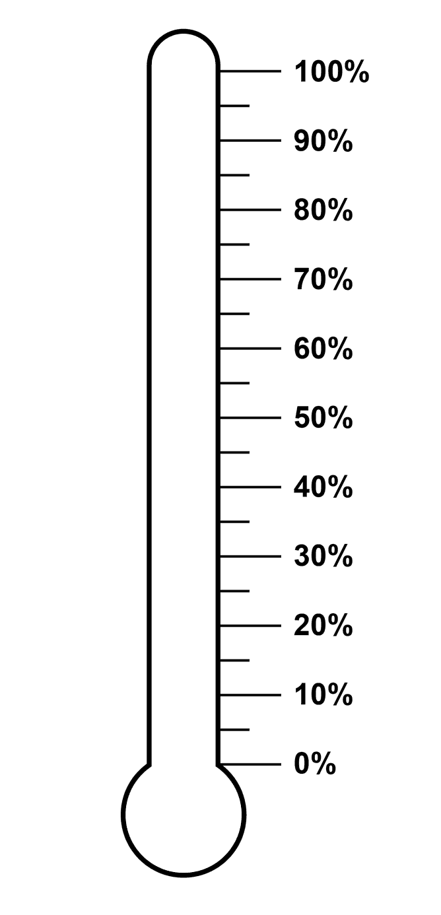

$ Raised | Goal | $ Remaining | % to Goal
$4,500 | $10,000 | $5,500 | 45%

Gauge Chart
Chart Value | Max | Slices | Degrees | X-Values | Y-Values
5.00 | 10

40%
60%

20%
80%

0%
100%

