OK-Test1
Test No 1
Name: calibration_sfsu_hallway
Description: Our testing process will include both hammer and shaker tests conducted in the hallway of the new building. Nodes will be strategically positioned in two straight lines. The primary objective of this testing is to validate the impacts related to PFEEL, including PFEEL in conjunction with gait and APDM.

Test Matrix
 |  | Hammer | Shaker
 |  | Quantity | Quantity
 | Total nodes | 20 | 20
 | Shaker and/or hammer (1 or 2) | 1 | 1
 | Repetitions | 3 | 1
 | Total trials | 60 | 20
 | Time per trial (min) | 1 | 6
 | Test time approx (hrs) | 1 | 2.0
 | Total Time (hrs) | 3.0
 | General parameters | Building, Floor No
 | Specific Paarameters | Node-ID, node coordinates

 |  |  |  | hallway width |  | 3m
 | Cummulative time (hr) | 3.0 |  | hallway length |  | 27 m
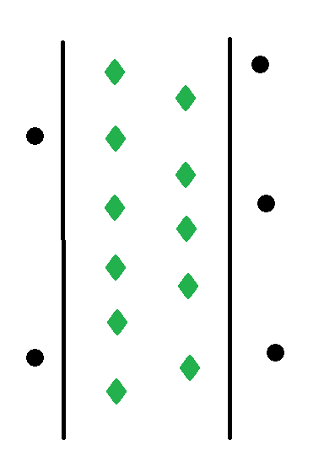
 |  |  | Sensors | SN | Model | Sensitivity
 |  |  | 1 | 51815 | 393B31 | 9890
 |  |  | 2 | 51819 | 393B31 | 9710
 |  |  | 3 | 72538 | 393B31 | 9940
 |  |  | 4 | 51835 | 393B31 | 9770
 |  |  | 5 | 51836 | 393B31 | 9730
 |  |  | 6 | 61292 | 393B31 | 9910
 |  |  | 7 | 61321 | 393B31 | 9700
 |  |  | 8 | 68542 | 393A03 | 1004.6

Sensor Number | Channel | Type | SN | Sensitivity (mV/g) | X (in) | Y (in)
1 | 1 | PCB393B31 | 51815 | 9890 | 83 | 991
2 | 2 | PCB393B31 | 51819 | 9710 | 0.3 | 886
3 | 3 | PCB393B31 | 72538 | 9940 | 84 | 805
4 | 4 | PCB393B31 | 51835 | 9770 | 0.3 | 739
5 | 5 | PCB393B31 | 51836 | 9730 | 83 | 553
6 | 6 | PCB393B31 | 61292 | 9910 | 30 | 372
7 | 7 | PCB393B31 | 61321 | 9700 | 84 | 234
8x | 8 | PCB393A03 | 67865 | 975.181 | n/a
8y | 9 | PCB393A03 | 67866 | 997.215
8z | 10 | PCB393A03 | 68542 | 1004.5919 | 0 | 103
9x | 11 | PCB393A03 | 68578 | 977.3876 | n/a
9y | 12 | PCB393A03 | 68588 | 988.2226
9z | 13 | PCB393A03 | 68595 | 983.7188 | 443 | 1105
10 | 14 | PCB393B31 | 61596 | 9620 | 311 | 1010
11 | 15 | PCB393B31 | 61603 | 9820 | 311 | 973
12 | 16 | PCB393B31 | 61605 | 9580 | 141 | 905
13 | 17 | PCB393B31 | 72955 | 9770 | 167 | 733
14 | 18 | PCB393B31 | 72956 | 9640 | 264 | 469
15 | 19 | PCB393B31 | 61462 | 9770 | 192 | 267
16 | 20 | PCB393B31 | 61593 | 9620 | 408 | 181

 | Files created:
 | calibration_hammer_sfsu_hallway.JSON
 | calibration_shaker_sfsu_hallway.JSON

 | calibration_hammer_sfsu_hallway: --------------------------------------------- (check in JSON) 1. Check ID of the NI card 2. Building: Floor No: Hallway Width:118.11 in Hallway Length:1063 in

 | calibration_shaker_sfsu_hallway: --------------------------------------------- (check in JSON) 1. Check ID of the NI card 2. Check channel of the output signals 3. Check channel of the top sensor 4. Building: Floor No: Hallway Width:118.11 in Hallway Length:1063 in

Ok-Test2
Test No 2
Name: walking_hallway_single_person_APDM
Description: Participants will walk along a straight path in the hallway, covering a distance of at least 10 meters. They will be equipped with APDM sensors for data collection. The dataset is for walking over a template of each subjectID steps location.

Test Matrix
 |  | Template-Fixed step
 |  | Quantity
 | No of Participants walking | 3
 | Directions | 2
 | Repetitions/direction | 10
 | Total trials | 60
 | Time per trial (min) | 5
 | Test time approx (hrs) | 5.0
 | Total time (hrs) | 5.0
 | General parameters | Building, floor No, Description, height, age, weight, type_of_shoe as vectors
 | Specific Paarameters | comments, direction, subjectID

 | Cummulative time (hr) | 8.0

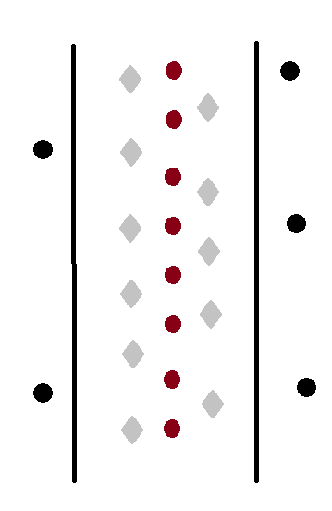

walking_hallway_single_person_APDM_$subjectID$ --------------------------------------------- (check in JSON) 1. Check ID of the NI card 2. Building: Floor No: Hallway Width:118.11 in Hallway Length:1063 in Subjects ID: [001, 002, 003] Height: Age: Weight: shoe-type: heel_strike_locations:

walking_hallway_single_person_APDM_$subjectID$_free_pace --------------------------------------------- (check in JSON) 1. Check ID of the NI card 2. Building: Floor No: Hallway Width:118.11 in Hallway Length:1063 in Subjects ID: [001, 002, 003] Height: Age: Weight: shoe-type: ref_points_locations:

Ok-Test3
Test No 3
Name: walking_hallway_classroom_single_person_APDM
Description: A single participant will walk in the hallway, entering to the classroom equipped with APDM sensors. This test has GoPro recordings

Test Matrix

 |  | Quantity
 | Different Participants walking individually | 3
 | Directions | 1
 | Repetitions/direction | 10
 | Total trials | 30
 | Time per trial (min) | 2
 | Test time approx (hrs) | 1.0
 | General parameters | Building, floor No, Description, height, age, weight, type_of_shoe as vectors
 | Specific Paarameters | comments, direction, subjectID

 | Cummulative time (hr) | 9.0
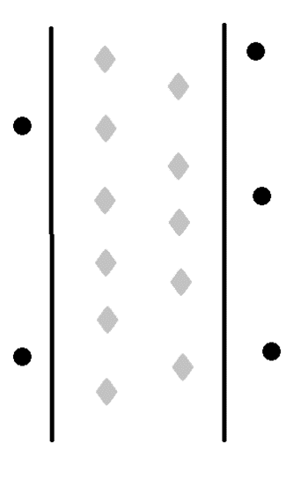

walking_hallway_single_person_APDM_$subjectID$_free_pace --------------------------------------------- (check in JSON) 1. Check ID of the NI card 2. Building: Floor No: Hallway Width:118.11 in Hallway Length:1063 in Subjects ID: Height: Age: Weight: shoe-type: ref_points_locations:

