RedBull Cost Minimization
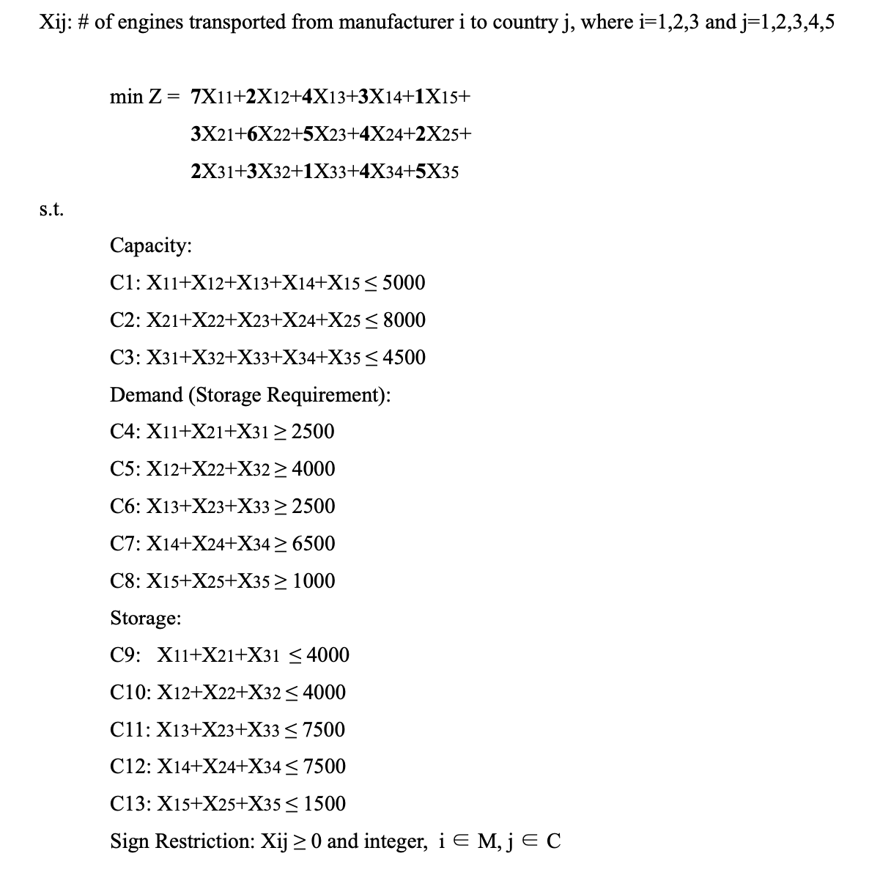
RedBull LP |  | X_11 | X_12 | X_13 | X_14 | X_15 | X_21 | X_22 | X_23 | X_24 | X_25 | X_31 | X_32 | X_33 | X_34 | X_35
 | Variables | 0 | 4000 | 0 | 0 | 1000 | 500 | 0 | 0 | 6500 | 0 | 2000 | 0 | 2500 | 0 | 0
 | OF | 7 | 2 | 4 | 3 | 1 | 3 | 6 | 5 | 4 | 2 | 2 | 3 | 1 | 4 | 5 | 43000
Capacity | C1 | 1 | 1 | 1 | 1 | 1 |  |  |  |  |  |  |  |  |  |  | 5000 | <= | 5000
 | C2 |  |  |  |  |  | 1 | 1 | 1 | 1 | 1 |  |  |  |  |  | 7000 | <= | 8000
 | C3 |  |  |  |  |  |  |  |  |  |  | 1 | 1 | 1 | 1 | 1 | 4500 | <= | 4500
Demand | C4 | 1 |  |  |  |  | 1 |  |  |  |  | 1 |  |  |  |  | 2500 | >= | 2500
 | C5 |  | 1 |  |  |  |  | 1 |  |  |  |  | 1 |  |  |  | 4000 | >= | 4000
 | C6 |  |  | 1 |  |  |  |  | 1 |  |  |  |  | 1 |  |  | 2500 | >= | 2500
 | C7 |  |  |  | 1 |  |  |  |  | 1 |  |  |  |  | 1 |  | 6500 | >= | 6500
 | C8 |  |  |  |  | 1 |  |  |  |  | 1 |  |  |  |  | 1 | 1000 | >= | 1000
Storage | C9 | 1 |  |  |  |  | 1 |  |  |  |  | 1 |  |  |  |  | 2500 | <= | 4000
 | C10 |  | 1 |  |  |  |  | 1 |  |  |  |  | 1 |  |  |  | 4000 | <= | 4000
 | C11 |  |  | 1 |  |  |  |  | 1 |  |  |  |  | 1 |  |  | 2500 | <= | 7500
 | C12 |  |  |  | 1 |  |  |  |  | 1 |  |  |  |  | 1 |  | 6500 | <= | 7500
 | C13 |  |  |  |  | 1 |  |  |  |  | 1 |  |  |  |  | 1 | 1000 | <= | 1500

