Sheet1
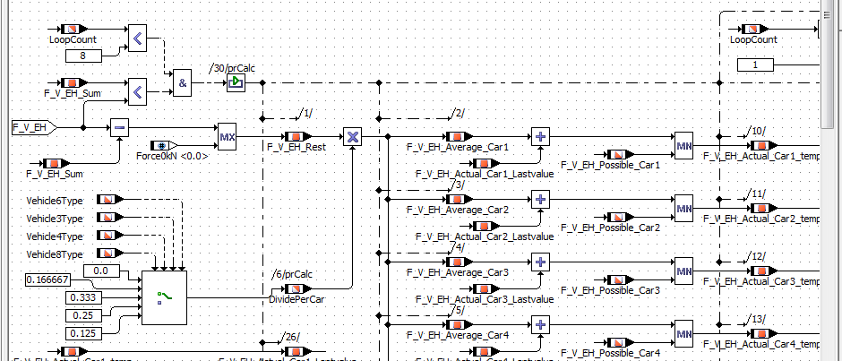

分配次数 | F_V_EH(kN) | F_V_EH_Sum | F_V_EH_Rest | DividePerCar | F_V_EH_Possible_Car1 | 10 | F_V_EH_Average_Car1 | 25
1 | 100 | 0 | 100 | 1/4 | F_V_EH_Possible_Car2 | 20 | F_V_EH_Average_Car2 | 25
 |  |  |  |  | F_V_EH_Possible_Car3 | 30 | F_V_EH_Average_Car3 | 25
 |  |  |  |  | F_V_EH_Possible_Car4 | 40 | F_V_EH_Average_Car4 | 25

 |  |  |  |  |  |  | F_V_EH_Actual_Car1_Lastvalue | 0
 |  |  |  |  |  |  | F_V_EH_Actual_Car2_Lastvalue | 0
 |  |  |  |  |  |  | F_V_EH_Actual_Car3_Lastvalue | 0
 |  |  |  |  |  |  | F_V_EH_Actual_Car4_Lastvalue | 0

 |  |  |  |  |  |  | F_V_EH_Actual_Car1_temp | 10
 |  |  |  |  |  |  | F_V_EH_Actual_Car2_temp | 20
 |  |  |  |  |  |  | F_V_EH_Actual_Car3_temp | 25
 |  |  |  |  |  |  | F_V_EH_Actual_Car4_temp | 25

 |  |  |  |  |  |  | F_V_EH_Sum | 80

分配次数 | F_V_EH(kN) | F_V_EH_Sum | F_V_EH_Rest | DividePerCar | F_V_EH_Possible_Car1 | 10 | F_V_EH_Average_Car1 | 5
2 | 100 | 80 | 20 | 1/4 | F_V_EH_Possible_Car2 | 20 | F_V_EH_Average_Car2 | 5
 |  |  |  |  | F_V_EH_Possible_Car3 | 30 | F_V_EH_Average_Car3 | 5
 |  |  |  |  | F_V_EH_Possible_Car4 | 40 | F_V_EH_Average_Car4 | 5

 |  |  |  |  |  |  | F_V_EH_Actual_Car1_Lastvalue | 10
 |  |  |  |  |  |  | F_V_EH_Actual_Car2_Lastvalue | 20
 |  |  |  |  |  |  | F_V_EH_Actual_Car3_Lastvalue | 25
 |  |  |  |  |  |  | F_V_EH_Actual_Car4_Lastvalue | 25

 |  |  |  |  |  |  | F_V_EH_Actual_Car1_temp | 10
 |  |  |  |  |  |  | F_V_EH_Actual_Car2_temp | 20
 |  |  |  |  |  |  | F_V_EH_Actual_Car3_temp | 30
 |  |  |  |  |  |  | F_V_EH_Actual_Car4_temp | 30

 |  |  |  |  |  |  | F_V_EH_Sum | 90

分配次数 | F_V_EH(kN) | F_V_EH_Sum | F_V_EH_Rest | DividePerCar | F_V_EH_Possible_Car1 | 10 | F_V_EH_Average_Car1 | 2.5
3 | 100 | 90 | 10 | 1/4 | F_V_EH_Possible_Car2 | 20 | F_V_EH_Average_Car2 | 2.5
 |  |  |  |  | F_V_EH_Possible_Car3 | 30 | F_V_EH_Average_Car3 | 2.5
 |  |  |  |  | F_V_EH_Possible_Car4 | 40 | F_V_EH_Average_Car4 | 2.5

 |  |  |  |  |  |  | F_V_EH_Actual_Car1_Lastvalue | 10
 |  |  |  |  |  |  | F_V_EH_Actual_Car2_Lastvalue | 20
 |  |  |  |  |  |  | F_V_EH_Actual_Car3_Lastvalue | 30
 |  |  |  |  |  |  | F_V_EH_Actual_Car4_Lastvalue | 30

 |  |  |  |  |  |  | F_V_EH_Actual_Car1_temp | 10
 |  |  |  |  |  |  | F_V_EH_Actual_Car2_temp | 20
 |  |  |  |  |  |  | F_V_EH_Actual_Car3_temp | 30
 |  |  |  |  |  |  | F_V_EH_Actual_Car4_temp | 32.5

 |  |  |  |  |  |  | F_V_EH_Sum | 92.5

分配次数 | F_V_EH(kN) | F_V_EH_Sum | F_V_EH_Rest | DividePerCar | F_V_EH_Possible_Car1 | 10 | F_V_EH_Average_Car1 | 1.875
4 | 100 | 92.5 | 7.5 | 1/4 | F_V_EH_Possible_Car2 | 20 | F_V_EH_Average_Car2 | 1.875
 |  |  |  |  | F_V_EH_Possible_Car3 | 30 | F_V_EH_Average_Car3 | 1.875
 |  |  |  |  | F_V_EH_Possible_Car4 | 40 | F_V_EH_Average_Car4 | 1.875

 |  |  |  |  |  |  | F_V_EH_Actual_Car1_Lastvalue | 10
 |  |  |  |  |  |  | F_V_EH_Actual_Car2_Lastvalue | 20
 |  |  |  |  |  |  | F_V_EH_Actual_Car3_Lastvalue | 30
 |  |  |  |  |  |  | F_V_EH_Actual_Car4_Lastvalue | 32.5

 |  |  |  |  |  |  | F_V_EH_Actual_Car1_temp | 10
 |  |  |  |  |  |  | F_V_EH_Actual_Car2_temp | 20
 |  |  |  |  |  |  | F_V_EH_Actual_Car3_temp | 30
 |  |  |  |  |  |  | F_V_EH_Actual_Car4_temp | 34.375

 |  |  |  |  |  |  | F_V_EH_Sum | 94.375

分配次数 | F_V_EH(kN) | F_V_EH_Sum | F_V_EH_Rest | DividePerCar | F_V_EH_Possible_Car1 | 10 | F_V_EH_Average_Car1 | 1.40625
5 | 100 | 94.375 | 5.625 | 1/4 | F_V_EH_Possible_Car2 | 20 | F_V_EH_Average_Car2 | 1.40625
 |  |  |  |  | F_V_EH_Possible_Car3 | 30 | F_V_EH_Average_Car3 | 1.40625
 |  |  |  |  | F_V_EH_Possible_Car4 | 40 | F_V_EH_Average_Car4 | 1.40625

 |  |  |  |  |  |  | F_V_EH_Actual_Car1_Lastvalue | 10
 |  |  |  |  |  |  | F_V_EH_Actual_Car2_Lastvalue | 20
 |  |  |  |  |  |  | F_V_EH_Actual_Car3_Lastvalue | 30
 |  |  |  |  |  |  | F_V_EH_Actual_Car4_Lastvalue | 34.375

 |  |  |  |  |  |  | F_V_EH_Actual_Car1_temp | 10
 |  |  |  |  |  |  | F_V_EH_Actual_Car2_temp | 20
 |  |  |  |  |  |  | F_V_EH_Actual_Car3_temp | 30
 |  |  |  |  |  |  | F_V_EH_Actual_Car4_temp | 35.78125

 |  |  |  |  |  |  | F_V_EH_Sum | 95.78125

分配次数 | F_V_EH(kN) | F_V_EH_Sum | F_V_EH_Rest | DividePerCar | F_V_EH_Possible_Car1 | 10 | F_V_EH_Average_Car1 | 1.0546875
6 | 100 | 95.78125 | 4.21875 | 1/4 | F_V_EH_Possible_Car2 | 20 | F_V_EH_Average_Car2 | 1.0546875
 |  |  |  |  | F_V_EH_Possible_Car3 | 30 | F_V_EH_Average_Car3 | 1.0546875
 |  |  |  |  | F_V_EH_Possible_Car4 | 40 | F_V_EH_Average_Car4 | 1.0546875

 |  |  |  |  |  |  | F_V_EH_Actual_Car1_Lastvalue | 10
 |  |  |  |  |  |  | F_V_EH_Actual_Car2_Lastvalue | 20
 |  |  |  |  |  |  | F_V_EH_Actual_Car3_Lastvalue | 30
 |  |  |  |  |  |  | F_V_EH_Actual_Car4_Lastvalue | 35.78125

 |  |  |  |  |  |  | F_V_EH_Actual_Car1_temp | 10
 |  |  |  |  |  |  | F_V_EH_Actual_Car2_temp | 20
 |  |  |  |  |  |  | F_V_EH_Actual_Car3_temp | 30
 |  |  |  |  |  |  | F_V_EH_Actual_Car4_temp | 36.8359375

 |  |  |  |  |  |  | F_V_EH_Sum | 96.8359375

分配次数 | F_V_EH(kN) | F_V_EH_Sum | F_V_EH_Rest | DividePerCar | F_V_EH_Possible_Car1 | 10 | F_V_EH_Average_Car1 | 0.791015625
7 | 100 | 96.8359375 | 3.1640625 | 1/4 | F_V_EH_Possible_Car2 | 20 | F_V_EH_Average_Car2 | 0.791015625
 |  |  |  |  | F_V_EH_Possible_Car3 | 30 | F_V_EH_Average_Car3 | 0.791015625
 |  |  |  |  | F_V_EH_Possible_Car4 | 40 | F_V_EH_Average_Car4 | 0.791015625

 |  |  |  |  |  |  | F_V_EH_Actual_Car1_Lastvalue | 10
 |  |  |  |  |  |  | F_V_EH_Actual_Car2_Lastvalue | 20
 |  |  |  |  |  |  | F_V_EH_Actual_Car3_Lastvalue | 30
 |  |  |  |  |  |  | F_V_EH_Actual_Car4_Lastvalue | 36.8359375

 |  |  |  |  |  |  | F_V_EH_Actual_Car1_temp | 10
 |  |  |  |  |  |  | F_V_EH_Actual_Car2_temp | 20
 |  |  |  |  |  |  | F_V_EH_Actual_Car3_temp | 30
 |  |  |  |  |  |  | F_V_EH_Actual_Car4_temp | 37.626953125

 |  |  |  |  |  |  | F_V_EH_Sum | 97.626953125

分配次数 | F_V_EH(kN) | F_V_EH_Sum | F_V_EH_Rest | DividePerCar | F_V_EH_Possible_Car1 | 10 | F_V_EH_Average_Car1 | 0.593261725
8 | 100 | 97.6269531 | 2.3730469 | 1/4 | F_V_EH_Possible_Car2 | 20 | F_V_EH_Average_Car2 | 0.593261725
 |  |  |  |  | F_V_EH_Possible_Car3 | 30 | F_V_EH_Average_Car3 | 0.593261725
 |  |  |  |  | F_V_EH_Possible_Car4 | 40 | F_V_EH_Average_Car4 | 0.593261725

 |  |  |  |  |  |  | F_V_EH_Actual_Car1_Lastvalue | 10
 |  |  |  |  |  |  | F_V_EH_Actual_Car2_Lastvalue | 20
 |  |  |  |  |  |  | F_V_EH_Actual_Car3_Lastvalue | 30
 |  |  |  |  |  |  | F_V_EH_Actual_Car4_Lastvalue | 37.626953125

 |  |  |  |  |  |  | F_V_EH_Actual_Car1_temp | 10
 |  |  |  |  |  |  | F_V_EH_Actual_Car2_temp | 20
 |  |  |  |  |  |  | F_V_EH_Actual_Car3_temp | 30
 |  |  |  |  |  |  | F_V_EH_Actual_Car4_temp | 38.22021485

 |  |  |  |  |  |  | F_V_EH_Sum | 98.22021485

分配次数 | F_V_EH(kN) | F_V_EH_Sum | F_V_EH_Rest | DividePerCar | F_V_EH_Possible_Car1 | 10 | F_V_EH_Average_Car1 | 0.444946275
9 | 100 | 98.2202149 | 1.7797851 | 1/4 | F_V_EH_Possible_Car2 | 20 | F_V_EH_Average_Car2 | 0.444946275
 |  |  |  |  | F_V_EH_Possible_Car3 | 30 | F_V_EH_Average_Car3 | 0.444946275
 |  |  |  |  | F_V_EH_Possible_Car4 | 40 | F_V_EH_Average_Car4 | 0.444946275

 |  |  |  |  |  |  | F_V_EH_Actual_Car1_Lastvalue | 10
 |  |  |  |  |  |  | F_V_EH_Actual_Car2_Lastvalue | 20
 |  |  |  |  |  |  | F_V_EH_Actual_Car3_Lastvalue | 30
 |  |  |  |  |  |  | F_V_EH_Actual_Car4_Lastvalue | 38.22021485

 |  |  |  |  |  |  | F_V_EH_Actual_Car1_temp | 10
 |  |  |  |  |  |  | F_V_EH_Actual_Car2_temp | 20
 |  |  |  |  |  |  | F_V_EH_Actual_Car3_temp | 30
 |  |  |  |  |  |  | F_V_EH_Actual_Car4_temp | 38.665161125

 |  |  |  |  |  |  | F_V_EH_Sum | 98.665161125

Sheet3
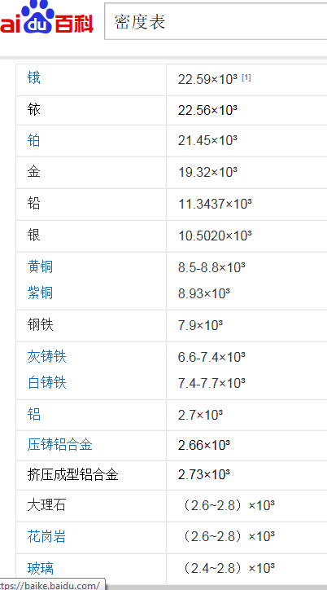
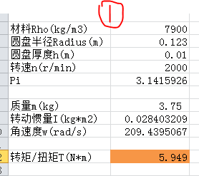
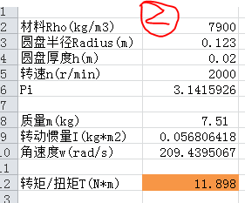
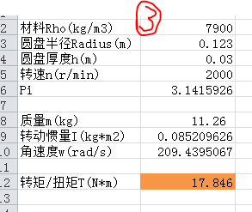
材料Rho(kg/m3) | 2660 | 例子:铁
圆盘半径Radius(m) | 0.123
圆盘厚度h(m) | 0.015
转速n(r/min) | 2000
Pi | 3.1415926

质量m(kg) | 1.90
转动惯量I(kg*m2) | 0.014345418123
角速度w(rad/s) | 209.43950667

转矩/扭矩T(N*m) | 3.004

 |  | 例子:铝合金
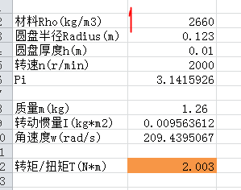
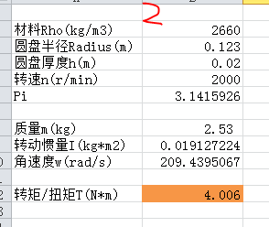
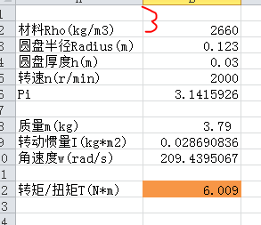

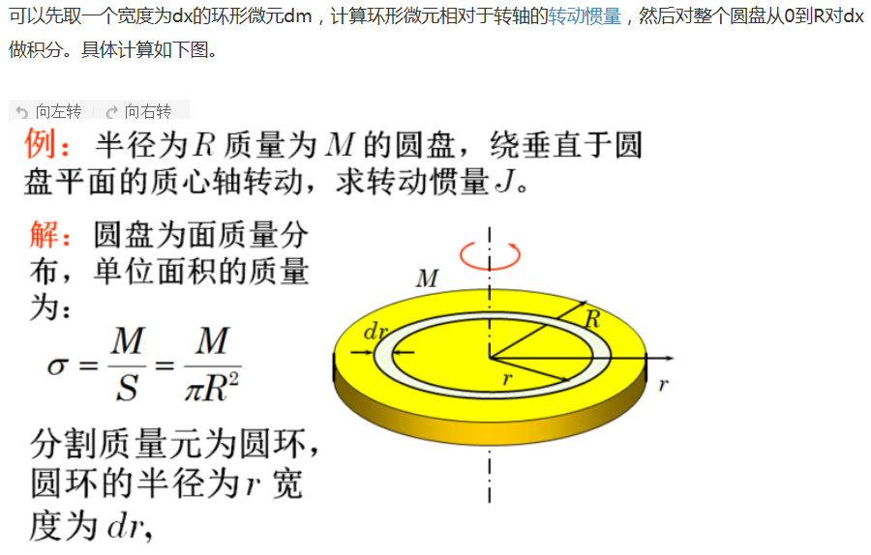


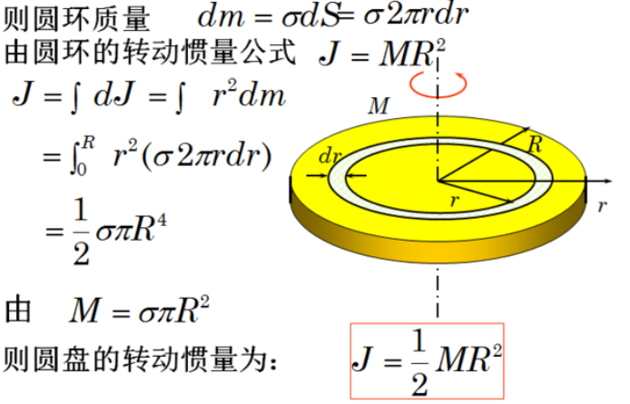
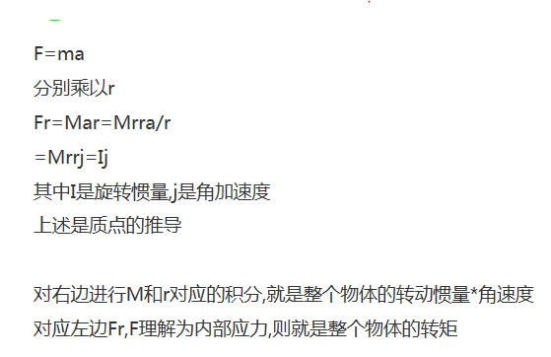

https://baike.baidu.com/item/%E5%AF%86%E5%BA%A6%E8%A1%A8/2606073?fr=aladdin

