Sheet1
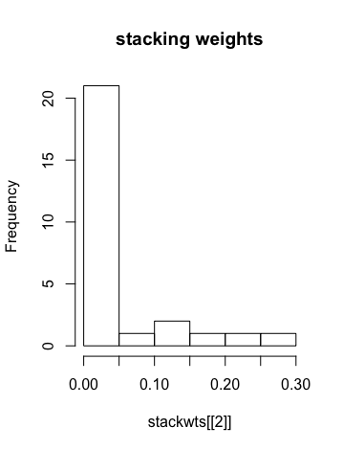
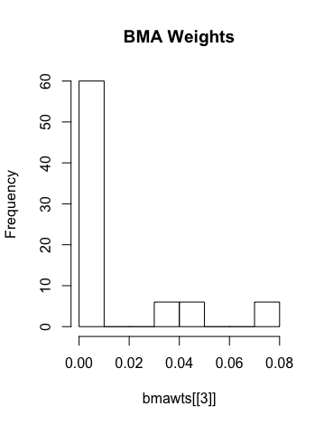
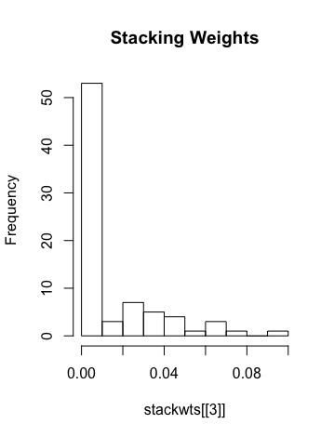
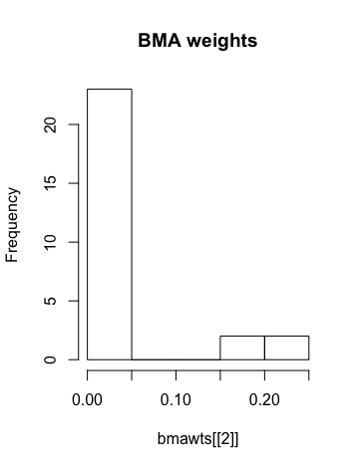
p=1,000 | Boston Housing | Run 1 | Run 2 | Run 3 | Run 4 | Run 5
 | Model Size | 11 | 2 | 2 | 2 | 6
 |  |  |  |  |  |  | AVG MSE
MSE | BART-BMA | 17.15968 | 24.7502 | 37.93382 | 49.80379 | 21.59677 | 30.248852
 | BART-Stacking | 17.15968 | 24.7514 | 38.2603 | 48.28264 | 22.07525 | 30.105854
 | Random Forest | 20.09077 | 32.25379 | 31.56471 | 47.76595 | 21.90573 | 30.71619

p=5,000 | Boston Housing | Run 1 | Run 2 | Run 3 | Run 4 | Run 5 | Run 6 | Run 7 | Run 8 | Run 9 | Run 10 | Run 11 | Run 12 | Run 13 | Run 14
 | Model Size | 3 | 6 | 2 | 8 | 6 | 10 | 2 | 4 | 4 | 3 | 27 | 78 | 15 | 3
 |  |  |  |  |  |  |  |  |  |  |  |  |  |  |  | AVG MSE
MSE | BART-BMA | 28.4854 | 24.2427 | 21.25946 | 26.09692 | 21.02377 | 43.66586 | 30.25232 | 31.42099 | 30.44693 | 18.24451 | 35.91955 | 23.35425 | 27.9783 | 18.08623 | 27.176942143
 | BART-Stacking | 29.05568 | 24.33382 | 21.33894 | 25.93586 | 20.62491 | 43.7041 | 29.86468 | 31.489 | 30.44693 | 18.42398 | 36.81176 | 23.73718 | 27.9783 | 17.47886 | 27.230285714
 | Random Forest | 24.95859 | 23.49568 | 39.25855 | 30.47438 | 46.3449 |  |  |  |  | 21.71312 | 16.89405 | 15.20878 | 25.02476 | 30.44115 | 27.381396

p=5,000 | Boston Housing | Run 1 |  | Run 2 |  | Run 3 |  | Run 4 |  | Run 5 |  | Run 6 |  | Run 7 |  | Run 8 |  | Run 9
 | Model Size | 3 |  | 6 |  | 2 |  | 8 |  | 2 |  | 10 |  | 2 |  | 4 |  | 4
 | Stacking vs. BMA model weights | BMA | Stacking | BMA | Stacking | BMA | Stacking | BMA | Stacking | BMA | Stacking | BMA | Stacking | BMA | Stacking | BMA | Stacking | BMA | Stacking
 |  | 0.134 | 0 | 0.025 | 0 | 0.016 | 1 | 0.047 | 0.000 | 0.3770696 | 1 | 0.032 | 0 | 0.980 | 0 | 0.325 | 0.755 | 0.25 | 0.7
 |  | 0.112 | 0 | 0.049 | 0.664 | 0.984 | 0 | 0.775 | 0.000 | 0.6229304 | 0 | 0.042 | 0 | 0.020 | 1 | 0.450 | 0.241 | 0.25 | 0
 |  | 0.754 | 1 | 0.425 | 0.335 |  |  | 0.002 | 0.495 |  |  | 0.037 | 0 |  |  | 0.077 | 0.004 | 0.25 | 0.264
 |  |  |  | 0.025 | 0 |  |  | 0.001 | 0.098 |  |  | 0.122 | 0 |  |  | 0.149 | 0 | 0.25 | 0.036
 |  |  |  | 0.049 | 0 |  |  | 0.086 | 0.000 |  |  | 0.268 | 0
 |  |  |  | 0.425 | 0 |  |  | 0.002 | 0.406 |  |  | 0.032 | 0
 |  |  |  |  |  |  |  | 0.001 | 0.000 |  |  | 0.042 | 0
 |  |  |  |  |  |  |  | 0.086 | 0.000 |  |  | 0.037 | 0.706
 |  |  |  |  |  |  |  |  |  |  |  | 0.122 | 0.294
 |  |  |  |  |  |  |  |  |  |  |  | 0.268 | 0

 | Stacking vs. BMA model weights | Run 10 |  | Run 13 |  | Run 14
 |  | 3 |  | 15 |  | 3
 |  | BMA | Stacking | BMA | Stacking | BMA | Stacking
 |  | 0.251 | 0 | 0.067 | 0.074 | 0.567 | 0
 |  | 0.497 | 0 | 0.067 | 0 | 0.004 | 0
 |  | 0.251 | 1 | 0.067 | 0.255 | 0.429 | 1
 |  |  |  | 0.067 | 0
 |  |  |  | 0.067 | 0
 |  |  |  | 0.067 | 0.029
 |  |  |  | 0.067 | 0
 |  |  |  | 0.067 | 0.112
 |  |  |  | 0.067 | 0
 |  |  |  | 0.067 | 0
 |  |  |  | 0.067 | 0
 |  |  |  | 0.067 | 0.529
 |  |  |  | 0.067 | 0
 |  |  |  | 0.067 | 0
 |  |  |  | 0.067 | 0

 |  | Run 12 |  |  |  |  |  |  |  |  |  | Run 11
 |  | 78 |  |  |  |  |  |  |  |  |  | 27
 |  | BMA |  |  |  | Stacking |  |  |  |  |  | BMA |  |  |  |  | Stacking

