Sheet1
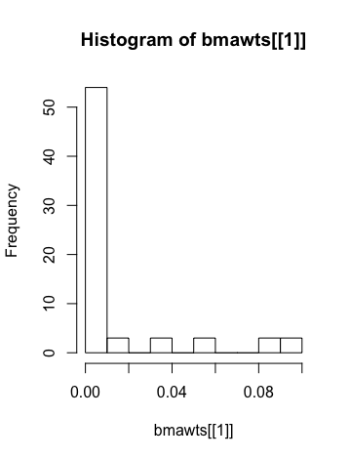
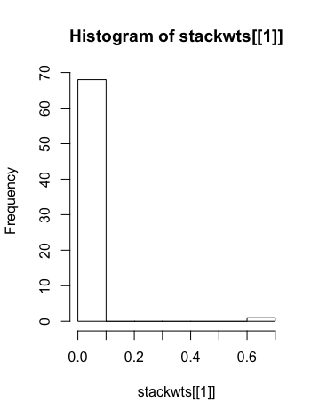
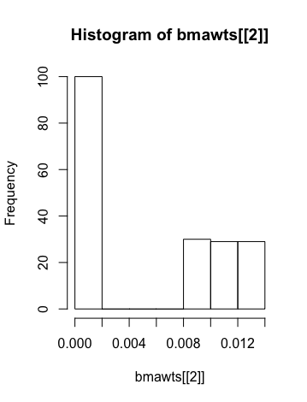
p=1,000 | Auto Data | Run 1 | Run 2 |  | Run 1 |  | Run 2
N=313 | Model Size | 69 | 188 |  | 69 |  | 188
 |  |  |  | AVG MSE | BMA | Stacking | BMA | Stacking
MSE | BART-BMA | 18.55748 | 20.80584 | 19.68166 | Max weight is 0.09 | Max weight is 0.682 | Max: .01284068 | Max: 0.05843571
 | BART-Stacking | 18.32705 | 20.80661 | 19.56683
 | Random Forest | 9.864535 | 11.859029 | 10.861782
8 "real" covariates
 |  |  |  |  |  |  |  |  | Run 2
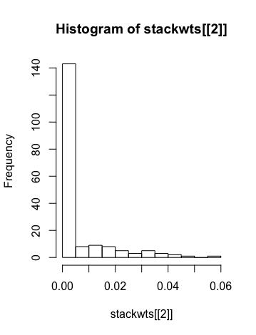
 | Run 1

