euler_2y-1
x0 |  | 0
x1 |  | 3
num_segmentos |  | 20

0 | 0
0.15 | -0.15
0.3 | -0.345
0.45 | -0.5985
0.6 | -0.92805
0.75 | -1.356465
0.9 | -1.9134045
1.05 | -2.63742585
1.2 | -3.578653605
1.35 | -4.8022496865
1.5 | -6.3929245924
1.65 | -8.4608019702
1.8 | -11.149042561
1.95 | -14.64375533
2.1 | -19.186881928
2.25 | -25.092946507
2.4 | -32.770830459
2.55 | -42.752079597
2.7 | -55.727703476
2.85 | -72.596014519
3 | -94.524818874
h |  | 0.15
 |  | y' = 2y-1 | c=0
x | y | f(xi)
 | euler
0 | 0 | -1
0.15 | -0.15 | -1.3
0.3 | -0.345 | -1.69
0.45 | -0.5985 | -2.197
0.6 | -0.92805 | -2.8561
0.75 | -1.356465 | -3.71293
0.9 | -1.9134045 | -4.826809
1.05 | -2.63742585 | -6.2748517
1.2 | -3.578653605 | -8.15730721
1.35 | -4.8022496865 | -10.604499373
1.5 | -6.3929245924 | -13.785849185
1.65 | -8.4608019702 | -17.92160394
1.8 | -11.149042561 | -23.298085122
1.95 | -14.64375533 | -30.287510659
2.1 | -19.186881928 | -39.373763857
2.25 | -25.092946507 | -51.185893014
2.4 | -32.770830459 | -66.541660918
2.55 | -42.752079597 | -86.504159194
2.7 | -55.727703476 | -112.45540695
2.85 | -72.596014519 | -146.19202904
3 | -94.524818874 | -190.04963775

x0 |  | 0
x1 |  | 3
num_segmentos |  | 40

h |  | 0.075
0 |  | 0
0.075 |  | -0.075
0.15 |  | -0.16125
0.225 |  | -0.2604375
0.3 |  | -0.374503125
0.375 |  | -0.50567859375
0.45 |  | -0.65653038281
0.525 |  | -0.83000994023
0.6 |  | -1.0295114313
0.675 |  | -1.258938146
0.75 |  | -1.5227788679
0.825 |  | -1.826195698
0.9 |  | -2.1751250527
0.975 |  | -2.5763938106
1.05 |  | -3.0378528822
1.125 |  | -3.5685308146
1.2 |  | -4.1788104368
1.275 |  | -4.8806320023
1.35 |  | -5.6877268026
1.425 |  | -6.615885823
1.5 |  | -7.6832686965
1.575 |  | -8.9107590009
1.65 |  | -10.322372851
1.725 |  | -11.945728779
1.8 |  | -13.812588096
1.875 |  | -15.95947631
1.95 |  | -18.428397756
2.025 |  | -21.26765742
2.1 |  | -24.532806033
2.175 |  | -28.287726938
2.25 |  | -32.605885978
2.325 |  | -37.571768875
2.4 |  | -43.282534206
2.475 |  | -49.849914337
2.55 |  | -57.402401488
2.625 |  | -66.087761711
2.7 |  | -76.075925968
2.775 |  | -87.562314863
2.85 |  | -100.77166209
2.925 |  | -115.96241141
3 |  | -133.43177312
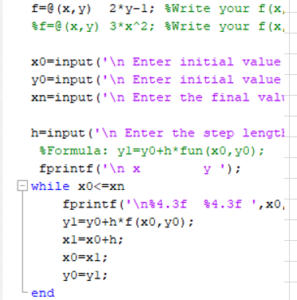
x | y | y' = 2y-1
 |  | y' = 2y-1
0 | 0 | -1
0.075 | -0.075 | -1.15
0.15 | -0.16125 | -1.3225
0.225 | -0.2604375 | -1.520875
0.3 | -0.374503125 | -1.74900625
0.375 | -0.50567859375 | -2.0113571875
0.45 | -0.65653038281 | -2.3130607656
0.525 | -0.83000994023 | -2.6600198805
0.6 | -1.0295114313 | -3.0590228625
0.675 | -1.258938146 | -3.5178762919
0.75 | -1.5227788679 | -4.0455577357
0.825 | -1.826195698 | -4.6523913961
0.9 | -2.1751250527 | -5.3502501055
0.975 | -2.5763938106 | -6.1527876213
1.05 | -3.0378528822 | -7.0757057645
1.125 | -3.5685308146 | -8.1370616292
1.2 | -4.1788104368 | -9.3576208735
1.275 | -4.8806320023 | -10.761264005
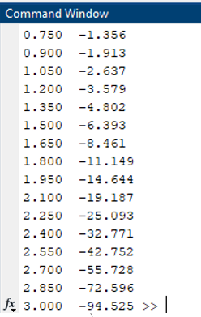
1.35 | -5.6877268026 | -12.375453605
1.425 | -6.615885823 | -14.231771646
1.5 | -7.6832686965 | -16.366537393
1.575 | -8.9107590009 | -18.821518002
1.65 | -10.322372851 | -21.644745702
1.725 | -11.945728779 | -24.891457557
1.8 | -13.812588096 | -28.625176191
1.875 | -15.95947631 | -32.91895262
1.95 | -18.428397756 | -37.856795513
2.025 | -21.26765742 | -43.53531484
2.1 | -24.532806033 | -50.065612066
2.175 | -28.287726938 | -57.575453875
2.25 | -32.605885978 | -66.211771957
2.325 | -37.571768875 | -76.14353775
2.4 | -43.282534206 | -87.565068413
2.475 | -49.849914337 | -100.69982867
2.55 | -57.402401488 | -115.80480298
2.625 | -66.087761711 | -133.17552342
2.7 | -76.075925968 | -153.15185194
2.775 | -87.562314863 | -176.12462973
2.85 | -100.77166209 | -202.54332419
2.925 | -115.96241141 | -232.92482281
3 | -133.43177312 | -267.86354623
3.075 | -153.52153908 | -308.04307817
3.15 | -176.62476995 | -354.2495399
3.225 | -203.19348544 | -407.38697088
3.3 | -233.74750826 | -468.49501651
3.375 | -268.88463449 | -538.76926899
3.45 | -309.29232967 | -619.58465934
3.525 | -355.76117912 | -712.52235824
3.6 | -409.20035599 | -819.40071197
3.675 | -470.65540938 | -942.31081877
3.75 | -541.32872079 | -1083.6574416
3.825 | -622.60302891 | -1246.2060578
3.9 | -716.06848325 | -1433.1369665
3.975 | -823.55375573 | -1648.1075115
4.05 | -947.16181909 | -1895.3236382
4.125 | -1089.311092 | -2179.6221839
4.2 | -1252.7827558 | -2506.5655115
4.275 | -1440.7751691 | -2882.5503382
4.35 | -1656.9664445 | -3314.932889
4.425 | -1905.5864112 | -3812.1728223
4.5 | -2191.4993728 | -4383.9987457
4.575 | -2520.2992788 | -5041.5985575
4.65 | -2898.4191706 | -5797.8383411
4.725 | -3333.2570462 | -6667.5140923
4.8 | -3833.3206031 | -7667.6412061
4.875 | -4408.3936935 | -8817.7873871
4.95 | -5069.7277476 | -10140.455495
5.025 | -5830.2619097 | -11661.523819
5.1 | -6704.8761962 | -13410.752392
5.175 | -7710.6826256 | -15422.365251
5.25 | -8867.3600194 | -17735.720039
5.325 | -10197.539022 | -20396.078045
5.4 | -11727.244876 | -23455.489751
5.475 | -13486.406607 | -26973.813214
5.55 | -15509.442598 | -31019.885196
5.625 | -17835.933988 | -35672.867976
5.7 | -20511.399086 | -41023.798172
5.775 | -23588.183949 | -47177.367898
5.85 | -27126.486541 | -54253.973082
5.925 | -31195.534522 | -62392.069045
6 | -35874.939701 | -71750.879401

euler_2y-1 (2)
x0 |  | 0
x1 |  | 3
num_segmentos |  | 20
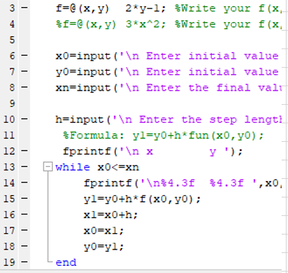
0 | 0
0.15 | -0.15
0.3 | -0.345
0.45 | -0.5985
0.6 | -0.92805
0.75 | -1.356465
0.9 | -1.9134045
1.05 | -2.63742585
1.2 | -3.578653605
1.35 | -4.8022496865
1.5 | -6.3929245924
1.65 | -8.4608019702
1.8 | -11.149042561
1.95 | -14.64375533
2.1 | -19.186881928
2.25 | -25.092946507
2.4 | -32.770830459
2.55 | -42.752079597
2.7 | -55.727703476
2.85 | -72.596014519
3 | -94.524818874
h |  | 0.15
 |  | y' = 2y-1 | c=0
x | y | f(xi)
 | euler
0 | 0 | -1
0.15 | -0.15 | -1.3
0.3 | -0.345 | -1.69
0.45 | -0.5985 | -2.197
0.6 | -0.92805 | -2.8561
0.75 | -1.356465 | -3.71293
0.9 | -1.9134045 | -4.826809
1.05 | -2.63742585 | -6.2748517
1.2 | -3.578653605 | -8.15730721
1.35 | -4.8022496865 | -10.604499373
1.5 | -6.3929245924 | -13.785849185
1.65 | -8.4608019702 | -17.92160394
1.8 | -11.149042561 | -23.298085122
1.95 | -14.64375533 | -30.287510659
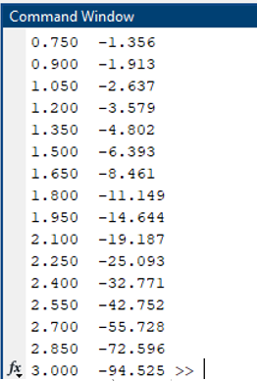
2.1 | -19.186881928 | -39.373763857
2.25 | -25.092946507 | -51.185893014
2.4 | -32.770830459 | -66.541660918
2.55 | -42.752079597 | -86.504159194
2.7 | -55.727703476 | -112.45540695
2.85 | -72.596014519 | -146.19202904
3 | -94.524818874 | -190.04963775

x0 |  | 0
x1 |  | 3
num_segmentos |  | 40

h |  | 0.075
0 |  | 0
0.075 |  | -0.075
0.15 |  | -0.16125
0.225 |  | -0.2604375
0.3 |  | -0.374503125
0.375 |  | -0.50567859375
0.45 |  | -0.65653038281
0.525 |  | -0.83000994023
0.6 |  | -1.0295114313
0.675 |  | -1.258938146
0.75 |  | -1.5227788679
0.825 |  | -1.826195698
0.9 |  | -2.1751250527
0.975 |  | -2.5763938106
1.05 |  | -3.0378528822
1.125 |  | -3.5685308146
1.2 |  | -4.1788104368
1.275 |  | -4.8806320023
1.35 |  | -5.6877268026
1.425 |  | -6.615885823
1.5 |  | -7.6832686965
1.575 |  | -8.9107590009
1.65 |  | -10.322372851
1.725 |  | -11.945728779
1.8 |  | -13.812588096
1.875 |  | -15.95947631
1.95 |  | -18.428397756
2.025 |  | -21.26765742
2.1 |  | -24.532806033
2.175 |  | -28.287726938
2.25 |  | -32.605885978
2.325 |  | -37.571768875
2.4 |  | -43.282534206
2.475 |  | -49.849914337
2.55 |  | -57.402401488
2.625 |  | -66.087761711
2.7 |  | -76.075925968
2.775 |  | -87.562314863
2.85 |  | -100.77166209
2.925 |  | -115.96241141
3 |  | -133.43177312
x | y | y' = 2y-1
 |  | y' = 2y-1
0 | 0 | -1
0.075 | -0.075 | -1.15
0.15 | -0.16125 | -1.3225
0.225 | -0.2604375 | -1.520875
0.3 | -0.374503125 | -1.74900625
0.375 | -0.50567859375 | -2.0113571875
0.45 | -0.65653038281 | -2.3130607656
0.525 | -0.83000994023 | -2.6600198805
0.6 | -1.0295114313 | -3.0590228625
0.675 | -1.258938146 | -3.5178762919
0.75 | -1.5227788679 | -4.0455577357
0.825 | -1.826195698 | -4.6523913961
0.9 | -2.1751250527 | -5.3502501055
0.975 | -2.5763938106 | -6.1527876213
1.05 | -3.0378528822 | -7.0757057645
1.125 | -3.5685308146 | -8.1370616292
1.2 | -4.1788104368 | -9.3576208735
1.275 | -4.8806320023 | -10.761264005
1.35 | -5.6877268026 | -12.375453605
1.425 | -6.615885823 | -14.231771646
1.5 | -7.6832686965 | -16.366537393
1.575 | -8.9107590009 | -18.821518002
1.65 | -10.322372851 | -21.644745702
1.725 | -11.945728779 | -24.891457557
1.8 | -13.812588096 | -28.625176191
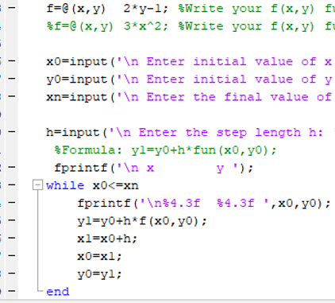
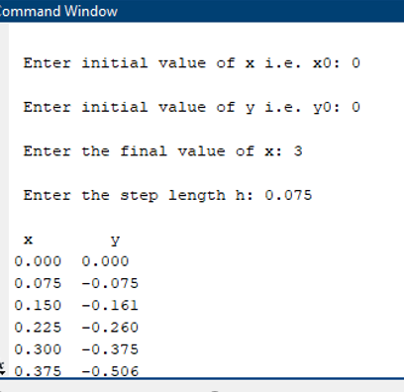
1.875 | -15.95947631 | -32.91895262
1.95 | -18.428397756 | -37.856795513
2.025 | -21.26765742 | -43.53531484
2.1 | -24.532806033 | -50.065612066
2.175 | -28.287726938 | -57.575453875
2.25 | -32.605885978 | -66.211771957
2.325 | -37.571768875 | -76.14353775
2.4 | -43.282534206 | -87.565068413
2.475 | -49.849914337 | -100.69982867
2.55 | -57.402401488 | -115.80480298
2.625 | -66.087761711 | -133.17552342
2.7 | -76.075925968 | -153.15185194
2.775 | -87.562314863 | -176.12462973
2.85 | -100.77166209 | -202.54332419
2.925 | -115.96241141 | -232.92482281
3 | -133.43177312 | -267.86354623
3.075 | -153.52153908 | -308.04307817
3.15 | -176.62476995 | -354.2495399
3.225 | -203.19348544 | -407.38697088
3.3 | -233.74750826 | -468.49501651
3.375 | -268.88463449 | -538.76926899
3.45 | -309.29232967 | -619.58465934
3.525 | -355.76117912 | -712.52235824
3.6 | -409.20035599 | -819.40071197
3.675 | -470.65540938 | -942.31081877
3.75 | -541.32872079 | -1083.6574416
3.825 | -622.60302891 | -1246.2060578
3.9 | -716.06848325 | -1433.1369665
3.975 | -823.55375573 | -1648.1075115
4.05 | -947.16181909 | -1895.3236382
4.125 | -1089.311092 | -2179.6221839
4.2 | -1252.7827558 | -2506.5655115
4.275 | -1440.7751691 | -2882.5503382
4.35 | -1656.9664445 | -3314.932889
4.425 | -1905.5864112 | -3812.1728223
4.5 | -2191.4993728 | -4383.9987457
4.575 | -2520.2992788 | -5041.5985575
4.65 | -2898.4191706 | -5797.8383411
4.725 | -3333.2570462 | -6667.5140923
4.8 | -3833.3206031 | -7667.6412061
4.875 | -4408.3936935 | -8817.7873871
4.95 | -5069.7277476 | -10140.455495
5.025 | -5830.2619097 | -11661.523819
5.1 | -6704.8761962 | -13410.752392
5.175 | -7710.6826256 | -15422.365251
5.25 | -8867.3600194 | -17735.720039
5.325 | -10197.539022 | -20396.078045
5.4 | -11727.244876 | -23455.489751
5.475 | -13486.406607 | -26973.813214
5.55 | -15509.442598 | -31019.885196
5.625 | -17835.933988 | -35672.867976
5.7 | -20511.399086 | -41023.798172
5.775 | -23588.183949 | -47177.367898
5.85 | -27126.486541 | -54253.973082
5.925 | -31195.534522 | -62392.069045
6 | -35874.939701 | -71750.879401

euler_0.1x
x0 |  | 0
x1 |  | 5
num_segmentos |  | 20
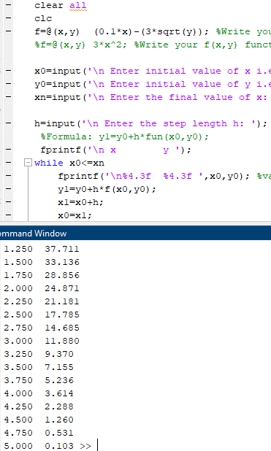
0 | 65
0.25 | 58.953306689
0.5 | 53.200977436
0.75 | 47.743052424
1 | 42.579576359
1.25 | 37.710599275
1.5 | 33.136177544
1.75 | 28.856375161
2 | 24.871265393
2.25 | 21.18093295
2.5 | 17.785476881
2.75 | 14.685014544
3 | 11.879687183
3.25 | 9.369668026
3.5 | 7.1551745158
3.75 | 5.2364876688
4 | 3.6139846823
4.25 | 2.2881984487
4.5 | 1.2599390273
4.75 | 0.53058648505
5 | 0.10302622719
h |  | 0.25
 |  | y' = 0.1x-3*y^0.5 | c=0
x | y | f(xi)
 | euler
0 | 65 | -24.186773245
0.25 | 58.953306689 | -23.009317012
0.5 | 53.200977436 | -21.831700046
0.75 | 47.743052424 | -20.65390426
1 | 42.579576359 | -19.475908337
1.25 | 37.710599275 | -18.297686923
1.5 | 33.136177544 | -17.119209533
1.75 | 28.856375161 | -15.940439071
2 | 24.871265393 | -14.761329772
2.25 | 21.18093295 | -13.581824275
2.5 | 17.785476881 | -12.401849348
2.75 | 14.685014544 | -11.221309447
3 | 11.879687183 | -10.040076627
3.25 | 9.369668026 | -8.8579740408
3.5 | 7.1551745158 | -7.6747473881
3.75 | 5.2364876688 | -6.490011946
4 | 3.6139846823 | -5.3031449342
4.25 | 2.2881984487 | -4.1130376859
4.5 | 1.2599390273 | -2.9174101689
4.75 | 0.53058648505 | -1.7102410314
5 | 0.10302622719 | -0.46293096571

x0 |  | 0
x1 |  | 5
num_segmentos |  | 40

h |  | 0.125
0 |  | 65
0.125 |  | 61.976653344
0.25 |  | 59.026018887
0.375 |  | 56.148079169
0.5 |  | 53.342815845
0.625 |  | 50.61020961
0.75 |  | 47.950240124
0.875 |  | 45.362885928
1 |  | 42.848124349
1.125 |  | 40.405931398
1.25 |  | 38.036281645
1.375 |  | 35.739148096
1.5 |  | 33.514502038
1.625 |  | 31.362312875
1.75 |  | 29.282547937
1.875 |  | 27.275172261
2 |  | 25.34014835
2.125 |  | 23.477435882
2.25 |  | 21.686991387
2.375 |  | 19.968767864
2.5 |  | 18.32271434
2.625 |  | 16.748775346
2.75 |  | 15.246890308
2.875 |  | 13.81699281
3 |  | 12.459009719
3.125 |  | 11.172860127
3.25 |  | 9.9584540575
3.375 |  | 8.8156908702
3.5 |  | 7.744457278
3.625 |  | 6.74462484
3.75 |  | 5.8160467568
3.875 |  | 4.9585537039
4 |  | 4.171948322
4.125 |  | 3.45599778
4.25 |  | 2.8104235016
4.375 |  | 2.2348865853
4.5 |  | 1.7289664453
4.625 |  | 1.2921283129
4.75 |  | 0.92367148016
4.875 |  | 0.62264212128
5 |  | 0.38767583911
x | y | y' = 0.1x-3*y^0.5
 |  | y' = 0.1x-3*y^0.5
0 | 65 | -24.186773245
0.125 | 61.976653344 | -23.605075661
0.25 | 59.026018887 | -23.023517739
0.375 | 56.148079169 | -22.442106592
0.5 | 53.342815845 | -21.860849883
0.625 | 50.61020961 | -21.27975589
0.75 | 47.950240124 | -20.698833568
0.875 | 45.362885928 | -20.118092626
1 | 42.848124349 | -19.537543613
1.125 | 40.405931398 | -18.95719802
1.25 | 38.036281645 | -18.377068393
1.375 | 35.739148096 | -17.797168463
1.5 | 33.514502038 | -17.217513303
1.625 | 31.362312875 | -16.638119509
1.75 | 29.282547937 | -16.059005403
1.875 | 27.275172261 | -15.48019129
2 | 25.34014835 | -14.901699744
2.125 | 23.477435882 | -14.323555962
2.25 | 21.686991387 | -13.745788184
2.375 | 19.968767864 | -13.168428195
2.5 | 18.32271434 | -12.591511946
2.625 | 16.748775346 | -12.015080304
2.75 | 15.246890308 | -11.439179987
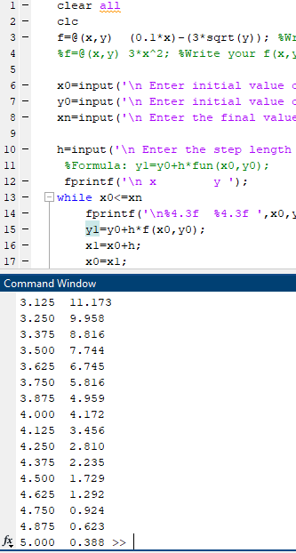
2.875 | 13.81699281 | -10.863864728
3 | 12.459009719 | -10.289196734
3.125 | 11.172860127 | -9.7152485581
3.25 | 9.9584540575 | -9.1421054984
3.375 | 8.8156908702 | -8.5698687378
3.5 | 7.744457278 | -7.9986595033
3.625 | 6.74462484 | -7.428624666
3.75 | 5.8160467568 | -6.8599444235
3.875 | 4.9585537039 | -6.2928430552
4 | 4.171948322 | -5.7276043359
4.125 | 3.45599778 | -5.1645942273
4.25 | 2.8104235016 | -4.6042953298
4.375 | 2.2348865853 | -4.0473611203
4.5 | 1.7289664453 | -3.4947050597
4.625 | 1.2921283129 | -2.9476546615
4.75 | 0.92367148016 | -2.408234871
4.875 | 0.62264212128 | -1.8797302574
5 | 0.38767583911 | -1.3679086038
5.125 | 0.21668726364 | -0.88399037689
5.25 | 0.10618846653 | -0.45259715566
5.375 | 0.04961382207 | -0.13072481145
5.5 | 0.033273220639 | 0.0027715415337
5.625 | 0.033619663331 | 0.012430031741
5.75 | 0.035173417299 | 0.012362678372
5.875 | 0.036718752095 | 0.01263586922
6 | 0.038298235748 | 0.012901948794
6.125 | 0.039910979347 | 0.013168026781
6.25 | 0.041556982695 | 0.013434104735
6.375 | 0.043236245786 | 0.013700182688
6.5 | 0.044948768622 | 0.013966260641
6.625 | 0.046694551203 | 0.014232338595
6.75 | 0.048473593527 | 0.014498416548
6.875 | 0.050285895595 | 0.014764494501
7 | 0.052131457408 | 0.015030572454
7.125 | 0.054010278965 | 0.015296650407
7.25 | 0.055922360266 | 0.01556272836
7.375 | 0.057867701311 | 0.015828806313
7.5 | 0.0598463021 | 0.016094884267
7.625 | 0.061858162633 | 0.01636096222
7.75 | 0.063903282911 | 0.016627040173
7.875 | 0.065981662932 | 0.016893118126
8 | 0.068093302698 | 0.017159196079
8.125 | 0.070238202208 | 0.017425274032
8.25 | 0.072416361462 | 0.017691351986
8.375 | 0.07462778046 | 0.017957429939
8.5 | 0.076872459203 | 0.018223507892
8.625 | 0.079150397689 | 0.018489585845
8.75 | 0.08146159592 | 0.018755663798
8.875 | 0.083806053895 | 0.019021741751
9 | 0.086183771613 | 0.019287819704
9.125 | 0.088594749076 | 0.019553897658
9.25 | 0.091038986284 | 0.019819975611
9.375 | 0.093516483235 | 0.020086053564
9.5 | 0.096027239931 | 0.020352131517
9.625 | 0.09857125637 | 0.02061820947
9.75 | 0.10114853255 | 0.020884287423
9.875 | 0.10375906848 | 0.021150365377
10 | 0.10640286415 | 0.02141644333

euler_xy
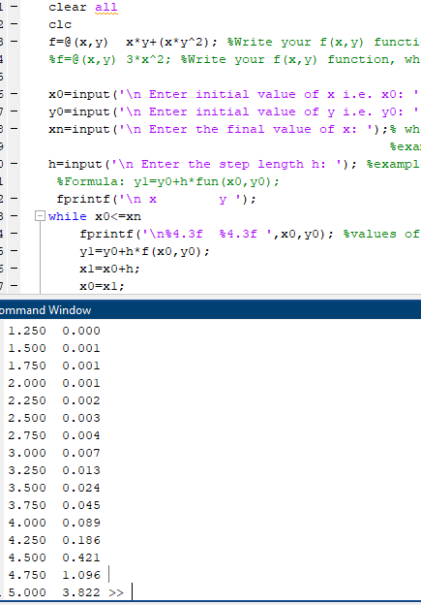
x0 |  | 0
x1 |  | 5
num_segmentos |  | 20

0 | 0.00025
0.25 | 0.00025
0.5 | 0.00026562890625
0.75 | 0.00029884133937
1 | 0.00035489083541
1.25 | 0.00044364503113
1.5 | 0.0005823456099
1.75 | 0.00080085238601
2 | 0.0011515059019
2.25 | 0.0017279218357
2.5 | 0.0027015573324
2.75 | 0.0043945921727
3 | 0.0074291515941
3.25 | 0.01304240951
3.5 | 0.023777577099
3.75 | 0.045077658586
4 | 0.089242959108
4.25 | 0.18645022397
4.5 | 0.42149000332
4.75 | 1.0955268078
5 | 3.8216774388
h |  | 0.25
 |  | y' = x*y+x*y^2 | c=0
x | y | f(xi)
 | euler
0 | 0.00025 | 0
0.25 | 0.00025 | 6.2515625E-05
0.5 | 0.00026562890625 | 0.00013284973248
0.75 | 0.00029884133937 | 0.00022419798414
1 | 0.00035489083541 | 0.00035501678291
1.25 | 0.00044364503113 | 0.00055480231506
1.5 | 0.0005823456099 | 0.00087402710446
1.75 | 0.00080085238601 | 0.0014026140635
2 | 0.0011515059019 | 0.0023056637354
2.25 | 0.0017279218357 | 0.0038945419866
2.5 | 0.0027015573324 | 0.006772139361
2.75 | 0.0043945921727 | 0.012138237686
3 | 0.0074291515941 | 0.022453031663
3.25 | 0.01304240951 | 0.042940670356
3.5 | 0.023777577099 | 0.08520032595
3.75 | 0.045077658586 | 0.17666120209
4 | 0.089242959108 | 0.38882905943
4.25 | 0.18645022397 | 0.94015911743
4.5 | 0.42149000332 | 2.696147218
4.75 | 1.0955268078 | 10.904602524
5 | 3.8216774388 | 92.134479424

x0 |  | 0
x1 |  | 5
num_segmentos |  | 40

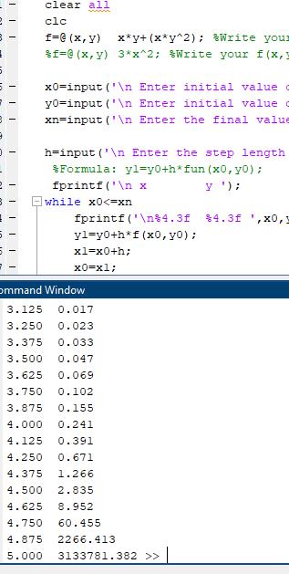
h |  | 0.125
0 |  | 0.00025
0.125 |  | 0.00025
0.25 |  | 0.00025390722656
0.375 |  | 0.00026184384205
0.5 |  | 0.00027412098599
0.625 |  | 0.00029125824401
0.75 |  | 0.00031401942178
0.875 |  | 0.00034346798709
1 |  | 0.00038104770117
1.125 |  | 0.00042869681349
1.25 |  | 0.00048900814708
1.375 |  | 0.00056545303396
1.5 |  | 0.000662695229
1.625 |  | 0.00078703292786
1.75 |  | 0.00094702481119
1.875 |  | 0.0011543826759
2 |  | 0.0014252534435
2.125 |  | 0.0017820746413
2.25 |  | 0.0022562817871
2.375 |  | 0.0028922928293
2.5 |  | 0.0037534257286
2.625 |  | 0.0049307738327
2.75 |  | 0.0065566615457
2.875 |  | 0.0088252916994
3 |  | 0.012024871104
3.125 |  | 0.01658842184
3.25 |  | 0.023175764644
3.375 |  | 0.032809122432
3.5 |  | 0.047104593457
3.625 |  | 0.068683596787
3.75 |  | 0.10194343998
3.875 |  | 0.15460089542
4 |  | 0.24106296262
4.125 |  | 0.3906501199
4.25 |  | 0.6707673385
4.375 |  | 1.266137174
4.5 |  | 2.8352530819
4.625 |  | 8.951829212
4.75 |  | 60.455294708
4.875 |  | 2266.4134543
5 |  | 3133781.3823
x | y | y' = 0.1x-3*y^0.5
 |  | y' = 0.1x-3*y^0.5
0 | 0.00025 | 0
0.125 | 0.00025 | 3.12578125E-05
0.25 | 0.00025390722656 | 6.3492923861E-05
0.375 | 0.00026184384205 | 9.8217151591E-05
0.5 | 0.00027412098599 | 0.00013709806415
0.625 | 0.00029125824401 | 0.00018208942211
0.75 | 0.00031401942178 | 0.00023558852248
0.875 | 0.00034346798709 | 0.00030063771268
1 | 0.00038104770117 | 0.00038119289852
1.125 | 0.00042869681349 | 0.00048249066875
1.25 | 0.00048900814708 | 0.00061155909506
1.375 | 0.00056545303396 | 0.00077793756026
1.5 | 0.000662695229 | 0.00099470159094
1.625 | 0.00078703292786 | 0.0012799350666
1.75 | 0.00094702481119 | 0.0016588629176
1.875 | 0.0011543826759 | 0.0021669661411
2 | 0.0014252534435 | 0.0028545695818
2.125 | 0.0017820746413 | 0.0037936571665
2.25 | 0.0022562817871 | 0.0050880883378
2.375 | 0.0028922928293 | 0.0068890631943
2.5 | 0.0037534257286 | 0.0094187848332
2.625 | 0.0049307738327 | 0.013007101704
2.75 | 0.0065566615457 | 0.01814904123
2.875 | 0.0088252916994 | 0.025596635235
3 | 0.012024871104 | 0.036508405887
3.125 | 0.01658842184 | 0.052698742433
3.25 | 0.023175764644 | 0.077066862309
3.375 | 0.032809122432 | 0.1143637682
3.5 | 0.047104593457 | 0.17263202664
3.625 | 0.068683596787 | 0.26607874555
3.75 | 0.10194343998 | 0.42125964351
3.875 | 0.15460089542 | 0.69169653759
4 | 0.24106296262 | 1.1966972583
4.125 | 0.3906501199 | 2.2409377488
4.25 | 0.6707673385 | 4.7629586838
4.375 | 1.266137174 | 12.552927263
4.5 | 2.8352530819 | 48.932609041
4.625 | 8.951829212 | 412.02772397
4.75 | 60.455294708 | 17647.665277
4.875 | 2266.4134543 | 25052119.751
5 | 3133781.3823 | 4.910294443E+13
5.125 | 6.1378711876E+12 | 1.9307649641E+26
5.25 | 2.4134562052E+25 | 3.0580046985E+51
5.375 | 3.8225058732E+50 | 7.8537087433E+101
5.5 | 9.8171359292E+100 | 5.3006886819E+202
5.625 | 6.6258608523E+201 | #NUM!
5.75 | #NUM! | #NUM!
5.875 | #NUM! | #NUM!
6 | #NUM! | #NUM!
6.125 | #NUM! | #NUM!
6.25 | #NUM! | #NUM!
6.375 | #NUM! | #NUM!
6.5 | #NUM! | #NUM!
6.625 | #NUM! | #NUM!
6.75 | #NUM! | #NUM!
6.875 | #NUM! | #NUM!
7 | #NUM! | #NUM!
7.125 | #NUM! | #NUM!
7.25 | #NUM! | #NUM!
7.375 | #NUM! | #NUM!
7.5 | #NUM! | #NUM!
7.625 | #NUM! | #NUM!
7.75 | #NUM! | #NUM!
7.875 | #NUM! | #NUM!
8 | #NUM! | #NUM!
8.125 | #NUM! | #NUM!
8.25 | #NUM! | #NUM!
8.375 | #NUM! | #NUM!
8.5 | #NUM! | #NUM!
8.625 | #NUM! | #NUM!
8.75 | #NUM! | #NUM!
8.875 | #NUM! | #NUM!
9 | #NUM! | #NUM!
9.125 | #NUM! | #NUM!
9.25 | #NUM! | #NUM!
9.375 | #NUM! | #NUM!
9.5 | #NUM! | #NUM!
9.625 | #NUM! | #NUM!
9.75 | #NUM! | #NUM!
9.875 | #NUM! | #NUM!
10 | #NUM! | #NUM!

