Arquitectura

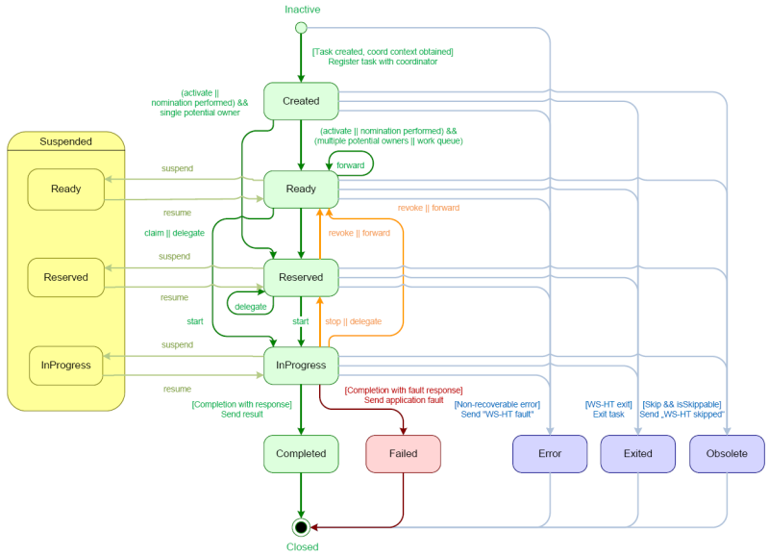
taskinst-manager
processinst-manager
Componente | Función | Objeto Negocio | Tipo
taskinst-manager | Administrar las instancias de las tareas. | Task Instance | EJB
taskspec-manager | Administrar las especificaciones de las tareas de negocio. | Task Specification | EJB
processspec-manager |  | Process Specification | EJB
processinst-manager | Administrar las instancias de los procesos de negocio. | Process Instance | EJB
taskspec-manager
processspec-manager
busproexec-env | Entorno de ejecución de procesos y tareas de negocio | - | WAR
humantask-service
bpmengine-service

