Instructions
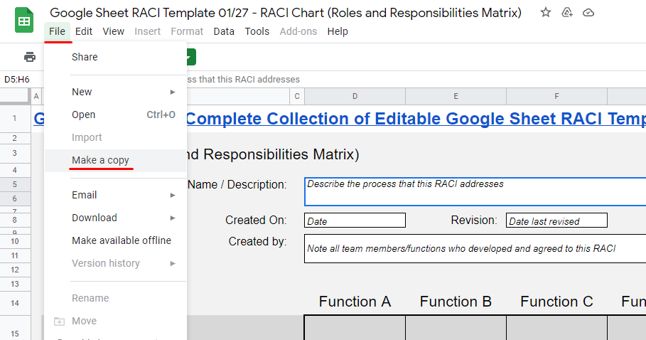
INSTRUCTIONS ON HOW TO COPY THIS TEMPLATE
PLEASE NAVIGATE TO FILE THEN CLICK ON MAKE A COPY (SEE ATTACHED IMAGE BELOW)

