Total Values (£)
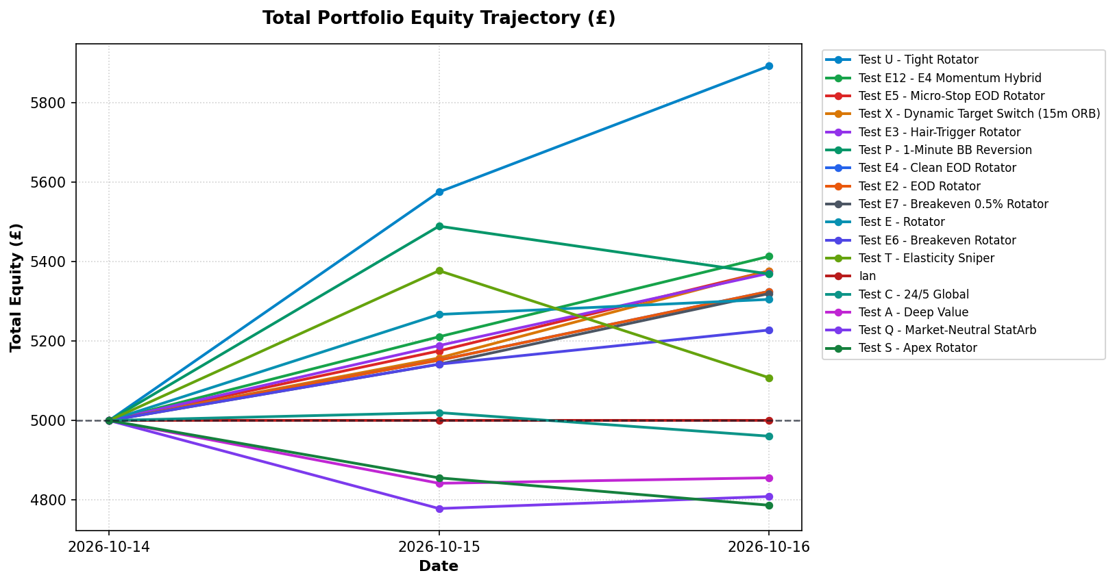
Profile | 2026-10-14 | 2026-10-15 | 2026-10-16
Test U - Tight Rotator | £5,000.00 | £5,575.78 | £5,893.17
Test E12 - E4 Momentum Hybrid | £5,000.00 | £5,211.03 | £5,413.61
Test E5 - Micro-Stop EOD Rotator | £5,000.00 | £5,175.44 | £5,377.05
Test X - Dynamic Target Switch (15m ORB) | £5,000.00 | £5,157.60 | £5,376.93
Test E3 - Hair-Trigger Rotator | £5,000.00 | £5,188.86 | £5,371.05
Test P - 1-Minute BB Reversion | £5,000.00 | £5,489.74 | £5,369.30
Test E4 - Clean EOD Rotator | £5,000.00 | £5,151.98 | £5,325.30
Test E2 - EOD Rotator | £5,000.00 | £5,151.98 | £5,325.30
Test E7 - Breakeven 0.5% Rotator | £5,000.00 | £5,141.90 | £5,319.85
Test E - Rotator | £5,000.00 | £5,267.28 | £5,305.20
Test E6 - Breakeven Rotator | £5,000.00 | £5,141.90 | £5,227.93
Test T - Elasticity Sniper | £5,000.00 | £5,377.50 | £5,107.94
Ian | £5,000.00 | £5,000.00 | £5,000.00
Test C - 24/5 Global | £5,000.00 | £5,019.96 | £4,960.57
Test A - Deep Value | £5,000.00 | £4,841.83 | £4,855.66
Test Q - Market-Neutral StatArb | £5,000.00 | £4,778.20 | £4,808.52
Test S - Apex Rotator | £5,000.00 | £4,855.50 | £4,786.53

Net P&L (Relative to £5,000)
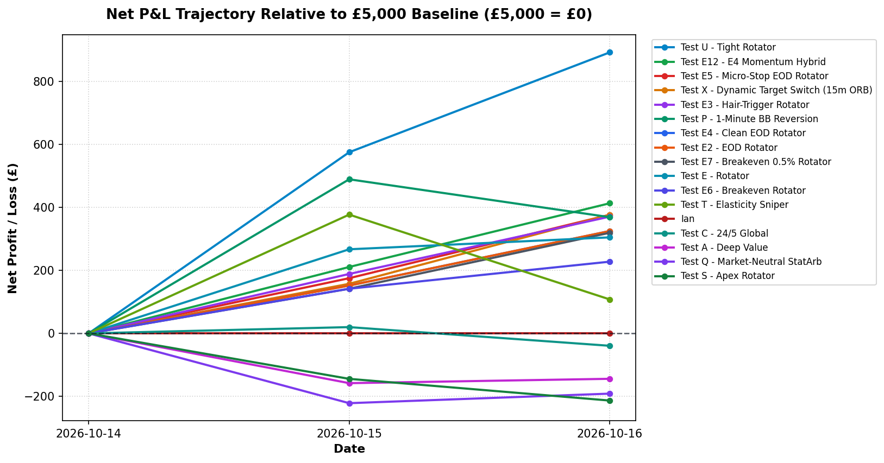
Profile | 2026-10-14 | 2026-10-15 | 2026-10-16
Test U - Tight Rotator | £0.00 | £575.78 | £893.17
Test E12 - E4 Momentum Hybrid | £0.00 | £211.03 | £413.61
Test E5 - Micro-Stop EOD Rotator | £0.00 | £175.44 | £377.05
Test X - Dynamic Target Switch (15m ORB) | £0.00 | £157.60 | £376.93
Test E3 - Hair-Trigger Rotator | £0.00 | £188.86 | £371.05
Test P - 1-Minute BB Reversion | £0.00 | £489.74 | £369.30
Test E4 - Clean EOD Rotator | £0.00 | £151.98 | £325.30
Test E2 - EOD Rotator | £0.00 | £151.98 | £325.30
Test E7 - Breakeven 0.5% Rotator | £0.00 | £141.90 | £319.85
Test E - Rotator | £0.00 | £267.28 | £305.20
Test E6 - Breakeven Rotator | £0.00 | £141.90 | £227.93
Test T - Elasticity Sniper | £0.00 | £377.50 | £107.94
Ian | £0.00 | £0.00 | £0.00
Test C - 24/5 Global | £0.00 | £19.96 | -£39.43
Test A - Deep Value | £0.00 | -£158.17 | -£144.34
Test Q - Market-Neutral StatArb | £0.00 | -£221.80 | -£191.48
Test S - Apex Rotator | £0.00 | -£144.50 | -£213.47

Most Consistent Performers
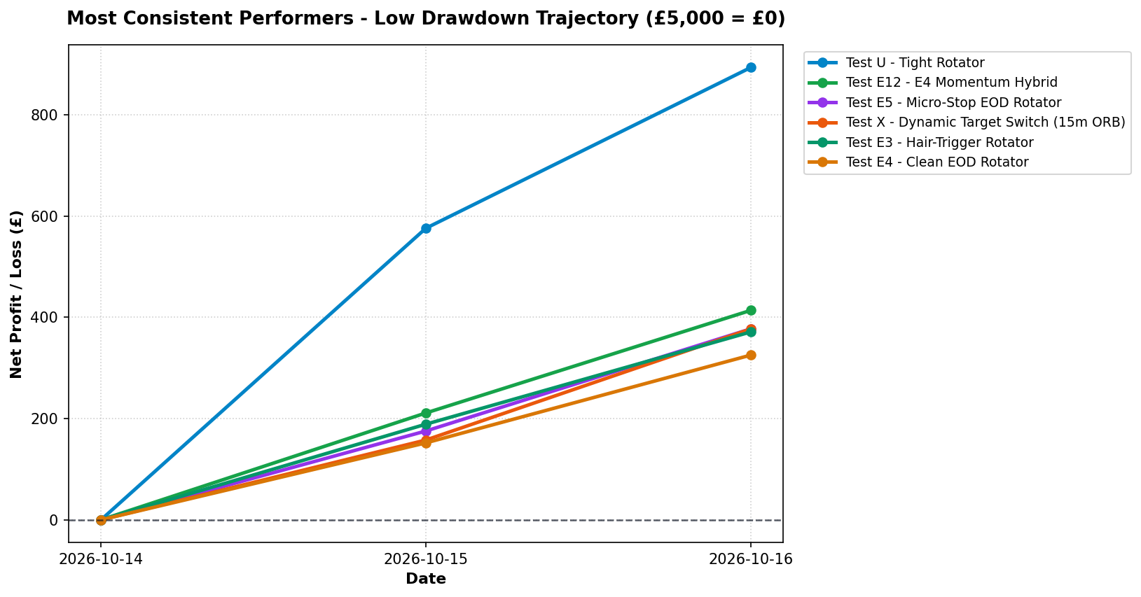
Profile | 2026-10-14 | 2026-10-15 | 2026-10-16
Test U - Tight Rotator | £0.00 | £575.78 | £893.17
Test E12 - E4 Momentum Hybrid | £0.00 | £211.03 | £413.61
Test E5 - Micro-Stop EOD Rotator | £0.00 | £175.44 | £377.05
Test X - Dynamic Target Switch (15m ORB) | £0.00 | £157.60 | £376.93
Test E3 - Hair-Trigger Rotator | £0.00 | £188.86 | £371.05
Test E4 - Clean EOD Rotator | £0.00 | £151.98 | £325.30

