Fa26-Wk11-Pg6
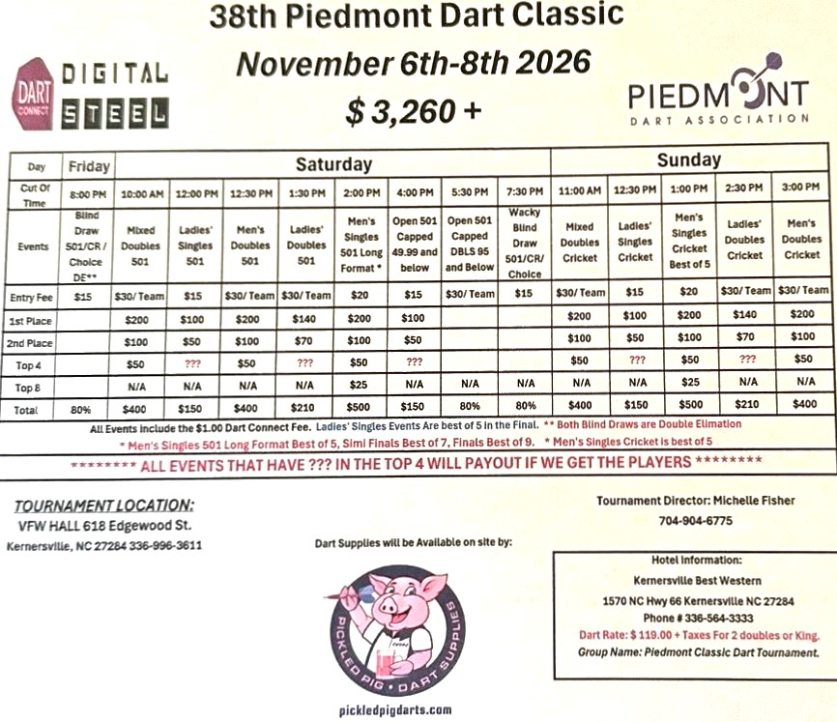

Page 6

