Fa26-Wk8-Pg1
 | tons of newsletter
 | The Fall Session of the Raleigh Dart League, week #8, Wednesday, September 30, 2026 Issue #JK952
 | The "Ban Mainstream News And Install State-Run Media - That's... Which Third World Country?" Edition

FORFEITS KINDA SUCK, NO?
A couple weeks ago, we had not one, not two, but THREE forfeits in the same night. And sometimes those are simply unavoidable. But I'm
betting that sometimes they are entirely avoidable, but maybe captains/teams aren't fully aware of the flexibility the rules offer. So I thought
maybe just reviewing a couple of the pertinent rules might be helpful. //// First off, MATCHES.B.2 goes ahead and provides teams 2 weeks
from their scheduled match date to freely reschedule matches (either before or after the original date). You don't even have to ask permission,
you just have to get both teams to agree to a new date. [Quick side note: no, you can not reschedule your match more than a day or two
past week 14 without permission.] But another quick side note… if it's not late in the season and you are planning ahead, the Board has
sometimes been known to approve reschedule dates that are more than two weeks from the original date. So, bottom line? It pays to talk to
your opponents early and be flexible, and maybe offer lots of potential replacement dates. //// And secondly, MATCHES.K6 provides a
pretty interesting option. Teams DO need 4 players in 301 to start a match. But if one or more of your players have to leave after that, as
long as you had 4 in the first set, you continue the remaining sets with whatever players you have. So, bottom line? If you can just get a
4th to at least come and play a game at the start, you can finish the match after that person goes to work, or to dinner, or home to family, or
whatever. Sure beats taking a flat 0. [Side note: rule Matches.B.1 about minimum player numbers mis-references this rule as Matches.L.6.]
[Extra side note: if your team drops to only 2 players, those 2 players do NOT block twice in each remaining set. 1 block per person per set.]

MISSING WEEK 6 "E" AND "H" MATCHES
"E" Div.: Shooting Blanks 13 (late scoresheet penalty) @ 11 Heart |  | Furdon, 7.5 ASPs; Mike Millius, 7.0 ASPs; Blaine Cornell, 3.5
of Dartness; 4-2, 3-3, 0-6, 6-0. ASPs: Shooting Blanks, 22.0; Heart |  | ASPs; Matt Furdon, 3.5 ASPs; Sean Roseman, 3.0 ASPs.
of Dartness, 14.5. Hot Darts: Brian Furdon, 15-dart 301; Brian |  | "H" Div.: Calm Under Pressure (forfeit) 0 @ 16 (late scoresheet
 |  | penalty - for no score reported) Bright Side of Flights.
RDL TRIVIA
This is the favorite newsletter item for many of you, so it's time to |  | Don't forget… the NC State Championships are THIS
bring it back now that the Tons is starting to get a little space. I'll |  | coming weekend at the Sheraton Charlotte Airport Hotel.
put a question here, anybody so inclined can shoot me a guess,
and then next week I'll include the answer (as well as recognition |  | RDL HEADLINES
for those that give the best answers). Question topics are |  | "A" Division: Element figures out the key to victory (the captain
basically "anything I think to look up", so let's have at it. |  | being gone?) in big win over Appetite; Jonesing sweeps DCkt
This week's question(s): How about let's start the season with |  | to ease by Attack; Beach tops Wing, creates 3-way fight for 4th
a bit of a dive into the league record fast games… First up, let's |  | "B" Division: Kids rip five doubles to hand Serious their first loss,
check in on 301. There have been no perfect games in RDL |  | take over B lead; Inconsistent digs out of singles hole in 1001
history, but how many 7-dart 301s have there been, and which |  | win over Possee; Angry Birds flap all over shorthanded Bottoms
throwers are part of that club? Beyond that, how many 8-darters |  | "C" Division: Area uses DCkt sweep to stay undefeated, drop the
have just missed joining the league 301 record club? |  | Menace two back; Mafia downs a few Pints to move up to 2nd;
 |  | Secrets and Ducks both win big, stay within reach of the #2 slot
THEY SAY THIS WAS WHOLLY UNINTENTIONAL |  | "D" Division: Rally outlasts Sanchez to keep perfect record; Dart
Has there ever been a more randomly team-specific and awesome |  | Knights survive nailbiter against the last place to keep pace;
photo as this one? This was snapped before the week 6 H division |  | Bullies win, making D the only div. with a 2-win last place team
match at Benny's Billiards. The "blonde" in The Blonde Leading |  | "E" Division: What's the Point sweeps doubles, open huge point
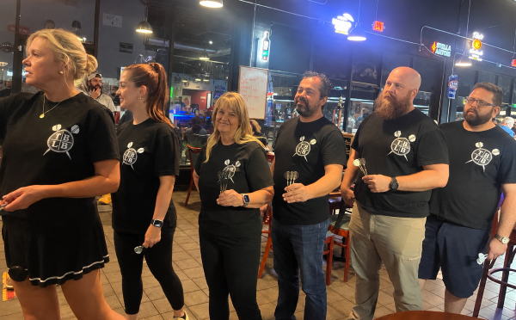
the Blind is |  | lead when the 2nd place Blanks have both a narrow win and a
captain Lauren |  | penalty; Off Constantly takes down Corks for their first victory
Smith. And here |  | "F" Division: oh, this division is just nuts… Death Throw loses,
during warmups |  | Down to F, Nein Mark, and She Said all win, and now the top 6
is what looks to |  | teams (of only 7) are separated by only 1 one match & 12 points
be exactly that! |  | "G" Division: Banging takes out Rippin in 1001, taking the G lead
The "Blonde" |  | alone just a week after Rippin's forfeit; Flight Club shuts down
leading "The |  | the Machine, now just a win and a handful of points out of 1st
Blind" to the |  | "H" Division: Double Vision takes down Sofa in super tight battle
line. Perfection. |  | of the H unbeatens; Afraid hands Bright Side their 3rd loss

Name the band/singer? the song? Last week's answers: Song 1 = "Royals" by Lorde; Song 2 = "How Bizarre" by OMC; Song 3 =
"Don't Dream It's Over" by Crowded House. And the theme? Unlike the five sets before this one, this one has one minor half-caveat.
First, the theme is… songs by artists from New Zealand!! Yep, Kiwis! And the one half-caveat is that Crowded House is based out of New
Zealand and formed there, but they have a couple Aussies in the band, and they did a lot of their start-up touring in Australia too. But this
was a friggin' New Zealand set! Not so easy. But the songs are still mostly instant classics everyone knows, which is awesome. [Matt
Heimbach did well, getting two plus the theme. But it was Mikey Hindle sweeping the entire set again, who was the week's chur bro. - JK]
Week 8, song #1 lyric: "He got me feelin' like, "Ooh, ooh, ooh-ooh" (Ayy), I knew it when I met him (Ayy), I loved him when I left him"
Week 8, song #2 lyric: "Get on your feet, Get up and make it happen, Get on your feet, Stand up and take some action"
Week 8, song #3 lyric: "I, I don't want to say it's, I don't want to find another way, To make it through the day without you, I, I, I can't resist"

Page 1

