Fa26-Wk3-Pg6
 |  |  |  | Spring 2026 RDL Banquet Blind Draw Results
 | Tara Gehring / Renee Clark |  |  | 82 Entrants @ $5 per player, |  |  |  |  |  |  | Jose Delgado / Ashley Delgado
 | Top 32 = $10 |  |  | plus $300 added to the pot from RDL,
 |  | R.Ehrmann / A.Pratt |  | and $100 added to the pot from The Upper Deck, |  |  |  |  |  | J.Delgado / A.Delgado
 |  | Top 16 = $10 |  | so the Total Purse = $810 |  |  |  |  |  | Top 16 = $10
 | Rob Ehrmann / Ashley Pratt |  |  | Single elimination, best-2-of-3 |  |  |  |  |  |  | McKenna Manske / Mark Boudreaux
 |  |  |  | 501, cricket, diddler's choice |  |  |  |  |  |  | Top 32 = $10
 |  |  | J.Velazquez / K.Pressimone |  |  |  |  |  | D.Horger / R.Riley
 |  |  |  |  |  |  |  |  | Top 8 = $20
 | Matt Brown / Casey Jones |  |  |  |  |  |  |  |  |  | John Kline / John Amarante
 | Top 32 = $10 |  |  |  |  |  |  |  |  |  | Top 32 = $10
 |  | J.Velazquez / K.Pressimone |  |  |  |  |  |  |  | D.Horger / R.Riley

 | Jesse Velazquez / Kristen Pressimone |  |  |  |  |  |  |  |  |  | Dennis Horger / Russell Riley

 |  |  |  | J.Velazquez / K.Pressimone |  |  |  | W.Bruemmer / G.Updyke
 |  |  |  | Top 4 = $60 |  |  |  | Top 4 = $60
 | Chris Fullerton / Andrew Hamer |  |  |  |  |  |  |  |  |  | Matt Ridgway / Ethan Malo
 | Top 32 = $10
 |  | S.Massey / J.DeMartino |  |  |  |  |  |  |  | M.Ridgway / E.Malo
 |  |  |  |  |  |  |  |  |  | Top 16 = $10
 | Steve Massey / Joe DeMartino |  |  |  |  |  |  |  |  |  | Aaron Tschetter / Richard Taing
 |  |  |  |  |  |  |  |  |  |  | Top 32 = $10
 |  |  | S.Massey / J.DeMartino |  |  |  |  |  | W.Bruemmer / G.Updyke
 |  |  | Top 8 = $20
 | Tim Bunn / Cameran Whitehurst |  |  |  |  |  |  |  |  |  | Wes Bruemmer / Gerald Updyke
 | Top 32 = $10
 |  | T.J.Scheppele / G.Grubbs |  |  |  |  |  |  |  | W.Bruemmer / G.Updyke
Mike Lamb / Ali Tauber |  | Top 16 = $10
 | T.J.Scheppele / G.Grubbs |  |  |  |  |  |  |  |  |  | Samantha Pausback / Hal Owen
T.J. Scheppele / Gabe Grubbs |  |  |  |  |  |  |  |  |  |  | Top 32 = $10
 |  |  |  |  | D.Hoyt / L.Phillips |  | S.Phillips / C.Morgan
Matt Wilson / Claude Martin |  |  |  |  | 2nd = $140
 | B.May / J.Dahulich |  |  |  |  |  |  |  |  |  | J.P. Evans / George Vlahos
Brayden May / Jeff Dahulich |  |  |  |  |  | Stevie Phillips & |  |  |  |  | Top 32 = $10
 |  | B.May / J.Dahulich |  |  |  | Crystal Morgan |  |  |  | J.Owens / L.Murphy
Bryan Hartley / Michael Fleener |  | Top 16 = $10 |  |  |  | 1st = $230 |  |  |  | Top 16 = $10
 | Br.Hartley / M.Fleener |  |  |  |  |  |  |  |  |  | Justin Owens / Laura Murphy
Ian Lewis / Terry Parker | Top 32 = $10
 |  |  | D.Hoyt / L.Phillips |  |  |  |  |  | G.Jones / M.Ham
Evan McMillan / Tisha Taylor |  |  |  |  |  |  |  |  | Top 8 = $20
 | D.Hoyt / L.Phillips |  |  |  |  |  |  |  |  |  | Grey Jones / Mike Ham
David Hoyt / Leslie Phillips
 |  | D.Hoyt / L.Phillips |  |  |  |  |  |  |  | G.Jones / M.Ham
Darren Schmaus / Jorge Ramirez
 | D.Evans / T.Densmore |  |  |  |  |  |  |  |  |  | Randy Cosimeno / John Hall
David Evans / Taylor Densmore | Top 32 = $10 |  |  |  |  |  |  |  |  |  | Top 32 = $10
 |  |  |  | D.Hoyt / L.Phillips |  |  |  | S.Phillips / C.Morgan
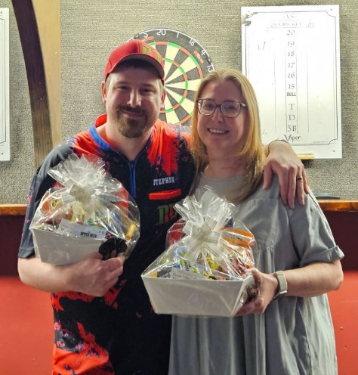
Keith Gibbs / Martha Owens
 | K.Gibbs / Ma.Owens |  |  |  |  |  |  |  |  |  | Adrian Fronczak / Tyler Parker
Julie Phillips / Petra Mozzetti | Top 32 = $10 |  |  |  |  |  |  |  |  |  | Top 32 = $10
 |  | D.Naylor / S.Morgan |  |  |  |  |  |  |  | R.Phillips / R.Watson
Travis Scheppele / Paul Grochocinski |  |  |  |  |  |  |  |  |  | Top 16 = $10
 | D.Naylor / S.Morgan |  |  |  |  |  |  |  |  |  | Robbie Phillips / Ruth Watson
Dan Naylor / Scott Morgan
 |  |  | D.Naylor / S.Morgan |  |  |  |  |  | S.Phillips / C.Morgan
Stuart Baxter / Devin McLeary |  |  | Top 8 = $20
 | S.Baxter / D.McLeary |  |  |  |  |  |  |  |  |  | Terry Blake / Lauren Smith
Mike Jones / Ava Savage | Top 32 = $10 |  |  |  |  |  |  |  |  |  | Top 32 = $10
 |  | C.Clark / C.Seldon |  |  |  |  |  |  |  | S.Phillips / C.Morgan
Chad Clark / Curtis Seldon |  | Top 16 = $10
 | C.Clark / C.Seldon |  |  | This draw was once again roughly seeded, |  |  |  |  |  |  | Stevie Phillips / Crystal Morgan
Lauren Witucki / LeighAnn Fleener |  |  |  | with one player in each pair from the "top"
 |  |  |  | half and one player from the "bottom" half.
 |  |  |  | Also, once again a bunch of money was added to the pot. But with this record tournament size (82 entrants!!!), for the first time in many years, not
 |  |  |  | every entrant got his/her money back (but only the bottom 9 of the 41 pairs didn't - so it was still a huge percentage of people who paid nothing).

 | Page 6

