Fa26-Wk5-Pg1
 | tons of newsletter
 | The Fall Session of the Raleigh Dart League, week #5, Wednesday, September 9, 2026 Issue #JK949
 | The "Only Country To Vote To Keep Grossly Inaccurate Maps? Yeah, Real Stunner There" Edition

FIFTH WEEK CAPTAINS' MEETING CANCELED
Next Monday night would have been the fifth week captains' meeting. But, because you guys are all pretty much returning to playing
nicely and handling your business well, we don't need to have a meeting right now. (I would still again encourage all of you to pay attention
when listing the teams in a game of 1001, when copying your opponents lineups, etc.) I will once again miss yelling at you guys and
telling you what you're messing up, but having another season with no issues big enough to require this meeting is a good outcome.
This coming Monday IS still the deadline for roster additions or replacements. There will not be a Board member sitting at the Upper Deck,
so you can't just wander in and do a last-minute in-person addition; but you can take all the way up to 8:00 p.m. Monday to complete roster
changes/additions that you have initiated well before that time point. (Translation? Don't expect that if you request an addition from the
Membership Director at 7:48 p.m. that there will be sufficient time to get approval, receive a PayPal invoice from the Treasurer, and get your
payment in, all in a too-tight-to-be-acceptable 12-minute window, or something like that.)

THE MISSING WEEK 3 "D" RESULT |  | POSSIBLE NEW BLIND DRAW - WITH AN INTERESTING
Darty Sanchez (late scoresheet penalty) 12+ @ 12 One Armed |  | TWIST! TRY IT OUT ON SATURDAY, 9/12
Bandits; 3-3, 3-3, 4-2, 2-4. ASPs: Darty Sanchez, 11.0; |  | It hasn't been finalized as something that will happen regularly yet
One Armed Bandits, 5.0. Hot Darts: Ken Trefzger, 5.0 ASPs; |  | (I'm guessing that a good turnout would help convince them!), but
Mike Robinson, 4.0 ASPs. |  | Renee Clark and Tommy Beaird are possibly starting up a Remix
 |  | Blind Draw at the Dugout Tavern & Grill (1413 Kelly Road, Apex).
A HUGE WIN AND A WAY COOL PRIZE! |  | A remix draw is one where you get a different partner each round
So the Washington Area Open was this past weekend (well, "past |  | until you compile 3 losses, then you personally are out. They are
weekend" as you read this; but it's "this weekend" as I type this |  | holding one on the 12th, with registration starting at 1pm and darts
since it's Sunday as I type and this tournament is still happening). |  | flying by 2pm. Just $5 entry this time, and the bar matches the pot.
And longtime RDL top gun Robbie Phillips (my teammmate for well
over a couple decades) is playing there, and we were messaging a |  | RDL HEADLINES
bit. Which is when he shared with me a freakin' cool prize he had |  | "A" Division: Beach sweeps DCkt for their first A win, setting up
won. At the end of the Open Singles 501/Cricket event that he won, |  | a big race over the next three weeks; Element and Jonesing roll
he got a glass cutting board commemorating the win!! What a |  | as they head into the three-way battle for the league's top spot
unique and cool idea! (Side note: in that event, he took out past |  | "B" Division: Kids romp through 11 cricket points to hand Possee
RDL member Alex Spellman in the semis in a TOTAL of 26 darts, in |  | their first loss, turning up the heat in the B race; Serious erases
a total of 4 minutes and 48 seconds, as assessed by DartConnect. |  | slow start against Inconsistent; OnlyDarts hits the win column
His turns were: 140, 140, 92, 129-Out in the 501, and 7m, 7m, 3m, |  | "C" Division: Menace and Area each handle their business, each
8m with a double-bull, and then a single-bull. Yes, that's 125/turn |  | continue toward a wk07 showdown (especially now that they're
in 501 and 104/turn in flippin' cricket. For those who want a more |  | two matches up on the pack); Mafia and Secrets move to 0.500
"RDL-ish" term, that's 9.5 ASPs in 8 turns. That's just sick, dude.) |  | "D" Division: Rally lets 12-6 lead slip before narrowly outdueling
Anyway, not long later, he sent me an updated photo… he also |  | the Knights in 1001 in what is the match of the season so far;
won the MUCH bigger World Darts Federation-sanctioned Open |  | McGavin sweeps Bandits in doubles to pass them for 3rd spot
Singles 501 event, and got another cutting board prize!! Guessing |  | "E" Division: What's the Point gets the ultra-rare win where the
he will use the 501/Cricket one in the kitchen, no? And… as I type |  | victor gets swept in SCkt, and now they face a wk05 marquee
this, there is still a Sunday singles cricket event to be played, so…. |  | pairing; Corks win big, establish substantial point lead for later
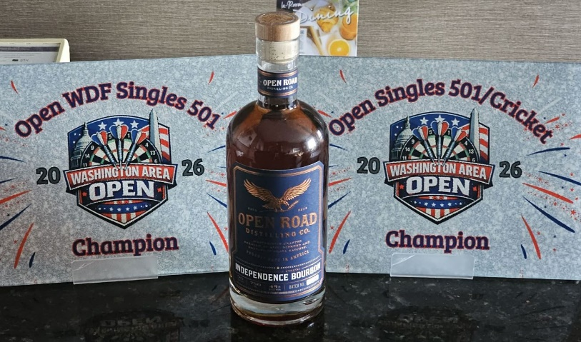
 |  | "F" Division: Death Throw jumps on Down to F early, then hangs
 |  | on to remain undefeated; Cheap Shots continue hot rebound
 |  | from their week 1 stumble; She Said sweeps 501 from Nein Mark
 |  | "G" Division: Banging narrowly escapes Machine to move to 3-0;
 |  | We Throw It slowly pulls away from Aim-ing to drop them two
 |  | losses off the lead now; Flight Club moves to 3rd with 1001 win
 |  | "H" Division: SofaKings keep cruising, sweeping doubles from
 |  | the Rangers; Double Vision posts another solid win, keeps on
 |  | toward wk07 battle royale with Sofa; Bright Side still lurks in 3rd

Name the band/singer? the song? Last week's answers: Song 1 = "T.N.T." by AC/DC; Song 2 = "Down Under" by Men at Work;
Song 3 = "Never Tear Us Apart" by INXS. And the theme? Contrary to some popular opinion, the theme of this set is not simply a trio of
really bad-ass songs (although that thought is indeed accurate). Instead, this set included only Australian rock artists! Seriously, that idea
pretty much had to cross your mind after I included Men at Work, didn't it? (And after the first two sets this season were Jamaican artists
and then German artists, no?) [This was by far the most popular set so far this season, with quite a few guesses offered up (or maybe folks
just knew this set more, or most likely both). And we had a full quartet of participants (Allen Smith, Jerry Shengulette, Paul Jacobi, Mikey
Hindle) that nailed the entire set, right down through the theme. It was primarily INXS that kept the quartet from being a larger group. - JK]
Wk05, #1: "Drivin' home this evenin', Coulda sworn we had it all worked out, You had this boy believin', Way beyond the shadow of a doubt"
Week 5, song #2: "We're going out tonight (hey), To kick out every light (hey), Take anything we want (hey), Drink everything in sight (hey)"
Week 5, song #3 lyric: "Take a look at my life, I'm a lot like you, I need someone to love me the whole day through, Ah, one look in my eyes..."

Page 1

