Fa26-Wk6-Pg1
 | tons of newsletter
 | The Fall Session of the Raleigh Dart League, week #6, Wednesday, September 16, 2026 Issue #JK950
 | The "If You're Gullible Enough To Believe The Latest Bribe Lie, Please Never Ever Tell Me" Edition

RDL RULES UPDATED MID-SEASON
Ohmigosh, the Board changed the rules DURING a season?! How can they change the rules DURING a season?! … … Simmer down, all
you highly reactive worrywarts. While the official RDL rules have indeed been changed, the changes that have just been made are only for
increased clarity of the rules that were already in place. You see, there was a question raised about whether a DartConnect tablet could be
used by the scorekeeper mid-turn to most accurately answer a question about what the remaining score at the time is (spoiler alert: it can).
Now, nobody wants to sit through that mid-turn task over and over and over, but nobody really wants to wait for an extended team meeting
of people with phone calculators and finger-counting trying to do the math on their own either. So there are simply times when that mid-turn
activity is in everyone's best interest. And up until now, there were two parts in the current rules that actually contained some conflicting
text that made it pretty hard to decipher if that part was true. Thus, the Board has made a few simple changes that make everything clearer.
Those changes can be found in MATCHES.F.4, subsections b and c, and those newly updated rules are already posted on the RDL website
(raleighdartleague.org). The newly updated rule sections are highlighted in yellow in that currently posted version. (And some of the text
there was further simplified to make even more of the stuff related to scorekeeper abilities clearer and more inclusive.)

ROSTER ADDITIONS CLOSED
The deadline for roster changes/additions was this past Monday, but I didn't have the final roster alterations at the time I was typing this.
Thus, the page 10 rosters in this particular issue are NOT yet considered final. Next week's issue will have what will be considered the more
"final" roster set, so if you are geeked up to prepare the rest of your team's scoresheets for the season, use the rosters in NEXT week's issue.

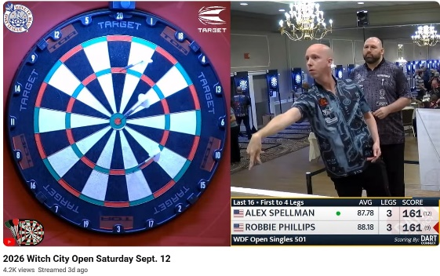
WHAT A FRIGGIN' WEEKEND |  | RDL HEADLINES
Ok, these are just |  | "A" Division: And in the end, the attendance issues were all on
flippin' sick. At the |  | the Appetite side, with Jonesing finally finding all their guys and
WDF Singles 501 at |  | posting a critical win; Element handles Dart Attack, then takes a
the Witch City Open, |  | full-on 501 nap; Darty takes down Beach, jumps into the #4 slot
Robbie Phillips (of |  | "B" Division: Serious stays perfect with plodding win over the
Element) made a run |  | Bottoms; Kids win their 3rd straight to remain within one of the
all the way to the |  | lead; Angry Birds hit the win column, outrunning Inconsistent
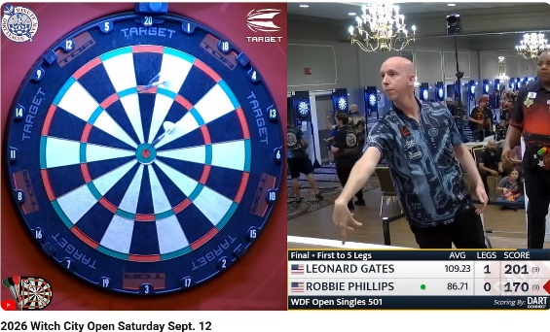
finals (yes, after just |  | "C" Division: Area wins big to stay undefeated (and reach their
winning the WDF |  | 33rd straight win over three seasons); Ducks yank Menace from
singles at the Wash. |  | the ranks of the unbeaten; Mafia squeezes by Projectile, Secrets
Area Open). And |  | outlast the Pints, and both move above 0.500 in C's top four
look at these crazy |  | "D" Division: Point & Rally races past McGavin to reach 5-0; the
monster finishes! |  | Knights slowly pull away from the Bandits to keep hold of 2nd;
The top photo is him |  | Sanchez gets critical 1001 win over Niners to lock in top-3 spot;
ripping a 161-Out in |  | Stumble also uses an extra leg, dropping Bullies to bottom pair
the deciding leg of |  | "E" Division: What's the Point wins battle of unbeatens, Shooting
the Top 16 round against Alex Spellman. And the bottom photo is |  | down the Blanks; Dartness wins the last three sets big over Off
him checking out a 170 in the finals against Leonard Gates! Sadly, |  | Constantly; Mayhem busts tie with Arrows via doubles sweep
Gates got him in that set… But Phillips made up for the next day in |  | "F" Division: Two Time rips five doubles to hand shorthanded
the qualifier for the 2027 World Cup team in Egypt, ending the day |  | Death Throw their first loss; Cheap Shots win 4th straight, take
in third place, which makes him the first alternate for the USA team! |  | over F lead; Shooters grab first win, topping shorthanded Nein
 |  | "G" Division: Rippin rolls again, scoring 16+ every week so far;
I JUST HAVE A HUNCH HERE… |  | Aim-ing rides cricket edge to drop Banging from the undefeated
Back on August 19th, Jorge Ramirez of The Blonde Leading the |  | group; Machine ekes past We Throw It, ending 3-match slide
Blind tossed a 180. And my first thought when I read that was… |  | "H" Division: SofaKings trail Bright Side early, sweep doubles to
ya know, I bet there are perfect throws that make everyone on both |  | push Bright two back; Double Vision barely ekes past winless
teams celebrate. And if that's true, I bet this is a leading candidate. |  | Calm, but stays undefeated nonetheless; Dirty Darts, Rangers
It's just true, folks… some of us are simply way more likeable people. |  | both win, joining trio of 3-2 teams sitting in the middle of H race

Name the band/singer? the song? Last week's answers: Song 1 = "Cuts Like a Knife" by Bryan Adams; Song 2 = "Burn It to the Ground"
by Nickelback; Song 3 = "Old Man" by Neil Young. And the theme? If starting with Bryan Adams didn't give this one away (even without
the three prior weeks' sets, I would think), I don't know what to tell you… Pretty obviously, this set was all about Canadian artists (and ha,
I didn't use Rush and make it double-triple-obvious). And yes, Neil Young is Canadian. Lots of history for him here in the US too, but that
came a bit into his career. [Another popular set, and people are certainly catching on to the themes now… We had three champs come
through with full sets of songs/artists/theme this week, with Jerry Shengulette, Paul Jacobi, and Pete Rutten taking home the week's honors.
But an extra shout out to Allen Smith, who actually predicted this week's country after last week's set. And no, I didn't switch to it. - JK]
Week 6, song #1: "My, my, just how much I've missed you, Yes, I've been broken-hearted, Blue since the day we parted, Why, why did I..."
Week 6, song #2: "I know there's something in the wake of your smile, I get a notion from the look in your eyes, yeah, You've built a love..."
Week 6, song #3 lyric: "No moneyman can win my love, It's sweetness that I'm thinkin' of, We always hang in a..."

Page 1

