SpikerBox Raw Materials
Costs of Home-Made SpikerBox
 | Cost/Unit | Digi-Key Part #

Custom Circuit Board | $3.89 | NA
Enclosure Note:
We purchase 3/16 inch thick basswood planks from the hardware store, and cut two pieces (top and bottom) at 3 inches by 3.8 inches. We drill in four hours in the corners, at 5/32 drill bit size, to accommodate screws that can go through the SpikerBox board. The screws we purchase are 6-32 thread size, 1.5 inches long, with the accompanying nuts. The hole in the top wood piece for the speaker is made with a circular Forstner drill bit (1- 3/64 inch diameter). The spacers are standard 1/4 inch outer diameter vinyl tubing you can buy at any hardware store. Enclosures can also be made with 1/8 inch thick acrylic in lieu of basswood.
Enclosure Components
Wood (3/16 inch thick basswood) | $0.41 | NA
Nuts (4) | $0.08 | NA
Screws (4) | $0.13 | NA
Cork ( 1 in^2) | $0.03 | NA
Double-Sided Tape | $0.04 | NA
Vinyl Spacers | $0.06 | NA
Subtotal | $0.69

Circuit Discreet Components
Header | $0.10 | A26509-40-ND
Chip Holders (3) | $1.11 | A24807-ND
9V battery | $2.25 | N145-ND
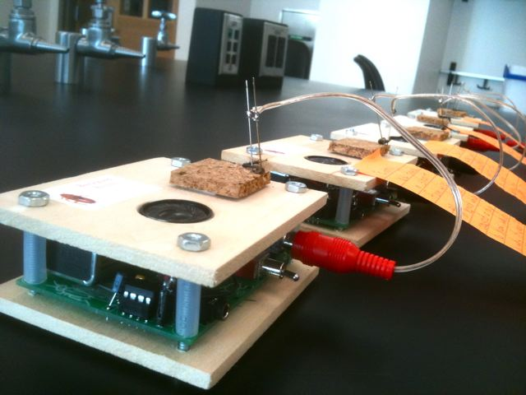
Speaker | $4.91 | 102-1554-ND
Audio Line-Out | $0.85 | CP1-3524NG-ND
0.047 uF capacitor | $0.37 | BC1099CT-ND
33 kOhm Resistor | $0.08 | CF14JT33K0CT-ND
0.1 uF capacitor | $0.44 | BC1148CT-ND
RCA input connector | $0.96 | CP-1403-ND
220 uF capacitor | $0.35 | 565-1674-ND
On/Off Switch | $3.18 | 432-1164-ND
LED | $0.54 | 67-1037-ND
10 uF capacitors (3) | $1.41 | 445-2868-ND
10 kOhm Resistor (2) | $0.16 | CF14JT10K0CT-ND
390 Ohm Resistor | $0.09 | CF1/4390JRCT-ND
1 kOhm Resistor | $0.08 | CF14JT1K00CT-ND
0.47 uF capacitor | $0.33 | 445-4804-ND
male 9V connector | $0.55 | 593K-ND
female 9V connector | $0.66 | 594K-ND
560 pF capacitor | $0.33 | 490-3850-ND
speaker header connector | $0.16 | 929974-01-36-ND
220 kOhm resistor | $0.08 | P220KBACT-ND
10 Ohm Resistor | $0.08 | P10BACT-ND
AD623 op amp IC | $4.17 | AD623ANZ-ND
TCL2272 op amp IC | $1.55 | 296-1812-5-ND
LM386N audio chip IC | $1.06 | LM386N-3-ND
Subtotal | $25.84

Electrode Costs
RCA Connector | $1.77 | CP-1452-ND
Sewing Needles (2) | $0.01 | NA
24 gauge Speaker Wire (6 inch length) | $0.06 | radioshack 278-1301
Subtotal | $1.84

Total SpikerBox Material Costs
Custom Circuit Board | $3.89
Enclosure | $0.69
Circuit Components | $25.84
Electrode | $1.84
Magic Number | $32.27

Smartphone Cable Costs
10 uF capacitor | $0.47 | 445-2868-ND
4.7k Resistor | $0.12 | 4.7KEBK-ND
3-conductor cable (1/2) | $1.88 | AE10361-ND
4-conductor cable (1/2) | $3.33 | CP-354S-M/M-ND
 | $5.80

Stimulation Cable Costs
3-conductor cable (1/2) | $1.88 | AE10361-ND
Hook Clips (2) | $3.49 | 461-1014-ND
 | $5.37

Cheaper Stimulation Cable
3-conductor cable (1/2) | $1.88 | AE10361-ND
bare copper small clips | $0.64 | RadioShack Micro 1-1/8" Smooth Clips Catalog #270-373
 | $2.52

