Sheet1
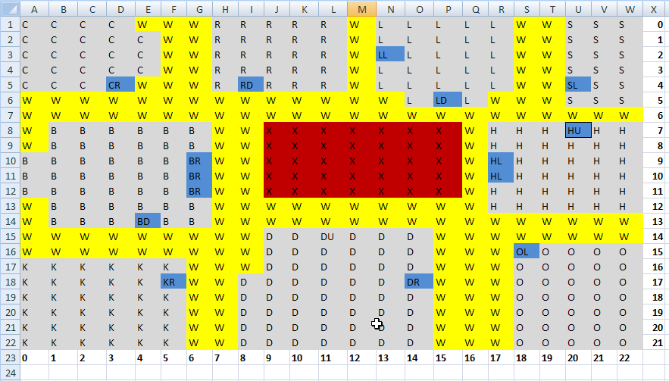
U | U | U | U | A | W | W | W | W | W | W | W | W | A | A | M | M | M | M | M | M | M | M
U | U | U | U | A | W | W | W | W | W | W | W | W | A | A | M | M | M | M | M | M | M | M
U | U | U | U | A | W | W | W | W | W | W | W | W | A | A | M | M | M | M | M | M | M | M
U | U | U | U | A | W | W | W | W | W | W | W | W | A | A | M | M | M | M | M | M | M | M
U | U | U | U | A | W | W | W | WD | WD | WD | W | W | A | A | M | MD | MD | M | M | M | M | M
U | U | U | U | A | A | A | A | A | A | A | A | A | A | A | A | A | A | A | A | A | A | A
U | U | U | UR | A | A | A | A | A | A | A | A | A | A | A | A | A | A | A | A | A | A | A
U | U | U | UR | A | A | A | X | X | X | X | X | X | X | X | A | A | S | SU | S | S | S | S
U | U | U | U | A | A | A | X | X | X | X | X | X | X | X | A | A | S | S | S | S | S | S
A | A | A | A | A | A | A | X | X | X | X | X | X | X | X | A | A | S | S | S | S | S | S
T | T | T | T | T | A | A | X | X | X | X | X | X | X | X | A | A | S | S | S | S | S | S
T | T | T | T | T | A | A | X | X | X | X | X | X | X | X | A | A | S | S | S | S | S | S
T | T | T | T | T | A | A | X | X | X | X | X | X | X | X | A | A | S | S | S | S | S | S
TD | T | A | A | A | A | A | A | A | A | A | A | A | A | A | A | A | S | S | S | S | S | S
A | A | A | A | A | A | A | A | A | A | A | A | A | A | A | A | A | S | SD | S | S | S | S
JU | J | J | J | A | A | A | A | A | A | A | A | R | RR | A | A | A | A | A | A | A | A | A
J | J | J | JR | A | A | P | P | PU | P | P | A | R | RR | A | A | A | A | A | CL | C | C | C
J | J | J | J | A | A | P | P | A | P | P | A | R | R | R | R | R | A | A | CL | C | C | C
J | J | J | J | A | A | P | P | P | P | P | A | R | R | R | R | R | A | A | C | C | C | C
J | J | J | J | A | A | P | P | A | P | P | A | R | R | R | R | R | A | A | C | C | C | C
J | J | J | J | A | A | P | P | P | P | P | A | R | R | R | R | R | A | A | C | C | C | C
J | J | J | J | A | A | P | P | A | P | PR | A | RL | R | R | R | R | A | A | C | C | C | C

