Game Board
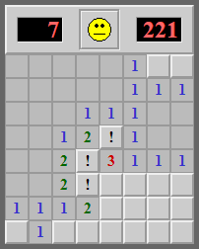
TD | TD1 | TD2 | TD3 | TD4 | TD5 | TD6 | TD7
0 | 0 | 0 | 0 | 0 | 1 | U | U
0 | 0 | 0 | 0 | 0 | 1 | 1 | 1
0 | 0 | 0 | 1 | 1 | 1 | 0 | 0
0 | 0 | 1 | 2 | X | 1 | 0 | 0
0 | 0 | 2 | X | 3 | 1 | 1 | 1
0 | 0 | 2 | X | U | U | U | U
1 | 1 | 1 | 2 | U | U | U | U
U | 1 | U | U | U | U | U | U

