Xin Yu's Books
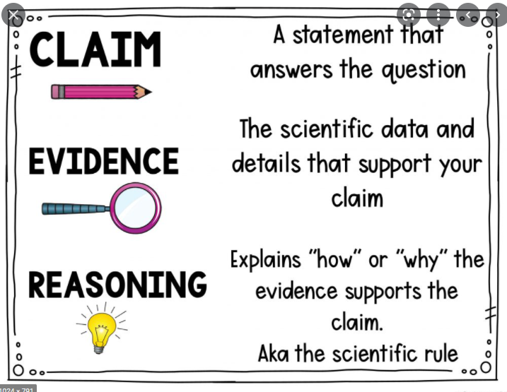
English | Chinese | Mathematics | Science
Vocabulary | Vocabulary | Concepts | Concepts
Grammar | Use of Chinese as language | Heuristics | Claim + Evidence + Reasoning
Cloze Passage
Comprehension | Comprehension
Composition | Composition
Oral | Oral
Aural | Aural

