1st ATI
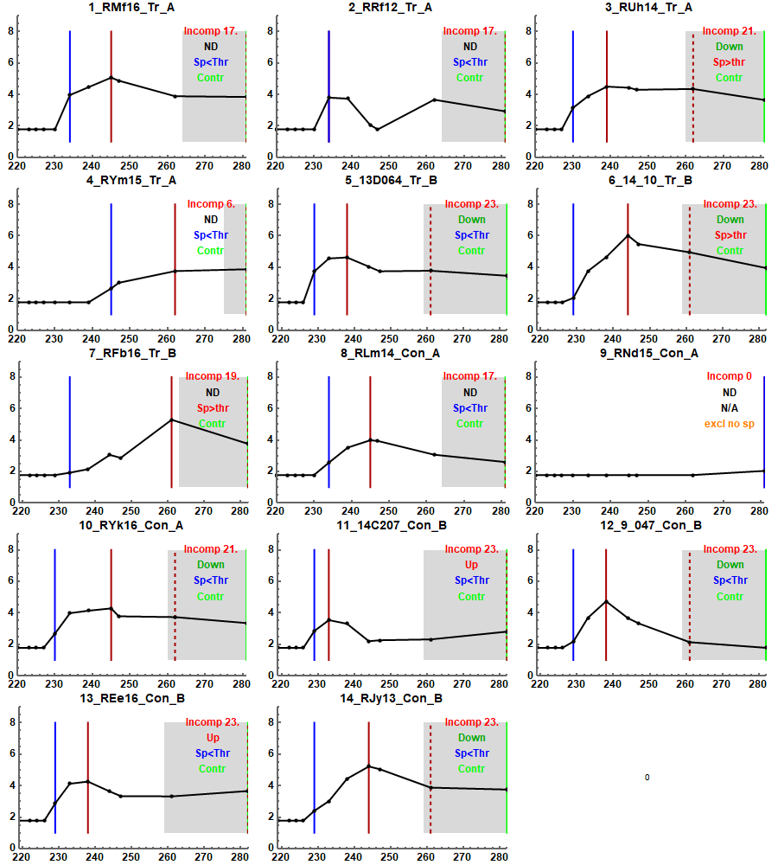
ID | Event day | Relative event day | Event type | Start of follow up | End of follow up
1_RMf16_Tr_A | 234 | 14 | 1 | 220 | 281
2_RRf12_Tr_A | 234 | 14 | 1 | 220 | 281
3_RUh14_Tr_A | 230 | 10 | 1 | 220 | 281
4_RYm15_Tr_A | 245 | 25 | 1 | 220 | 281
5_13D064_Tr_B | 229 | 10 | 1 | 219 | 282
6_14_10_Tr_B | 229 | 10 | 1 | 219 | 282
7_RFb16_Tr_B | 233 | 14 | 1 | 219 | 282
8_RLm14_Con_A | 234 | 14 | 1 | 220 | 281
9_RNd15_Con_A | 281 | 61 | 0 | 220 | 281
10_RYk16_Con_A | 230 | 10 | 1 | 220 | 281
11_14C207_Con_B | 229 | 10 | 1 | 219 | 282
12_9_047_Con_B | 229 | 10 | 1 | 219 | 282
13_REe16_Con_B | 229 | 10 | 1 | 219 | 282
14_RJy13_Con_B | 229 | 10 | 1 | 219 | 282

Blue vertical line is the firs measurement above 60 c/ml.
Needs manual check whether > 1 measurements >60c/ml

2nd ATI
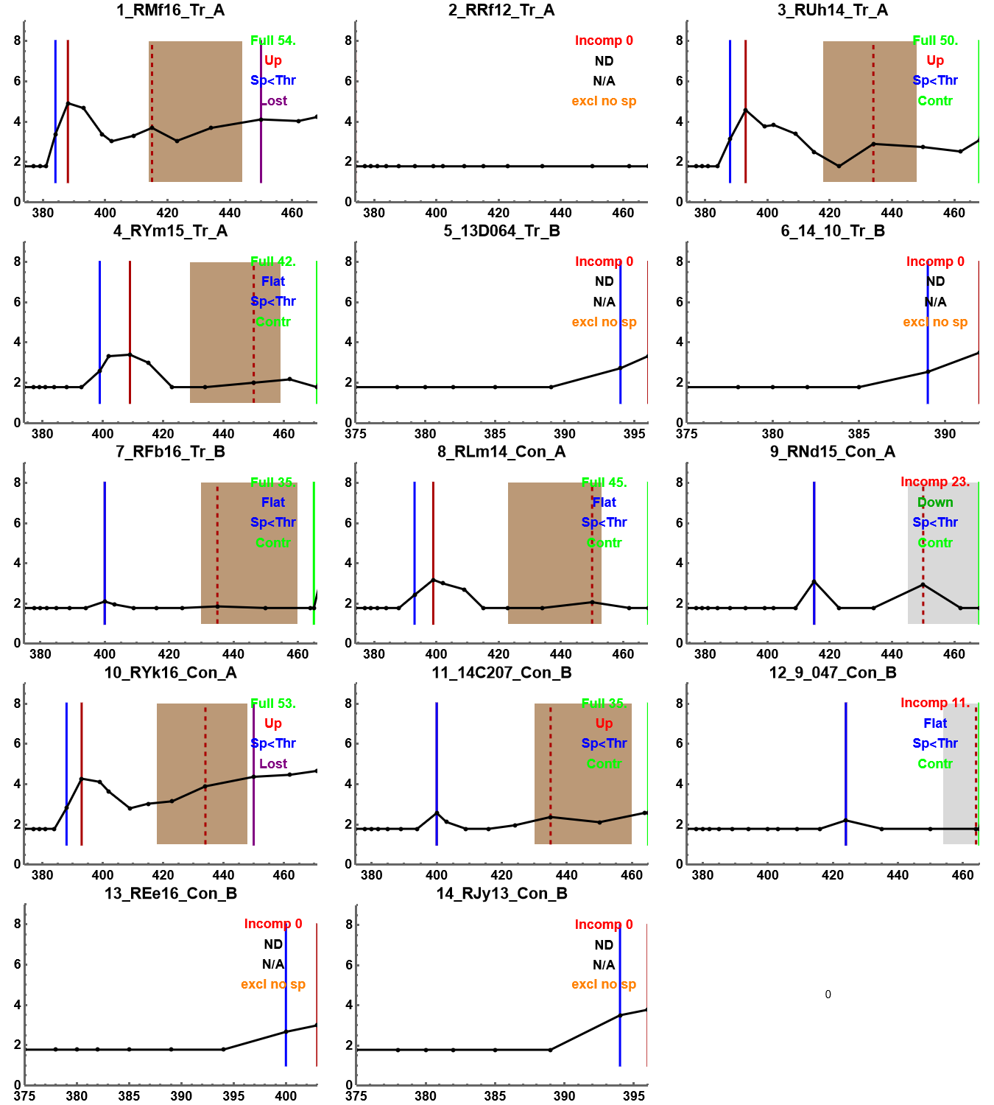
ID | Event day | Relative event day | Event type | Start of follow up | End of follow up
1_RMf16_Tr_A | 384 | 10 | 1 | 374 | 468
2_RRf12_Tr_A | 468 | 94 | 0 | 374 | 468
3_RUh14_Tr_A | 388 | 14 | 1 | 374 | 468
4_RYm15_Tr_A | 399 | 25 | 1 | 374 | 471
5_13D064_Tr_B | 394 | 19 | 1 | 375 | 396
6_14_10_Tr_B | 389 | 14 | 1 | 375 | 392
7_RFb16_Tr_B | 400 | 25 | 1 | 375 | 465
8_RLm14_Con_A | 393 | 19 | 1 | 374 | 468
9_RNd15_Con_A | 415 | 41 | 1 | 374 | 468
10_RYk16_Con_A | 388 | 14 | 1 | 374 | 471
11_14C207_Con_B | 400 | 25 | 1 | 375 | 465
12_9_047_Con_B | 465 | 90 | 0 | 375 | 465
13_REe16_Con_B | 400 | 25 | 1 | 375 | 403
14_RJy13_Con_B | 394 | 19 | 1 | 375 | 396

