Achmea
Mapping Financial Statements - Achmea Dataset

SOTI FY2025

 |  | Insurer | ACHMEA |  |  | Comments 2024 | Comments 2023
 |  | Year | 2024 | 2023 | 2022
(1) OVERVIEW OF PORTFOLIO
 | (i) LIFE PORTFOLIO [DIRECT & ASSUMED]: |  | 34,259 | 34,960 | 34,328
 |  | General Measurement Model | 23,622 | 24,293 | 24,933 | Note 7 [Pg.305] | Note 6 [Pg. 181]
 |  | Variable Fee Approach | 10,637 | 10,667 | 9,395 | Note 7 [Pg.305] | Note 6 [Pg. 181]
 |  | Premium Allocation Approach | 0 | 0 | 0 | Note 7 [Pg.305] | Note 6 [Pg. 181]

 | (ii) NON-LIFE PORTFOLIO [DIRECT & ASSUMED]: |  | 7,150 | 6,874 | 6,278
 |  | General Measurement Model | 969 | 1,039 | 1,098 | Note 7 [Pg.305] | Note 6 [Pg. 181]
 |  | Premium Allocation Approach | 6,181 | 5,835 | 5,180 | Note 7 [Pg.305] | Note 6 [Pg. 181]

 | (iii) HEALTH PORTFOLIO [DIRECT & ASSUMED]: |  | 2,442 | 2,374 | 2,805
 |  | General Measurement Model | 37 | 40 | 44 | Note 7 [Pg.305] | Note 6 [Pg. 181]
 |  | Premium Allocation Approach | 2,405 | 2,334 | 2,761 | Note 7 [Pg.305] | Note 6 [Pg. 181]

 | (iv) TOTAL PORTFOLIO [DIRECT & ASSUMED]: |  | 43,851 | 44,208 | 43,411
 |  | General Measurement Model | 24,628 | 25,372 | 26,075 | Subtotal | Subtotal
 |  | Variable Fee Approach | 10,637 | 10,667 | 9,395 | Subtotal | Subtotal
 |  | Premium Allocation Approach | 8,586 | 8,169 | 7,941 | Subtotal | Subtotal

 | (iv.1) TOTAL PORTFOLIO [LIABILITY DROPDOWN]
 |  | Liability for Remaining Coverage | GMM & VFA | 33,323 | 34,350 | 33,899
 |  | Present value of cash flows | 31,395 | 32,312 | 31,864 | Formula driven | Formula driven
 |  | Risk Adjustment | 778 | 795 | 789 | Formula driven | Formula driven
 |  | CSM | 1,150 | 1,243 | 1,246 | Formula driven | Formula driven
 |  | Liability for Remaining Coverage | PAA | -246 | -303 | -531 | Formula driven | Formula driven
 |  | Liability for Incurred Claims | GMM & VFA | 1,942 | 1,689 | 1,571
 |  | Present value of cash flows | 1,942 | 1,689 | 1,571 | Formula driven | Formula driven
 |  | Risk Adjustment | 0 | 0 | 0
 |  | Liability for Incurred Claims | PAA | 8,832 | 8,472 | 8,472
 |  | Present value of cash flows | 8,680 | 8,322 | 8,336 | Formula driven | Formula driven
 |  | Risk Adjustment | 152 | 150 | 136 | Formula driven | Formula driven
 |  | Pre-recognition insurance acquisition cash flows | 0 | 11 | 4 | Note 7 [Pg.305] Assets for insurance aquisition cashflows | Note 6 [Pg. 181] -> Why is this a postive, if it is a pre-recognition asset then expect this to be a negative within the liabilities
 |  | Other | 0 | 0 | 0
 |  |  | 43,851 | 44,219 | 43,415
 |  | Checks | TRUE | TRUE | TRUE | Casting difference of €5 for 2024 if CSM is taken from note 7 pg 305 instead | Casting difference of €1 for 2022
 |  | Life | GMM & VFA
 |  | Liability for Remaining Coverage | 33,567 | 34,466 | 33,993
 |  | Present value of cash flows | 31,838 | 32,670 | 32,177 | Life -> Note 7 [FCF Pg.319 - LIC PVFCF on Pg. 317] | Life -> Note 6 [Pg. 194 & 195 - LIC PVFCF on Pg. 192 & 193]
 |  | Risk Adjustment | 697 | 720 | 716 | Life -> Note 7 [Pg. 319] | Life -> Note 6 [Pg. 194 & 195]
 |  | CSM | 1,032 | 1,076 | 1,100 | Life -> Note 7 [Pg. 319] | Life -> Note 6 [Pg. 194 & 195]
 |  | Liability for Incurred Claims | 692 | 494 | 335
 |  | Present value of cash flows | 692 | 494 | 335 | Life -> Note 7 [Pg. 317 & Pg. 319]
 |  | Risk Adjustment | 0 | 0 | 0
 |  | Non-life | GMM
 |  | Liability for Remaining Coverage | -244 | -116 | -94
 |  | Present value of cash flows | -443 | -358 | -313 | Non-Life -> Note 7 [Pg.308 - LIC PVFCF on Pg.. 310 ] & Health -> Note 7 [Pg. 305 - LIC PVFCF & CSM Pg, 306] | Non-Life -> Note 6 [Pg.186 & Pg. 187 - LIC PVFCF on Pg.184 & 185] & Health -> Note 6 [Pg. 181 - LIC PVFCF on Pg. 189 & 190 - CSM Pg, 182]
 |  | Risk Adjustment | 81 | 75 | 73 | Non-Life -> Note 7 [Pg.310] - Health - assume zero based on materiality | Non-Life -> Note 6 [Pg.186 & 187] & Life -> Note 6 [Pg. 194 & 195] & Health - assume zero based on materiality
 |  | CSM | 118 | 167 | 146 | Note 7 [Pg. 306] Health + Non-life | Non-Life -> Note 6 [Pg. 182]
 |  | Liability for Incurred Claims | 1,250 | 1,195 | 1,236
 |  | Present value of cash flows | 1,250 | 1,195 | 1,236 | Note 7.1 [308+310], Health Pg. 313 | Note 6 [Pg. 185 + 190]
 |  | Risk Adjustment | 0 | 0 | 0
 |  | Non-life | PAA
 |  | Liability for Remaining Coverage | -246 | -303 | -531 | Non-Life -> Note 7 [Total LRC on Pg.308- LRC for GMM /VFA] & Health -> Note 7 [Pg. 313 - LRC for GMM/VFA] & Life = 0 | Non-Life -> Note 6 [Total LRC on Pg.184 - LRC for GMM /VFA] & Health -> Note 6 [Pg. 189 - LRC for GMM/VFA] & Life = 0
 |  | Liability for Incurred Claims | 8,832 | 8,472 | 8,472
 |  | Present value of cash flows | 8,680 | 8,322 | 8,336 | Non-Life -> Note 7 [Pg. 313 ] & Health -> Note 7 [Pg. 308] | Non-Life -> Note 6 [Pg. 184 & 185] & Life = 0& Health -> Note 6 [Pg. 189 & 190]
 |  | Risk Adjustment | 152 | 150 | 136 | Non-Life -> Note 7 [Pg. 313 ]& Health -> Note 7 [Pg. 308] | Non-Life -> Note 6 [Pg. 184 & 185] & Life = 0& Health -> Note 6 [Pg. 189 & 190]
 |  | Checks | TRUE | TRUE | TRUE
 |  | Checks | TRUE | TRUE | TRUE

 | (v) LIFE PORTFOLIO [REINSURANCE CEDED]:
 |  | General Measurement Model | 27 | 27 | 56 | Note 7 [Pg. 305] | Note 6 [Pg. 181]
 |  | Premium Allocation Approach | 0 | 0 | 0 | Note 7 [Pg. 305] | Note 6 [Pg. 181]

 | (vi) NON-LIFE PORTFOLIO [REINSURANCE CEDED]:
 |  | General Measurement Model | 0 | 0 | 0 | Note 7 [Pg. 305] | Note 6 [Pg. 181]
 |  | Premium Allocation Approach | 957 | 1,064 | 724 | Note 7 [Pg. 305] | Note 6 [Pg. 181]

 | (vii) HEALTH PORTFOLIO [REINSURANCE CEDED]:
 |  | General Measurement Model | 0 | 0 | 0 | Note 7 [Pg. 305] | Note 6 [Pg. 181]
 |  | Premium Allocation Approach | 3 | 2 | 0 | Note 7 [Pg. 305] | Note 6 [Pg. 181]

 | (viii) TOTAL PORTFOLIO [REINSURANCE CEDED]: |  | 987 | 1,093 | 780 | Subtotal | Subtotal
 |  | General Measurement Model | 27 | 27 | 56 | Subtotal | Subtotal
 |  | Premium Allocation Approach | 960 | 1,066 | 724 | Subtotal | Subtotal

(2) FINANCIAL PERFORMANCE

 | (i) OVERVIEW OF THE RESULTS BEFORE TAX:
 |  | a) Net insurance results | 606 | -119 | 525 | Note 10 [Pg. 349+350] | Taken from income statement
 |  | 1) CSM release | 72 | 82 | 72 | Note 10 [Pg. 349+350] | Note 9 [Pg. 227 & 228]
 |  | 2) RA release | 76 | 81 | 80 | Note 10 [Pg. 349+350] | Note 9 [Pg. 227 & 228]
 |  | 3) Loss component | -81 | -19 | -34
 |  | Losses on onerous contracts initially recognised in the period | -10 | -10 | -17 | Note 7 [Pg. 308 +313 + 320] | Note 6 [Pg. 186 & 187 + 194 & 195]
 |  | Changes in adjustments not contributing to the contractual service margin | -71 | -9 | -17 | Note 7 [Pg. 310 + 320] - Changes in estimates on onerous contracts | Note 6 [Pg. 186 & 187 + 194 & 195]
 |  | Release of risk adjustment attributed to the loss component | 0 | 0 | 0
 |  | Expected claims and benefits attributed to the loss component | 0 | 15 | 0 | Note 7 [Pg. 307 +313 + 317] | Note 6 [Pg. 184 & 185 + 189 & 190 + 192 & 193]
 |  | Expected attributable insurance expenses attributed to the loss component | 0 | 0 | 0 | Note 7 [Pg. 307 +313 + 317]
 |  | Systematic allocation included in expected claims and benefits | 0 | -15 | 0 | Formula driven | Formula driven
 |  | 4) Expected versus actual claims and attributable expenses | 24 | -166 | -84
 |  | Expected claims and benefits - net of systematic allocation | 1,653 | 1,786 | 1,919 | Note 10 [Pg. 349] | Note 9 [Pg. 227 & 228] -> Includes expenses
 |  | Systematic allocation included in expected claims and benefits | 0 | 15 | 0 | Formula driven | Formula driven
 |  | Expected expenses | 0 | 0 | 0 | Included in the expected claims | Included in the expected claims
 |  | Incurred claims | -1,629 | -1,967 | -2,003 | Pg. 308 + 313 +317 | NET OF SYSTEMATIC ALLOCATION --> Note 6 [Pg. 184 & 185 + 192 & 193 + 189 & 190] -> Includes expenses
 |  | Incurred expenses | 0 | 0 | 0 | Included in the actual claims | Included in the actual claims
 |  | 5) PAA results | 510 | -186 | 442
 |  | Insurance revenue | 23,601 | 20,947 | 19,719 | Note 10 [Pg. 349] | Note 9 [Pg. 227 & 228]
 |  | Incurred claims | -22,600 | -19,796 | -18,340 | Note 7.2 [313 + 308] | Note 6 [Pg. 184 & 185 + 189 & 190] -> Includes expenses
 |  | Incurred expenses | 0 | 0 | 0 |  | Included in the actual claims
 |  | Movement in prior period claims | 239 | -815 | -888 | Note 7, Non life Pg. 308 +Health 313 (sum of PVFCF and RA for Adjustments to liabilities for incurred claims) | Note 6 [Pg. 184 & 185 + 189 & 190]
 |  | Loss component | -121 | -19 | 473
 |  | Losses on onerous contracts initially recognised in the period | 0 | 0 | 0
 |  | Changes in estimates regarding onerous contracts | -121 | -19 | 473 | Health: Note 10 [Pg. 349] , Non-life: Difference between total losses - losses in GMM [Pg. 308-310], There are no PAA Life contracts=0 | Note 9 [Pg. 228]: Health: €482 on pg. 190 yet €74 on pg. 228. Non-life for 2023 amount to €9 and 2022 amount to €1. Non-life determined as balancing figure of LC roll
 |  | Reversal of the loss component | 0 | 0 | 0
 |  | Other | -609 | -503 | -522
 |  | Other expenses | 0 | 0 | 0
 |  | Amortisation of acquisition cashflow | -609 | -503 | -522 | Pg. 350 | Note 9 [Pg. 228] --> Life = error of €1 in 2023 & Non-Life = error of €3 in 2022 & Health = error of €3 in 2022
 |  | 6) Other | 5 | 89 | 49
 |  | Premium experience adjustments | 6 | 19 | -1 | Note 10 [Pg. 349] | Note 9 [Pg. 227 & 228]
...
 |  | a) Solvency II ratio | 182% | 183% | 209% | Pg. 29 | Pg. 34
 |  | b) Solvency II target ratio | 165% | 165% |  | Pg. 259
 |  | c) Solvency Capital Requirement (SCR) | 5,526 | 4,840 | 4,410 | Pg. 29 | Pg. 34
 |  | d) Eligible own funds (E) | 10,039 | 8,848 | 9,195 | Pg. 29 | Pg. 34
 |  | e) Free capital method 1 (Eligible own funds - (target ratio * SCR)) | 921 | 862 |  | Formula driven | Formula driven
 |  | f) Free capital method 2 (Eligible own funds - SCR) | 4,513 | 4,008 | 4,785 | Formula driven | Formula driven
 |  | g) Capital generated (stated) | 450 | -301 | -137 | Pg. 26 | Pg. 34. Please note that 2022 FCG figure has been taken from FY22 annual report as Achmea does not state its FCG of prior year in FY23 report
...
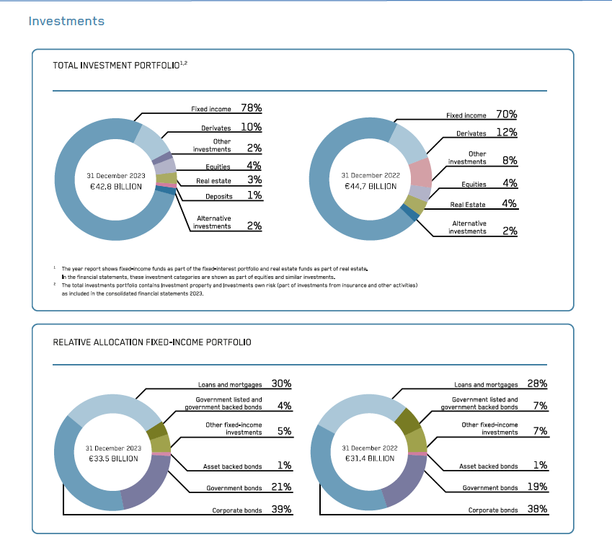
 |  |  |  |  |  | 6. INVESTMENTS INVESTMENTS CLASSIFIED BY NATURE | 5. INVESTMENTS INVESTMENTS CLASSIFIED BY NATURE
 |  | Equities & similar investments | 10,151 | 8,656 | 6,114 | Pg. 299 | Note 5 [Pg. 175]

 |  | Fixed income instruments:
 |  | Bonds from or guaranteed by Governments | 10,150 | 10,570 | 12,042 | Pg. 299 | Note 5 [Pg. 175]
 |  | Securitised bonds | 1,766 | 1,074 | 1,903 | Pg. 299 | Note 5 [Pg. 175]
 |  | Corporate bonds | 14,334 | 13,484 | 12,389 | Pg. 299 | Note 5 [Pg. 175]
 |  | Convertible bonds | 428 | 400 | 292 | Pg. 299 | Note 5 [Pg. 175]
 |  | Loans secured by mortgages | 8,461 | 8,315 | 7,657 | Pg. 299 | Note 5 [Pg. 175]
 |  | Loans and deposits with credit institutions | 313 | 218 | 179 | Pg. 299 | Note 5 [Pg. 175]
 |  | Other | 1,787 | 1,702 | 1,276 | Pg. 299 | Note 5 [Pg. 175]
 |  | Total FIS: | 37,239 | 35,763 | 35,738

 |  | Derivatives | 3,864 | 4,680 | 5,452 | Pg. 299 | Note 5 [Pg. 175]
 |  | Other financial instruments | 5,377 | 5,707 | 8,673 | Pg. 299 | Note 5 [Pg. 175]
 |  | Total Investments from insurance and other activities | 56,631 | 54,806 | 55,977

 |  | Banking credit portfolio
 |  | Fixed income instruments:
 |  | Loans secured by mortgages | 17,160 | 14,151 | 11,895 | Pg. 299 | Note 5 [Pg. 175]
 |  | Loans and deposits with credit institutions | 485 | 555 | 431 | Pg. 299 | Note 5 [Pg. 175]
 |  | Other | - | 31
 |  | Total FIS: | 17,645 | 14,737 | 12,326 | Pg. 299

 |  | Derivatives | 327 | 371 | 538 | Pg. 299 | Note 5 [Pg. 175]
 |  | Other financial instruments | 80 | 63 | 47 | Pg. 299 | Note 5 [Pg. 175]
 |  | Total Banking credit portfolio | 18,052 | 15,171 | 12,911 | Subtotal | Subtotal

 |  | Property
 |  | Investment property | 717 | 725 | 850 | Pg. 342 | Pg. 219

 |  | Total Investments | 75,400 | 70,702 | 69,738
...
 |  | 1. Own risk |  |  |  | TABLE 4: FINANCED GHG EMISSIONS FROM ACHMEA'S CONSOLIDATED PERSPECTIVE | SUPPLEMENT B. DETAILED SUSTAINABILITY INFORMATION FINANCED EMISSIONS
 |  | Listed equity | 2,536 | 1,508 | 1,760 | Pg. 165 | Supplement B: Pg. 325 & 326
 |  | Corporate bonds | 16,268 | 14,745 | 11,870 | Pg. 165 | Supplement B: Pg. 325 & 326
 |  | Government bonds | 7,120 | 6,283 | 8,202 | Pg. 165 | Supplement B: Pg. 325 & 326
 |  | Mortgages (investment insurance options) | 8,461 | 8,401 | 7,657 | Pg. 165 | Supplement B: Pg. 325 & 326
 |  | Mortgages banking credit portfolio | 17,189 | 14,141 | 12,328 | Pg. 165 | Supplement B: Pg. 325 & 326
 |  | Investment property | 1,510 | 1,334 | 1,028 | Pg. 165 | Supplement B: Pg. 325 & 326
 |  | Investment loans | 716 | 746 | 1,274 | Pg. 165 | Supplement B: Pg. 325 & 326
 |  | Other categories | 13,213 | 10,767 | 13,499 | Pg. 165 | Supplement B: Pg. 325 & 326
 |  | Total | 67,013 | 57,925 | 57,618

 |  | 2. Account and risk policyholders
 |  | Equities | 3,479 | 2,695 | 2,404 | Pg. 165 | Supplement B: Pg. 325 & 326
 |  | Corporate bonds | 697 | 420 | 4,410 | Pg. 165 | Supplement B: Pg. 325 & 326
 |  | EU government bonds | 2,703 | 1,799 |  | Pg. 165 | Supplement B: Pg. 325 & 326
 |  | Non-EU government bonds | N/A | N/A |  | Pg. 165 | Supplement B: Pg. 325 & 326
 |  | Funds - equity | N/A | N/A |  |  | Supplement B: Pg. 325 & 326
...

