Intro
General Information

Master data shall be defined following the related naming conventions for IDs to ensure redundant-free and reusable data.

Naming convention for Products/Material Master Records: |  |  | Naming Conventions for Business Partners

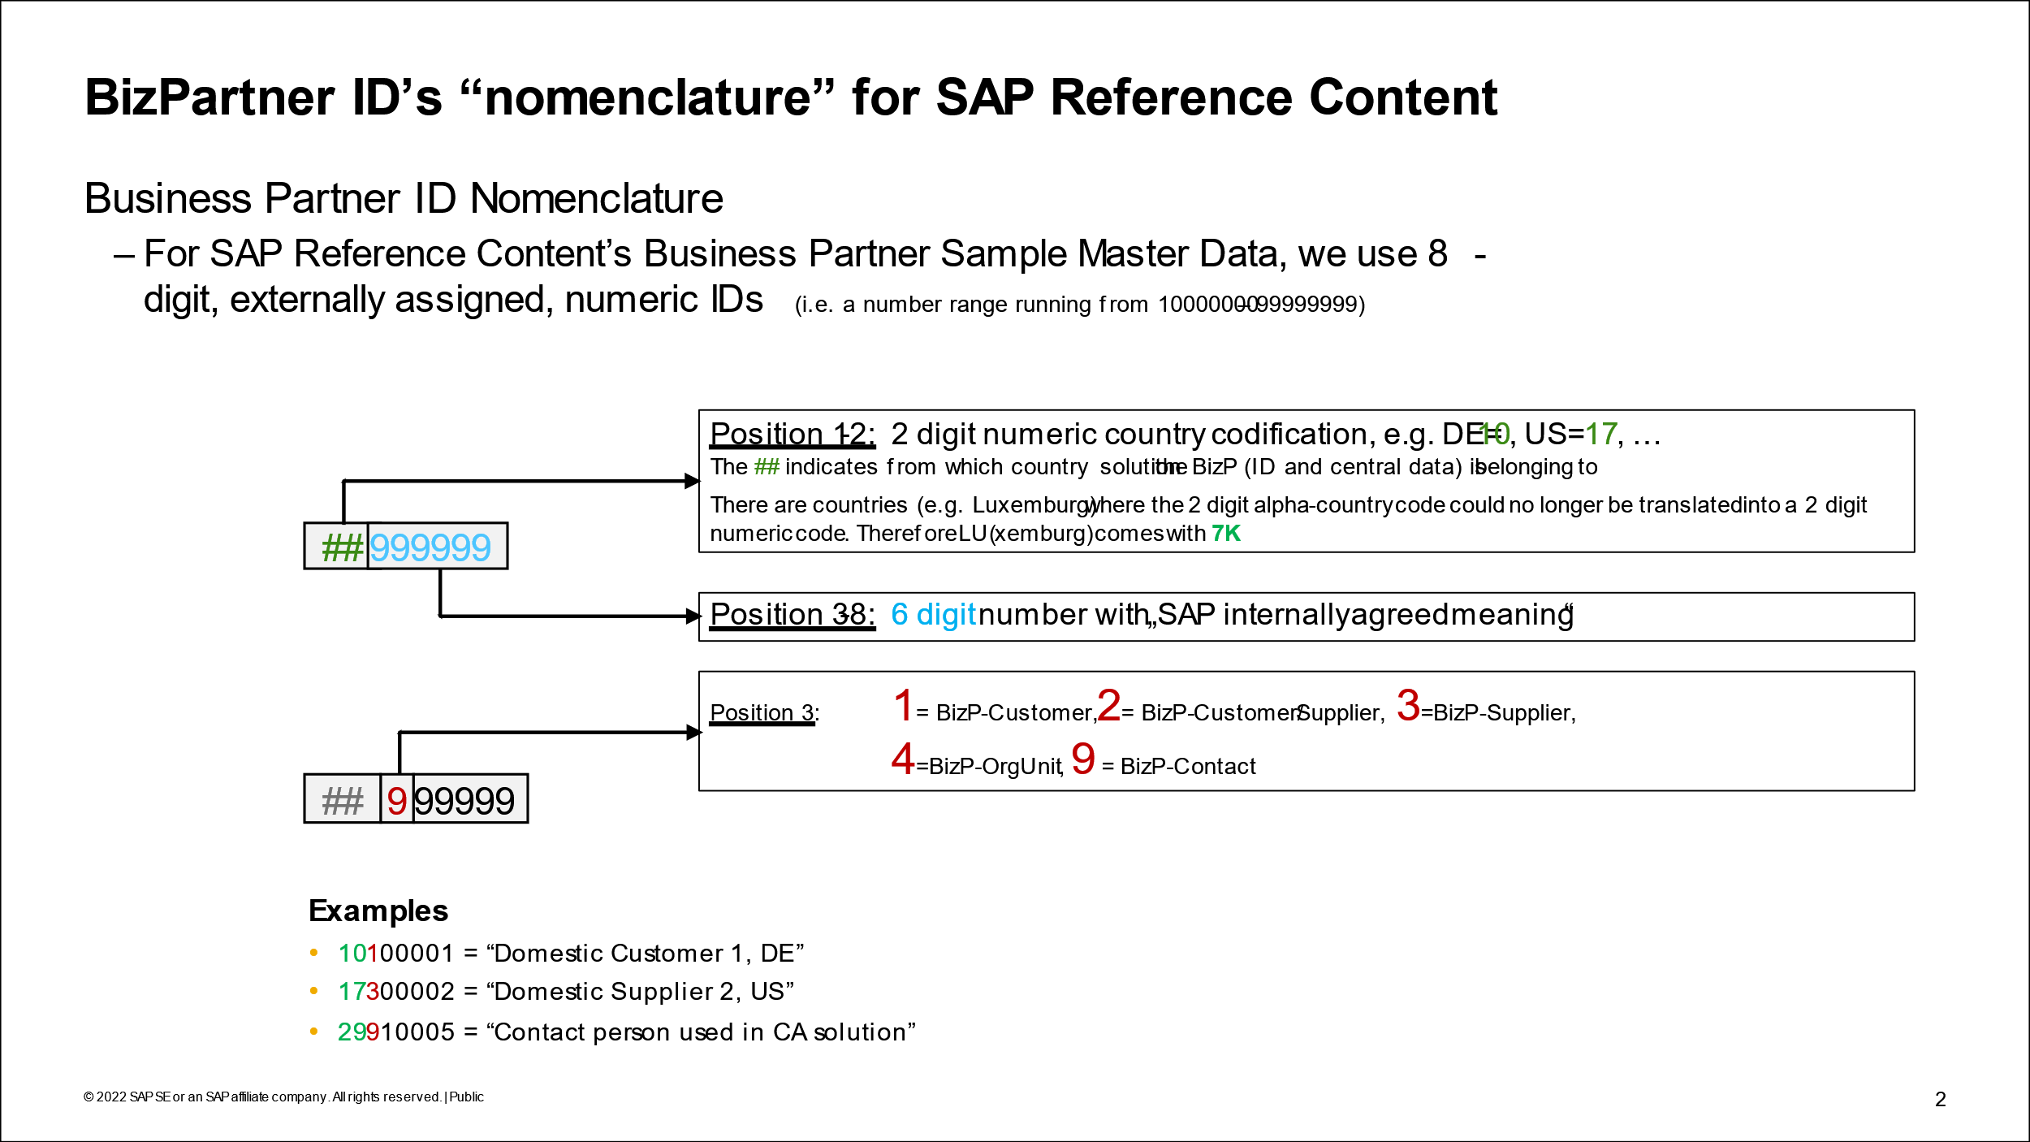
<material type abbrev.><string>, e.g. FG0012

Material type abbrev.: abbreviation of the material type

MTART | MTART Description | MTART Abbrev.
BUND | Bundle Product | BM
ERSA | Spare Parts | SP
FERT | Finished Product | FG
FHMI | Production Resource/Tool
HALB | Semifinished Product | SG
HAWA | Trading Goods | TG
HIBE | Operating supplies | HB
KMAT | Configurable materials 1 | CM
LEIH | Returnable packaging | RP
MAT | Material general | GM
NLAG | Non-Stock Material | NS
PIPE | Pipeline Materials
ROH | Raw materials | RM
SBPD | Sub. Billing Product
SBRE | Sub. Billing Rate Element
SERV | Service Product | SV
SUBC | Subscription Sharing Prd.
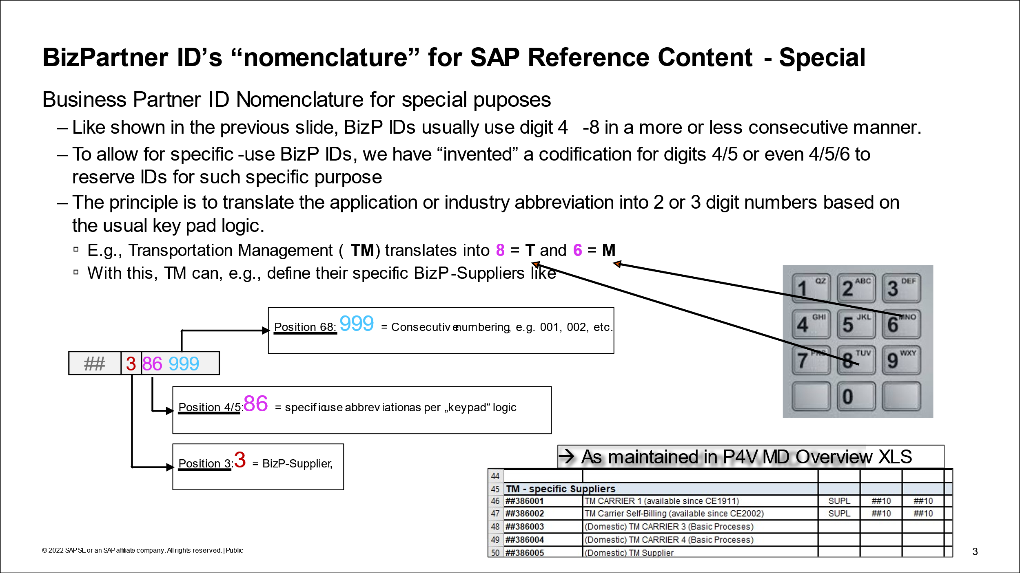
SUBP | Subscription Partner Prd.
SUBS | Subscription Product
SWNV | Software Non-Valuated | SWN
UNBW | nonvaluated material
VERP | Packaging | PK
YPHU | YPHU
Z001 | nonvaluated material
Z002 | nonvaluated material
ZMAT | Z Material general (SBO)
ZROH | Raw materials

