Case Signup - Page 3
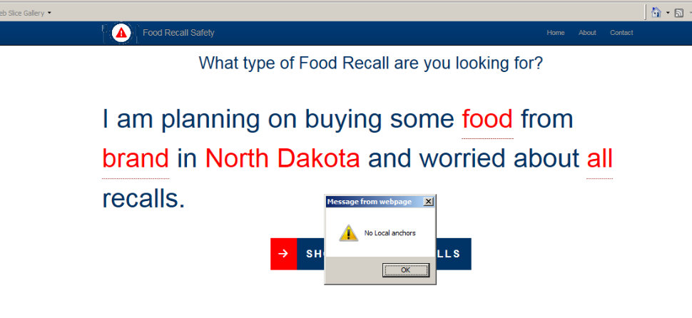
Irving Burton Associates, Inc. Request for Quotation (RFQ) 4QTFHS150004
IBA_11_ Unit Test Scripts

TEST RESULTS REPORT

File/URL: |  | Food Safety_State Page |  |  |  | http://foodsafety.ibacorp.us:5000/#/form/North%20Dakota/nd

DHS Test Steps | Test IDs | Failure Conditions (if found, the result is Not Compliant) | Standards | Baselines | Test Results | Describe all Not Compliant results Reference the element, location, and/or other details). Use <ALT>+<Enter> to start a new line.
1.1 Keyboard Access | A | An interactive element or function cannot be accessed or activated by keyboard | 21(a) | B01 | Not Compliant | Cannot tab thru "food", "brand" and "all". See picture below.
 | B | A keyboard "trap" is found | 21(a) | B01 | Compliant
 | C | Non-standard or alternative keyboard commands are required for access but are not documented | 21(a) | B01 | Does Not Apply
 | D | Information revealed by mouseover (TITLE) is not available to keyboard-only users (i.e., there is no equivalent screen text or visual context) | 21(a) | B01 | Does Not Apply
 | E | At any time, there is no visual indication of the current focus (loss of focus) | 21(c) | B02 | Compliant
 | F | The visual focus appears on the wrong element | 21(c) | B02 | Compliant
 | G | The visual focus does not remain within a modal dialog box until closed | 21(c) | B04 | Does Not Apply
 | H | The visual focus does not move to revealed content and no description of the content change is provided | 31(a), 31(b) | B04 | Does Not Apply
 | I | The tab order is not logical | 31(a), 31(b) | B03 | Compliant
1.2.1 SW: All interactive elements | A | A user control does not have a descriptive and unique Name property | 21(d) | B16 | Does Not Apply
 | B | A user control has an incorrect Role and/or State | 21(d) | B16 | Does Not Apply
 | C | An interface element that has multiple statuses does not indicate its current status | 21(d) | B06 | Does Not Apply
 | D | An input form (text field, checkbox, radio button, etc.) Name does not match its visual label or does not include complete instructions and cues | 21(d), 21(l) | B11 | Does Not Apply
 | E | An input form Role does not accurately reflect its function | 21(d), 21(l) | B11 | Does Not Apply
 | F | An input form State does not accurately reflect that it is selected or has focus | 21(d), 21(l) | B11 | Does Not Apply
 | G | An input text field has an incorrect Value | 21(f), 21(l) | B11 | Does Not Apply
1.2.2 Web: Forms | A | A Web form field has no markup to associate it to its complete instructions and cues | 22(n) | B11 | Does Not Apply
 | B | If 'Label for' and 'ID' are used but are not valid HTML | 22(n) | B11 | Does Not Apply
 | C | Form instructions are revealed only by mouseover (TITLE) and are not available onscreen | 22(n) | B11 | Does Not Apply
 | D | An ARIA form's Name property does not contain complete instructions | 22(n) | B11 | Compliant
 | E | An ARIA form's Role, State or Value property is not correct | 22(n) | B11 | Compliant
 | F | A form control does not identify its purpose. | 22(n) | B11 | Compliant
1.2.3 Web: Links and User Controls | A | A link does not have a unique and meaningful description | 31(a), 31(b) | B16 | Compliant
 | B | A scripted element does not have a unique and meaningful description | 22(l), 31(a), 31(b) | B16 | Compliant
2.1 SW: Images | A | An image does not have an equivalent text description (Name), correct Role, or correct State | 21(d) | B07 | Does Not Apply
 | B | Any interface element that has multiple statuses does not indicate its current status | 21(d) | B06 | Does Not Apply
 | C | A data table's header cells are not identified | 21(d) | B13 | Does Not Apply
 | D | A complex data table cell is not associated to its headers | 21(d) | B14 | Does Not Apply
 | E | An image has inconsistent meaning | 21(e) | B07 | Does Not Apply
2.2 Web: Images | A | A Web image does not have an ALT, TITLE or ARIA attribute | 22(a) | B07 | Not Compliant | No alt for "Food Recall Safety" and "Powered by IBA" pictures. Get message 2 image without alt attributes. See picture below
 | B | An meaningful image does not have an equivalent text description (purpose and function) | 22(a) | B07 | Compliant
 | C | A decorative image does not have ALT="" | 22(a) | B07 | Compliant
 | D | An image that contains text does not have the same text in the ALT | 22(a) | B07 | Compliant
 | E | A CAPTCHA image ALT does not describe its purpose | 22(a) | B07 | Does Not Apply
 | F | A multi-state component does not provide complete status information | 31(a), 31(b) | B06 | Does Not Apply
 | G | An image has inconsistent meaning | 21(e) | B07 | Compliant
2.3 Video-only and Animation | A | In SW, an animation does not have an equivalent text or audio description | 21(h) | B19 | Does Not Apply
 | B | In Web, a video-only file does not have an equivalent text or audio description | 22(a), 24(d) | B19 | Does Not Apply
2.4 Web: Audio-only | A | An audio file does not have an equivalent text description/transcript | 22(a) | B18 | Does Not Apply
2.5 Web: Image Maps | A | A server side image map is found | 22(e), 22(f) | B26 | Does Not Apply
3.1 Color Dependence | A | In software, information is provided only by color | 21(i) | B08 | Does Not Apply
 | B | In Web, information is provided only by color | 22(c) | B08 | Does Not Apply
3.2 Color Contrast | A | The contrast ratio is less than 4.5:1 for content background and foreground colors | 31(b) | B09 | Not Compliant | 1. "Food Recall Safety" has a color contrast of 4.49:1. See picture below. 2. "Home", "About" and "Contact" links have a color contrast of 4.49:1. See picture below. 3. "food", "brand" and "North Dakota" and "all" links have a color contrast of 4.01:1. See picture below.
4 Flashing | A | The frequency of a flickering element cannot be determined programmatically | 21(k), 22(j) | B10 | Does Not Apply
 | B | The frequency of a flickering element is programmatically set at or above 3Hz | 21(k), 22(j) | B10 | Does Not Apply
5 Page Titles | A | There is no meaningful page title in plain language | 31(a), 31(b) | B12 | Not Compliant | Should say "Food Safety Recall - Results". It currently says "Food Safety Recall". See picture below.
6 Multimedia | A | Synchronized captions are not provided for multimedia | 22(b1), 24(c) | B20 | Does Not Apply
 | B | The provided captions for multimedia are not equivalent | 22(b1), 24(c) | B20 | Does Not Apply
 | C | Synchronized audio descriptions are not provided for multimedia | 22(b2), 24(d) | B21 | Does Not Apply
 | D | The provided audio descriptions are not equivalent | 22(b2), 24(d) | B21 | Does Not Apply
7 Time Outs | A | The application timed out without notification | 22(p) | B25 | Does Not Apply
 | B | The application's time out notification is displayed for less than 20 seconds | 22(p) | B25 | Does Not Apply
 | C | The application timed out without an option to request more time | 22(p) | B25 | Does Not Apply
8 SW: Built-in Accessibility Features | A | The application disrupted any of the OS Accessibility options (High Contrast, Sticky Keys, Sound Sentry and/or system text size (stand-alone software only)) | 21(b) | B28 | Does Not Apply
 | B | The application does not adopt the OS high contrast display settings | 21(g) | B28 | Does Not Apply
 | C | Text of application did not enlarge or became illegible when enlarged | 21(g) | B28 | Does Not Apply
 | D | The application did not adopt the OS high contrast colors, 21(g), and the application does not offer at least 4 color options | DHS-Specific: 21(j) | None | Does Not Apply
 | E | Sticky Keys functionality was disrupted in the application | 31(f) | B28 | Does Not Apply
 | F | Sound Sentry functionality was disrupted by the application | 31(c) | B28 | Does Not Apply
9.1 Web: Language | A | The correct language for the page is not programmatically set | 31(a), 31(b) | B17 | Compliant
 | B | A passage (content, image descriptions, form labels etc.) that differs from the default language of the page is not programmatically identified | 31(a), 31(b) | B17 | Does Not Apply
9.2 Web: Section Headings | A | Visually apparent headings are not programmatically identified | 31(a), 31(b) | B15 | Compliant
 | B | Programmatically identified heading levels do not match the visual outline level | 31(a), 31(b) | B15 | Does Not Apply
10 Web: Data Tables | A | Any data table's row or column headers are not identified programmatically | 22(g) | B13 | Does Not Apply
 | B | An image of a data table is found | 22(g) | B13 | Does Not Apply
 | C | A complex data table's data cells are not associated with its headers programmatically | 22(h) | B14 | Does Not Apply
 | D | An image of a complex data table is found | 22(h) | B14 | Does Not Apply
11 Web: Style sheet Dependence | A | The order of the content changed and is not logical | 22(d) | B22 | Compliant
 | B | Relevant content or information from a meaningful image is not available | 22(d) | B22 | Compliant
 | C | Any content overlaps or becomes illegible | 22(d) | B22 | Compliant
 | D | Programming code or other confusing elements are revealed on the page | 22(d) | B22 | Compliant
12 Web: Frames | A | A frame's Title or Name is non descriptive | 22(i) | B23 | Does Not Apply
 | B | An iframe's Title or Name is non-descriptive | 22(i) | B23 | Does Not Apply
13 Web: Repetitive Content and Links | A | There is no method to skip repetitive content | 22(o) | B05 | Not Compliant | No Local anchors found. See picture below.
 | B | The skip function's target is not located after the repetitive content | 22(o) | B05 | Not Compliant
 | C | The skip function does not work properly | 22(o) | B05 | Not Compliant
 | D | The relative order of repeated components is different from other pages or software screens | 31(a), 31(b) | B03 | Compliant
14 Web: Required Plug-ins | A | In a public site, the link to download a required plug-in is not provided | 22(m) | B27 | Does Not Apply
 | B | The plug-in required to view content is not compliant | Plug-in may have separate results | None | Does Not Apply
15 Web: Alternative (Accessible) Version | A | An alternative page does not contain equivalent information as the primary page | 22(k) | B24 | Does Not Apply
 | B | The primary site can be made compliant | 22(k) | None | Does Not Apply

1.1 Keyboard Access

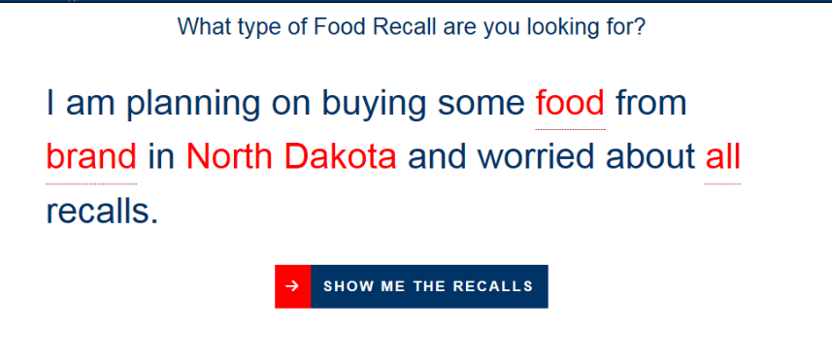

Visual Focus

1.2.2 Web Forms

1.2.3 Web links

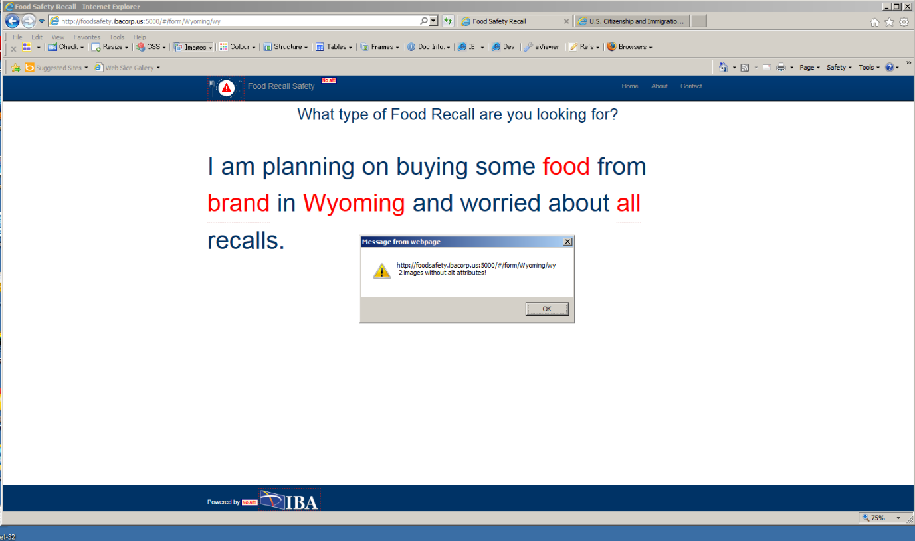
2.2 Web Images

3.1 Color dependence

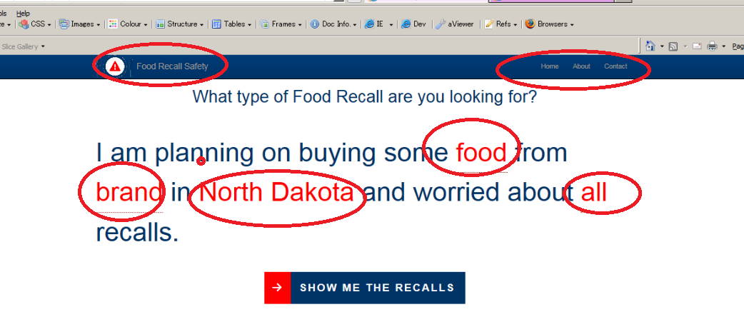
3.2 Color Contrast

5 Page Titles

9.1 Language Attribute

9.2 Web headings

10. Web Data Tables

11.1 |  | CSS

13.1 |  | Web reptititve links

