Map
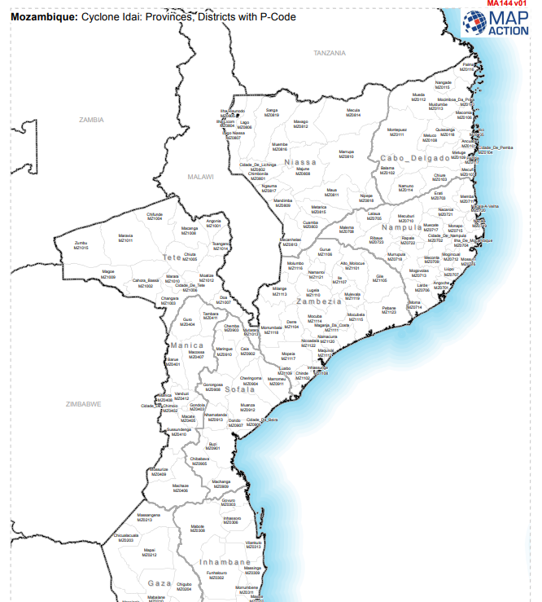
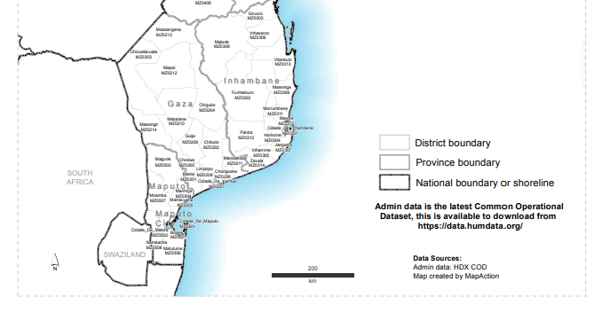

On March 21, 2013, Mozambique's Assembly of the Republic authorized the creation of 13 new districts throughout the nation (14?)
1 | Gaza | Chongoene (← Xai-Xai Distrito)
2 | Gaza | Limpopo (← Xai-Xai Distrito)
3 | Gaza | Mapai (← Chicualacuala)
4 | Manica | Macate (← Gondola)
5 | Manica | Vanduzi (← Manica)
6 | Nampula | Larde (← Moma)
7 | Nampula | Liúpo (← Mogincual)
8 | Tete | Dôa (← Mutarara)
9 | Tete | Marara (← Changara)
10 | Zambézia | Derre (← Morrumbala)
11 | Zambézia | Luabo (← Chinde)
12 | Zambézia | Mocubela (← Maganja da Costa)
13 | Zambézia | Molumbo (← Milange)
14 | Zambézia | Mulevala (← Ile)

e.g. With the creation of the district of Larde in 2013, the district of Moma lost the administrative posts of Larde and Mucuale

