Recipe Contents
CATEGORY SETUP
Recipe Tracker

LINK | RECIPE NAME | RATING | Star 1 | Star 2 | Star 3 | Star 4 | CATEGORY | TAGS | COMMENTS
Click to view | Spinach Feta Pizza | 4 stars | 4 | 4 | 4 | 4 | Main Course | pizza, spinach, feta, cheese
Click to view | Empty Recipe 1 |  |  |  |  |  | Digestion
Click to view | Empty Recipe 2
Click to view | Empty Recipe 3
Click to view | Empty Recipe 4
Click to view | Empty Recipe 5

Category Setup
RECIPE CONTENTS
Recipe Categories

TIP: Modify or add new categories to this list to update the Category drop down for your recipes.
CATEGORIES BY TYPE
Appetizer
Beverage
Bread
Casserole
Dessert
Kid's Kitchen
Main Course
Salad
Sandwich
Side dish
Soup

Spinach Feta Pizza
RECIPE CONTENTS
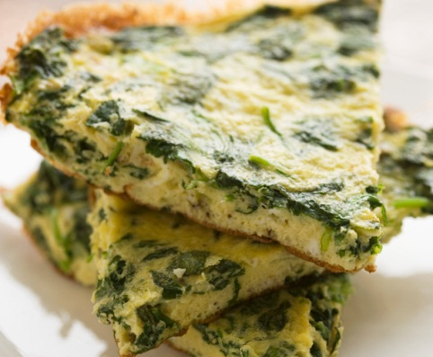
45
minutes
Recipe: Spinach Feta Pizza
 |  |  |  |  |  |  | PREP TIME
 |  |  |  | Spinach Feta Pizza |  | Main Course

 |  |  |  | INGREDIENTS | DIRECTIONS |  | COOK TIME

15
minutes
 |  |  |  | 3/4 cup warm water | In bread machine, place the first six ingredients on order suggested by manufacturer. Select dough setting. Check dough after 5 minutes of mixing: add 1 to 2 tablespoons of water or flour if needed. When cycle is complete, turn dough onto a lightly flowered surface. Knead for 1 minute. Cover and let rest for 15 minutes. Roll into a 12-in. pizza pan. Cover and let rise in a warm place until puffed, about 20 minutes. Sprinkle with garlic and garlic salt. Top with spinach, onion, mushrooms, cheeses, and basil. Bake at 400 degrees F for 35-40 minutes or until crust is golden and cheese is melted. Let stand for 5 minutes before slicing.
 |  |  |  | 2 tablespoons olive or canola oil
 |  |  |  | 1/2 teaspoon salt
 |  |  |  | 2 cups bread flour |  |  | YIELD
 |  |  |  | 2 teaspoons active dry yeast
6
servings
 |  |  |  | 1 garlic clove, minced
 |  |  |  | 1/8 teaspoon garlic salt
 |  |  |  | 2 cups chopped fresh spinach
 |  |  |  | 1 small red onion
 | NUTRITION REPORT CARD (amount per serving) |  |  | 1 cup sliced fresh mushrooms
 |  |  |  | 1 cup shredded mozzarella cheese
 |  | 10 | grams total fat | 1/4 cup crumbled feta cheese
 |  |  |  | 1/2 teaspoon dried basil
287
 |  | 16 | milligrams cholesterol

calories
 |  | 401 | milligrams sodium

 |  | 37 | grams carbs

 | RECIPE TAGS

 | pizza, spinach, feta, cheese

Empty Recipe 1
RECIPE CONTENTS
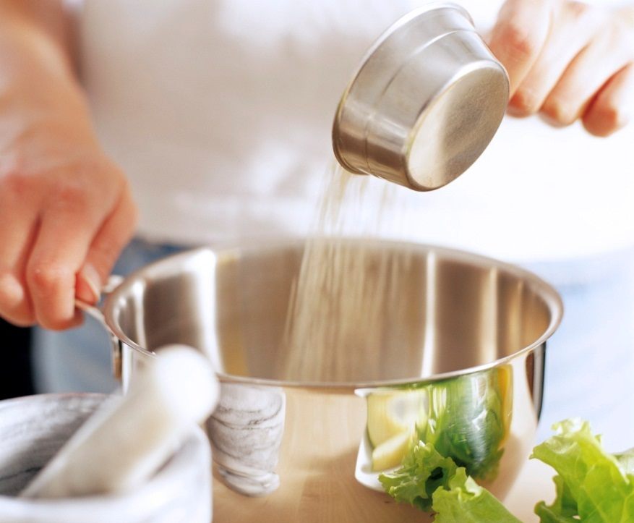
Click in cell G3 and select a category for your recipe.
#
minutes
Recipe: Empty Recipe 1
 |  |  |  |  |  |  | PREP TIME
 |  |  |  | Empty Recipe 1 |  | Digestion

 |  |  |  | INGREDIENTS | DIRECTIONS |  | COOK TIME

#
minutes

To replace this photo with one of your completed recipe, right-click the photo, click Change Picture, navigate to the location of your picture, select it, and then click Insert.
To delete a tip, click the edge to select it and then press Delete.
 |  |  |  |  |  |  | YIELD

#
servings

 | NUTRITION REPORT CARD (amount per serving)

 |  | # | grams total fat

#
 |  | # | milligrams cholesterol

calories
 |  | # | milligrams sodium

 |  | # | grams carbs

 | RECIPE TAGS

Empty Recipe 2
RECIPE CONTENTS
#
minutes
Recipe: Empty Recipe 2
 |  |  |  |  |  | PREP TIME
 |  |  |  | Empty Recipe 2

 |  |  |  | INGREDIENTS | DIRECTIONS | COOK TIME

#
minutes

 |  |  |  |  |  | YIELD

#
servings

 | NUTRITION REPORT CARD (amount per serving)

 |  | # | grams total fat

#
 |  | # | milligrams cholesterol

calories
 |  | # | milligrams sodium

 |  | # | grams carbs

 | RECIPE TAGS

Empty Recipe 3
RECIPE CONTENTS
#
minutes
Recipe: Empty Recipe 3
 |  |  |  |  |  | PREP TIME
 |  |  |  | Empty Recipe 3

 |  |  |  | INGREDIENTS | DIRECTIONS | COOK TIME

#
minutes

 |  |  |  |  |  | YIELD

#
servings

 | NUTRITION REPORT CARD (amount per serving)

 |  | # | grams total fat

#
 |  | # | milligrams cholesterol

calories
 |  | # | milligrams sodium

 |  | # | grams carbs

 | RECIPE TAGS

Empty Recipe 4
RECIPE CONTENTS
#
minutes
Recipe: Empty Recipe 4
 |  |  |  |  |  | PREP TIME
 |  |  |  | Empty Recipe 4

 |  |  |  | INGREDIENTS | DIRECTIONS | COOK TIME

#
minutes

 |  |  |  |  |  | YIELD

#
servings

 | NUTRITION REPORT CARD (amount per serving)

 |  | # | grams total fat

#
 |  | # | milligrams cholesterol

calories
 |  | # | milligrams sodium

 |  | # | grams carbs

 | RECIPE TAGS

Empty Recipe 5
RECIPE CONTENTS
#
minutes
Recipe: Empty Recipe 5
 |  |  |  |  |  | PREP TIME
 |  |  |  | Empty Recipe 5

 |  |  |  | INGREDIENTS | DIRECTIONS | COOK TIME

#
minutes

 |  |  |  |  |  | YIELD

#
servings

 | NUTRITION REPORT CARD (amount per serving)

 |  | # | grams total fat

#
 |  | # | milligrams cholesterol

calories
 |  | # | milligrams sodium

 |  | # | grams carbs

 | RECIPE TAGS

