Abstraction
AVR BenchMark

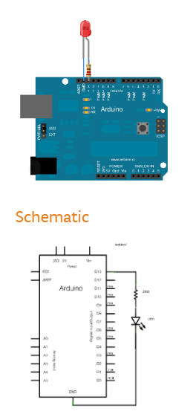

 | Test on Blink code

Arduino C
time for ON in us: 4.00
time for OFF in us: 4.00
time for ON in us: 4.00
Arduino C Implementation
time for OFF in us: 4.00
time for ON in us: 5.00 | ON | OFF
time for OFF in us: 5.00 | 4 | 4
time for ON in us: 5.00 | 4 | 4
time for OFF in us: 5.00 | 5 | 5
time for ON in us: 5.00 | 5 | 5
time for OFF in us: 5.00 | 5 | 5
time for ON in us: 5.00 | 5 | 5
time for OFF in us: 5.00

Wait beteen each loop is 10 S

Register
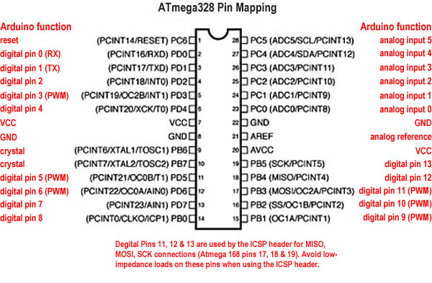
time for ON in us: 4.00
time for OFF in us: 4.00
time for ON in us: 4.00 | ON | OFF
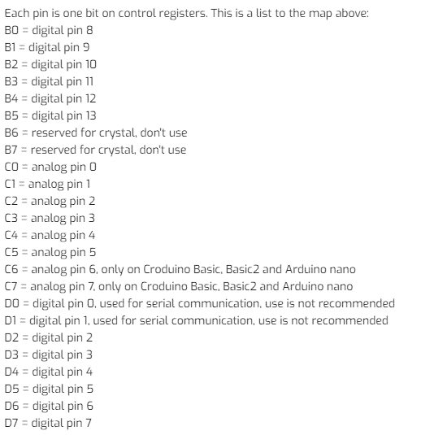
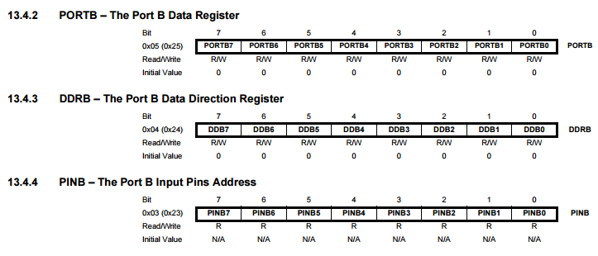
time for OFF in us: 4.00 | 4 | 4
Register Implementation
time for ON in us: 4.00 | 4 | 4
time for OFF in us: 5.00 | 4 | 5
time for ON in us: 5.00 | 5 | 5
time for OFF in us: 5.00 | 5 | 5
time for ON in us: 5.00 | 5 | 5
time for OFF in us: 5.00
time for ON in us: 5.00
time for OFF in us: 5.00

Wait beteen each loop is 10 S

inline assembly
ime ON in us:3976.00
Time OFF in us:20.00
Time ON in us:3997.00 | ON | OFF
Time OFF in us:20.00 | 3976 | 20
Inline Assembly
Time ON in us:3997.00 | 3997 | 20
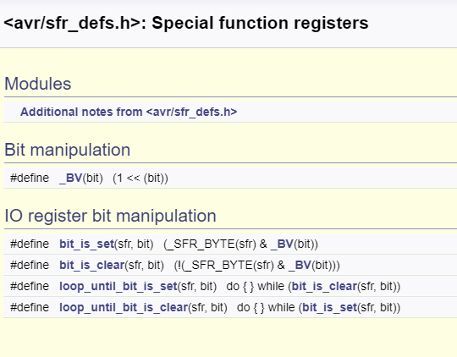
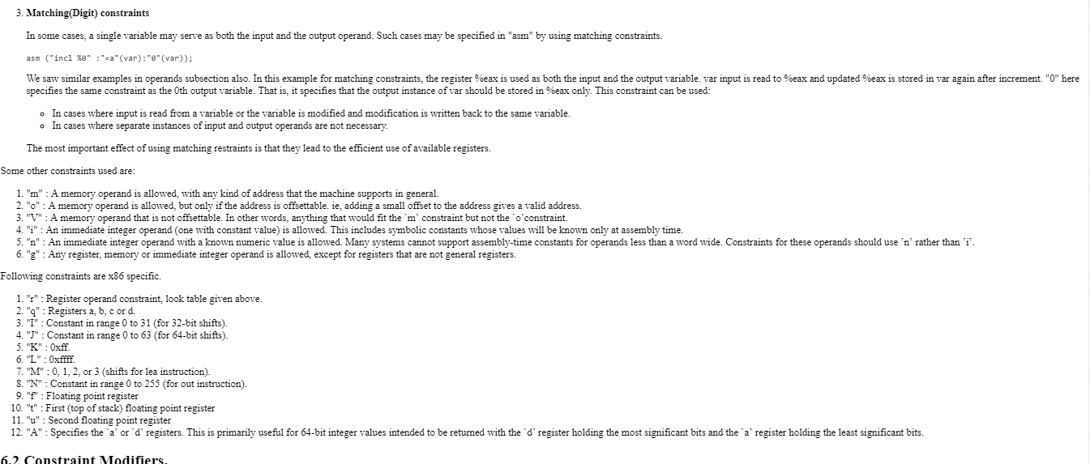
Time OFF in us:19.00 | 3997 | 19
Time ON in us:3997.00 | 3997 | 19
Time OFF in us:19.00 | 3997 | 19
Time ON in us:3997.00 | 3997 | 19
Time OFF in us:19.00
Time ON in us:3997.00
Time OFF in us:19.00

Wait beteen each loop is 10 S

