Sheet1
BUG REPORT
Application: | Contrast Security Community Version
Version: | 3.8.5
Environment: | Production
Date : | 2021-06-05
Tester: | Ibrahim UYE
BaseUrl: | https://ce.contrastsecurity.com/Contrast/api/ng/e10cd1cf-4e59-4a9d-804e-cc8d21057699/
API-Key: | "8xjj3Ho7aa50sMyTvi0IBwY1eyJjDqAf"
Authorization : | aWJyYWhpbXV5ZUBnbWFpbC5jb206V1dER0w2NDczQzg0TUQ0OQ==
Desciption of Issue: | "Remove tag from vulnerability" service does not remove the tag from vulnerability
Severity: | Non Critical
Priority: | Medium

Step # | Step Definition | Web Service Type | Parameter : Value | Payload | Actual data | Eexpected Result
1 | randomly choose a vulnerability amoung the results | GET | urlSuffix = "orgtraces/filter" | N/A | UuId : KO77-LX46-CYVW-YWBW | N/A
2 | add the name of enginner assigned as a tag | PUT | urlSuffix = "tags/traces" | {"tags" : [ "assignedToVita" ], "traces_id" : [KO77-LX46-CYVW-YWBW ]} | tag:assignedToVita | N/A
3 | get the list of tags on the vulnerability | GET | urlSuffix = "tags/traces/trace/KO77-LX46-CYVW-YWBW" | N/A | "tags": [ "assignedOn_6/5/2021 12:00:00 AM48", "assignedToVita", "due_6/5/2021 12:00:00 AM4" ] | N/A
4 | delete the tag on zeroth index | DELETE | urlSuffix = "tags/trace/KO77-LX46-CYVW-YWBW" | { "tag": "assignedOn_6/5/2021 12:00:00 AM48" } |  | N/A
5 | get the list of tags on the vulnerability | GET | urlSuffix = "tags/traces/trace/KO77-LX46-CYVW-YWBW" | N/A | "tags": [ "assignedOn_6/5/2021 12:00:00 AM48", "assignedToVita", "due_6/5/2021 12:00:00 AM4" ] | N/A
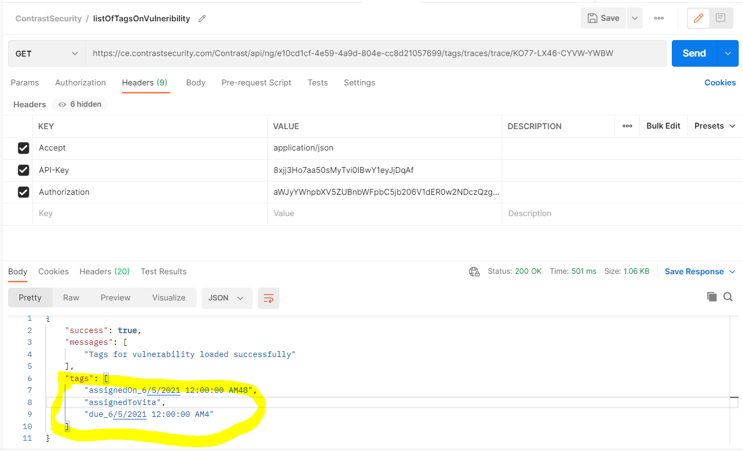
6 | verify the tag is not linked anymore | N/A | N/A | N/A | "tags": [ "assignedOn_6/5/2021 12:00:00 AM48", "assignedToVita", "due_6/5/2021 12:00:00 AM4" ] | "tags": [ "assignedToVita", "due_6/5/2021 12:00:00 AM4" ]

