Lab2PartC (2)
Student First | Test 1 | Test 2 | Test 3 | Test 4
Dave | 56 | 75 | 34 | 83 | 62 | 62.00
Marsha | 54 | 97 | 87 | 85 | 80.75 | 80.75
Dino | 45 | 67 | 78 | 88 | 69.5 | 69.50
Dave | 76 | 87 | 88 | 97 | 87 | 87.00
Pete | 67 | 78 | 97 | 44 | 71.5 | 71.50
Cliff | 98 | 99 | 97 | 100 | 98.5 | 98.50
Average | 66.00 | 83.83 | 80.17 | 82.83
Median | 61.50 | 82.50 | 87.50 | 86.50

Test Marks

Lab2PartC
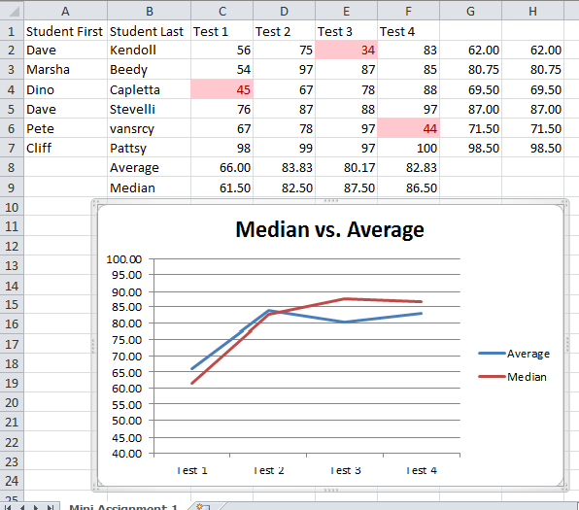
Student First | Test 1 | Test 2 | Test 3 | Test 4
Dave | 56 | 75 | 34 | 83
Marsha | 54 | 97 | 87 | 85
Dino | 45 | 67 | 78 | 88
Dave | 76 | 87 | 88 | 97
Pete | 67 | 78 | 97 | 44
Cliff | 98 | 99 | 97 | 100

Extra
Let's say we have an un-ordered list of numbers and we want to show off a certain pattern or set of numbers.
We can use conditional formatting (in the Styles pane) to highlight that pattern.
1. Show any number greater than 115.
2. Show the top 10.
3. Clearing the rules.
4. Create our own rules for highlighting.
As well as many others.
The text boxes used in the videos are over here...
Category | Title | Subtitle | Date | Length | Notes
Anime | Akira |  | 1987 | 124
Action | Above the Law |  | 1988 | 99 | Seagal
Horror | Army of Darkness |  | 1992 | 81
Horror | 28 Days Later |  | 2002 | 113
Action | Bourne Identity |  | 2002 | 119
Action | Belly of the Beast |  | 2003 | 91 | Seagal
Action | Blood Rayne 2 | Deliverance | 2003 | 95 | unrated/directors cut/With PC game
Action | Alien vs Predator |  | 2004 | 100 | Alternate Beginning
Action | Blood Rayne |  | 2005 | 99 | unrated/directors cut/With PC game
Action | Serenity |  | 2005 | 119
Horror | Black X-mas |  | 2006 | 91
Horror | 28 Weeks Later |  | 2007 | 100
Action | 300 |  | 2007 | 116
Action | 300 |  | 2007 | 116
When you need more functionality to analyze your data, you could consider using an Excel table.
Excel table's allow you to not only sort, but filter the data so all you see is what you're looking for without losing the things you don't want. Simply clear a filter and all the data is back to be used for other purposes.
Just make sure you have a set of headings for each column to make things easier.
1. Select your range.
2. Click the Insert tab.
3. In the Tables pane (far left), click the Table icon.
Now you can use the table's functionality to review and manipulate the data without ruining the stuff you may not want to see right now.
1. Filter to show only Action movies.
2. Clear filter.
3. Show only Horror movies.
4. Clear filter.
5. Sort dates earliest to latest (a sort is permanent and cannot be undone).
6. Sort times to show the 3 shortest movies.
7. Clear filter.
8. Remove table (Table Tools->Design->Tools pane->Convert to Range).
Action | 300 |  | 2007 | 116

Charting is an easy way to use images to represent your numeric data.
To get the most out of the data, it's best to have the data sorted or positioned in a logical order so that the chart can be interpreted quickly.
1. Sort the data based on the length (making sure to select all related data first), shortest to longest.
2. Select what you want to show in the chart (tip: always make sure you select a square or rectangular set of cells, even selecting empty cells to complete the shape).
Then decide on the chart type that can best represent your choice of data. Pie charts are good for showing portions of a whole, while line charts are best for changes over time.
3. Select Line Chart->Line (first option).
And there you go, a chart displaying movies and their increasing times.
There are far too many options for charts to discuss here, so have a look at some of Microsofts additional training to expand your knowledge of charts.

