Facebook Paid Data
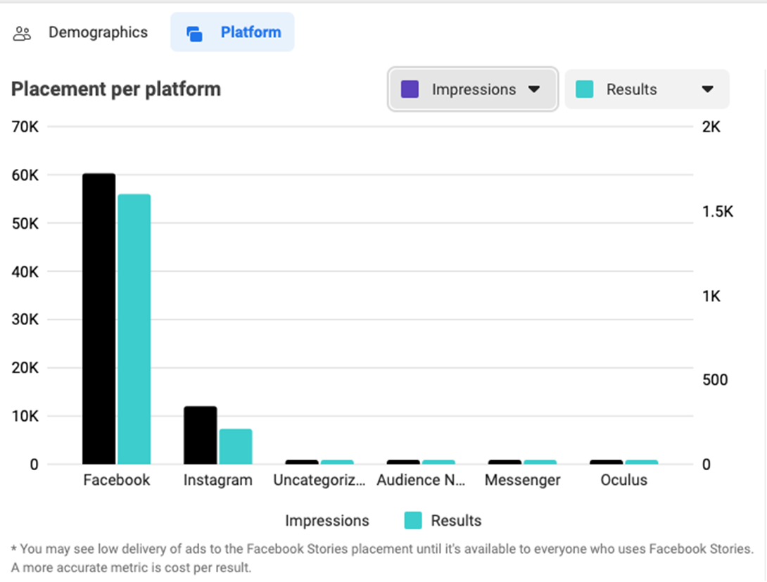
Campaign name | Ad Type | Campaign Objective | Amount spent (USD) | Reach | CPM (cost per 1,000 impressions) | Impressions | Frequency | Clicks (all) | Post engagement | Start | End
Awareness Testimonial | Video | Awareness | 92,73 | 54785 | $1,28 | 72,317 | 1,320,014,603 | 137 | 134 | 11/5/2023 | 11/11/2023
Awareness Product Feature | Static Image | Awareness | 80,68 | 15780 | $3,39 | 23,817 | 1,509,315,589 | 59 | 3207 | 11/19/2023 | 11/25/2023

Awarenes Product Feature Performance Overview
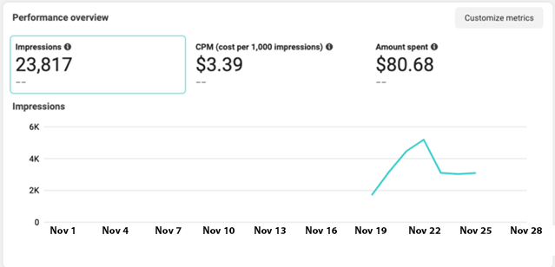

Awarenes Testimonial Placement overview

