ImmunoDataset
sex | age | Time | Number_of_Warts | Type | Area | induration_diameter | Result_of_Treatment
1 | 22 | 2.25 | 14 | 3 | 51 | 50 | 1
1 | 15 | 3 | 2 | 3 | 900 | 70 | 1
1 | 16 | 10.5 | 2 | 1 | 100 | 25 | 1
1 | 27 | 4.5 | 9 | 3 | 80 | 30 | 1
1 | 20 | 8 | 6 | 1 | 45 | 8 | 1
1 | 15 | 5 | 3 | 3 | 84 | 7 | 1
1 | 35 | 9.75 | 2 | 2 | 8 | 6 | 1
2 | 28 | 7.5 | 4 | 1 | 9 | 2 | 1
2 | 19 | 6 | 2 | 1 | 225 | 8 | 1
2 | 32 | 12 | 6 | 3 | 35 | 5 | 0
2 | 33 | 6.25 | 2 | 1 | 30 | 3 | 1
2 | 17 | 5.75 | 12 | 3 | 25 | 7 | 1
2 | 15 | 1.75 | 1 | 2 | 49 | 7 | 0
2 | 15 | 5.5 | 12 | 1 | 48 | 7 | 1
2 | 16 | 10 | 7 | 1 | 143 | 6 | 1
2 | 33 | 9.25 | 2 | 2 | 150 | 8 | 1
2 | 26 | 7.75 | 6 | 2 | 6 | 5 | 1
2 | 23 | 7.5 | 10 | 2 | 43 | 3 | 1
2 | 15 | 6.5 | 19 | 1 | 56 | 7 | 1
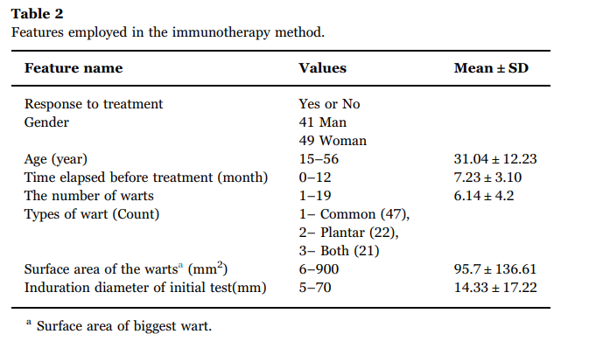
2 | 26 | 6.75 | 2 | 1 | 6 | 6 | 1
1 | 22 | 1.25 | 3 | 3 | 47 | 3 | 1
2 | 19 | 2.25 | 2 | 1 | 60 | 7 | 1
2 | 26 | 10.5 | 6 | 1 | 50 | 9 | 0
1 | 25 | 5.75 | 2 | 1 | 300 | 7 | 1
2 | 17 | 11.25 | 4 | 3 | 70 | 7 | 1
1 | 27 | 5 | 2 | 1 | 20 | 5 | 1
2 | 24 | 4.75 | 10 | 3 | 30 | 45 | 1
1 | 15 | 11 | 6 | 1 | 30 | 25 | 0
2 | 34 | 11.5 | 12 | 1 | 25 | 50 | 0
2 | 20 | 7.75 | 18 | 3 | 45 | 2 | 1
2 | 38 | 2.5 | 1 | 3 | 43 | 50 | 1
1 | 23 | 3 | 2 | 3 | 87 | 70 | 1
2 | 48 | 10.25 | 7 | 1 | 50 | 25 | 1
2 | 24 | 4.25 | 1 | 1 | 174 | 30 | 1
2 | 33 | 8 | 3 | 1 | 502 | 8 | 1
1 | 34 | 5 | 7 | 3 | 64 | 7 | 0
2 | 41 | 11 | 11 | 2 | 21 | 6 | 0
1 | 29 | 8.75 | 3 | 1 | 504 | 2 | 1
2 | 22 | 8.5 | 5 | 1 | 99 | 8 | 1
1 | 45 | 11.25 | 4 | 1 | 72 | 5 | 0
2 | 22 | 8.25 | 9 | 1 | 352 | 3 | 1
1 | 35 | 8.75 | 10 | 2 | 69 | 7 | 1
2 | 34 | 8.5 | 1 | 2 | 163 | 7 | 0
1 | 49 | 4.5 | 2 | 1 | 33 | 7 | 0
2 | 19 | 11 | 5 | 2 | 51 | 6 | 1
1 | 21 | 8 | 3 | 1 | 17 | 8 | 1
1 | 26 | 7.75 | 13 | 2 | 13 | 5 | 1
1 | 51 | 8.75 | 2 | 2 | 57 | 3 | 1
1 | 19 | 7.75 | 6 | 1 | 32 | 7 | 1
1 | 38 | 12 | 14 | 1 | 87 | 6 | 0
2 | 36 | 1.75 | 10 | 3 | 45 | 3 | 1
2 | 52 | 2.25 | 5 | 1 | 63 | 7 | 1
2 | 49 | 9 | 4 | 2 | 14 | 9 | 1
1 | 23 | 5.75 | 2 | 1 | 43 | 7 | 1
1 | 45 | 10 | 8 | 1 | 58 | 7 | 1
1 | 54 | 7.5 | 13 | 3 | 43 | 5 | 1
2 | 47 | 5.25 | 3 | 3 | 23 | 45 | 1
2 | 53 | 10 | 1 | 2 | 30 | 25 | 1
2 | 56 | 11.75 | 7 | 1 | 31 | 50 | 0
1 | 27 | 11.25 | 3 | 2 | 37 | 2 | 1
2 | 47 | 3.75 | 14 | 2 | 67 | 50 | 1
2 | 19 | 2.25 | 8 | 2 | 42 | 70 | 1
2 | 33 | 8 | 5 | 1 | 63 | 25 | 1
2 | 15 | 4 | 12 | 1 | 72 | 30 | 1
1 | 17 | 8.5 | 2 | 1 | 44 | 8 | 1
1 | 29 | 5 | 12 | 3 | 75 | 7 | 1
1 | 27 | 11.75 | 8 | 1 | 208 | 6 | 0
2 | 51 | 6 | 6 | 1 | 80 | 2 | 1
1 | 35 | 6.75 | 4 | 3 | 41 | 8 | 1
2 | 47 | 10.75 | 8 | 1 | 57 | 5 | 0
1 | 43 | 8 | 1 | 1 | 59 | 3 | 1
1 | 15 | 4 | 4 | 3 | 25 | 7 | 1
1 | 33 | 1.75 | 7 | 2 | 379 | 7 | 0
2 | 51 | 4 | 1 | 1 | 65 | 7 | 1
1 | 45 | 6.5 | 9 | 2 | 49 | 6 | 1
2 | 47 | 9.25 | 13 | 2 | 367 | 8 | 1
1 | 18 | 11.75 | 5 | 2 | 13 | 5 | 1
2 | 46 | 7.75 | 8 | 1 | 40 | 3 | 1
1 | 43 | 11 | 7 | 1 | 507 | 7 | 1
2 | 28 | 11 | 3 | 3 | 91 | 6 | 0
1 | 30 | 1 | 2 | 1 | 88 | 3 | 1
2 | 16 | 2 | 11 | 1 | 47 | 7 | 1
2 | 42 | 8.75 | 8 | 2 | 73 | 9 | 0
2 | 15 | 8 | 1 | 1 | 55 | 7 | 1
2 | 53 | 7.25 | 6 | 1 | 81 | 7 | 1
1 | 40 | 5.5 | 8 | 3 | 69 | 5 | 1
1 | 38 | 7.5 | 8 | 2 | 56 | 45 | 1
1 | 46 | 11.5 | 4 | 1 | 91 | 25 | 0
1 | 32 | 12 | 9 | 1 | 43 | 50 | 0
2 | 23 | 6.75 | 6 | 1 | 19 | 2 | 1

