LANDING PAGE
LANDING PAGE

HEADER: SUPERSTAR logo

FOOTER: Copyright ©2026 All Rights Reserved by DHL EOY
BOTTOM LOGO BAR: Smart Connect | PDPA notice

HOME PAGE | CEO's message / Event info with photo
REGISTRATION | Multi-Page forms
SEOUL VISA ENTRY | Information of visa and K-ETA application
ABOUT THE HOTEL | Venue details and facilities
SEOUL USEFUL INFORMATION | Travel, weather, apps, emergency
CONTACT US | Event Secretariat contact

LODGING INFORMATION
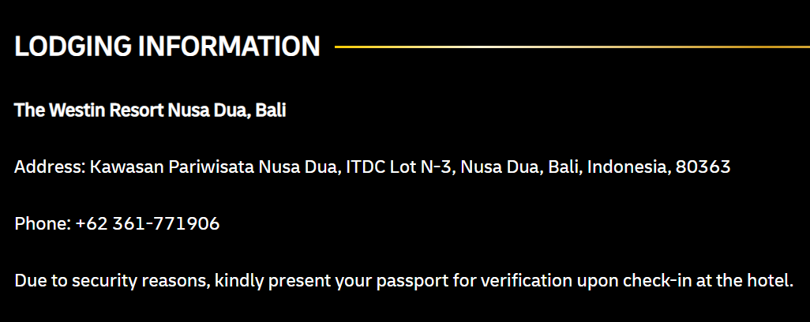 Info on the top |  | 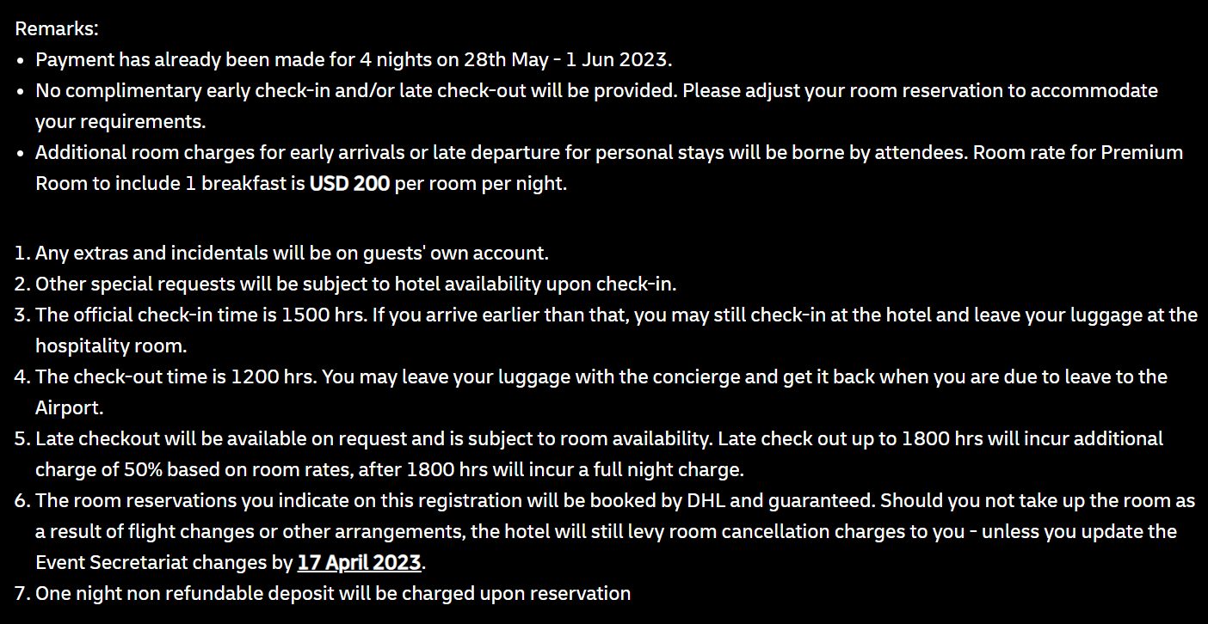 Info at the end
FOR "INCLUDED" CATEGORY - AWARDEES + ORGANISING COMMITTEE + OTHERS
The Westin Seoul Parnas Address: 524 Bongeunsa-ro, Gangnam-gu, Seoul 06164, Republic of Korea Telephone: +82-2-3452-2500 Due to security reasons, kindly present your passport for verification upon check-in at the hotel. |  | Remarks: - Payment has already been made for 4 nights on 06 -10 September 2026. - No complimentary early check-in and/or late check-out will be provided. Please adjust your room reservation to accommodate your requirements. - Additional room charges for early arrivals or late departure for personal stays will be borne by attendees. Room rate for Guest Room, Single Occupancy includes 1 breakfast is ~KRW 375,100/room/night - Room rates stated are inclusive of 10% service charge & 11% prevailing VAT 1. Any extras and incidentals will be on guests' own account. 2. Other special requests will be subject to hotel availability upon check-in. 3. The official check-in time is 1500 hrs. If you arrive earlier than that, you may still check-in at the hotel and leave your luggage at the hospitality room. 4. The check-out time is 1100 hrs. You may leave your luggage with the concierge and get it back when you are due to leave to the Airport. 5. Late checkout will be available on request and is subject to room availability. Late check out up to 1800 hrs will incur additional charge of 50% based on room rates, after 1800 hrs will incur a full night charge. 6. The room reservations you indicate on this registration will be booked by DHL and guaranteed. Should you not take up the room as a result of flight changes or other arrangements, the hotel will still levy room cancellation charges to you - unless you update the Event Secretariat changes by 24 July 2026. 7. One night non refundable deposit will be charged upon reservation
 |  | @Programmer: Please hide ALL the remarks for GMB Category (Only need Hotel information)

FOR "INCLUDED" CATEGORY - NON-AWARDEES (APMB/AP COUNTRY MGR/AP HUB MGR/GHO)
The Westin Seoul Parnas Address: 524 Bongeunsa-ro, Gangnam-gu, Seoul 06164, Republic of Korea Telephone: +82-2-3452-2500 Due to security reasons, kindly present your passport for verification upon check-in at the hotel. |  | Remarks: - Payment has already been made for 2 nights on 08 - 10 September 2026. - Additional room charges for early arrivals or late departure for personal stays will be borne by attendees. Room rate for Club Studio Single Occupancy with Club Access includes 1 breakfast is ~KRW 580,800/room/night. - Room rates stated are inclusive of 10% service charge & 11% prevailing VAT, totally 21% 1. Any extras and incidentals will be on guests' own account. 2. Other special requests will be subject to hotel availability upon check-in. 3. The official check-in time is 1500 hrs. If you arrive earlier than that, you may still check-in at the hotel and leave your luggage at the hospitality room. 4. The check-out time is 1100 hrs. You may leave your luggage with the concierge and get it back when you are due to leave to the Airport. 5. Late checkout will be available on request and is subject to room availability. Late check out up to 1800 hrs will incur additional charge of 50% based on room rates, after 1800 hrs will incur a full night charge. 6. The room reservations you indicate on this registration will be booked by DHL and guaranteed. Should you not take up the room as a result of flight changes or other arrangements, the hotel will still levy room cancellation charges to you - unless you update the Event secretariat changes by 24 July 2026. 7. One night non refundable deposit will be charged upon reservation

FOR "NOT INCLUDED" CATEGORY - NON-AWARDEES (KR SMT)
The Westin Seoul Parnas Address: 524 Bongeunsa-ro, Gangnam-gu, Seoul 06164, Republic of Korea Telephone: +82-2-3452-2500 Due to security reasons, kindly present your passport for verification upon check-in at the hotel. |  | Remarks: - All the hotel guest rooms will be charged on your own account. - Additional room charges for early arrivals or late departure for personal stays will be borne by attendees. Room rate for Club Studio Single Occupancy with Club Access includes 1 breakfast is ~KRW 580,800/room/night. - Room rates stated are inclusive of 10% service charge & 11% prevailing VAT, totally 21% 1. Any extras and incidentals will be on guests' own account. 2. Other special requests will be subject to hotel availability upon check-in. 3. The official check-in time is 1500 hrs. If you arrive earlier than that, you may still check-in at the hotel and leave your luggage at the hospitality room. 4. The check-out time is 1100 hrs. You may leave your luggage with the concierge and get it back when you are due to leave to the Airport. 5. Late checkout will be available on request and is subject to room availability. Late check out up to 1800 hrs will incur additional charge of 50% based on room rates, after 1800 hrs will incur a full night charge. 6. The room reservations you indicate on this registration will be booked by DHL and guaranteed. Should you not take up the room as a result of flight changes or other arrangements, the hotel will still levy room cancellation charges to you - unless you update the Event secretariat changes by 24 July 2026. 7. One night non refundable deposit will be charged upon reservation
Accommodation details
Room type | Room rate
Club Guest Room, Single Occupancy | ~KRW 580,800 per room per night
The reservation link will be sent to your email seaprately where a credit card guarantee will be taken at the time of making the reservation but will only be charged on departure or in the instance of cancellation, no show or early departure.
* Email Address to send the reservation link | <Text free>
(The reservation link will be sent to the email address input in this field only)

PHOTO UPLOAD
PHOTO UPLOAD
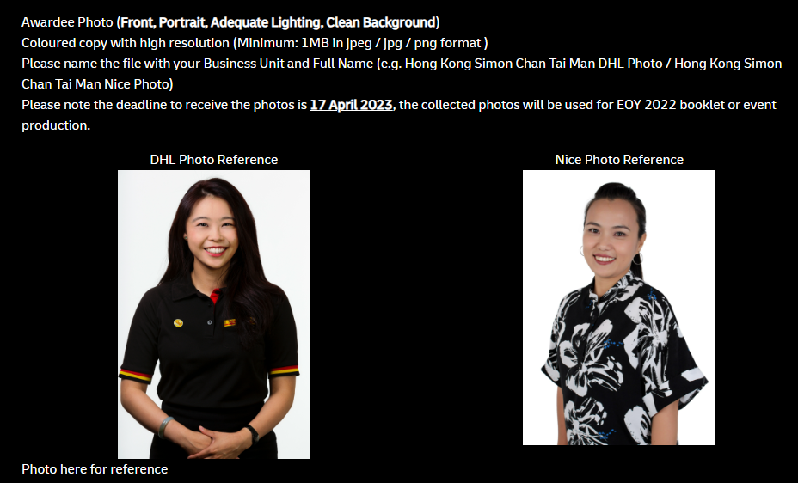
- Awardee Photo (Front, Portrait, Adequate Lighting, Clean Background) - Coloured copy with high resolution (Minimum: 1MB in jpeg / jpg / png format ) - Please name the file with your Business Unit and Full Name (e.g. HK_Simon Chan Tai Man Photo / HK_Simon Chan Tai Man Nice Photo) - Please note the deadline to receive the photos is 24 July 2026, the collected photos will be used for EOY 2025 booklet or event production.

ABOUT THE HOTEL
ABOUT THE HOTEL

Hotel Venue: | The Westin Seoul Parnas
Address: | 524 Bongeunsa-ro, Gangnam-gu, Seoul 06164, Republic of Korea
Telephone: | +82-2-3452-2500
Website: | https://www.thewestinseoulparnas.com/eng

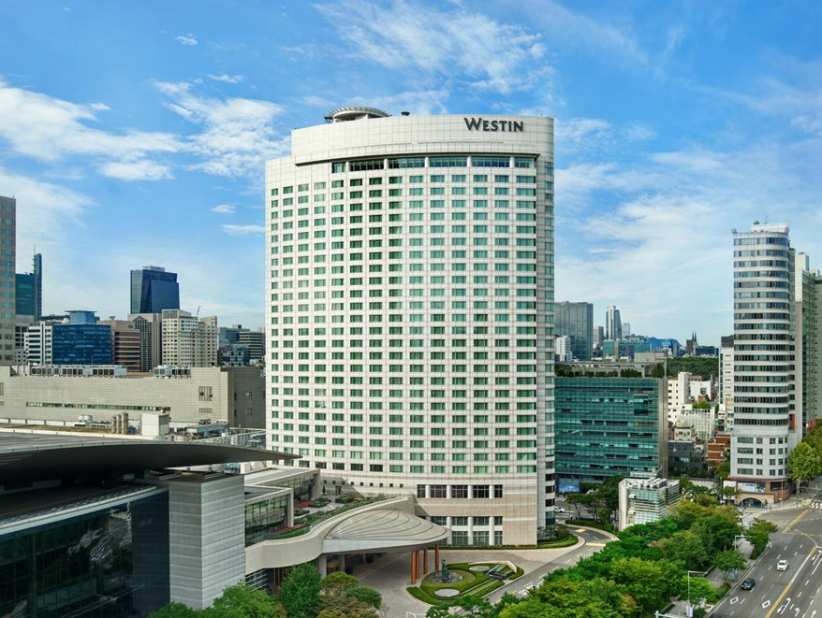 |  | To add at least 3 photos
Hotel Facilities
· Westin Club Lounge | 30F - Opening Hours 06:30-22:00
· Cosmopolitan Fitness Club | 3F – Opening Hours 06:00-22:00
o Gym room
o Indoor Swimming Pool
o Golf Driving Range
o Prime Motion Center
o Sauna
o Lounge
· Restaurants & Bar
o Event Breakfast at ON: TABLE | Lobby Floor – Opening Hours 06:30-10:00
· 24-hour Room Services
· Foreign currency exchange services are available at the hotel front desk for guests only. The maximum amount that can be exchanged per day is US$500.

Guest Room Facilities:
· Both wired and wireless internet are available
· Hair dryer​
· Robe​
· Slippers​
· Safe, in room​
· Iron and ironing board​
· Bottled water, complimentary​
· Coffee/tea maker​
· Minibar, chargeable

Remarks: Hotel toothbrush, toothpaste, shaver, and shaving gel from the minibar are chargeable items and all charge under personal account.

