tr_emu_country
countries | Albania | Åland | Bosnia_Herzegovina | Belgium | Cyprus | Czech_republic | Germany | Denmark | Algeria | Estonia | Egypt | Spain | Finland | France | Great_Britain | Greece | Croatia | Ireland | Israel | Iceland | Italy | Lebanon | Lithuania | Luxembourg | Latvia | Libya | Morocco | Montenegro | Malta | Netherlands | Norway | Poland | Portugal | Russia | Sweden | Slovenia | Syria | Tunisia | Turkey
Albania | AL_total | AX_total | BA_total | BE_Meus | CY_total | CZ_Elbe | DE_Eide | DK_Inla | DZ_total | EE_Narv | EG_total | ES_Anda | FI_Finl | FR_Adou | GB_Angl | GR_CeAe | HR_total | IE_East | IL_total | IS_total | IT_Abru | LB_total | LT_Lith | LU_Luxe | LV_Latv | LY_total | MA_total | ME_total | MT_total | NL_Neth | NO_total | PL_Oder | PT_Port | RU_total | SE_Ea_o | SI_total | SY_total | TN_EC | TR_total
Åland |  |  |  | BE_Rhin |  | CZ_Oder | DE_Elbe | DK_total |  | EE_total |  | ES_Astu | FI_total | FR_Arto | GB_Dee | GR_EaMT |  | IE_NorW |  |  | IT_Basi |  | LT_total | LU_total | LV_total |  |  |  |  | NL_total |  | PL_total | PT_total |  | SE_East |  |  | TN_NE
Bosnia_Herzegovina |  |  |  | BE_Sche |  | CZ_total | DE_Ems |  |  | EE_West |  | ES_Bale |  | FR_Bret | GB_Humb | GR_NorW |  | IE_Shan |  |  | IT_Cala |  |  |  |  |  |  |  |  |  |  | PL_Vist |  |  | SE_Inla |  |  | TN_Nor
Belgium |  |  |  | BE_Sein |  |  | DE_Maas |  |  |  |  | ES_Basq |  | FR_Cors | GB_Neag | GR_total |  | IE_SouE |  |  | IT_Camp |  |  |  |  |  |  |  |  |  |  |  |  |  | SE_So_o |  |  | TN_SO
Cyprus |  |  |  | BE_total |  |  | DE_Oder |  |  |  |  | ES_Cant |  | FR_Garo | GB_NorE | GR_WePe |  | IE_SouW |  |  | IT_Emil |  |  |  |  |  |  |  |  |  |  |  |  |  | SE_total |  |  | TN_total
Czech_republic |  |  |  |  |  |  | DE_Rhei |  |  |  |  | ES_Cast |  | FR_Loir | GB_Nort |  |  | IE_total |  |  | IT_Frio |  |  |  |  |  |  |  |  |  |  |  |  |  | SE_We_o
Germany |  |  |  |  |  |  | DE_Schl |  |  |  |  | ES_Cata |  | FR_Meus | GB_NorW |  |  | IE_West |  |  | IT_Lazi |  |  |  |  |  |  |  |  |  |  |  |  |  | SE_West
Denmark |  |  |  |  |  |  | DE_total |  |  |  |  | ES_Gali |  | FR_Rhin | GB_Scot |  |  |  |  |  | IT_Ligu
Algeria |  |  |  |  |  |  | DE_Warn |  |  |  |  | ES_Inne |  | FR_Rhon | GB_Seve |  |  |  |  |  | IT_Lomb
Estonia |  |  |  |  |  |  | DE_Wese |  |  |  |  | ES_Minh |  | FR_Sein | GB_Solw |  |  |  |  |  | IT_Marc
Egypt |  |  |  |  |  |  |  |  |  |  |  | ES_Mino |  | FR_total | GB_SouE |  |  |  |  |  | IT_Moli
Spain |  |  |  |  |  |  |  |  |  |  |  | ES_Murc |  |  | GB_SouW |  |  |  |  |  | IT_Piem
Finland |  |  |  |  |  |  |  |  |  |  |  | ES_Nava |  |  | GB_Tham |  |  |  |  |  | IT_Pugl
France |  |  |  |  |  |  |  |  |  |  |  | ES_Spai |  |  | GB_total |  |  |  |  |  | IT_Sard
Great_Britain |  |  |  |  |  |  |  |  |  |  |  | ES_total |  |  | GB_Wale |  |  |  |  |  | IT_Sici
Greece |  |  |  |  |  |  |  |  |  |  |  | ES_Vale |  |  |  |  |  |  |  |  | IT_Tosc
Croatia |  |  |  |  |  |  |  |  |  |  |  |  |  |  |  |  |  |  |  |  | IT_total
Ireland |  |  |  |  |  |  |  |  |  |  |  |  |  |  |  |  |  |  |  |  | IT_Tren
Israel |  |  |  |  |  |  |  |  |  |  |  |  |  |  |  |  |  |  |  |  | IT_Umbr
Iceland |  |  |  |  |  |  |  |  |  |  |  |  |  |  |  |  |  |  |  |  | IT_Vall
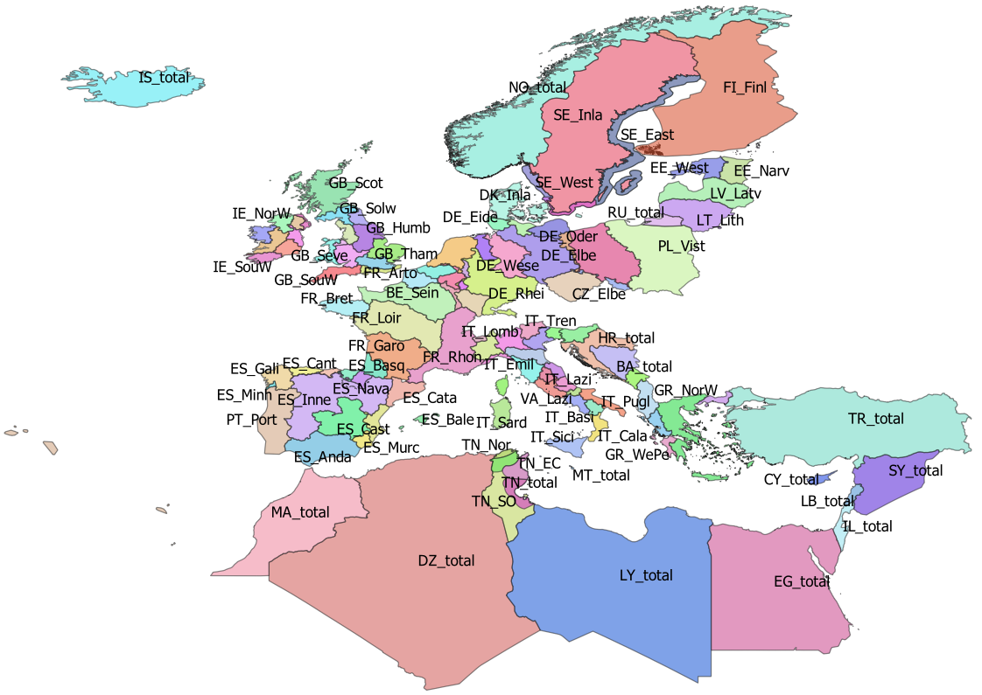
Italy |  |  |  |  |  |  |  |  |  |  |  |  |  |  |  |  |  |  |  |  | IT_Vene
Lebanon
Lithuania
Luxembourg
Latvia
Libya
Morocco
Montenegro
Malta
Netherlands
Norway
Poland
Portugal
Russia
Sweden
Slovenia
Syria
Tunisia
Turkey

