Census Catches fisheriesMan...
With fisheriesManagementUnit
codes |  |  |  |  |  |  | Quarter, Month, Year |  | ICESArea, ICESAreaList, StockArea
no | vesselFlagCountry | year | workingGroup | stock | speciesCode | catchCategory | seasonType | seasonValue | areaType | area | fisheriesManagementUnit | metier6 | fleet | domainCatchDis | domainCatchBMS | domainBiology | variableType | total | comment
1 | ZE | 2023 | WGNEPH | nep.fu.32 | 107254 | Lan | Quarter | 1 | ICESArea | 27.4.a | FU.32 | OTB_DEF_90-99_0_0 | OTB_DEF_70-99_0_0_all |  |  |  | ScientificWeight_kg | 50
1 | ZE | 2023 | WGNEPH | nep.fu.32 | 107254 | Lan | Quarter | 1 | ICESArea | 27.4.b | FU.32 | OTB_DEF_90-99_0_0 | OTB_DEF_70-99_0_0_all |  |  |  | ScientificWeight_kg | 20
9 | ZE | 2023 | WGNEPH | nep.fu.32 | 107254 | Lan | Quarter | 1 | StockArea | All | FU.32 | OTB_DEF_90-99_0_0 | OTB_DEF_70-99_0_0_all
2 | ZE | 2023 | HAWG | her.27.nirs | 126417 | Lan | Quarter | 1 | ICESArea | 27.7.a | 27.7.a.n | OTM_SPF_32-69_0_0 | Fleet-All
2 | ZE | 2023 | HAWG | her.27.irls | 126417 | Lan | Quarter | 1 | ICESArea | 27.7.a | 27.7.a.s | OTM_SPF_32-69_0_0 | Fleet-All
2 | ZE | 2023 | HAWG | spr.27.67a–cf–k | 126425 | Lan | Quarter | 1 | ICESArea | 27.7.a |  | OTM_SPF_16-31_0_0 | Fleet-All
3 | ZE | 2023 | WGNEPH | nep.fu.32 | 107254 | Lan | Quarter | 1 | ICESArea | 27.4.a | FU.32 | OTB_DEF_90-99_0_0 | OTB_DEF_70-99_0_0_all | q1_FU.32_OTB_DEF_70-99_0_0_all |  |  | ScientificWeight_kg | 50
3 | ZE | 2023 | WGNEPH | nep.fu.32 | 107254 | Lan | Quarter | 1 | ICESArea | 27.4.b | FU.32 | OTB_DEF_90-99_0_0 | OTB_DEF_70-99_0_0_all | q1_FU.32_OTB_DEF_70-99_0_0_all |  |  | ScientificWeight_kg | 20
3 | ZE | 2023 | WGNEPH | nep.fu.32 | 107254 | Dis | Quarter | 1 | StockArea | All | FU.32 |  | OTB_DEF_70-99_0_0_all | q1_FU.32_OTB_DEF_70-99_0_0_all

WithOut fisheriesManagementUnit - we think this work if fisheriesManagementUnit is present in effort
codes |  |  |  |  |  |  | Quarter, Month, Year |  | ICESArea, ICESAreaList, StockArea, FisheriesManagementUnit
no | vesselFlagCountry | year | workingGroup | stock | speciesCode | catchCategory | seasonType | seasonValue | areaType | area | metier6 | fleet | domainCatchDis | domainCatchBMS | domainBiology | variableType | total | comment
5 | ZE | 2023 | WGNEPH | nep.fu.32 | 107254 | Lan | Quarter | 1 | FisheriesManagementUnit | FU.32 | OTB_DEF_90-99_0_0 | OTB_DEF_70-99_0_0_all |  |  |  | ScientificWeight_kg | 50
5 | ZE | 2023 | WGNEPH | nep.fu.32 | 107254 | Lan | Quarter | 1 | FisheriesManagementUnit | FU.32 | OTB_DEF_90-99_0_0 | OTB_DEF_70-99_0_0_all |  |  |  | ScientificWeight_kg | 20
6 | ZE | 2023 | HAWG | her.27.nirs | 126417 | Lan | Quarter | 1 | FisheriesManagementUnit | 27.7.a.n | OTM_SPF_32-69_0_0 | Fleet-All
6 | ZE | 2023 | HAWG | her.27.irls | 126417 | Lan | Quarter | 1 | FisheriesManagementUnit | 27.7.a.s | OTM_SPF_32-69_0_0 | Fleet-All
6 | ZE | 2023 | HAWG | spr.27.67a–cf–k | 126425 | Lan | Quarter | 1 | ICESArea | 27.7.a | OTM_SPF_16-31_0_0 | Fleet-All
7 | ZE | 2023 | WGNEPH | nep.fu.32 | 107254 | Lan | Quarter | 1 | FisheriesManagementUnit | FU.32 | OTB_DEF_90-99_0_0 | OTB_DEF_70-99_0_0_all | OTB_DEF_70-99_0_0_all |  |  | ScientificWeight_kg | 50
7 | ZE | 2023 | WGNEPH | nep.fu.32 | 107254 | Lan | Quarter | 1 | FisheriesManagementUnit | FU.32 | OTB_DEF_90-99_0_0 | OTB_DEF_70-99_0_0_all | OTB_DEF_70-99_0_0_all |  |  | ScientificWeight_kg | 20
7 | ZE | 2023 | WGNEPH | nep.fu.32 | 107254 | Dis | Quarter | 1 | FisheriesManagementUnit | FU.32 |  | OTB_DEF_70-99_0_0_all | OTB_DEF_70-99_0_0_all

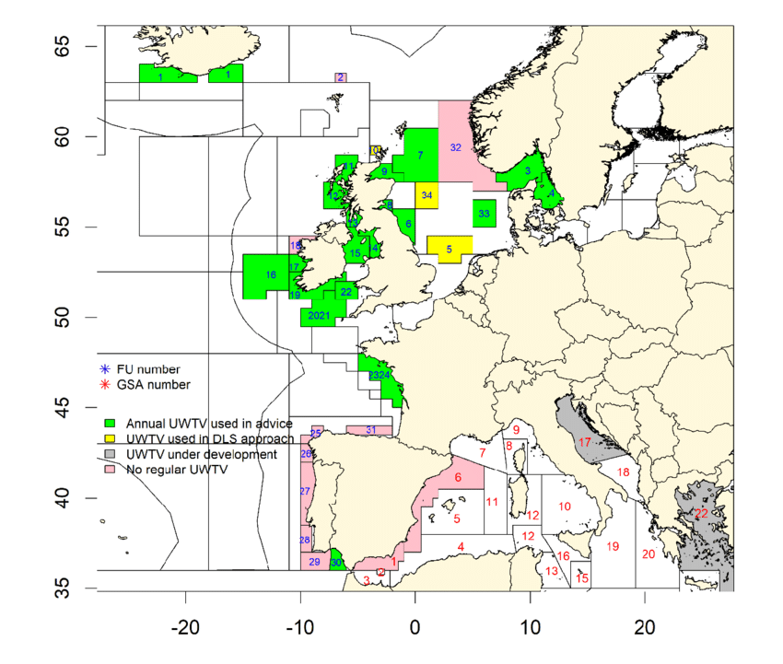
 |  |  |  |  |  |  |  |  |  | https://external-content.duckduckgo.com/iu/?u=https%3A%2F%2Fwww.researchgate.net%2Fprofile%2FMatteo-Chiarini%2Fpublication%2F351904143%2Ffigure%2Ffig1%2FAS%3A1027995691147265%401622104680622%2FNephrops-UWTV-survey-coverage-in-2019-FU-Functional-Unit-GSA-Geographical-Sub-Area.png&f=1&nofb=1&ipt=ff4f83eba89c2ae5b01a3f394b0537dc238f5e12103ceaa9538354f356601b2e

